Sheet1
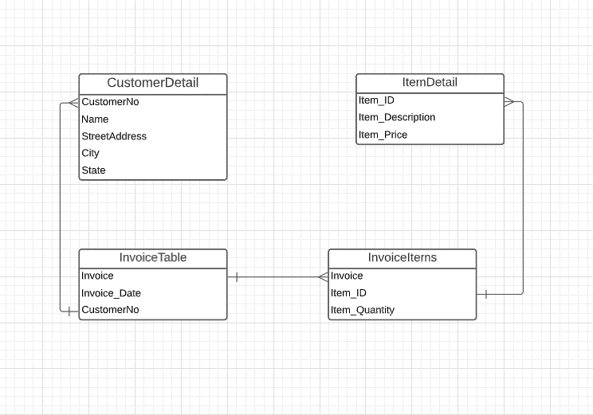
Invoice #. | Date | Customer # | Customer Name | Customer Address | Customer City | Customer State | Item ID | Item Description | ltem Quantity. | Item Price | Sub Total
125 | 2002-09-13 | 56 | Foo.Inc | 23 Main St., Thorpleburg | Thorpleburg | TX | 563 | 56" Blue Freen | 4 | $3.50 | $14.00
125 | 2002-09-13 | 56 | Foo.Inc | 23 Main St., Thorpleburg | Thorpleburg | TX | 851 | Spline End (Xtra Large) | 32 | $0.25 | $8.00
125 | 2002-09-13 | 56 | Foo.Inc | 23 Main St., Thorpleburg | Thorpleburg | TX | 652 | 3" Red Freen | 5 | $12.00 | $60.00
254 | 2002-09-14 | 57 | Van.Inc | 3299 Woodland Terrace | Fair Oaks | California | 563 | 56" Blue Freen | 60 | $3.50 | $210.00
345 | 2002-10-05 | 58 | Bake.Inc | 1895 White Pine Lane | Winchester | Virginia | 563 | 56" Blue Freen | 15 | $3.50 | $52.50
345 | 2002-10-05 | 58 | Bake.Inc | 1895 White Pine Lane | Winchester | Virginia | 851 | Spline End (Xtra Large) | 160 | $0.25 | $40.00
345 | 2002-10-05 | 58 | Bake.Inc | 1895 White Pine Lane | Winchester | Virginia | 652 | 3" Red Freen | 70 | $12.00 | $840.00

Normal Form 1

Invoice # | Date | Customer # | Customer Name | Customer Address Street | Customer City | Customer State
125 | 2002-09-13 | 56 | Foo.Inc | 23 Main St. | Thorpleburg | TX
125 | 2002-09-13 | 56 | Foo.Inc | 23 Main St. | Thorpleburg | TX
125 | 2002-09-13 | 56 | Foo.Inc | 23 Main St. | Thorpleburg | TX
254 | 2002-09-14 | 57 | Van.Inc | 3299 Woodland Terrace | Fair Oaks | California
345 | 2002-10-05 | 58 | Bake.Inc | 1895 White Pine Lane | Winchester | Virginia
345 | 2002-10-05 | 58 | Bake.Inc | 1895 White Pine Lane | Winchester | Virginia
345 | 2002-10-05 | 58 | Bake.Inc | 1895 White Pine Lane | Winchester | Virginia

Invoice # | Item ID | Item Description | Item Price | ltem Quantity.
125 | 563 | 56" Blue Freen | $3.50 | 4
125 | 851 | Spline End (Xtra Large) | $0.25 | 32
125 | 652 | 3" Red Freen | $12.00 | 5
254 | 563 | 56" Blue Freen | $3.50 | 60
345 | 563 | 56" Blue Freen | $3.50 | 15
345 | 652 | Spline End (Xtra Large) | $0.25 | 160
345 | 851 | 3" Red Freen | $12.00 | 70

Normal Form 2
 |  |  |  |  |  |  |  | Invoice details
Invoice # | Date | Customer # | Customer Name | Customer Address Street | Customer City | Customer State |  | Invoice # | Item ID | ltem Quantity.
125 | 2002-09-13 | 56 | Foo.Inc | 23 Main St. | Thorpleburg | TX |  | 125 | 563 | 4
125 | 2002-09-13 | 56 | Foo.Inc | 23 Main St. | Thorpleburg | TX |  | 125 | 851 | 32
125 | 2002-09-13 | 56 | Foo.Inc | 23 Main St. | Thorpleburg | TX |  | 125 | 652 | 5
254 | 2002-09-14 | 57 | Van.Inc | 3299 Woodland Terrace | Fair Oaks | California |  | 254 | 563 | 60
345 | 2002-10-05 | 58 | Bake.Inc | 1895 White Pine Lane | Winchester | Virginia |  | 345 | 563 | 15
345 | 2002-10-05 | 58 | Bake.Inc | 1895 White Pine Lane | Winchester | Virginia |  | 345 | 851 | 160
345 | 2002-10-05 | 58 | Bake.Inc | 1895 White Pine Lane | Winchester | Virginia |  | 345 | 652 | 70

Item Infromation Table
Item ID | Item Description | Item Price
563 | 56" Blue Freen | $3.50
652 | 3" Red Freen | $12.00
851 | Spline End (Xtra Large) | $0.25

Normal Form 3
 |  |  |  | Invoice details
Order table |  |  |  | Invoice # | Item ID | ltem Quantity.
Invoice # | Date | Customer # |  | 125 | 563 | 4
125 | 2002-09-13 | 56 |  | 125 | 851 | 32
254 | 2002-09-14 | 57 |  | 125 | 652 | 5
345 | 2002-10-05 | 58 |  | 254 | 563 | 60
 |  |  |  | 345 | 563 | 15
 |  |  |  | 345 | 851 | 160
 |  |  |  | 345 | 652 | 70
Customer Information Table |  |  |  |  |  | Item Infromation Table
Customer # | Customer Name | Customer Address Street | Customer City | Customer State |  | Item ID | Item Description | Item Price
56 | Foo.Inc | 23 Main St. | Thorpleburg | TX |  | 563 | 56" Blue Freen | $3.50
57 | Van.Inc | 3299 Woodland Terrace | Fair Oaks | California |  | 652 | 3" Red Freen | $12.00
58 | Bake.Inc | 1895 White Pine Lane | Winchester | Virginia |  | 851 | Spline End (Xtra Large) | $0.25

