MODEL
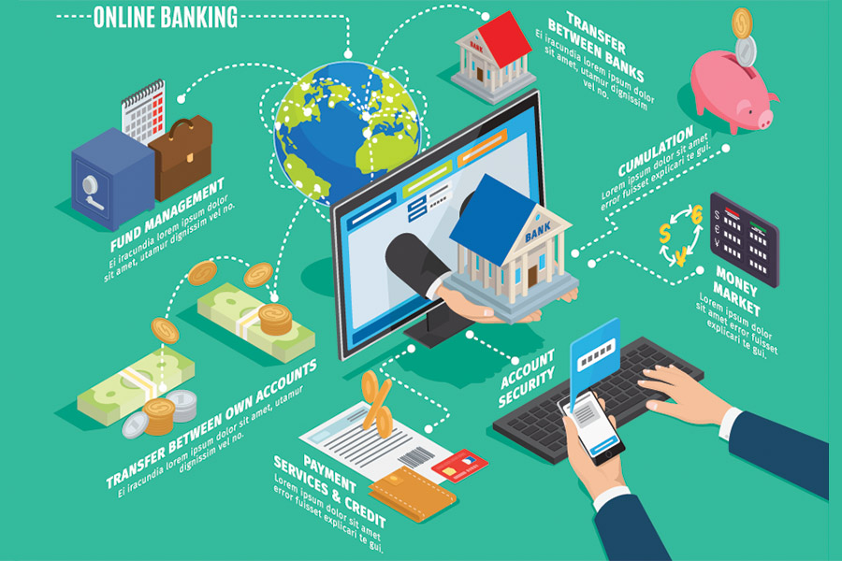

BANK | CUSTOMER | TRANSACTIONS | EMPLOYEES | LOANS/DEBTS
1. BRANCH_IFSC(PK) | 1. ACCOUNT_NUMBER(PK) | 1. TRANSACTION_ID(PK) | 1. EMP_ID(PK) | 1. ACCOUNT_NUMBER(FK)
2. BANK_BRANCH | 2. CUSTOMER_NAME | 2. TRANSACTION_TYPE | 2. EMP_DESG | 2. RATE_OF_INTEREST
3. BRANCH_MANAGER | 3. CUSTOMER_NOMINEE | 3. FROM_ACCOUNT_NO(FK) | 3. EMP_NAME | 3. LOAN_TYPE
4. BANK_CITY | 4. CUSTOMER_ID(PK) | 4. TO_ACCOUNT_NO(FK) | 4. EMP_SALARY | 4. PRINCIPAL_AMOUNT
5. BANK_NAME | 5. PHONE_NUMBER | 5. AMOUNT | 5. BRANCH_IFSC(FK) | 5. LOAN_ID(PK)
 | 6. BRANCH_IFSC(FK) |  | 6. BANK_BRANCH | 6. DURATION
 | 7. BANK_BRANCH |  |  | 7. LOAN_DATE
 |  |  |  | 8. COLLATERAL

BANK
BRANCH_IFSC | BANK_BRANCH | BANK_MAN | BANK_CITY | BANK_NAME
12345 | ADYAR | KISHORE | CHENNAI | HDFC
35123 | THARAMANI | KIRAN | CHENNAI | YES
56832 | THIRUVANMAYUR | SURESH | CHENNAI | KOTAK
55672 | HEBBAL | HARIKRISHNA | BENGALURU | HDFC

CUSTOMER
ACC_NO | CUS_NAME | CUS_NOM | CUS_ID | PH_NO | BRANCH_IFSC | BANK_BRANCH
1 | SAI, HARINI | KISHORE | 99 | 1234567890 | 12345 | ADYAR
23 | HARI | HARAN | 68 | 1234567089 | 56832 | THIRUVANMAYUR
2 | ABDUL | SAMEER | 56 | 1236767890 | 55672 | HEBBAL

LOANS/DEBTS
ACCOUNT_NUMBER(FK) | RATE_OF_INTEREST | LOAN_TYPE | PRINCIPAL_AMOUNT | LOAN_ID(PK) | DURATION | LOAN_DATE | COLLATERAL
1 | 10%,11% | Education Loan,Personal Loan | 500000&1700000 | 1,4 | 5,12 | 1/4/2023,3/4/2023 | Gold
23 | 7% | Car Loan | 1000000 | 2 | 7 | 2023-02-04 | Home Documents
2 | 13% | Home Loan | 2000000 | 3 | 10 | 2023-03-04 | Car

EMPLOYEES
EMP_ID | EMP_DESG | EMP_NAME | EMP_SALARY | BRANCH_IFSC | BANK_BRANCH
11 | MANAGER | RAKESH | 50000 | 12345 | ADYAR
12 | CLERK | JOSHUA | 30000 | 35123 | THARAMANI
13 | ACCOUNTANT | SIMRAN,KUMAR | 35000 | 56832 | THIRUVANMIYUR
14 | PEON | KUMAR,KEERTI | 25000 | 55672 | HEBBAL
15 | ASSISTANT MANAGER | RANJIT | 20000 | 12345 | ADYAR

TRANSACTION
TRANSACTION _ID | TRANSACTION _TYPE | FROM_ACCOUNT_NUMBER | TO_ACCOUNT_NUMBER | AMOUNT
1234 | WITHDRAWAL | 2345 | 3000 | 5000
5678 | DEPOSIT | 3456 | 13456 | 6000

ER DIAGRAM
