Pivot Table 7
Count of Party

Pivot Table 6
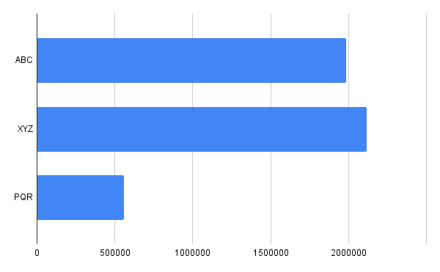

Dashboard
Election Analysis Dashboard

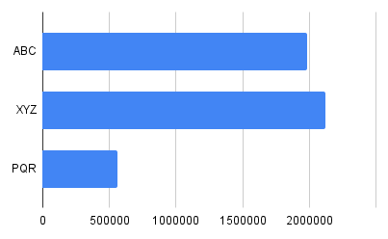
Count of Party

