1. Title Page
Grocery Basket Analysis

Project Name: Instacart Grocery Basket Analysis
Date: April 15th
Analyst Name: Poorya Behnamie

Contents: | Sheet nr:
Population Flow | 2
Consistency checks | 3
Wrangling steps | 4
Column derivations | 5
Visualizations | 6
Recommendations | 7

Data Citation
Title |  | Source | Author | Date | Link/Source | Extra
The Instacart Online Grocery Shopping Dataset 2017 |  | Kaggle | Collaborator: psparks (Owner) | Updated 6 years ago | https://www.kaggle.com/datasets/psparks/instacart-market-basket-analysis
CareerFoundry 'Customers' Dataset |  | CareerFoundry | CareerFoundry | April 8, 2020 | https://s3.amazonaws.com/coach-courses-us/public/courses/data-immersion/A4/A4_Data_Assets/customers.zip | Not real data, created for learning purposes only
List of regions of the United States |  | Wikipedia | Cpacker | September 10, 2008 | https://simple.wikipedia.org/wiki/List_of_regions_of_the_United_States

2. Population Flow
 |  |  | Title page

Population flow

Exclusion flag
Condition: max_order < 5
Obervations to be removed: 1440295
Final total count of order_products_all: 30964564

Orders_products_all
Orders_products_combined
Orders_products_merged

Total:
Total:
Total:
32434489 | 32404859 | 32404859

1.) The grey boxes in the first row of the population flow represent the original data sets as they were when you downloaded them. In the Total fields you need to add the count of the rows when you imported the data set into Jupyter.
2.) The second row of boxes (coloured) represents the data sets after you manipulated them, e.g., removed missing values and duplicates. In the Total fields you need to add the count of the rows after conducting these operations. This offers a visual oveview of how the data flows throughout the data consistency checks.
3.) The third row, where also the arrows are coloured, represents the merges you performed between the datasets. In the Total fields you need to add the count of the rows in the merged datasets, so that you end up with the final dataset (in the red box). Keep in mind the final dataset should be without exclusions (based on the exclusion flag).

3. Consistency checks
 |  |  |  | Title page
Consistency checks

Dataset | Missing values | Missing values treatment | Duplicates
orders | 206209 | Create a new variable ['first_order'] that acts like a flag based on the missing value | 0
products | 16 | Excluding from main df | 5
orders_products_prior | 0 | - | 0
customers | 11259 | I decided to drop this column in respect of PII | 0

4. Wrangling steps
 |  |  |  | Title page
Wrangling steps

Columns dropped | Columns renamed | Columns' type changed | Comment/Reason
eval_set |  |  | This column contains system information that acts as a label for the entire data set
 | {'order_dow' : 'orders_day_of_week'} |  | “dow” might make sense once you know that it stands for “days of the week,” it’s not the most self-explanatory
 | {'days_since_prior_order' : 'last_order_days' } |  | Primary column name was too long, so I used something shorter with exact meaning
 |  | order_id | there would never be a need to calculate statistics for the "order_id" and "user_id" columns—they don’t represent real numeric values, rather, keys related to specific orders and users
 |  | user_id
 | first name : first_name |  | replace space with _ between two words
 | surnam : last_name |  | last_name is more self explanatory
 | Gender : gender |  | use lower case for all letters
 | STATES : state |  | use lower case for all letters
 | Age : age |  | use lower case for all letters
first _name |  |  | drop this column respect to PII
last_name |  |  | drop this column respect to PII

5. Column derivations
 |  |  |  | Title page

Column derivations and aggregations

In this tab you should add tables below that the frequences of flags/label variables that you produced after deriving them. NB: don't do this for continuous variables, only for flags.
Dataset | New column | Column/s it was derived from | Conditions
Orders | first order | order_number | order_number' == 1: True, 'order_number' != 1: False
ords_prods_merge | price_range | prices | High-range product: prices > 15 Mid-range product: prices > 5 & prices <=15 Low-range product: prices <=5
ords_prods_merge | busiest_day | orders_day_of_week | Busiest day: orders_day_of_week = 0 Least busy: orders_day_of_week = 4 Regularly busy: orders_day_of_week = all other values
ords_prods_merge | busiest_period_of_day | order_hour_of_day | Most orders: value == 10, 11, 14, 15, 13, 12, 16 or 9 Fewest orders: value == 23, 6, 0, 1, 5, 2, 4 or 3 Average orders: order_hour_of_day = all other values
ords_prods_merge | max_order | user_id and order_number | Aggregating with transform (np.max)
ords_prods_merge | loyalty_flag | max_order | Loyal customer: max_order > 40 Regular customer: max_order <= 40 & max_order >10 New customer: max_order <=10
ords_prods_merge | avg_spent | user_id and prices | Aggregating with transform (np.mean)
ords_prods_merge | spending_flag | avg_spent | High spender: avg_spent >= 10 Low spender: avg_spent < 10
ords_prods_merge | order_freq_med | user_id and last_order_days | Aggregation with transform (np.median)
ords_prods_merge | frequency_flag | order_freq_med | Non-frequent customer: order_freq_med > 20 Regular customer: order_freq_med <= 20 & order_freq_med >10 Frequent customer: order_freq_med <= 10
 | region.loc | state | Northeast = if state is from list of states 'Northeast' Midwest = if state is from list of states 'Midwest' South = if state is from list of states 'South' West = if state is from list of states 'West'
 | exclusion_flag | max_order | normal_activity: max_order <= 5 low_activity: max_order >= 5
 | dep_group | department | Fresh_Food = ["dairy eggs", "deli", "meat seafood", "produce", "frozen"] Non_Perishable_Food = ["snacks", "beverages", "pantry", "canned goods", "dry goods pasta", "breakfast", "bakery"] Household_Personal_Care = ["household", "personal care"] Miscellaneous = ["babies", "international", "missing", "other", "bulk"] Pet Owner Alcohol consumer
 | age_group | age | Young Adults : < 24 years old Middle-Aged Adults : 25-65 years old Old Adults: > 65 years old
 | income_group | income | lower annual income: income < 50000 mid annual income: 50000 <= income < 150000 higher annual income: income >= 150000

6. Visualizations
 | Title page

Visualisations

In this tab you should include all the visualtions from Exercises 4.9 and 4.10, alongside the questions from the project brief that they answer. Include any commentary on the relationship between different variables.
Key Question 1: What are the busiest days of the week and hours of the day in terms of orders?

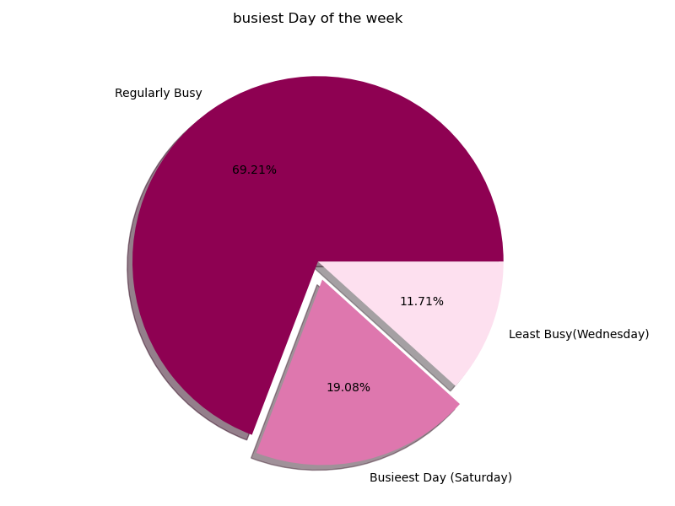
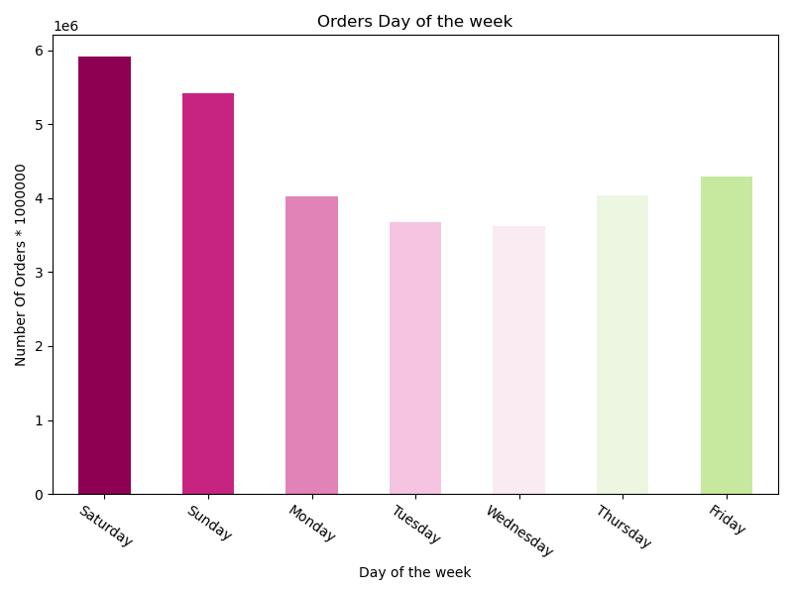

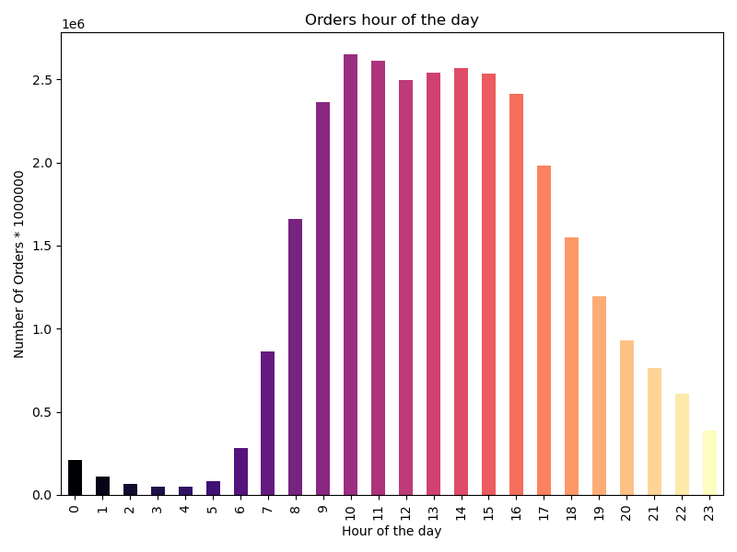
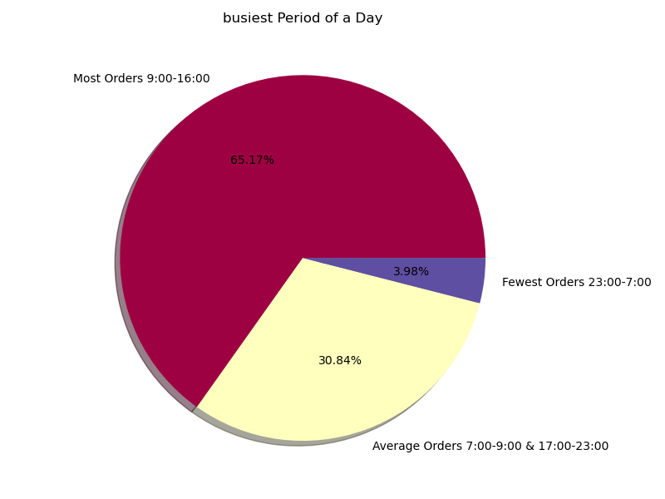

After analyzing the top two charts that display the order distributions on each day of the week, it can be observed that most orders occur over the weekend. The majority of orders are placed on Saturdays and Sundays, followed by Fridays and Thursdays respectively. Saturdays account for approximately 19% of the total orders, while Wednesdays have the least number of orders, accounting for only 11.71%.
The two charts at the bottom display the number of orders received for each hour of the day. From the charts, we observe that there is a significant increase in the total number of orders received from 6 AM until 9 AM. Then, for about 6 hours, most orders are placed between 9 AM and 4 PM, after which the number of orders gradually decreases. In summary, the majority of orders, around 65%, are placed between 9 AM and 4 PM, while the least number of orders, approximately 4%, occur between 11 PM and 7 AM.

Key Question 2: Are there particular times of the day when people spend the most money?

The bar chart at the bottom left shows the average spending in US dollars for each hour of the day. It appears that there is no significant difference in spending between different times of day.
Additionally, the line chart on the bottom right displays the relationship between the prices of orders and the hours of the day.
While there are no remarkable differences between these two variables, we can observe a slight decrease in prices around 10 AM, although this difference is not significant.

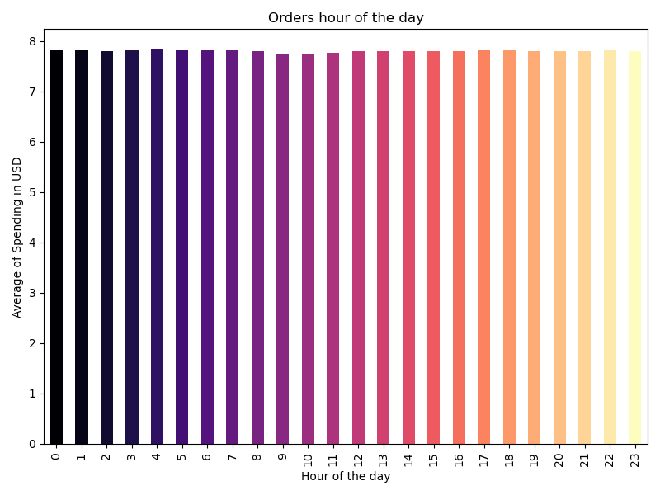
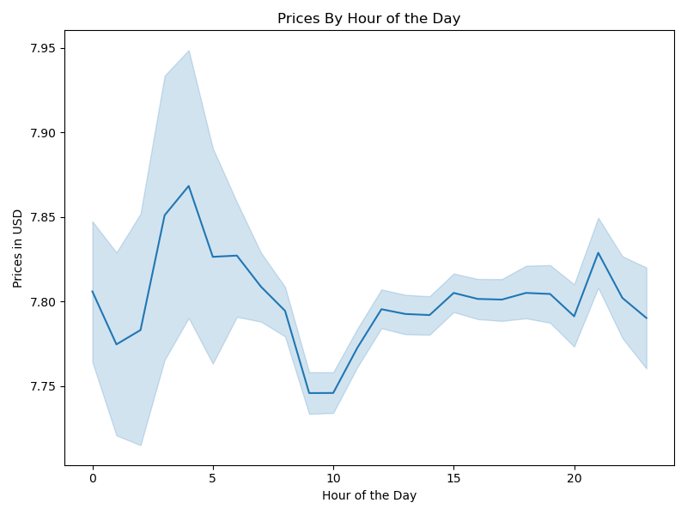

Key Question 3: Instacart has a lot of products with different price tags. Can simpler price range groupings be used to help marketing and sales direct their efforts?

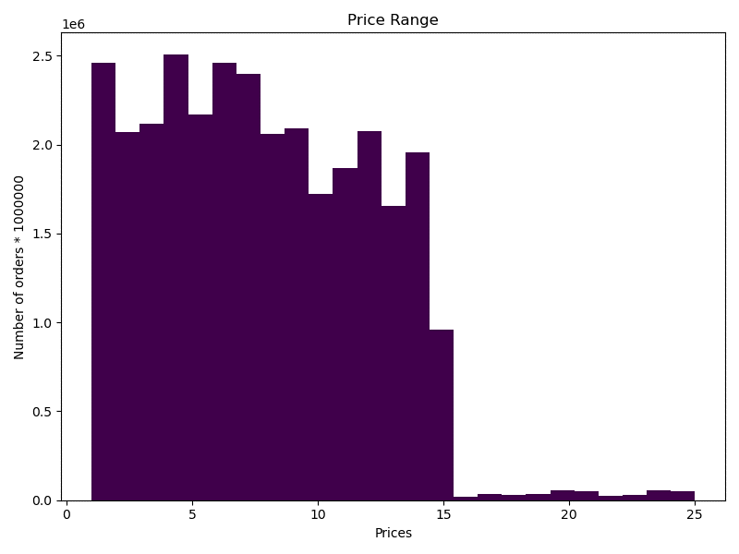
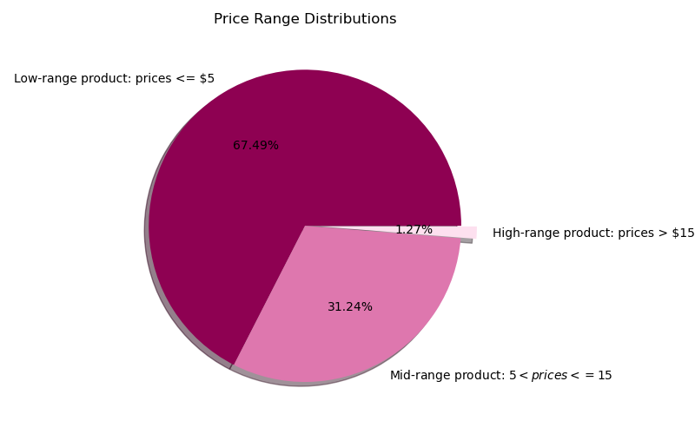

The two visualizations below demonstrate that the maximum price of our products is $25. However, it is quite evident that most of the products are priced at less than $15.
To better understand the distribution, we have divided the product prices into three categories - low-range, mid-range, and high-range, as shown in the left histogram. The pie chart on the right provides an overview of the distribution, revealing that 67% of products fall into the low-range price group, while only 1.27% of products are priced above $15.

Key Question 4: Are there certain types of products that are more popular than others? The marketing and sales teams want to know which departments have the highest frequency of product orders.

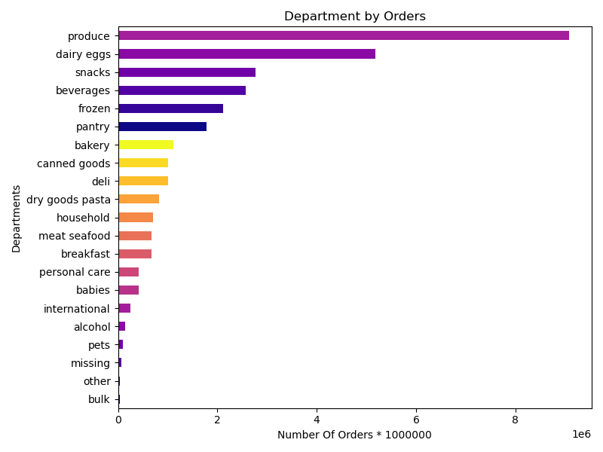
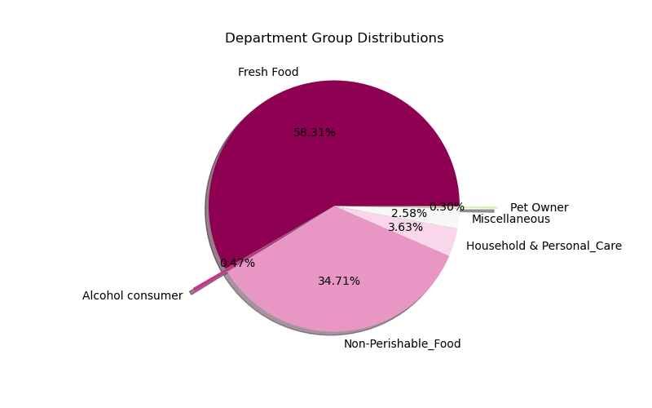

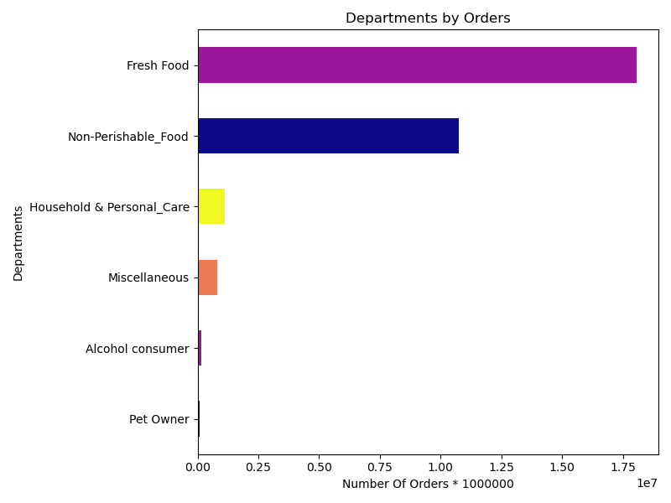

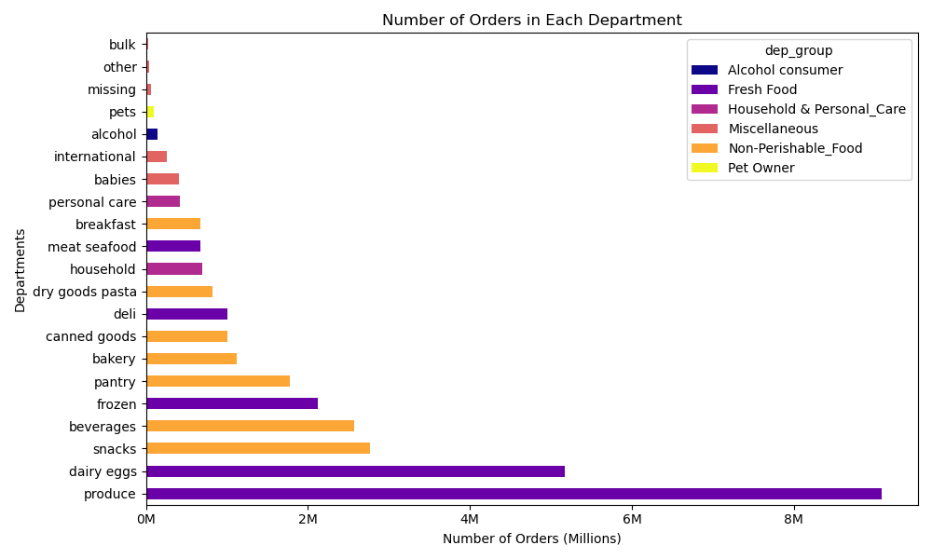

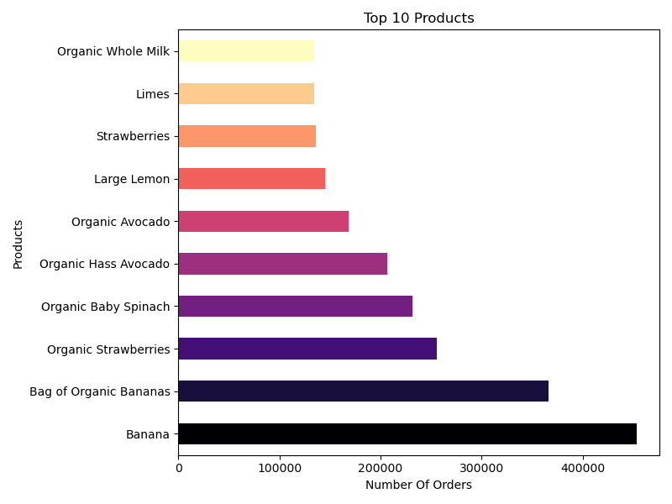

According to the top charts, the Produce, Dairy Eggs, Snacks, Beverages, and Frozen departments are the top five departments based on the total number of orders.
In another category, we can see that nearly 60% of orders are related to Fresh Foods departments, and about 35% of the orders belong to Non-Perishable Food departments.
When we look at the top 10 products chart, we can see that bananas, strawberries, baby spinach, avocados, and large limes have the most orders among all the products.

Key Question 5: What’s the distribution among users in regards to their brand loyalty and are there differences in ordering habits based on a customer’s loyalty status?

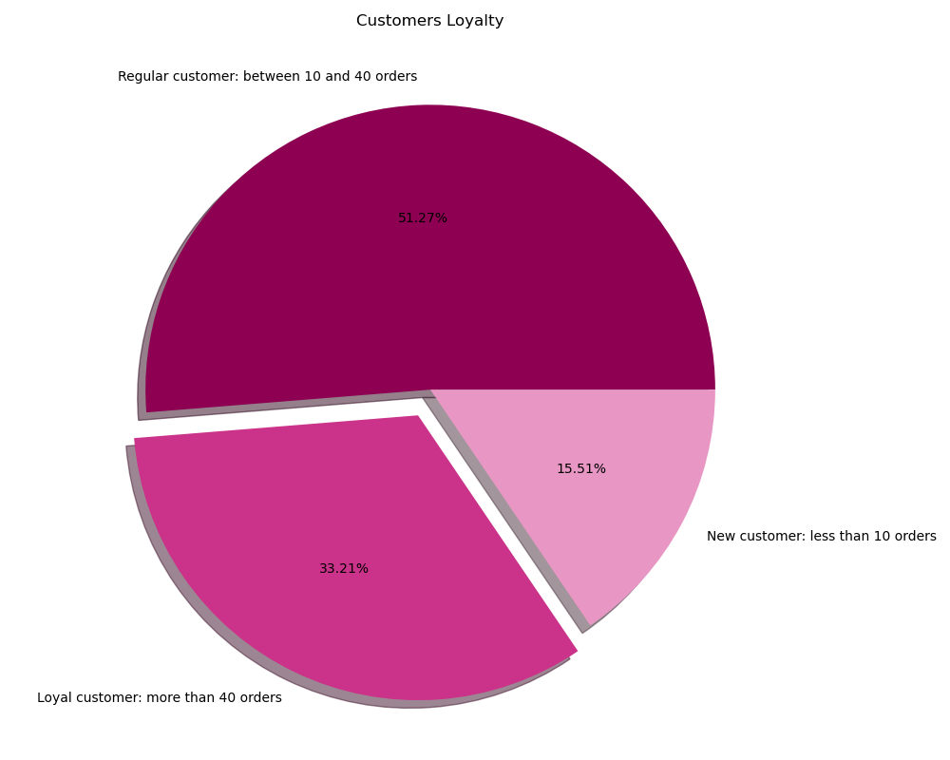
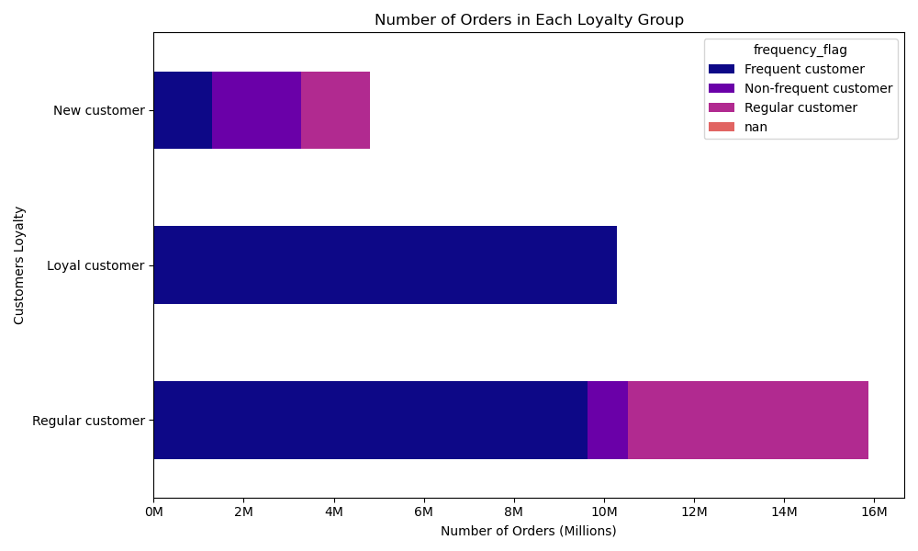

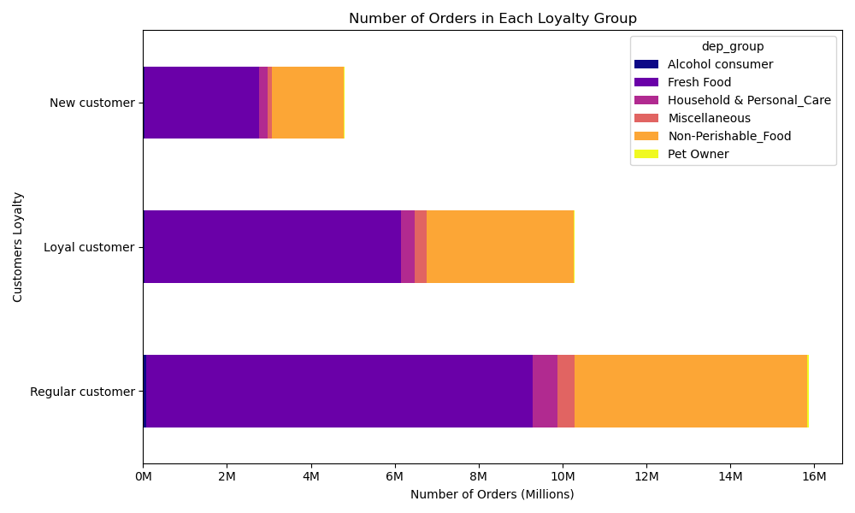
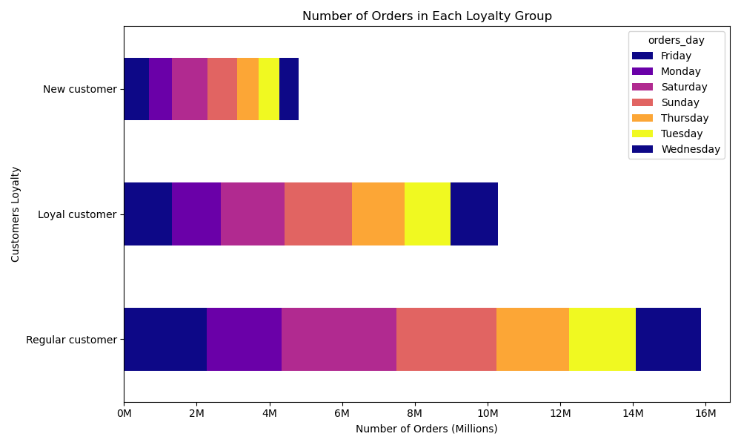

The pie chart indicates that 51.27% of our customers are regulars who have placed orders between 10 to 40 times. Meanwhile, 31% of our customers are loyal and have more than 40 orders, and 15.51% of customers are new to our service with less than 10 orders.
Additionally, from the other bar charts, we can draw the same conclusion that there aren't significant differences between our customers in terms of their shopping habits. All of them tend to shop on weekends more than weekdays, and most of their orders consist of fresh and non-perishable food. This shows that they follow the same patterns with respect to the days of the week and departments they shop in.
Furthermore, we can observe that all of our loyal customers are frequent customers, while most of the regular customers are frequent and regular in terms of their ordering frequency.
Although there is a considerable difference in the order frequency of different customers, there isn't a significant difference in their spending. Loyal customers place an order every 5 days on average, while regular customers order every 11 days, and new customers come to shop every 17 days. However, their spending is similar, ranging between 7 to 8 dollars.

Key Question 6: Are there differences in ordering habits based on a customer’s region?

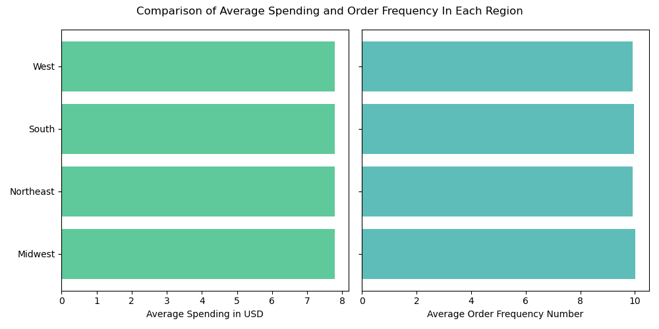
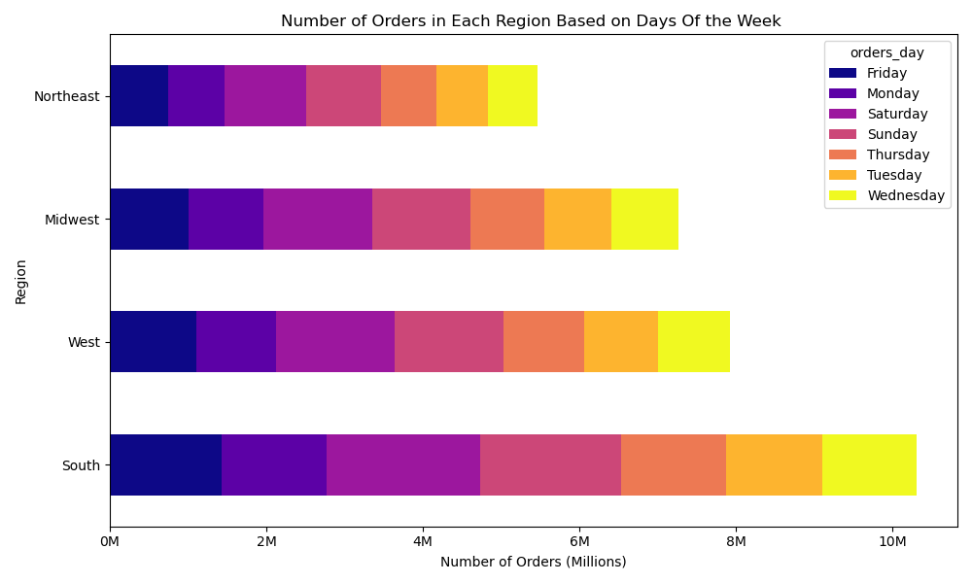

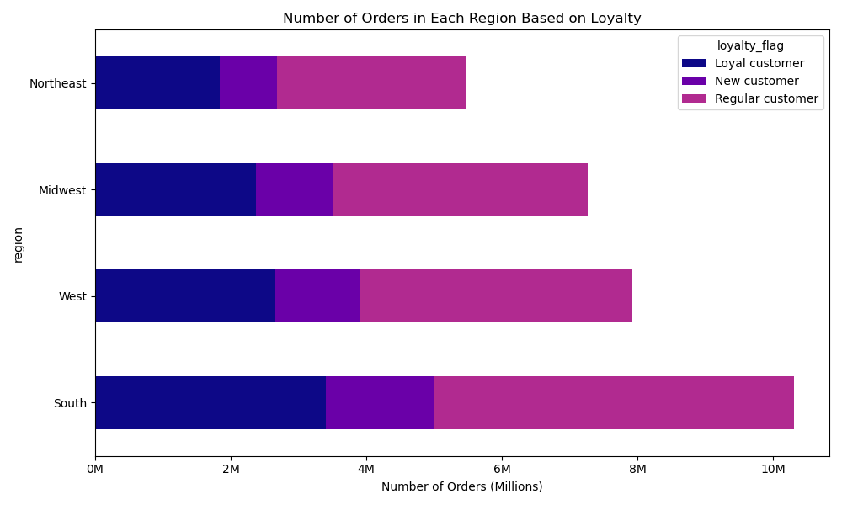

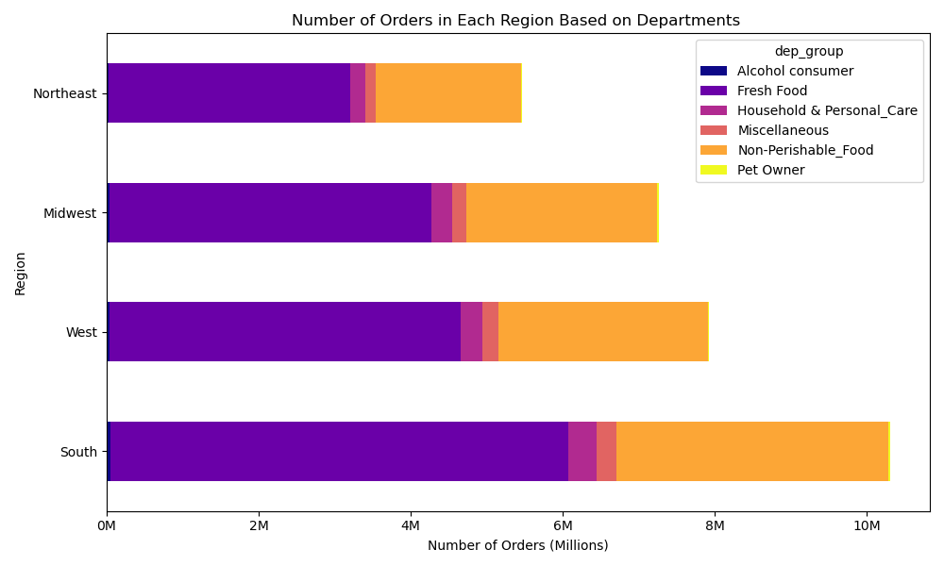

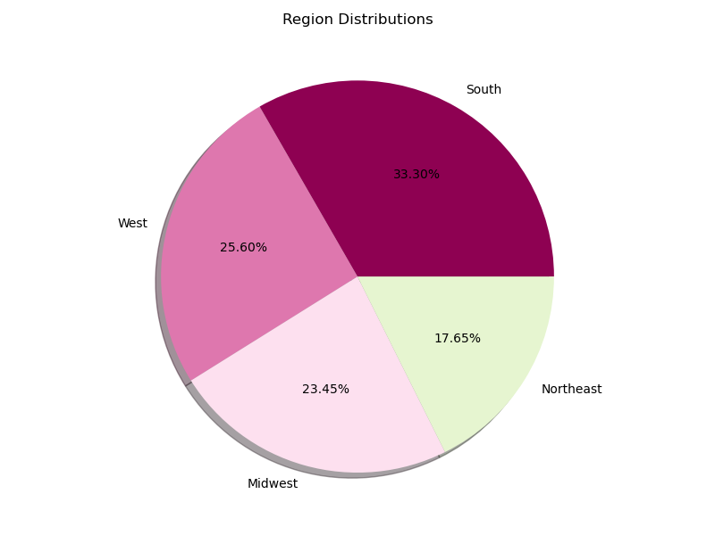
Based on the pie chart, the South region has the highest percentage of customers at 33.30%, followed by the West with 25%, the Midwest with 23%, and the Northeast with 17%.
However, when comparing the average spending per order and frequency of shopping for each region, there doesn't appear to be a significant difference.
Across all four regions, the majority of customers are regulars, followed by loyal customers and new customers.
Furthermore, two bar charts present that customers in all regions have similar shopping habits, with most preferring to shop on weekends and purchase items in the Fresh Foods and Non-Perishable Food categories. Household & Personal Care and Miscellaneous items follow closely behind.

Key Question 7: What different classifications does the demographic information suggest? Age? Income? Certain types of goods? Family status?

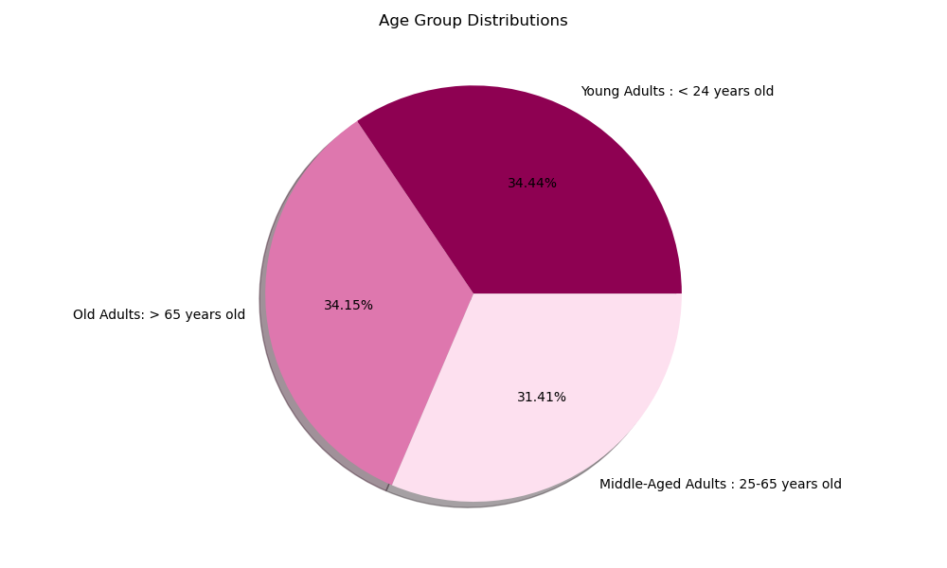
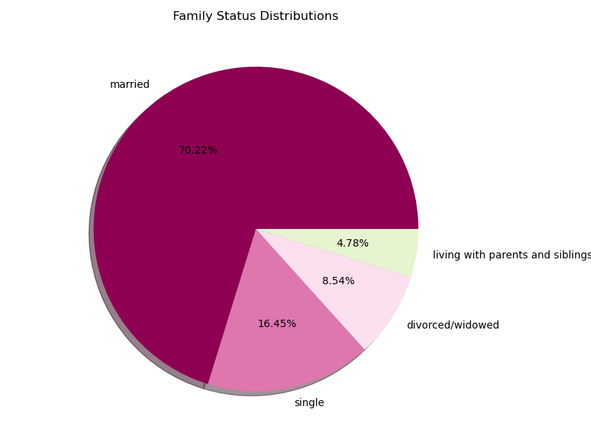
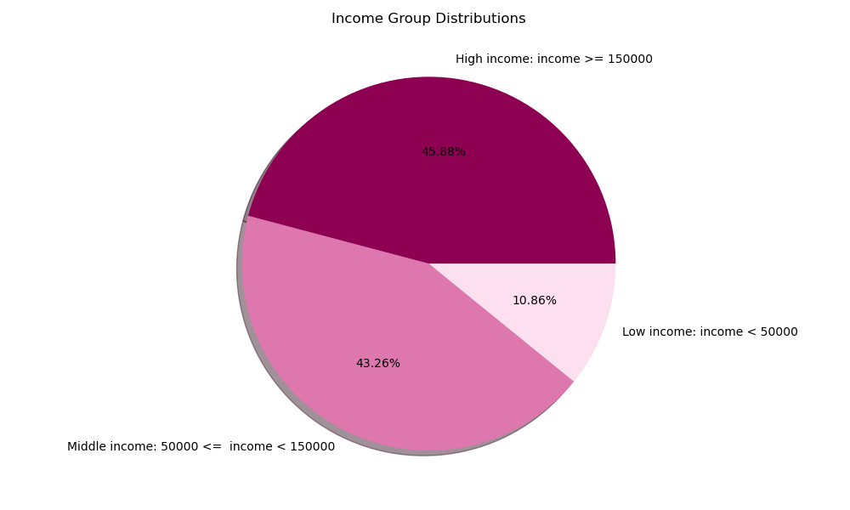



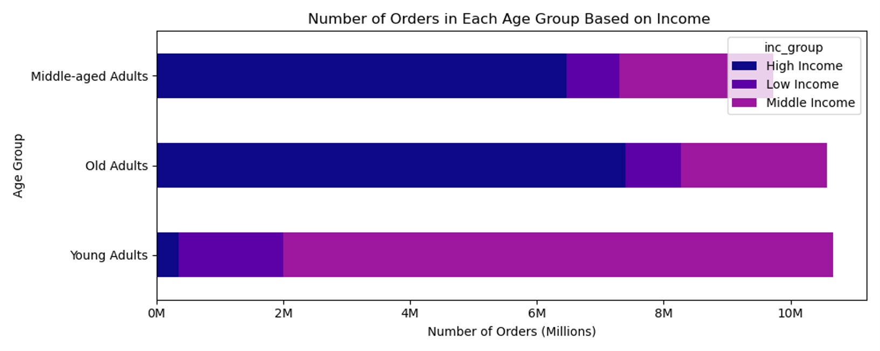

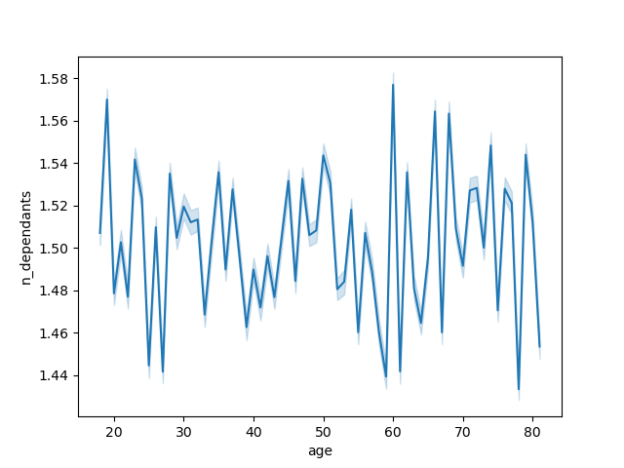

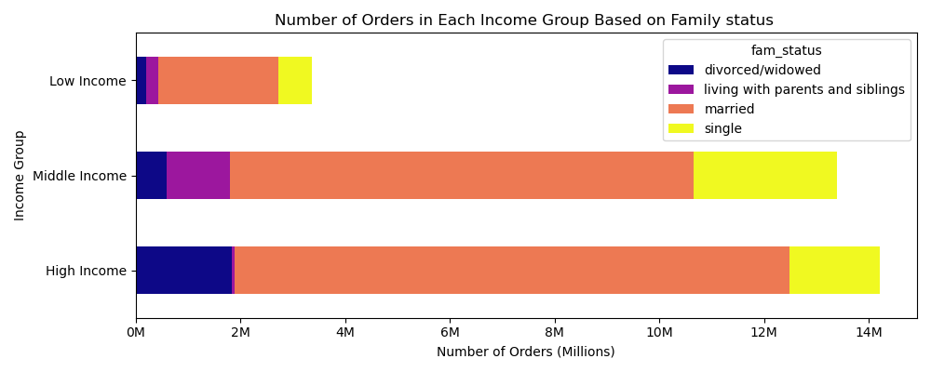

The pie charts above represent the age distribution, family status, and annual income of our customers. Our customers' ages range from 18 to 80, with a relatively equal distribution across age groups.
However, 34.44% of our customers are young adults under the age of 25, and 34.15% are over the age of 65. Interestingly, our middle-aged and older customers tend to have higher annual incomes, while most of our young adults earn a middle income.
Regarding family status, 70% of our customers are married, while only 4% still live with their parents or siblings. 16% are single, and 8% are divorced or widowed.
When it comes to income classification, only 10% of our customers earn less than 50000 dollars per year, while nearly 45% earn over 150000 dollars per year.
The scatter plot shows a rise in income after the age of 40, but there is no significant correlation between age and income. However, there is a sharp gap in income between those under and over 40.
The line chart does not reveal any meaningful relationship between age and the number of dependents our customers have.

Key Question 8 What differences can you find in ordering habits of different customer profiles? (Consider the price of orders, the frequency of orders, the products customers are ordering, dow)

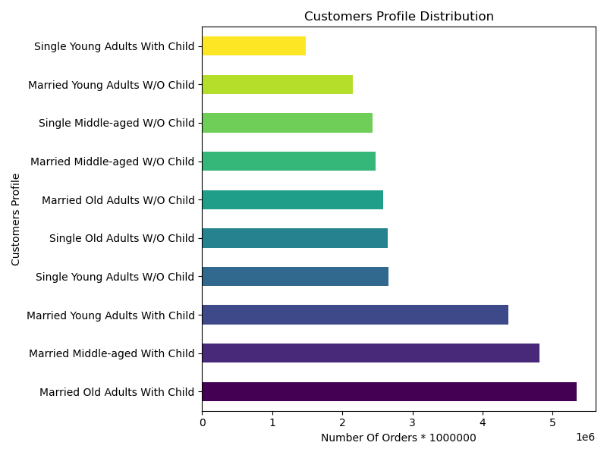
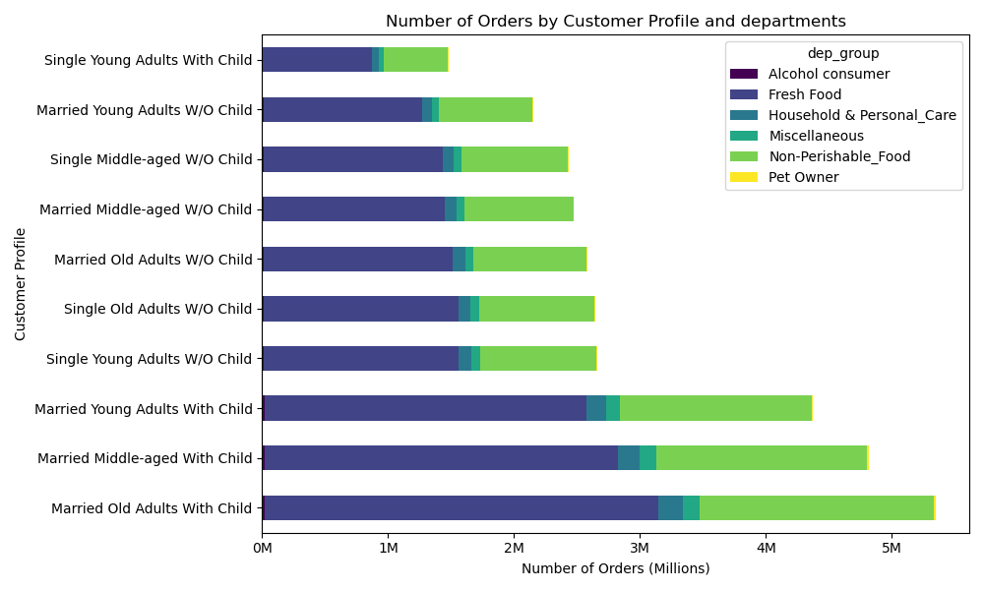
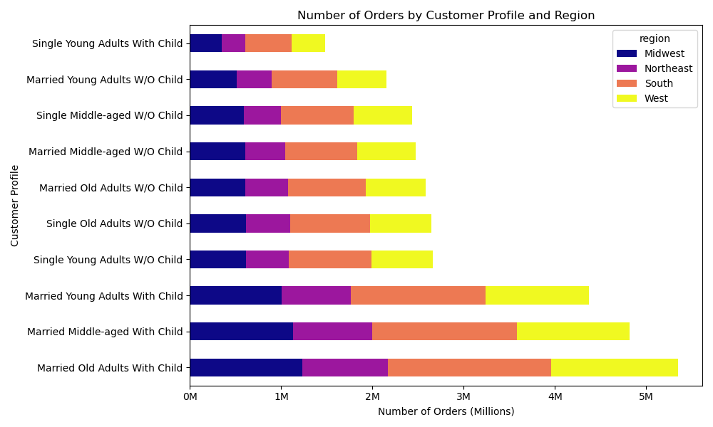

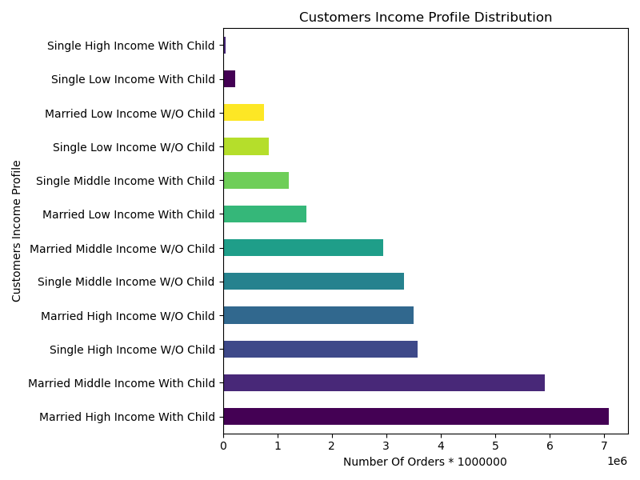
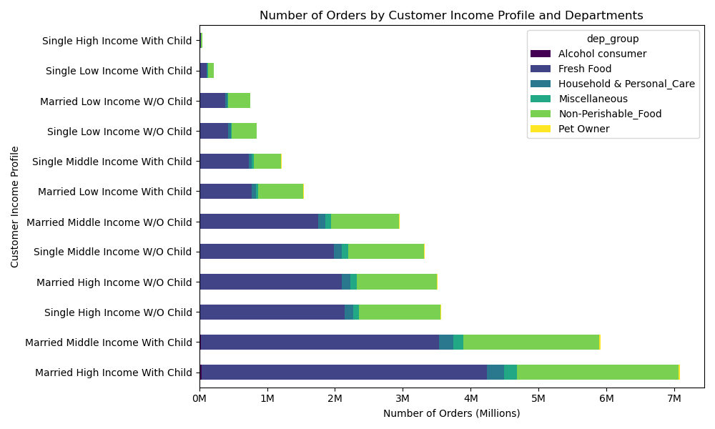
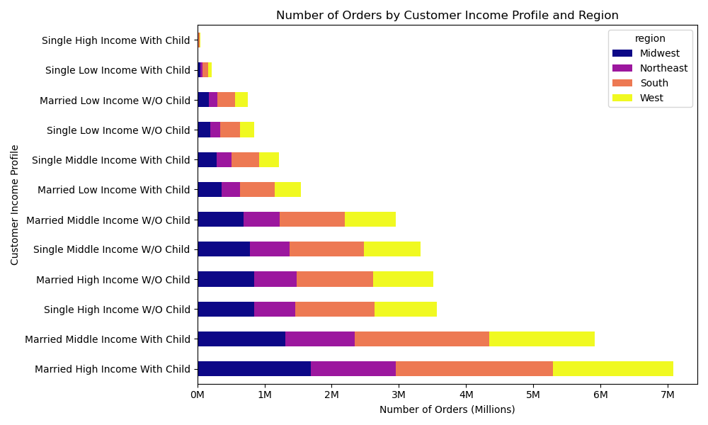

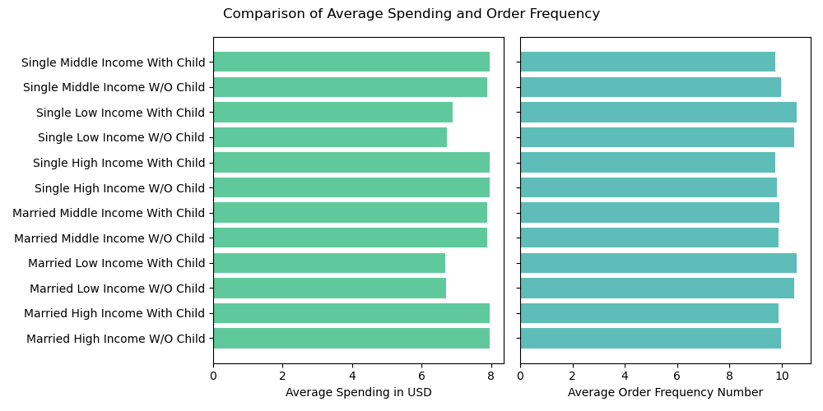
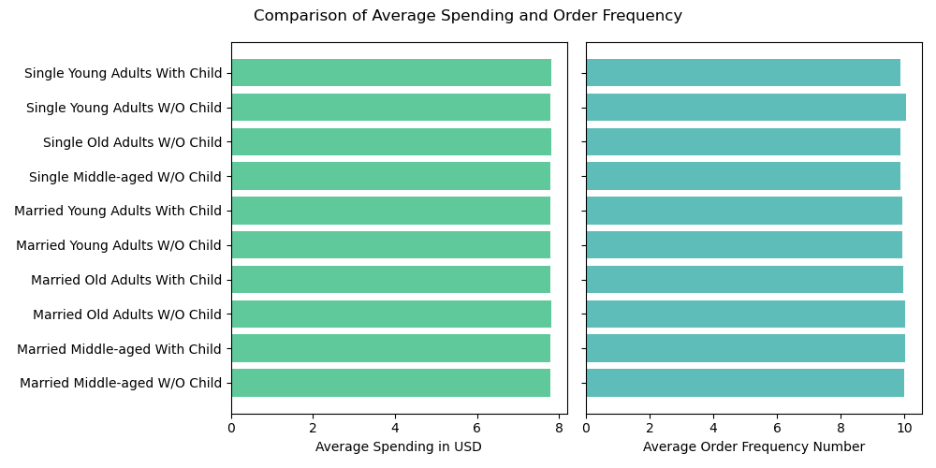

I have taken note of the text you provided. As an AI-powered assistant, my role is to help you rephrase and clarify the text to make it more understandable. Please find below the revised version of your original text:
I have created two different customer profiles based on their demographics and annual income. Demographic analysis shows that most of our customers are married individuals in different age brackets, with children. Therefore, it is important to focus on these groups as our primary customers. The least populous groups are young and middle-aged individuals without children.
Furthermore, income analysis demonstrates that the majority of our customers have a high or middle-income, and are both married and single. Hence, their income profile is not significantly affected by whether they have children or are married or not.
After analyzing both the demographic and income profiles of our customers, it is evident that they follow the same spending pattern across all regions. Most of the orders are from the fresh food and non-perishable food departments. Additionally, there is no significant difference in customer profiles across all four regions.
The frequency of orders and average spending in US dollars across both customer profiles does not reveal any notable trends. The average spending is between 6 to 8 dollars, and on average, they make new orders every 10 days.

7. Recommendations
Title page

Recommendations

In this tab you should include any recommendations you would made to Instcart in terms of their marketing strategy based on the questions posed in the brief. Every key question has been covered in the Tasks of the Exercises - here you need to add an item - a visualisation or table/crosstable that is showing the answer in the data, acompanied by a comment from you. Please, list the questions below and add the answer underneath.

Key Question 1: What are the busiest days of the week and hours of the day in terms of orders?
Many people tend to shop more on weekends, particularly on Saturdays and Sundays, which are considered the peak shopping days at a mall. For groceries, the rush hour is between 6 AM and 4 PM, with the highest demand between 9 AM and 4 PM, similar to the morning and afternoon rush hours on a busy highway. To attract more shoppers, it's like putting up more billboards during rush hour to catch more eyes.
Key Question 2: Are there particular times of the day when people spend the most money?
People spend about the same throughout the day, but there's a tiny dip in spending around 10 AM. It's like noticing a slight drop in customers' shopping baskets at a store around that time.Though the spending doesn't change much, we might tweak prices a bit around 10 AM to see if it affects people's choices, similar to offering a small discount during a slower period to attract more shoppers.
Key Question 3: Instacart has a lot of products with different price tags. Can simpler price range groupings be used to help marketing and sales direct their efforts?
Most products are priced below $15, so we should focus our promotions on these affordable items. It's like putting the spotlight on the best deals in a store's sales flyer.Think of grouping products into "budget-friendly," "mid-range," and "premium" categories, making it easier for shoppers to find what they want.
Key Question 4: Are there certain types of products that are more popular than others? The marketing and sales teams want to know which departments have the highest frequency of product orders.
Departments like Produce and Dairy Eggs are where people buy the most. It's like noticing that the fruits and veggies section and the dairy aisle are the busiest areas in a supermarket.
Promote items like bananas, strawberries, and avocados because they're flying off the shelves. like featuring the best-selling items on a store's front display to grab shoppers' attention.
Key Question 5: What’s the distribution among users in regards to their brand loyalty and are there differences in ordering habits based on a customer’s loyalty status?
Reward customers who keep coming back because they're our biggest supporters.
Even though some customers order more often than others, they all spend about the same amount.
Key Question 6: Are there differences in ordering habits based on a customer’s region?
Even though different areas have more customers, they all buy pretty much the same stuff.
Tailor promotions for each region, focusing on what they buy most.
Key Question 7: What different classifications does the demographic information suggest? Age? Income? Certain types of goods? Family status?
Most of our customers are married with kids, so we should make sure our promotions appeal to families. It's like designing ads with families in mind, showing them enjoying our products together.
We have customers of all ages and incomes, but they all shop alike. It's like realizing that whether someone is young or old, they still like a good deal.
Key Question 8 What differences can you find in ordering habits of different customer profiles?
Different customers buy at different rates, but they all spend about the same amount. It's like seeing that whether someone shops every day or once a week, they still buy a similar number of items.
Make sure our marketing messages speak to everyone, no matter their age or income. It's like making ads that everyone can relate to, whether they're a student or a retiree.

