Sheet1
添加Sphere网格 Sphere.glsl和Cube.glsl完全一致 | Volcano/Renderer/RendererItem/Sphere.h #pragma once #include "Volcano/Renderer/VertexArray.h" #include "Volcano/Renderer/Buffer.h" #include "Volcano/Renderer/Shader.h" #include "Volcano/Renderer/Texture.h" #include "Volcano/Renderer/RendererItem/Mesh.h" namespace Volcano { struct SphereVertex { glm::vec3 Position; glm::vec4 Color = glm::vec4(1.0f); glm::vec2 TexCoord; glm::vec3 Normal; // 法线 glm::vec3 Tangent; // 切线 glm::vec3 Bitangent; // 双切线 float TilingFactor = 1.0f; //控制纹理在物体表面上的重复次数，通常取1 // Editor-only int EntityID; }; class Sphere : public Mesh { public: Sphere(); ~Sphere(); void StartBatch(); void NextBatch(); void Flush(); void DrawSphere(); private: static const uint32_t X_SEGMENTS = 64; static const uint32_t Y_SEGMENTS = 64; static const uint32_t VertexSize = (X_SEGMENTS + 1) * (Y_SEGMENTS + 1); static const uint32_t IndexSize = (X_SEGMENTS + 1) * Y_SEGMENTS * 2; // 球体的顶点太多，批渲染不能渲染太多了 static const uint32_t MaxSpheres = 200; static const uint32_t MaxVertices = MaxSpheres * VertexSize; static const uint32_t MaxIndices = MaxSpheres * IndexSize; static const uint32_t MaxTextureSlots = 32; std::array<SphereVertex, VertexSize> m_Vertices; std::array<uint32_t, IndexSize> m_Indices; Ref<VertexArray> m_VertexArray; Ref<VertexBuffer> m_VertexBuffer; Ref<Shader> m_Shader; uint32_t m_IndexCount = 0; SphereVertex* m_VertexBufferBase = nullptr; SphereVertex* m_VertexBufferPtr = nullptr; friend class Renderer3D; }; } | Volcano/Renderer/RendererItem/Sphere.cpp #include "volpch.h" #include "Sphere.h" #include "glm/glm.hpp" #include "Volcano/Renderer/Renderer.h" namespace Volcano { /* X_SEGMENTS: 经度方向（环绕 Y 轴） 的分段数 ，即水平方向的扇区数 Y_SEGMENTS: 纬度方向（从顶部到底部） 的分段数，即垂直方向的层数 总顶点数VertexSize = (X_SEGMENTS + 1) * (Y_SEGMENTS + 1)，因为每个方向都有闭合所需的额外顶点（首尾重叠） 总索引数IndexSize = (X_SEGMENTS + 1) * Y_SEGMENTS * 2，每个矩形格子需要 2 个三角形（6 个索引） 球体用条带方式（相邻顶点共享）所以约为总顶点数的 2 倍 对于相邻行（y 和 y+1），行数 Y_SEGMENTS + 1 有 Y_SEGMENTS 对相邻行 glDrawElements(GL_TRIANGLE_STRIP, count, GL_UNSIGNED_INT, nullptr); GL_TRIANGLE_STRIP 绘制三角形条带。每相邻的 3 个顶点构成一个三角形（0,1,2；1,2,3；2,3,4...） 数学原理（球面坐标） 球面坐标参数化： 第x段：xSegment = x / Segment 经度角θ（绕 Y 轴） = xSegment * 2π，范围 [0, 2π]。 纬度角φ（与 Y 轴的夹角） = ySegment * π，范围 [0, π] y | | |________x / / z 直角坐标转换： x = r * sin(θ) * cos(φ) y = r * cos(θ) z = r * sin(θ) * sin(φ) 其中 r = 1（单位球），θ = ySegment * π，φ = xSegment * 2π 法线计算 由于球心在原点，法线就是归一化的位置向量（单位球面上任意点的法线方向指向球外）。 UV 坐标 UV = (xSegment, ySegment)，即纹理坐标在 0~1 范围内均匀映射到球面，适合使用经纬图纹理（全景图）。 texture: ___________ y| | | | |___________| x 切线（Tangent，T）：沿 经度方向（U 方向） 的切向量，即对 φ 求偏导并归一化。 T = (-sin(φ), 0, cos(φ)) 双切线（Bitangent，B）：沿 纬度方向（V 方向） 的切向量，即对 θ 求偏导并归一化。 B = (cos(φ)*cos(θ), -sin(θ), sin(φ)*cos(θ)) 生成三角形条带（Triangle Strip） “之”字形遍历 对于 GL_TRIANGLE_STRIP，每三个连续顶点（{v0, v1, v2}, {v1, v2, v3}, ...）形成一个三角形。 三角形 (v0, v1, v2) 的绕序由 v0 → v1 → v2 决定。 下一个三角形 (v1, v2, v3) 会自动翻转绕序（因为顶点顺序变成 v1 → v2 → v3，与上一个三角形的方向相反）。 0 -> 1 0 1 /\ / / /\ | / / | 2 3 2 -> 3 网格的每一行（行 y 固定）包含 X_SEGMENTS + 1 个顶点。为了保持三角形绕序一致，需要交替改变顶点遍历方向： 偶数行（y = 0, 2, 4, ...）：左到右依次取顶点对 (row_y, x) 和 (row_{y+1}, x) 奇数行（y = 1, 3, 5, ...）：从右到左取顶点对对 (row_{y+1}, x) 和 (row_y, x) 第 y 行第 x 列的顶点索引为：y * (X_SEGMENTS + 1) + x */ Sphere::Sphere() { const float PI = 3.14159265359f; for (uint32_t x = 0; x != X_SEGMENTS + 1; x++) { for (uint32_t y = 0; y != Y_SEGMENTS + 1; y++) { | Volcano/Renderer/Renderer3D.h class VOL_API Renderer3D { public: static void DrawSphere(const glm::mat4& transform, const glm::mat3& normalTransform = glm::mat3(1.0f), float tilingFactor = 1.0f, const glm::vec4& color = glm::vec4(1.0f), int entityID = -1); } Volcano/Renderer/Renderer3D.cpp void Renderer3D::DrawSphere(const glm::mat4& transform, const glm::mat3& normalTransform, float tilingFactor, const glm::vec4& color, int entityID) { Ref<Sphere> sphereMesh = Mesh::GetMeshLibrary()->Get<Sphere>(MeshType::Sphere)->mesh; if (sphereMesh->m_IndexCount >= sphereMesh->MaxIndices) sphereMesh->NextBatch(); for (uint32_t i = 0; i < sphereMesh->VertexSize; i++) { sphereMesh->m_VertexBufferPtr->Position = transform * glm::vec4(sphereMesh->m_Vertices[i].Position, 1.0f); sphereMesh->m_VertexBufferPtr->Color = color; sphereMesh->m_VertexBufferPtr->TexCoord = sphereMesh->m_Vertices[i].TexCoord; sphereMesh->m_VertexBufferPtr->Normal = normalTransform * sphereMesh->m_Vertices[i].Normal; sphereMesh->m_VertexBufferPtr->Tangent = normalTransform * sphereMesh->m_Vertices[i].Tangent; sphereMesh->m_VertexBufferPtr->Bitangent = normalTransform * sphereMesh->m_Vertices[i].Bitangent; sphereMesh->m_VertexBufferPtr->TilingFactor = tilingFactor; sphereMesh->m_VertexBufferPtr->EntityID = entityID; sphereMesh->m_VertexBufferPtr++; } sphereMesh->m_IndexCount += sphereMesh->IndexSize; } void Renderer3D::StartBatch() { Ref<Cube> cubeMesh = Mesh::GetMeshLibrary()->Get<Cube>(MeshType::Cube)->mesh; cubeMesh->StartBatch(); Ref<Sphere> sphereMesh = Mesh::GetMeshLibrary()->Get<Sphere>(MeshType::Sphere)->mesh; sphereMesh->StartBatch(); } void Renderer3D::Flush() { Ref<Cube> cubeMesh = Mesh::GetMeshLibrary()->Get<Cube>(MeshType::Cube)->mesh; cubeMesh->Flush(); Ref<Sphere> sphereMesh = Mesh::GetMeshLibrary()->Get<Sphere>(MeshType::Sphere)->mesh; sphereMesh->Flush(); }
 | void Scene::UpdateScene(Camera& camera, const glm::mat4& transform, const glm::vec3& position, const glm::vec3& rotation) { UpdateCameraData(camera, transform, position); // Update Skybox auto skyboxEntity = GetPrimarySkyboxEntity(); if (skyboxEntity != nullptr) Skybox::SetTexture(skyboxEntity->GetComponent<SkyboxComponent>().texture); Renderer2D::BeginScene(camera, transform); Renderer3D::BeginScene(camera, transform); // Update Mesh { auto view = m_Registry.view<TransformComponent, MeshComponent, MeshRendererComponent>(); std::vector<glm::mat4> finalBoneMatrices; for (auto [entity, transformComp, meshComp, meshRendererComp] : view.each()) { Ref<Entity> entityRef = m_EntityEnttMap[entity]; glm::mat4 worldTransform = entityRef->GetWorldTransform(); if (entityRef->GetActive() && meshComp.enabled && meshRendererComp.enabled) { switch (meshComp.meshType) { case MeshType::None: break; case MeshType::Quad: { Ref<Texture2D> texture; if (meshRendererComp.textures.size() != 0 && meshRendererComp.textures[0].second.key != "") { auto& texParam = meshRendererComp.textures[0].second; texture = Texture::GetTextureLibrary()->Get(texParam.key, texParam.filp, texParam.textureFormat); } if (texture != nullptr) Renderer2D::DrawQuad(worldTransform, texture, meshRendererComp.tilingFactor, meshRendererComp.color, (int)entity); else Renderer2D::DrawQuad(worldTransform, meshRendererComp.color, (int)entity); break; } case MeshType::Circle: Renderer2D::DrawCircle(worldTransform, meshRendererComp.color, meshRendererComp.thickness, meshRendererComp.fade, (int)entity); break; case MeshType::Plane: break; case MeshType::Cube: Renderer3D::DrawCube(worldTransform, glm::mat3(1.0f), meshRendererComp.tilingFactor, meshRendererComp.color, (int)entity); break; case MeshType::Sphere: | void MeshLibrary::Add(const std::string& key) { ... case MeshType::Cube: { auto meshNode = CreateRef<MeshNode<Cube>>(); meshNode->mesh = CreateRef<Cube>(); Add<Cube>(meshNode); break; } ... }
添加Plane、Cylinder、Capsule网格 | #pragma once #include "Volcano/Renderer/VertexArray.h" #include "Volcano/Renderer/Buffer.h" #include "Volcano/Renderer/Shader.h" #include "Volcano/Renderer/RendererItem/Mesh.h" namespace Volcano { struct PlaneVertex { glm::vec3 Position; glm::vec4 Color = glm::vec4(1.0f); glm::vec2 TexCoord; glm::vec3 Normal = glm::vec3(0.0f, 1.0f, 0.0f); // 法线 glm::vec3 Tangent = glm::vec3(1.0f, 0.0f, 0.0f); // 切线 glm::vec3 Bitangent = glm::vec3(0.0f, 0.0f, 1.0f); // 双切线 float TilingFactor = 1.0f; //控制纹理在物体表面上的重复次数，通常取1 // Editor-only int EntityID; }; class Plane : public Mesh { public: Plane(); ~Plane(); void StartBatch(); void NextBatch(); void Flush(); void DrawPlane(); private: static const uint32_t MaxPlanes = 200; static const uint32_t Row = 10; static const uint32_t Column = 10; static const uint32_t VertexSize = 6 * Row * Column; static const uint32_t IndexSize = 6 * Row * Column; static const uint32_t MaxVertices = MaxPlanes * VertexSize; static const uint32_t MaxIndices = MaxPlanes * IndexSize; std::array<PlaneVertex, VertexSize> m_Vertices; std::array<uint32_t, IndexSize> m_Indices; Ref<VertexArray> m_VertexArray; Ref<VertexBuffer> m_VertexBuffer; Ref<Shader> m_Shader; uint32_t m_IndexCount = 0; PlaneVertex* m_VertexBufferBase = nullptr; PlaneVertex* m_VertexBufferPtr = nullptr; friend class Renderer3D; }; } | #include "volpch.h" #include "Plane.h" #include "glm/glm.hpp" #include "Volcano/Renderer/Renderer.h" namespace Volcano { Plane::Plane() { glm::vec3 vertexPosition[] = { { -0.5, 0.0f, 0.5}, { 0.5, 0.0f, 0.5}, { 0.5, 0.0f, -0.5}, { 0.5, 0.0f, -0.5}, { -0.5, 0.0f, -0.5}, { -0.5, 0.0f, 0.5} }; glm::vec2 texCoord[] = { { 0.0f, 0.0f}, { 1.0f, 0.0f}, { 1.0f, 1.0f}, { 1.0f, 1.0f}, { 0.0f, 1.0f}, { 0.0f, 0.0f} }; for (uint32_t i = 0;i < 6; i++) { texCoord[i] = texCoord[i] / glm::vec2((float)Column, (float)Row); } float reciprocalRow = 1.0f / (float)Row; float reciprocalColumn = 1.0f / (float)Column; for (uint32_t row = 0; row != Row; row++) { float rowOffset = (float)row - (float)Row * 0.5f + 0.5f; for (uint32_t column = 0; column != Column; column++) { float columnOffset = (float)column - (float)Column * 0.5f + 0.5f; uint32_t quadIndex = (column + row * Column) * 6; for (uint32_t i = 0; i < 6; i++) { uint32_t index = i + quadIndex; m_Vertices[index].Position = vertexPosition[i] + glm::vec3(columnOffset, 0, -rowOffset); m_Vertices[index].TexCoord = texCoord[i] + glm::vec2(column * reciprocalColumn, row * reciprocalRow); } } } for (uint32_t i = 0; i < IndexSize; i++) m_Indices[i] = i; m_VertexArray = VertexArray::Create(); //vb = VertexBuffer::Create((void*)&vertices[0], vertices.size() * sizeof(MeshVertex)); m_VertexBuffer = VertexBuffer::Create(MaxVertices * sizeof(PlaneVertex)); m_VertexBuffer->SetLayout({ { ShaderDataType::Float3, "a_Position" }, { ShaderDataType::Float4, "a_Color" }, { ShaderDataType::Float2, "a_TexCoord" }, { ShaderDataType::Float3, "a_Normal" }, { ShaderDataType::Float3, "a_Tangent" }, { ShaderDataType::Float3, "a_Bitangent" }, { ShaderDataType::Float, "a_TilingFactor" }, { ShaderDataType::Int, "a_EntityID" } }); m_VertexArray->AddVertexBuffer | #pragma once #include "Volcano/Renderer/VertexArray.h" #include "Volcano/Renderer/Buffer.h" #include "Volcano/Renderer/Shader.h" #include "Volcano/Renderer/RendererItem/Mesh.h" namespace Volcano { struct CylinderVertex { glm::vec3 Position; glm::vec4 Color = glm::vec4(1.0f); glm::vec2 TexCoord; glm::vec3 Normal; // 法线 glm::vec3 Tangent; // 切线 glm::vec3 Bitangent; // 双切线 float TilingFactor = 1.0f; //控制纹理在物体表面上的重复次数，通常取1 // Editor-only int EntityID; }; class Cylinder : public Mesh { public: Cylinder(); ~Cylinder(); void StartBatch(); void NextBatch(); void Flush(); void DrawCylinder(); private: static constexpr float PI = 3.14159265359f; static const uint32_t SectorCount = 36; // 侧面 2 * (SectorCount + 1) + 顶部 (SectorCount + 2) + 底部 (SectorCount + 2) = 4 * SectorCount + 6 static const uint32_t VertexSize = 4 * SectorCount + 6; // 侧面 6 * SectorCount + 顶部 3 * SectorCount + 底部 3 * SectorCount = 12*SectorCount static const uint32_t IndexSize = 12 * SectorCount; // 顶点太多，批渲染不能渲染太多了 static const uint32_t MaxCylinders = 20; static const uint32_t MaxVertices = MaxCylinders * VertexSize; static const uint32_t MaxIndices = MaxCylinders * IndexSize; std::array<CylinderVertex, VertexSize> m_Vertices; std::array<uint32_t, IndexSize> m_Indices; Ref<VertexArray> m_VertexArray; Ref<VertexBuffer> m_VertexBuffer; Ref<Shader> m_Shader; uint32_t m_IndexCount = 0; CylinderVertex* m_VertexBufferBase = nullptr; CylinderVertex* m_VertexBufferPtr = nullptr; friend class Renderer3D; }; } | #include "volpch.h" #include "Cylinder.h" #include "glm/glm.hpp" #include "Volcano/Renderer/Renderer.h" namespace Volcano { Cylinder::Cylinder() { // 扇形数量 const float Radius = 0.5f; // 柱半径 const float Height = 2.0f; // 柱高 const float reciprocalSector = 1.0f / (float)SectorCount; // 扇面数倒数 const float sectorAngle = 2.0f * PI * reciprocalSector; // 扇区角度 uint32_t vertexIndex = 0; uint32_t indexIndex = 0; // 侧面顶点（条带方式）,侧面顶点顺序：top0, bot0, top1, bot1, ... topN, botN （N = SectorCount） for (uint32_t i = 0; i != SectorCount + 1; ++i) { //float angle = (float)i * sectorAngle; // 经度角，从x轴正方形为0度开始 float angle = (float)i * sectorAngle + PI * 0.5f; // 经度角，从z轴负方形为0度开始 float cosA = std::cos(angle); float sinA = std::sin(angle); glm::vec3 normal = glm::vec3(cosA, 0.0f, -sinA); glm::vec3 tangent = glm::vec3(-sinA, 0.0f, cosA); // 顶部圆面顶点 // z轴正方向为接近摄像机方向， position为顺时针，这里取反，让position为逆时针 m_Vertices[vertexIndex].Position = glm::vec3(Radius * cosA, Height * 0.5f, -Radius * sinA); m_Vertices[vertexIndex].TexCoord = glm::vec2((float)i * reciprocalSector, 1.0f); m_Vertices[vertexIndex].Normal = normal; m_Vertices[vertexIndex].Tangent = tangent; // 环绕方向 m_Vertices[vertexIndex].Bitangent = glm::cross(normal, tangent); vertexIndex++; // 底部圆面顶点 m_Vertices[vertexIndex].Position = glm::vec3(Radius * cosA, -Height * 0.5f, -Radius * sinA); m_Vertices[vertexIndex].TexCoord = glm::vec2((float)i * reciprocalSector, 0.0f); m_Vertices[vertexIndex].Normal = normal; m_Vertices[vertexIndex].Tangent = tangent; // 环绕方向 m_Vertices[vertexIndex].Bitangent = glm::cross(normal, tangent); vertexIndex++; } // 侧面索引，每个四边形分为两个三角形：(top_i, bot_i, top_{i+1}) 和 (bot_i, bot_{i+1}, top_{i+1}) // 0 1 2 / 1 3 2 / 2 3 4 / 3 5 4 / 4 5 6 / 5 7 6 // // 0 2 4 6 // // 1 3 5 7 for (uint32_t i = 0; i != SectorCount; ++i) { uint32_t base = i * 2; // 每行两个顶点：top, bot m_Indices[indexIndex++] = ba
 | #pragma once #include "Volcano/Renderer/VertexArray.h" #include "Volcano/Renderer/Buffer.h" #include "Volcano/Renderer/Shader.h" #include "Volcano/Renderer/RendererItem/Mesh.h" namespace Volcano { struct CapsuleVertex { glm::vec3 Position; glm::vec4 Color = glm::vec4(1.0f); glm::vec2 TexCoord; glm::vec3 Normal; // 法线 glm::vec3 Tangent; // 切线 glm::vec3 Bitangent; // 双切线 float TilingFactor = 1.0f; //控制纹理在物体表面上的重复次数，通常取1 // Editor-only int EntityID; }; // 胶囊 class Capsule : public Mesh { public: Capsule(); ~Capsule(); void StartBatch(); void NextBatch(); void Flush(); void DrawCapsule(); private: static constexpr float PI = 3.14159265359f; static const uint32_t X_SEGMENTS = 64; static const uint32_t Y_SEGMENTS = 64; static const uint32_t VertexSize = (X_SEGMENTS + 2) * (Y_SEGMENTS + 2); static const uint32_t IndexSize = (X_SEGMENTS + 2) * (Y_SEGMENTS + 1) * 2; // 顶点太多，批渲染不能渲染太多了 static const uint32_t MaxCapsules = 20; static const uint32_t MaxVertices = MaxCapsules * VertexSize; static const uint32_t MaxIndices = MaxCapsules * IndexSize; std::array<CapsuleVertex, VertexSize> m_Vertices; std::array<uint32_t, IndexSize> m_Indices; Ref<VertexArray> m_VertexArray; Ref<VertexBuffer> m_VertexBuffer; Ref<Shader> m_Shader; uint32_t m_IndexCount = 0; CapsuleVertex* m_VertexBufferBase = nullptr; CapsuleVertex* m_VertexBufferPtr = nullptr; friend class Renderer3D; }; } | #include "volpch.h" #include "Capsule.h" #include "glm/glm.hpp" #include "Volcano/Renderer/Renderer.h" namespace Volcano { Capsule::Capsule() { const float Radius = 0.5f; const float Height = 1.0f; const float reciprocalXSegments = 1.0f / (float)X_SEGMENTS; // 扇面数倒数 const float reciprocalYSegments = 1.0f / (float)Y_SEGMENTS; // 扇面数倒数 uint32_t vertexIndex = 0; uint32_t indexIndex = 0; // 球面 // 因为GL_TRIANGLE_STRIP渲染球体要求顶点的行、列数相同 // 行数因为y轴被分成了2个半球而多了一行，所以列数也应该对应的多1行 for (uint32_t x = 0; x != X_SEGMENTS + 2; x++) { for (uint32_t y = 0; y != Y_SEGMENTS / 2 + 1; y++) { float xSegment = (float)x * reciprocalXSegments; float ySegment = (float)y * reciprocalYSegments; //float phi = xSegment * 2.0f * PI; // 经度角 φ，从x轴正方形为0度开始 float phi = xSegment * 2.0f * PI - PI * 0.5f; // 经度角 φ，从z轴负方形为0度开始 float theta = ySegment * PI; // 纬度角 θ float xDir = std::cos(phi) * std::sin(theta); float yDir = std::cos(theta); float zDir = std::sin(phi) * std::sin(theta); float xPos = Radius * xDir; float yPos = Radius * yDir + Height * 0.5f; float zPos = Radius * zDir; uint32_t index = y + x * (Y_SEGMENTS + 2); m_Vertices[index].Position = glm::vec3(xPos, yPos, zPos); m_Vertices[index].TexCoord = glm::vec2(1.0f - xSegment, 1.0f - ySegment * 0.5f); m_Vertices[index].Normal = glm::vec3(xDir, yDir, zDir); m_Vertices[index].Tangent = glm::vec3(-std::sin(phi), 0.0f, std::cos(phi));; m_Vertices[index].Bitangent = glm::vec3( std::cos(phi) * std::cos(theta), -sin(theta), sin(phi) * cos(theta)); } for (uint32_t y = Y_SEGMENTS / 2; y != Y_SEGMENTS + 1; y++) { float xSegment = (float)x * reciprocalXSegments; float ySegment = (float)y * reciprocalYSegments; //float phi = xSegment * 2.0f * PI; // 经度角 φ，从x轴正方形为0度开始 float phi = xSegment * 2.0f * PI - PI * 0.5f; // 经度角 φ，从z轴负方形为0度开始 float theta = ySegment * PI; // 纬
 | void MeshLibrary::Add(const std::string& key) { ... case MeshType::Plane: { auto meshNode = CreateRef<MeshNode<Plane>>(); meshNode->mesh = CreateRef<Plane>(); Add<Plane>(meshNode); break; } case MeshType::Cube: { auto meshNode = CreateRef<MeshNode<Cube>>(); meshNode->mesh = CreateRef<Cube>(); Add<Cube>(meshNode); break; } case MeshType::Sphere: { auto meshNode = CreateRef<MeshNode<Sphere>>(); meshNode->mesh = CreateRef<Sphere>(); Add<Sphere>(meshNode); break; } case MeshType::Cylinder: { auto meshNode = CreateRef<MeshNode<Cylinder>>(); meshNode->mesh = CreateRef<Cylinder>(); Add<Cylinder>(meshNode); break; } case MeshType::Capsule: { auto meshNode = CreateRef<MeshNode<Capsule>>(); meshNode->mesh = CreateRef<Capsule>(); Add<Capsule>(meshNode); break; } ... } | void Renderer3D::DrawPlane(const glm::mat4& transform, const glm::mat3& normalTransform, float tilingFactor, const glm::vec4& color, int entityID) { Ref<Plane> planeMesh = Mesh::GetMeshLibrary()->Get<Plane>(MeshType::Plane)->mesh; if (planeMesh->m_IndexCount >= planeMesh->MaxIndices) planeMesh->NextBatch(); for (uint32_t i = 0; i < planeMesh->VertexSize; i++) { planeMesh->m_VertexBufferPtr->Position = transform * glm::vec4(planeMesh->m_Vertices[i].Position, 1.0f); planeMesh->m_VertexBufferPtr->Color = color; planeMesh->m_VertexBufferPtr->TexCoord = planeMesh->m_Vertices[i].TexCoord; planeMesh->m_VertexBufferPtr->Normal = normalTransform * planeMesh->m_Vertices[i].Normal; planeMesh->m_VertexBufferPtr->Tangent = normalTransform * planeMesh->m_Vertices[i].Tangent; planeMesh->m_VertexBufferPtr->Bitangent = glm::cross(planeMesh->m_VertexBufferPtr->Normal, planeMesh->m_VertexBufferPtr->Tangent);//normalTransform * cubeMesh->m_Vertices[i].Bitangent; planeMesh->m_VertexBufferPtr->TilingFactor = tilingFactor; planeMesh->m_VertexBufferPtr->EntityID = entityID; planeMesh->m_VertexBufferPtr++; } planeMesh->m_IndexCount += planeMesh->IndexSize; s_Statistics.DrawCalls++; s_Statistics.CubeCount++; } void Renderer3D::DrawCylinder(const glm::mat4& transform, const glm::mat3& normalTransform, float tilingFactor, const glm::vec4& color, int entityID) { Ref<Cylinder> cylinderMesh = Mesh::GetMeshLibrary()->Get<Cylinder>(MeshType::Cylinder)->mesh; if (cylinderMesh->m_IndexCount >= cylinderMesh->MaxIndices) cylinderMesh->NextBatch(); for (uint32_t i = 0; i < cylinderMesh->VertexSize; i++) { cylinderMesh->m_VertexBufferPtr->Position = transform * glm::vec4(cylinderMesh->m_Vertices[i].Position, 1.0f); cylinderMesh->m_VertexBufferPtr->Color = color; cylinderMesh->m_VertexBufferPtr->TexCoord = cylinderMesh->m_Vertices[i].TexCoord; cylinderMesh->m_VertexBufferPtr->Normal = normalTransform * cylind | void Scene::UpdateScene(Camera& camera, const glm::mat4& transform, const glm::vec3& position, const glm::vec3& rotation) { ... case MeshType::Plane: Renderer3D::DrawPlane(worldTransform, glm::mat3(1.0f), meshRendererComp.tilingFactor, meshRendererComp.color, (int)entity); break; case MeshType::Cube: Renderer3D::DrawCube(worldTransform, glm::mat3(1.0f), meshRendererComp.tilingFactor, meshRendererComp.color, (int)entity); break; case MeshType::Sphere: Renderer3D::DrawSphere(worldTransform, glm::mat3(1.0f), meshRendererComp.tilingFactor, meshRendererComp.color, (int)entity); break; case MeshType::Cylinder: Renderer3D::DrawCylinder(worldTransform, glm::mat3(1.0f), meshRendererComp.tilingFactor, meshRendererComp.color, (int)entity); break; case MeshType::Capsule: Renderer3D::DrawCapsule(worldTransform, glm::mat3(1.0f), meshRendererComp.tilingFactor, meshRendererComp.color, (int)entity); break; ... } void Scene::RenderScene(Camera& camera, const glm::mat4& transform, const glm::vec3& position, const glm::vec3& rotation) { ... case MeshType::Plane: { if (meshRendererComp.textures.size() != 0 && meshRendererComp.textures[0].second.key != "") { auto& texParam = meshRendererComp.textures[0].second; Texture::GetTextureLibrary()->Get(texParam.key, texParam.filp, texParam.textureFormat)->Bind(); } auto planeMesh = Mesh::GetMeshLibrary()->Get<Plane>(MeshType::Plane)->mesh; planeMesh->Flush(); break; } case MeshType::Cube: { if (meshRendererComp.textures.size() != 0 && meshRendererComp.textures[0].second.key != "") { auto& texParam = meshRendererComp.textures[0].second; Texture::GetTextureLibrary()->Get(texParam.key, texParam.filp, texParam.textureFormat)->Bind(); } auto cubeMesh = Mesh::GetMeshLibrary()->Get<Cube>(MeshType::Cube)->mesh; cubeMesh->Flush(); break; } case MeshType::Sph
分割SceneSerializer.cpp 添加MeshComponent、MeshRendererComponent、ScriptComponent序列化 | Volcano/Scene/SceneSerializer.h #pragma once #include "Volcano/Scripting/ScriptInstance.h" #include "Volcano/Scene/Scene.h" #include <Volcano/Core/Time.h> namespace Volcano { // ScriptField + data storage struct VOL_API ScriptFieldInstance { ScriptField Field; ScriptFieldInstance() { memset(m_Buffer, 0, sizeof(m_Buffer)); } template<typename T> T GetValue() { static_assert(sizeof(T) <= 64, "Type too large!"); return *(T*)m_Buffer; } template<typename T> void SetValue(T value) { static_assert(sizeof(T) <= 64, "Type too large!"); memcpy(m_Buffer, &value, sizeof(T)); } void* GetBuffer() { return m_Buffer; } void** GetBufferPtr() { return (void**)&m_Buffer; } private: uint8_t m_Buffer[64]; friend class ScriptEngine; friend class ScriptInstance; }; /* 可访问性存储在一个位域（bit field） 因为 C# 允许将类字段和属性标记为 protected internal 或 private protected。 如果你只关心字段/属性是否是公共的，你也可以直接返回一个 bool，并给函数起名为 IsFieldPublic / IsPropertyPublic。 */ enum class Accessibility : uint8_t { None = 0, Private = (1 << 0), Internal = (1 << 1), Protected = (1 << 2), Public = (1 << 3) }; using ScriptFieldMap = std::unordered_map<std::string, ScriptFieldInstance>; using ClassScriptFieldMap = std::unordered_map<std::string, ScriptFieldMap>; // 延迟调用 /* 调用对象的id 调用对象的实例 调用的方法 加入延迟列表后多久执行 重复率 */ struct InvokeDelayedData { UUID id; Ref<ScriptInstance> instance; ScriptMethod method; float time; float repeatRate; Time timer; bool firstInvoke = true; }; // 实体更新类型 enum class EntityUpdateType { ADD, DESTROY, MOVE }; // 实体更新缓冲 struct EntityUpdateBuffer { EntityUpdateType type; UUID srcID = 0; UUID disID = 0; }; struct FieldKey { uint64_t EntityID; uint64_t ClassNameHash; uint64_t FieldNameHash; bool operator==(const FieldKey& other) const { return EntityID == other.EntityID && ClassNameHash == other.ClassNameHash && FieldNameHash == other.FieldNameHash; } }; struct FieldKeyHash { | Volcano/Scene/SceneSerializer.cpp #include "volpch.h" #include "SceneSerializer.h" #include "Volcano/Scene/Entity.h" #include "Volcano/Utils/FileUtils.h" #include <fstream> #include <yaml-cpp/yaml.h> namespace Volcano { namespace Utils { void SerializeEntity(YAML::Emitter& out, Entity& entity); Ref<Entity> DeserializeEntity(YAML::Node& entity, Scene* scene, Ref<Entity> entityParent = nullptr); } SceneSerializer::SceneSerializer(const Ref<Scene>& scene) : m_Scene(scene) { } void SceneSerializer::Serialize(const std::string& filepath) { YAML::Emitter out; out << YAML::BeginMap; { out << YAML::Key << "Scene" << YAML::Value << m_Scene->GetName(); if (!m_Scene->GetEntityList().empty()) { out << YAML::Key << "Entities" << YAML::Value << YAML::BeginSeq;// 开始序列化 { for (auto& entity : m_Scene->GetEntityList()) Utils::SerializeEntity(out, *entity.get()); out << YAML::EndSeq; // 结束序列化 } } } out << YAML::EndMap; std::ofstream fout(filepath); fout << out.c_str(); } bool SceneSerializer::Deserialize(const std::string& filepath) { YAML::Node data; try { data = YAML::LoadFile(filepath); } catch (YAML::ParserException e) { VOL_CORE_ERROR("Failed to load .volcano file '{0}'\n {1}", filepath, e.what()); return false; } if (!data["Scene"]) return false; std::string sceneName = data["Scene"].as<std::string>(); VOL_CORE_TRACE("Deserializing scene '{0}'", sceneName); m_Scene->SetName(sceneName); m_Scene->SetFilePath(filepath); m_Scene->SetPath(std::filesystem::path(filepath).parent_path().append(sceneName).string()); auto entities = data["Entities"]; if (entities) for (auto entity : entities) Utils::DeserializeEntity(entity, m_Scene.get()); return true; } } | Volcano/Scene/SceneSerializerSerializeEntity.cpp #include "volpch.h" #include "SceneSerializer.h" #include "Volcano/Scene/Entity.h" #include "Volcano/Scene/Components.h" #include "Volcano/Scripting/ScriptEngine.h" #include "Volcano/Utils/YAMLUtils.h" namespace Volcano { namespace Utils { #define WRITE_SCRIPT_FIELD(FieldType, Type) \ case ScriptFieldType::FieldType: \ out << scriptFieldInstance.GetValue<Type>(); \ break static std::string RigidBody2DBodyTypeToString(Rigidbody2DComponent::BodyType bodyType) { switch (bodyType) { case Rigidbody2DComponent::BodyType::Static: return "Static"; case Rigidbody2DComponent::BodyType::Dynamic: return "Dynamic"; case Rigidbody2DComponent::BodyType::Kinematic: return "Kinematic"; } VOL_CORE_ASSERT(false, "Unknown body type"); return {}; } void SerializeEntity(YAML::Emitter& out, Entity& entity) { VOL_CORE_ASSERT(entity.HasComponent<IDComponent>()); out << YAML::BeginMap;//Entity out << YAML::Key << "EntityID" << YAML::Value << entity.GetUUID(); out << YAML::Key << "Active" << YAML::Value << entity.GetActive(); if (entity.HasComponent<TagComponent>()) { out << YAML::Key << "TagComponent"; out << YAML::BeginMap;//TagComponent auto& tag = entity.GetComponent<TagComponent>().Tag; out << YAML::Key << "Tag" << YAML::Value << tag; out << YAML::EndMap;//TagComponent } if (entity.HasComponent<TransformComponent>()) { out << YAML::Key << "TransformComponent"; out << YAML::BeginMap;//TransformComponent auto& tc = entity.GetComponent<TransformComponent>(); out << YAML::Key << "Translation" << YAML::Value << tc.Translation; out << YAML::Key << "Rotation" << YAML::Value << tc.Rotation; out << YAML::Key << "Scale" << YAML::Value << tc.Scale; out << YAML::EndMap;//TransformComponent } if (entity.HasComponent<CameraComponent>()) { out << YAML::Key << "CameraComponent"; out < | Volcano/Scene/SceneSerializerSerializeEntity.cpp #include "volpch.h" #include "SceneSerializer.h" #include "Volcano/Project/Project.h" #include "Volcano/Scene/Entity.h" #include "Volcano/Scripting/ScriptEngine.h" #include "Volcano/Utils/YAMLUtils.h" namespace Volcano { namespace Utils { #define READ_SCRIPT_FIELD(FieldType, Type) \ case ScriptFieldType::FieldType: \ { \ Type data = scriptField["Data"].as<Type>(); \ scriptFieldInstance.SetValue(data); \ break; \ } static Rigidbody2DComponent::BodyType RigidBody2DBodyTypeFromString(const std::string& bodyTypeString) { if (bodyTypeString == "Static") return Rigidbody2DComponent::BodyType::Static; if (bodyTypeString == "Dynamic") return Rigidbody2DComponent::BodyType::Dynamic; if (bodyTypeString == "Kinematic") return Rigidbody2DComponent::BodyType::Kinematic; VOL_CORE_ASSERT(false, "Unknown body type"); return Rigidbody2DComponent::BodyType::Static; } // entityParent为null时在scene目录下读取Entity Ref<Entity> DeserializeEntity(YAML::Node& entity, Scene* scene, Ref<Entity> entityParent = nullptr) { uint64_t uuid = entity["EntityID"].as<uint64_t>(); std::string name; auto tagComponent = entity["TagComponent"]; if (tagComponent) name = tagComponent["Tag"].as<std::string>(); VOL_CORE_TRACE("Deserialized entity with ID = {0}, name = {1}", uuid, name); Ref<Entity> deserializedEntity = scene->CreateEntityWithUUID(uuid, name, entityParent.get()); deserializedEntity->SetActive(entity["Active"].as<bool>()); auto transformComponent = entity["TransformComponent"]; if (transformComponent) { //Entitys always have transforms auto& tc = deserializedEntity->GetComponent<TransformComponent>(); tc.Translation = transformComponent["Translation"].as<glm::vec3>(); tc.Rotation = transformComponent["Rotati
 | Volcano/Utils/YAMLUtils.h #pragma once #include <yaml-cpp/yaml.h> #include "glm/glm.hpp" #define GLM_ENABLE_EXPERIMENTAL #include <glm/gtx/quaternion.hpp> #include "Volcano/Core/UUID.h" #ifndef YAML_UTILS_H #define YAML_UTILS_H namespace YAML { template<> struct convert<glm::vec2> { static Node encode(const glm::vec2& rhs) { Node node; node.push_back(rhs.x); node.push_back(rhs.y); node.SetStyle(EmitterStyle::Flow); return node; } static bool decode(const Node& node, glm::vec2& rhs) { if (!node.IsSequence() || node.size() != 2) return false; rhs.x = node[0].as<float>(); rhs.y = node[1].as<float>(); return true; } }; template<> struct convert<glm::vec3> { static Node encode(const glm::vec3& rhs) { Node node; node.push_back(rhs.x); node.push_back(rhs.y); node.push_back(rhs.z); } static bool decode(const Node& node, glm::vec3& rhs) { if (!node.IsSequence() || node.size() != 3) return false; rhs.x = node[0].as<float>(); rhs.y = node[1].as<float>(); rhs.z = node[2].as<float>(); return true; } }; template<> struct convert<glm::vec4> { static Node encode(const glm::vec4& rhs) { Node node; node.push_back(rhs.x); node.push_back(rhs.y); node.push_back(rhs.z); node.push_back(rhs.w); } static bool decode(const Node& node, glm::vec4& rhs) { if (!node.IsSequence() || node.size() != 4) return false; rhs.x = node[0].as<float>(); rhs.y = node[1].as<float>(); rhs.z = node[2].as<float>(); rhs.w = node[3].as<float>(); return true; } }; template<> struct convert<glm::ivec4> { static Node encode(const glm::ivec4& rhs) { Node node; node.push_back(rhs.x); node.push_back(rhs.y); node.push_back(rhs.z); node.push_back(rhs.w); } static bool decode(const Node& node, glm::ivec4& rhs) { if (!node.IsSequence() || node.size() != 4) return false; rhs.x = node[0].as<int>(); rhs.y = node[1].as<int>();
粒子系统组件 | struct ParticleSystemComponent { bool enabled = true; Ref<ParticleSystem> particleSystem = std::make_shared<ParticleSystem>(); ParticleSystemComponent() = default; ParticleSystemComponent(const ParticleSystemComponent&) = default; }; ... ParticleSystemComponent, ... template<> VOL_API void Scene::OnComponentAdded<ParticleSystemComponent>(Entity& entity, ParticleSystemComponent& component); template<> VOL_API void Scene::OnComponentAdded<ParticleSystemComponent>(Entity& entity, ParticleSystemComponent& component) { } void SceneHierarchyPanel::DrawComponents(Ref<Entity> entity) { ... DrawComponent<ParticleSystemComponent>("Particle System", entity, [this](ParticleSystemComponent& component) { DrawParticleSystem(component); }); ... ... DisplayAddComponentEntry<ParticleSystemComponent>("Particle System"); ... } | VolcanoEditor/src/Panel/SceneHierarchyPanelDrawParticleSystem.cpp #include "SceneHierarchyPanel.h" #include <glm/gtc/type_ptr.hpp> #include <imgui/imgui_internal.h> namespace Volcano { namespace Utils { template<typename Func = std::nullptr_t> static void DrawVec3Control(const std::string& label, glm::vec3& values, float resetValue = 0.0f, float columnWidth = 100.0f, Func&& func = nullptr) { ImGuiIO& io = ImGui::GetIO(); auto boldFont = io.Fonts->Fonts[0]; ImGui::PushID(label.c_str()); ImGui::Columns(2); ImGui::SetColumnWidth(0, columnWidth); ImGui::Text(label.c_str()); ImGui::NextColumn(); ImGui::PushMultiItemsWidths(3, ImGui::CalcItemWidth()); ImGui::PushStyleVar(ImGuiStyleVar_ItemSpacing, ImVec2{ 0, 0 }); //计算行高 //float lineHeight = GImGui->Font->FontSize + GImGui->Style.FramePadding.y * 2.0f; float lineHeight = ImGui::GetFontSize() + ImGui::GetCurrentContext()->Style.FramePadding.y * 2.0f; ImVec2 buttonSize = { lineHeight + 3.0f, lineHeight }; ImGui::PushStyleColor(ImGuiCol_Button, ImVec4{ 0.8f, 0.1f, 0.15f, 1.0f }); ImGui::PushStyleColor(ImGuiCol_ButtonHovered, ImVec4{ 0.9f, 0.2f, 0.2f, 1.0f }); ImGui::PushStyleColor(ImGuiCol_ButtonActive, ImVec4{ 0.8f, 0.1f, 0.15f, 1.0f }); ImGui::PushFont(boldFont); if (ImGui::Button("X", buttonSize)) values.x = resetValue; ImGui::PopFont(); ImGui::PopStyleColor(3); ImGui::SameLine(); if (ImGui::DragFloat("##X", &values.x, 0.1f, 0.0f, 0.0f, "%.2f")) { if constexpr (!std::is_same_v<std::decay_t<Func>, std::nullptr_t>) { // 如果 func 不是 nullptr，则调用它 std::forward<Func>(func)(); } } ImGui::PopItemWidth(); ImGui::SameLine(); ImGui::PushStyleColor(ImGuiCol_Button, ImVec4{ 0.2f, 0.7f, 0.3f, 1.0f }); ImGui::PushStyleColor(ImGuiCol_ButtonHovered, ImVec4{ 0.3f, 0.8f, 0.3f, 1.0f }); ImGui::PushStyleColor(ImGuiCol_ButtonActive, ImVec4{ 0.2f, 0.7f, 0.2f, 1.0f }); ImGui::PushFont(boldFont); if (ImGui::Butto | Volcano/ParticleSystem/Particle.h #pragma once #include "glm/glm.hpp" #include "glm/gtc/matrix_transform.hpp" #define GLM_ENABLE_EXPERIMENTAL #include "glm/gtx/quaternion.hpp" namespace Volcano { class ParticleSystem; struct Particle { glm::vec3 position; // 粒子的世界坐标 glm::vec3 velocity; // 粒子的当前瞬时速度（向量），决定当前帧的运动方向和速度 glm::vec3 animatedVelocity; // 外部驱动力或动画速度，通常是外部系统（如粒子系统脚本）强行注入的偏移量 glm::vec3 initialVelocity; // 粒子诞生瞬间的初速度 glm::quat rotation; // 粒子的欧拉角（弧度制） glm::vec3 axisOfRotation; // 旋转轴 float angularVelocity; // 角速度（弧度/秒） glm::vec3 angularVelocity3D; // 角速度（弧度/秒） glm::vec3 startSize; // 粒子的缩放尺寸 glm::vec4 startColor; // 粒子的RGBA颜色 uint32_t randomSeed; // 该粒子独有的随机种子 uint32_t parentRandomSeed; // 父级粒子的随机种子 float lifetime; // 当前剩余存活时间（秒） float startLifetime; // 粒子诞生时的总寿命长度 float emitAccumulator0; // “速率时间累计器”（累积时间达到发射间隔则喷出一个粒子） float emitAccumulator1; // “突发(Burst)计数器” 或 “距离累计器”（例如每移动1米发射一个粒子） uint8_t meshType; uint32_t flags; // 位掩码（Bitmask），用于存储该粒子的布尔状态，例如：是否激活、是否被冻结、是否受光照影响、是否在视锥裁剪中。 ParticleSystem* particleSystem; Particle(ParticleSystem* ps) { position = { 0.0f, 0.0f, 0.0f }; velocity = { 0.0f, 0.0f, -1.0f }; animatedVelocity = { 0.0f, 0.0f, 0.0f }; initialVelocity = { 0.0f, 0.0f, 0.0f }; rotation = glm::quat(glm::vec3(0.0f)); axisOfRotation = { 0.0f, 0.0f, -1.0f }; angularVelocity = 0.0f; angularVelocity3D = { 0.0f, 0.0f, 0.0f }; startSize = { 0.0f, 0.0f, 0.0f }; startColor = { 0.0f, 0.0f, 0.0f, 0.0f }; randomSeed = 0; parentRandomSeed = 0; lifetime = 0.0f; startLifetime = 0.0f; emitAccumulator0 = 0.0f; emitAccumulator1 = 0.0f; meshType = 0; flags = 0; particleSystem = ps | Volcano/ParticleSystem/Particle.cpp #include "volpch.h" #include "Particle.h" #include "ParticleSystem.h" #include "Volcano/Core/Time.h" #include "Volcano/Scene/Entity.h" #include "Volcano/Renderer/Renderer2D.h" namespace Volcano { void Particle::Update() { float deltaTime = Time::GetDeltaTime(); if (particleSystem->isPlaying) { position += velocity * deltaTime; if (!particleSystem->rotationOverLifetime.separateAxes) { rotation = glm::angleAxis(angularVelocity * deltaTime, axisOfRotation) * rotation; } else { rotation = glm::quat(angularVelocity3D * deltaTime) * rotation; } } } void Particle::Render() { glm::vec3 worldPosition = position; glm::mat4 worldRotation = glm::toMat4(rotation); if (particleSystem->simulationSpace == 0) { worldPosition = particleSystem->entity->GetWorldTransform() * glm::vec4(worldPosition, 1.0f); worldRotation = particleSystem->entity->GetWorldTransform() * worldRotation; } // 粒子面向摄像机（Billboard） // 摄像机自身局部坐标系的 Y 轴在世界空间中的方向 glm::vec3 up = glm::quat(particleSystem->cameraRotation) * glm::vec3(0.0f, 1.0f, 0.0f); // glm::lookAt用于构建观察矩阵（View Matrix），将世界空间中的坐标转换到摄像机空间（View Space） // eye：摄像机在世界空间中的位置 // center：摄像机注视的目标点（世界坐标） // up：世界空间中的“上方向”参考向量（通常为 glm::vec3(0, 1, 0)） // 这里构造一个"虚拟相机"，该相机位于原点，看向"粒子相对摄像机的偏移方向"，并使用摄像机的上方向作为参考 // 实际上是一个 "定向旋转矩阵"：将世界坐标系的向量旋转到"从摄像机看向粒子的方向" glm::mat4 lookAt = glm::lookAt(glm::vec3(0.0f), worldPosition - particleSystem->cameraPosition, up); // lookAt 矩阵没有缩放就是一个正交矩阵，逆矩阵 = 转置矩阵 glm::mat4 transform = glm::translate(glm::mat4(1.0f), worldPosition) * glm::transpose(lookAt) * glm::toMat4(glm::quat(worldRotation)) * glm::scale(glm::mat4(1.0f), startSize); if (!particleSystem->renderer.material.empty()) { Ref<Texture2D> texture = Texture::GetTextureLibrary()->Get(particleSystem->renderer.material); Renderer2D::DrawQuad(transform, texture, 1.0f, glm::vec4(1.0f), particleSystem->entity->GetUUID()); } else {
 | Volcano/ParticleSystem/ParticleModules.h #pragma once namespace Volcano { // 粒子发射（Emission） struct ParticleSystem_Emission { // 爆发发射粒子 struct Burst { float time; // 爆发时间点 float count1, count2; // 爆发数 uint8_t countType; // 0: 常量 1: 曲线 2: 两个常数之间的随机值 3: 两条曲线间的随机 uint32_t cycles; // 循环，执行一次burst循环几轮 uint8_t cyclesType; // 0: 常量 1: 曲线 float interval; // 爆发间隔 float probability; // 爆发概率 }; bool enabled; // 粒子发射器是否激活 float rateOverTime1, rateOverTime2;// 每秒发射粒子数 uint8_t rateOverTimeType; // 0: 常量 1: 曲线 2: 两个常数之间的随机值 3: 两条曲线间的随机 float rateOverDistance1, rateOverDistance2; // 每移动 1 米发射多少粒子（用于随物体移动产生拖尾/灰尘，比如角色跑步扬尘） uint8_t rateOverDistanceType; // 0: 常量 1: 曲线 2: 两个常数之间的随机值 3: 两条曲线间的随机 std::vector<Burst> bursts; }; // 粒子发射器形状（Shape） struct ParticleSystem_Shape { // 球体、半球体、圆锥体、圆环、立方体、网格、网格渲染器、蒙皮网格渲染器、精灵、精灵渲染器、圆形、边、矩形 enum class Shape { Sphere, Hemisphere, Cone, Donut, Box, Mesh, MeshRenderer, SkinnedMeshRenderer, Sprite, SpriteRenderer, Circle, Edge, Rectangle }; enum class EmitFrom { Base, Valum, Shell, Edge }; bool enabled; // 粒子发射器形状是否激活，未激活时朝z轴正方向发射粒子 Shape shape; float angle; // 角度 float radius; // 半径 float radiusThickness; // 半径厚度，[0.0f, 1.0f]; float arc; // 多少角度内释放粒子，[0.0f, 360.0f] glm::vec3 boxThickness; // Box发射器，混合模式参数; uint8_t mode; // 生成粒子模式，0：Random 1：Loop float length; // 长度 EmitFrom emitFrom; // Base、Volume、Shell、Edge 从底部发射、从shape体内发射、从shape表面发射、从shape边上 std::string texture; // 纹理的key glm::vec3 position; // 粒子发射器位置 glm::vec3 rotation; // 粒子发射器欧拉角 glm::vec3 scale; // 粒子发射器缩放 glm::mat4 GetTransform() const { return glm::translate(glm::mat4(1.0f), position) * glm::toMat4(glm::quat(rotation)) * glm::scale(glm::mat4(1.0f), scale); } glm::mat3 GetNormalTransform() const { return glm::mat3( | Volcano/ParticleSystem/ParticleSystem.h #pragma once #include "Volcano/ParticleSystem/Particle.h" #include "Volcano/ParticleSystem/ParticleModules.h" #include "Volcano/Renderer/Camera.h" namespace Volcano { class Entity; class VOL_API ParticleSystem { public: ParticleSystem(); ~ParticleSystem(); ParticleSystem(ParticleSystem& other); void Play(); void Pause(); void Restart(); void Stop(); void Update(const glm::vec3& position, const glm::vec3& rotation); void EmissionParticles(); uint32_t CreateParticle(); void UpdateParticles(); uint64_t GetParticleCount() { return m_Particles.size(); } public: Entity* entity; glm::vec3 cameraPosition; // 摄像头世界坐标 glm::vec3 cameraRotation; // 摄像头世界欧拉角 bool isPlaying; // 当前是否正在播放 float lastEmissionTime; // 上一次生成粒子的时间 float playbackSpeed; // 粒子播放速度 float playbackTime; // 当前系统运行到了第几秒（用于计算生命周期进度） float duration; // 一个完整循环的时长（秒） bool looping; // 是否循环播放 bool prewarm; // 预热，系统启动时假装已经运行了很久 float startDelay1, startDelay2; // 启动延迟。点击 Play 后，等几秒才开始喷粒子，区间 uint8_t startDelayType; // 0: 常量 1: 两个常数之间的随机值 float startLifetime1, startLifetime2; // 粒子生成时的剩余寿命（秒），区间 uint8_t startLifetimeType; // 0: 常量 1: 曲线 2: 两个常数之间的随机值 3: 两条曲线间的随机 float startSpeed1, startSpeed2; // 粒子生成时的初速度（米/秒） uint8_t startSpeedType; // 0: 常量 1: 曲线 2: 两个常数之间的随机值 3: 两条曲线间的随机 bool useThreeDStartSize; // 是否允许3D控制缩放，true用threeDStartSize，false用startSize，二者选其一，二者公用startSizeType glm::vec3 threeDStartSize1, threeDStartSize2; // 3D 缩放时的 X、Y、Z 随机范围 float startSize1, startSize2; // 粒子生成时的大小，区间 uint8_t startSizeType; // 0: 常 | Volcano/ParticleSystem/ParticleSystem.cpp #include "volpch.h" #include "ParticleSystem.h" #include "Volcano/Core/Time.h" #include "Volcano/Scene/Entity.h" #include "Volcano/Renderer/Renderer2D.h" namespace Volcano { ParticleSystem::ParticleSystem() : m_RandomDevice(std::random_device()), m_mt19937(m_RandomDevice()) { isPlaying = false; lastEmissionTime = 0.0f; playbackSpeed = 1.0f; playbackTime = 0.0f; duration = 5.0f; looping = true; prewarm = false; startDelay1 = 0.0f; startDelay2 = 0.0f; startDelayType = 0; startLifetime1 = 5.0f; startLifetime2 = 5.0f; startLifetimeType = 0; startSpeed1 = 5.0f; startSpeed2 = 5.0f; startSpeedType = 0; useThreeDStartSize = false; threeDStartSize1 = glm::vec3(1.0f); threeDStartSize2 = glm::vec3(1.0f); startSize1 = 1.0f; startSize2 = 1.0f; startSizeType = 0; useThreeDStartRotation = false; threeDStartRotation1 = glm::vec3(0.0f); threeDStartRotation2 = glm::vec3(0.0f); startRotation1 = 0.0f; startRotation2 = 0.0f; startRotationType = 0; flipRotation = 0.0f; startColor1 = glm::vec4(1.0f); startColor2 = glm::vec4(1.0f); startColorType = 0; simulationSpace = 0; simulationSpeed = 1.0f; isDeltaTimeScaled = true; playOnAwake = true; maxParticles = 1000; emission.enabled = true; emission.rateOverTime1 = 10.0f; emission.rateOverTime2 = 10.0f; emission.rateOverTimeType = 0; emission.rateOverDistance1 = 0.0f; emission.rateOverDistance2 = 0.0f; emission.rateOverDistanceType = 0; shape.enabled = true; shape.shape = ParticleSystem_Shape::Shape::Cone; shape.angle = 25.0f; shape.radius | Volcano/ParticleSystem/ParticleSystemEmissionParticles.cpp #include "volpch.h" #include "ParticleSystem.h" #include "Volcano/Core/Time.h" #include "Volcano/Scene/Entity.h" namespace Volcano { void ParticleSystem::EmissionParticles() { // 随机数distribution分配 VOL_ASSERT(renderer.meshTypeList.size() != 0); std::uniform_real_distribution<float> distUniform(0.0f, 1.0f); std::uniform_int_distribution<> distMeshIndex(0, renderer.meshTypeList.size() - 1); std::uniform_real_distribution<float> distStartLifetime(startLifetime1, startLifetime2); std::uniform_real_distribution<float> distStartSpeed(startSpeed1, startSpeed2); std::uniform_real_distribution<float> distThreeDStartSizeX(threeDStartSize1.x, threeDStartSize2.x); std::uniform_real_distribution<float> distThreeDStartSizeY(threeDStartSize1.y, threeDStartSize2.y); std::uniform_real_distribution<float> distThreeDStartSizeZ(threeDStartSize1.z, threeDStartSize2.z); std::uniform_real_distribution<float> distStartSize(startSize1, startSize2); std::uniform_real_distribution<float> distThreeDStartRotationX(threeDStartRotation1.x, threeDStartRotation2.x); std::uniform_real_distribution<float> distThreeDStartRotationY(threeDStartRotation1.y, threeDStartRotation2.y); std::uniform_real_distribution<float> distThreeDStartRotationZ(threeDStartRotation1.z, threeDStartRotation2.z); std::uniform_real_distribution<float> distStartRotation(startRotation1, startRotation2); std::uniform_real_distribution<float> distStartColorX(startColor1.x, startColor2.x); std::uniform_real_distribution<float> distStartColorY(startColor1.y, startColor2.y); std::uniform_real_distribution<float> distStartColorZ(startColor1.z, startColor2.z); std::uniform_real_distribution<float> distStartColorW(startColor1.w, startColor2.w); std::uniform_real_distribution<float> distAngle(0.0f, shape.angle); std::uniform_real_distribution<float> distArc(0.0f, shape.arc); std::uniform_real_distribution<float> distRadius(0.00

延迟着色法(Deferred Shading) | 它包含两个处理阶段(Pass)： 一、几何处理阶段(Geometry Pass)：先渲染场景一次，之后获取对象的各种几何信息，并储存在一系列叫做G缓冲(G-buffer)的纹理中；例如位置向量(Position Vector)、颜色向量(Color Vector)、法向量(Normal Vector)和/或镜面值(Specular Value)。场景中这些储存在G缓冲中的几何信息将会在之后用来做(更复杂的)光照计算。 二、光照处理阶段(Lighting Pass)：渲染一个屏幕大小的方形，并使用G缓冲中的几何数据对每一个片段计算场景的光照；在每个像素中我们都会对G缓冲进行迭代。我们对于渲染过程进行解耦，将它高级的片段处理挪到后期进行，而不是直接将每个对象从顶点着色器带到片段着色器。光照计算过程还是和我们以前一样，但是现在我们需要从对应的G缓冲而不是顶点着色器(和一些uniform变量)那里获取输入变量了。 这种渲染方法一个很大的好处就是能保证G缓冲中的片段和在屏幕上呈现的像素所包含的片段信息是一样的，因为深度测试已经最终将这里的片段信息作为最顶层的片段。这样保证了对于在光照处理阶段中处理的每一个像素都只处理一次，所以我们能够省下很多无用的渲染调用。除此之外，延迟渲染还允许我们做更多的优化，从而渲染更多的光源。 当然这种方法也带来几个缺陷， 由于G缓冲要求我们在纹理颜色缓冲中存储相对比较大的场景数据，这会消耗比较多的显存，尤其是类似位置向量之类的需要高精度的场景数据。 另外一个缺点就是他不支持混色(因为我们只有最前面的片段信息)， 因此也不能使用MSAA了。 | 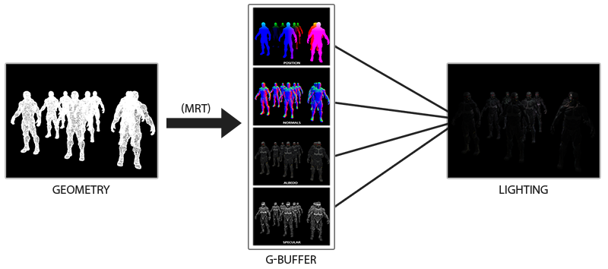
G缓冲 | G缓冲(G-buffer)是对所有用来储存光照相关的数据，并在最后的光照处理阶段中使用的所有纹理的总称。 正向渲染中照亮一个片段所需要的数据： 一个3D位置向量来计算(插值)片段位置变量供lightDir和viewDir使用 一个RGB漫反射颜色向量，也就是反照率(Albedo) 一个3D法向量来判断平面的斜率 一个镜面强度(Specular Intensity)浮点值 所有光源的位置和颜色向量 观察者的位置向量 有了这些(逐片段)变量的处置权，我们就能够计算我们很熟悉的(布林-)风氏光照(Blinn-Phong Lighting)了。光源的位置，颜色，和观察者的观察位置可以通过uniform变量来设置，但是其它变量对于每个对象的片段都是不同的。如果我们能以某种方式传输完全相同的数据到最终的延迟光照处理阶段中，我们就能计算与之前相同的光照效果了，尽管我们只是在渲染一个2D方形的片段。 | 对于每一个片段我们需要储存的数据有：一个位置向量、一个法向量，一个颜色向量，一个镜面强度值。所以我们在几何处理阶段中需要渲染场景中所有的对象并储存这些数据分量到G缓冲中。我们可以使用多渲染目标(Multiple Render Targets)来在一个渲染处理之内渲染多个颜色缓冲。 对于几何渲染处理阶段，我们首先需要初始化一个帧缓冲对象，我们很直观的称它为gBuffer，它包含了多个颜色缓冲和一个单独的深度渲染缓冲对象(Depth Renderbuffer Object)。 对于位置和法向量的纹理，我们希望使用高精度的纹理(每分量16或32位的浮点数)，而对于反照率和镜面值，使用默认的纹理(每分量8位浮点数)就够了 由于我们使用了多渲染目标，我们需要显式告诉OpenGL我们需要使用glDrawBuffers渲染的是和GBuffer关联的哪个颜色缓冲。同样需要注意的是，我们使用RGB纹理来储存位置和法线的数据，因为每个对象只有三个分量；但是我们将颜色和镜面强度数据合并到一起，存储到一个单独的RGBA纹理里面，这样我们就不需要声明一个额外的颜色缓冲纹理了。随着你的延迟渲染管线变得越来越复杂，需要更多的数据的时候，你就会很快发现新的方式来组合数据到一个单独的纹理当中。 因为我们使用了多渲染目标，这个布局指示符(Layout Specifier)告诉了OpenGL我们需要渲染到当前的活跃帧缓冲中的哪一个颜色缓冲。注意我们并没有储存镜面强度到一个单独的颜色缓冲纹理中，因为我们可以储存它单独的浮点值到其它颜色缓冲纹理的alpha分量中。 | 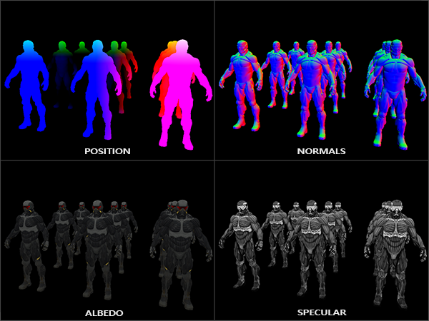
延迟光照处理阶段 | 我们已经有了一大堆的片段数据储存在G缓冲中供我们处置，我们可以选择通过一个像素一个像素地遍历各个G缓冲纹理，并将储存在它们里面的内容作为光照算法的输入，来完全计算场景最终的光照颜色。由于所有的G缓冲纹理都代表的是最终变换的片段值，我们只需要对每一个像素执行一次昂贵的光照运算就行了。这使得延迟光照非常高效，特别是在需要调用大量重型片段着色器的复杂场景中。 对于这个光照处理阶段，我们将会渲染一个2D全屏的方形(有一点像后期处理效果)并且在每个像素上运行一个昂贵的光照片段着色器。 我们在渲染之前绑定了G缓冲中所有相关的纹理，并且发送光照相关的uniform变量到着色器中。 光照处理阶段的片段着色器和我们之前一直在用的光照教程着色器是非常相似的，除了我们添加了一个新的方法，从而使我们能够获取光照的输入变量，当然这些变量我们会从G缓冲中直接采样。 | 光照处理阶段着色器接受三个uniform纹理，代表G缓冲，它们包含了我们在几何处理阶段储存的所有数据。在片段着色器的一开始，我们通过一个简单的纹理查找从G缓冲纹理中获取了光照相关的变量。 因为我们现在已经有了必要的逐片段变量(和相关的uniform变量)来计算布林-风氏光照(Blinn-Phong Lighting)，我们不需要对光照代码做任何修改了。我们在延迟着色法中唯一需要改的就是获取光照输入变量的方法。 | 延迟着色法的其中一个缺点就是它不能进行混合(Blending)，因为G缓冲中所有的数据都是从一个单独的片段中来的，而混合需要对多个片段的组合进行操作。延迟着色法另外一个缺点就是它迫使你对大部分场景的光照使用相同的光照算法，你可以通过包含更多关于材质的数据到G缓冲中来减轻这一缺点。 为了克服这些缺点(特别是混合)，我们通常分割我们的渲染器为两个部分：一个是延迟渲染的部分，另一个是专门为了混合或者其他不适合延迟渲染管线的着色器效果而设计的的正向渲染的部分。为了展示这是如何工作的，我们将会使用正向渲染器渲染光源为一个小立方体，因为光照立方体会需要一个特殊的着色器(会输出一个光照颜色)。
 | Volcano/Renderer/RendererItem/FullQuad.h #pragma once #include "glm/glm.hpp" #include "Volcano/Renderer/VertexArray.h" namespace Volcano { struct FullQuadVertex { glm::vec3 Position; glm::vec2 TexCoord; }; class FullQuad { public: static void Init(); static void DrawIndexed(); private: FullQuad(); static Ref<VertexArray> m_VertexArray; }; } | Volcano/Renderer/RendererItem/FullQuad.cpp #include "volpch.h" #include "FullQuad.h" #include "glm/glm.hpp" #include "Volcano/Renderer/Renderer.h" #include "Volcano/Renderer/Buffer.h" namespace Volcano { Ref<VertexArray> FullQuad::m_VertexArray; void FullQuad::Init() { float vertices[] = { -1.0, -1.0, 0.0f, 0.0f, 0.0f, 1.0, -1.0, 0.0f, 1.0f, 0.0f, 1.0, 1.0, 0.0f, 1.0f, 1.0f, -1.0, 1.0, 0.0f, 0.0f, 1.0f }; m_VertexArray = VertexArray::Create(); Ref<VertexBuffer> vertexBuffer = VertexBuffer::Create(vertices, sizeof(vertices)); vertexBuffer->SetLayout({ { ShaderDataType::Float3, "a_Position" }, { ShaderDataType::Float2, "a_TexCoord" } }); m_VertexArray->AddVertexBuffer(vertexBuffer); uint32_t indices[] = { 0, 1, 2, 2, 3 ,0 }; Ref<IndexBuffer> indexBuffer = IndexBuffer::Create(indices, sizeof(indices) / sizeof(uint32_t));; m_VertexArray->SetIndexBuffer(indexBuffer); } void FullQuad::DrawIndexed() { Renderer::DrawIndexed(m_VertexArray, m_VertexArray->GetIndexBuffer()->GetCount()); } } | 所有3D网格(Mesh)的Flush()函数 // m_Shader->Bind();
 | 修改摄像头Uniform函数 Volcano/Renderer/Renderer2D.cpp 移除void Renderer2D::BeginScene(const EditorCamera& camera) void Renderer2D::BeginScene(const Camera& camera, const glm::mat4& transform) { s_CameraProjectionBuffer.ViewProjection = camera.GetProjection() * glm::inverse(transform); s_CameraProjectionBuffer.Near = camera.GetNearClip(); s_CameraProjectionBuffer.Far = camera.GetFarClip(); UniformBufferManager::GetUniformBuffer("CameraViewProjection")->SetData(&s_CameraProjectionBuffer.ViewProjection, 4 * 4 * sizeof(float)); UniformBufferManager::GetUniformBuffer("CameraViewProjection")->SetData(&s_CameraProjectionBuffer.Near, sizeof(float), 4 * 4 * sizeof(float)); UniformBufferManager::GetUniformBuffer("CameraViewProjection")->SetData(&s_CameraProjectionBuffer.Far, sizeof(float), (4 * 4 + 1) * sizeof(float)); StartBatch(); } Volcano/Renderer/Renderer3D.cpp 移除void Renderer3D::BeginScene(const EditorCamera& camera) void Renderer3D::BeginScene(const Camera& camera, const glm::mat4& transform) { s_CameraProjectionBuffer.ViewProjection = camera.GetProjection() * glm::inverse(transform); s_CameraProjectionBuffer.Near = camera.GetNearClip(); s_CameraProjectionBuffer.Far = camera.GetFarClip(); UniformBufferManager::GetUniformBuffer("CameraViewProjection")->SetData(&s_CameraProjectionBuffer.ViewProjection, 4 * 4 * sizeof(float)); UniformBufferManager::GetUniformBuffer("CameraViewProjection")->SetData(&s_CameraProjectionBuffer.Near, sizeof(float), 4 * 4 * sizeof(float)); UniformBufferManager::GetUniformBuffer("CameraViewProjection")->SetData(&s_CameraProjectionBuffer.Far, sizeof(float), (4 * 4 + 1) * sizeof(float)); float Shininess = 32.0f; UniformBufferManager::GetUniformBuffer("Material")->SetData(&Shininess, sizeof(float)); StartBatch(); } Volcano/Scene/Scene.cpp void Scene::UpdateCameraData(Camera& camera, glm::mat4 transform, glm::vec3 position) { s_CameraProjectionBuffer.ViewProjection = camera.GetProjec | Volcano/Scene/Scene.cpp 注意： RenderScene中加入了 BindTextures(meshRendererComp.textures); BindShader(m_RenderType); 并将3D网格的Draw从UpdateScene移到了RenderScene 将Flush改成了NextBatch 将Renderer3D::EndScene();注释掉了 void Scene::UpdateScene(Camera& camera, const glm::mat4& transform, const glm::vec3& position, const glm::vec3& rotation) { UpdateCameraData(camera, transform, position); // Update Skybox auto skyboxEntity = GetPrimarySkyboxEntity(); if (skyboxEntity != nullptr) Skybox::SetTexture(skyboxEntity->GetComponent<SkyboxComponent>().texture); Renderer2D::BeginScene(camera, transform); Renderer3D::BeginScene(camera, transform); // Update Mesh { auto view = m_Registry.view<TransformComponent, MeshComponent, MeshRendererComponent>(); std::vector<glm::mat4> finalBoneMatrices; for (auto [entity, transformComp, meshComp, meshRendererComp] : view.each()) { Ref<Entity> entityRef = m_EntityEnttMap[entity]; glm::mat4 worldTransform = entityRef->GetWorldTransform(); if (entityRef->GetActive() && meshComp.enabled && meshRendererComp.enabled) { switch (meshComp.meshType) { case MeshType::None: break; case MeshType::Quad: { Ref<Texture2D> texture; if (meshRendererComp.textures.size() != 0 && meshRendererComp.textures[0].second.key != "") { auto& texParam = meshRendererComp.textures[0].second; texture = Texture::GetTextureLibrary()->Get(texParam.key, texParam.flip, texParam.textureFormat); } if (texture != nullptr) Renderer2D::DrawQuad(worldTransform, texture, meshRendererComp.tilingFactor, meshRendererComp.color, (int)entity); else Renderer2D::DrawQuad(worldTransform, meshRendererComp.color, (int)entity); break; } case MeshType::Circle: Renderer2D::DrawCircle(worldTransform, meshRendererComp.color, meshRendererComp.thickness, meshRendererComp.fade, (int)entity); break; case MeshType::Plane: break; | 注意textureID改用GetDeferredShadingFramebuffer()了 void VolcanoEditorLayer::OnImGuiRender() { ... ImGui::Begin("ViewportTemp"); { uint32_t textureID = 0; static int viewportTempIndex; const char* frameBuffers[] = { "None", "DirectionalLightShadow", "PointLightShadow", "SpotLightShadow", "GBufferPositionAndDepth", "GBufferAlbedo", "GBufferNormal", "GBufferRoughnessAndAO", "SSAO", "SSAOBlur", "DefferedShading", "HDR", "LightShadingAmbient", "LightShadingDiffuse", "LightShadingSpecular", "PBRLightShading" }; ImGui::Combo("FrameBuffer", &viewportTempIndex, frameBuffers, IM_ARRAYSIZE(frameBuffers)); switch (viewportTempIndex) { case 4: textureID = SceneRenderer::GetGBufferFramebuffer()->GetColorAttachmentRendererID(0); break; case 5: textureID = SceneRenderer::GetGBufferFramebuffer()->GetColorAttachmentRendererID(1); break; case 6: textureID = SceneRenderer::GetGBufferFramebuffer()->GetColorAttachmentRendererID(2); break; case 7: textureID = SceneRenderer::GetGBufferFramebuffer()->GetColorAttachmentRendererID(3); break; case 10: textureID = SceneRenderer::GetDeferredShadingFramebuffer()->GetColorAttachmentRendererID(0); break; case 12: textureID = SceneRenderer::GetLightShadingFramebuffer(0)->GetColorAttachmentRendererID(0); break; case 13: textureID = SceneRenderer::GetLightShadingFramebuffer(0)->GetColorAttachmentRendere
 | Volcano/Renderer/SceneRenderer.h class VOL_API SceneRenderer { public: static void GBuffer(); static void DeferredShading(); static Ref<Framebuffer> GetGBufferFramebuffer() { return m_GBufferFramebuffer; } static Ref<Framebuffer> GetDeferredShadingFramebuffer() { return m_DeferredShadingFramebuffer; } static Ref<Framebuffer> GetLightShadingFramebuffer(int i) { return m_LightShadingFramebuffer[i]; } private: static Ref<Framebuffer> m_GBufferFramebuffer; static Ref<Framebuffer> m_DeferredShadingFramebuffer; static Ref<Framebuffer> m_LightShadingFramebuffer[2]; } Volcano/Renderer/SceneRenderer.cpp Ref<Framebuffer> SceneRenderer::m_GBufferFramebuffer; Ref<Framebuffer> SceneRenderer::m_DeferredShadingFramebuffer; void SceneRenderer::Init() { // 对应Mesh3D.glsl Volcano::FramebufferSpecification fbSpec; fbSpec.Attachments = { FramebufferTextureFormat::RGBA16F, // 颜色缓冲 FramebufferTextureFormat::RED_INTEGER, // EntityID缓冲 FramebufferTextureFormat::Depth }; fbSpec.Width = 1280; fbSpec.Height = 720; fbSpec.Samples = 1; fbSpec.ColorType = TextureType::TEXTURE_2D; fbSpec.DepthType = TextureType::TEXTURE_2D; m_Framebuffer = Volcano::Framebuffer::Create(fbSpec); fbSpec.Attachments = { FramebufferTextureFormat::RGBA16F, // 位置+深度缓冲，深度范围0.1到50.0 FramebufferTextureFormat::RGBA8, // 颜色+镜面缓冲Albedo FramebufferTextureFormat::RGBA8, // 法线缓冲 FramebufferTextureFormat::RGBA8, // 粗糙度+AO缓冲 FramebufferTextureFormat::RED_INTEGER, // EntityID缓冲 FramebufferTextureFormat::Depth // 深度附件，没有深度附件的话生成的图像没有深度检测 }; fbSpec.Width = 1280; fbSpec.Height = 720; fbSpec.Samples = 1; fbSpec.ColorType = TextureType::TEXTURE_2D; fbSpec.DepthType = TextureType::TEXTURE_2D; m_GBufferFramebuffer = Framebuffer::Create(fbSpec); fbSpec.Attachments = { FramebufferTextureFormat::RGBA16F, // 颜色缓冲 FramebufferTextureFormat::RED_INTEGER, // EntityID缓冲 FramebufferTextureFormat | 只是把pixelData改成了注意textureID改用GetDeferredShadingFramebuffer() bool VolcanoEditorLayer::OnMouseButtonPressed(MouseButtonPressedEvent& e) { Input::Click(e.GetMouseButton()); if (e.GetMouseButton() == Mouse::ButtonLeft) { // 鼠标悬浮，没按Alt if (m_ViewportHovered && !ImGuizmo::IsOver() && !Input::IsKeyPressed(Key::LeftAlt)) { auto [mx, my] = ImGui::GetMousePos(); // 鼠标绝对位置减去窗口的左上角绝对位置=鼠标相对于窗口左上角的位置 mx -= m_ViewportBounds[0].x; my -= m_ViewportBounds[0].y; // 窗口的右下角绝对位置-左上角的绝对位置=窗口的大小 glm::vec2 viewportSize = m_ViewportBounds[1] - m_ViewportBounds[0]; // 翻转y,使其左下角开始才是(0,0) my = viewportSize.y - my; int mouseX = (int)mx; int mouseY = (int)my; // 判定鼠标悬浮的实体entity，用于设置点击鼠标时选中的实体entity if (mouseX >= 0 && mouseY >= 0 && mouseX < viewportSize.x && mouseY < viewportSize.y) { // 读取帧缓冲第二个缓冲区的数据 int pixelData = SceneRenderer::GetDeferredShadingFramebuffer()->ReadPixelInt(1, mouseX, mouseY); // TODO：若shader中没有输出EntityID，则这里会设置一个有错误ID的Entity并且无法读取会报错 //VOL_TRACE(pixelData); auto entityTemp = m_ActiveScene->GetEntityEnttMap().find((entt::entity)pixelData); if (entityTemp != m_ActiveScene->GetEntityEnttMap().end()) m_SceneHierarchyPanel.SetSelectedEntity(entityTemp->second); else m_SceneHierarchyPanel.SetSelectedEntity(nullptr); } } } return false; } | 改用延迟渲染 void VolcanoEditorLayer::OnUpdate() { PROFILE_SCOPE("VolcanoEditorLayer::OnUpdate"); if (!m_ProjectLoaded) return; m_EditorScene->OnViewportResize((uint32_t)m_ViewportSize.x, (uint32_t)m_ViewportSize.y); if (m_SceneState == SceneState::Play) m_ActiveScene->OnViewportResize((uint32_t)m_ViewportSize.x, (uint32_t)m_ViewportSize.y); Ref<Volcano::Framebuffer> framebuffer = SceneRenderer::GetDeferredShadingFramebuffer(); //Resize FramebufferSpecification spec = framebuffer->GetSpecification(); if (m_ViewportSize.x > 0.0f && m_ViewportSize.y > 0.0f && // zero sized Framebuffer is invalid (spec.Width != m_ViewportSize.x || spec.Height != m_ViewportSize.y)) { // 将视图的尺寸同步到帧缓冲尺寸 framebuffer->Resize((uint32_t)m_ViewportSize.x, (uint32_t)m_ViewportSize.y); m_EditorCamera.SetViewportSize(m_ViewportSize.x, m_ViewportSize.y); } // 重置渲染计数 Renderer2D::ResetStats(); Renderer3D::ResetStats(); // 场景更新 switch (m_SceneState) { case SceneState::Edit: m_EditorCamera.OnUpdate(); m_ActiveScene->OnUpdateEditor(m_EditorCamera); break; case SceneState::Simulate: m_EditorCamera.OnUpdate(); m_ActiveScene->OnUpdateSimulation(m_EditorCamera); break; case SceneState::Play: m_ActiveScene->OnUpdateRuntime(); break; } Renderer::SetClearColor(0.0f, 0.0f, 0.0f, 0.0f); Renderer::Clear(); //============================================SceneRender============================================= SceneRenderer::BeginScene(m_ActiveScene, m_SceneState, m_EditorCamera); SceneRenderer::GBuffer(); SceneRenderer::DeferredShading(); SceneRenderer::EndScene(); framebuffer->Bind(); OnOverlayRende
 | Volcano/Renderer/Texture.cpp // ==================================TextureLibrary================================================= static std::string GenerateKey(const std::string& key, bool flip, TextureFormat internalFormat) { return key + "_" + std::to_string(flip) + "_" + std::to_string((int)internalFormat); } TextureLibrary::TextureLibrary() { Ref<Texture2D> whiteTexture = Texture2D::Create(1, 1); uint32_t whiteTextureData = 0xffffffff; whiteTexture->SetData(&whiteTextureData, sizeof(uint32_t)); Add(GenerateKey("White", true, TextureFormat::None), whiteTexture); Add(GenerateKey("White", true, TextureFormat::RG), whiteTexture); Add(GenerateKey("White", true, TextureFormat::RG16F), whiteTexture); Add(GenerateKey("White", true, TextureFormat::RGB), whiteTexture); Add(GenerateKey("White", true, TextureFormat::RGB16F), whiteTexture); Add(GenerateKey("White", true, TextureFormat::RGBA), whiteTexture); Add(GenerateKey("White", true, TextureFormat::RGBA16F), whiteTexture); Add(GenerateKey("White", true, TextureFormat::RGBA8), whiteTexture); Add(GenerateKey("White", false, TextureFormat::None), whiteTexture); Add(GenerateKey("White", false, TextureFormat::RG), whiteTexture); Add(GenerateKey("White", false, TextureFormat::RG16F), whiteTexture); Add(GenerateKey("White", false, TextureFormat::RGB), whiteTexture); Add(GenerateKey("White", false, TextureFormat::RGB16F), whiteTexture); Add(GenerateKey("White", false, TextureFormat::RGBA), whiteTexture); Add(GenerateKey("White", false, TextureFormat::RGBA16F), whiteTexture); Add(GenerateKey("White", false, TextureFormat::RGBA8), whiteTexture); Ref<Texture2D> blackTexture = Texture2D::Create(1, 1); uint32_t blackTextureData = 0x00000000; blackTexture->SetData(&blackTextureData, sizeof(uint32_t)); Add(GenerateKey("Black", true, TextureFormat::None), blackTexture) | Volcano/Renderer/RendererItem/Mesh.h class Mesh { public: ... static Ref<Texture2D> GetWhiteTexture(); static Ref<Texture2D> GetBlackTexture(); ... } Volcano/Renderer/RendererItem/Mesh.cpp static Ref<Texture2D> s_WhiteTexture; static Ref<Texture2D> s_BlackTexture; void Mesh::Init() { s_WhiteTexture = Texture::GetTextureLibrary()->Get("White"); s_BlackTexture = Texture::GetTextureLibrary()->Get("Black"); } Ref<Texture2D> Mesh::GetWhiteTexture() { return s_WhiteTexture; } Ref<Texture2D> Mesh::GetBlackTexture() { return s_BlackTexture; } | 将完全相同3D网格的glsl统一为Mesh3D.glsl，然后修改Mesh3D.glsl添加光照 修改后的Mesh3D.glsl是原Mesh3D.glsl中混合了GBuffer.glsl、LightShading.glsl和DeferredShading.glsl，相当于三合一和glsl #type vertex #version 450 core layout(location = 0) in vec3 a_Position; layout(location = 1) in vec4 a_Color; layout(location = 2) in vec2 a_TexCoord; layout(location = 3) in vec3 a_Normal; layout(location = 4) in vec3 a_Tangent; layout(location = 5) in vec3 a_Bitangent; layout(location = 6) in float a_TilingFactor; layout(location = 7) in int a_EntityID; layout(std140, binding = 0) uniform Camera { // projection * view mat4 u_ViewProjection; float u_Near; float u_Far; }; struct VertexOutput { vec3 Position; vec4 Color; vec2 TexCoord; vec3 Normal; float TilingFactor; mat3 TBN; }; layout (location = 0) out flat int v_EntityID; layout (location = 1) out float v_Near; layout (location = 2) out float v_Far; layout (location = 3) out VertexOutput Output; void main() { vec3 T = normalize(a_Tangent); vec3 N = normalize(a_Normal); vec3 B = normalize(a_Bitangent); mat3 TBN = mat3(T, B, N); v_EntityID = a_EntityID; v_Near = u_Near; v_Far = u_Far; Output.Position = a_Position; Output.Color = a_Color; Output.TexCoord = a_TexCoord; Output.Normal = a_Normal; Output.TilingFactor = a_TilingFactor; Output.TBN = TBN; gl_Position = u_ViewProjection * vec4(a_Position, 1.0); } #type fragment #version 450 core layout(location = 0) out vec4 o_Color; layout(location = 1) out int o_EntityID; struct VertexOutput { vec3 Position; vec4 Color; vec2 TexCoord; vec3 Normal; float TilingFactor; mat3 TBN; }; layout (location = 0) in flat int v_EntityID; layout (location = 1) in float v_Near; layout (location = 2) in float v_Far; layout (location = 3) in VertexOutput Input; layout (binding = 0) uniform sampler2D u_Diffuse; // 漫反射 layout (binding = 1) uniform sampler2D u_Specular; // 镜面反射 layout (binding = 2) u
 | GBuffer.glsl /* 用于 延迟渲染（Deferred Rendering） 管线的 GBuffer 生成着色器。 将场景中物体的几何信息（位置、法线、漫反射颜色、粗糙度、AO 等）写入多张渲染目标纹理（MRT），供后续的光照计算阶段使用。 顶点着色器：构造 TBN 矩阵，输出世界空间位置和法线。 片段着色器：采样纹理（漫反射、法线、视差、粗糙度、AO），执行视差映射，将最终数据写入 GBuffer。 */ #type vertex #version 450 core layout(location = 0) in vec3 a_Position; layout(location = 1) in vec4 a_Color; layout(location = 2) in vec2 a_TexCoord; layout(location = 3) in vec3 a_Normal; layout(location = 4) in vec3 a_Tangent; layout(location = 5) in vec3 a_Bitangent; layout(location = 6) in float a_TilingFactor; layout(location = 7) in int a_EntityID; layout(std140, binding = 0) uniform Camera { // projection * view mat4 u_ViewProjection; float u_Near; float u_Far; }; struct VertexOutput { vec3 Position; vec4 Color; vec2 TexCoord; vec3 Normal; float TilingFactor; mat3 TBN; }; layout (location = 0) out flat int v_EntityID; layout (location = 1) out float v_Near; layout (location = 2) out float v_Far; layout (location = 3) out VertexOutput Output; void main() { vec3 T = normalize(a_Tangent); vec3 N = normalize(a_Normal); vec3 B = normalize(a_Bitangent); mat3 TBN = mat3(T, B, N); v_EntityID = a_EntityID; v_Near = u_Near; v_Far = u_Far; Output.Position = a_Position; Output.Color = a_Color; Output.TexCoord = a_TexCoord; Output.Normal = N; Output.TilingFactor = a_TilingFactor; Output.TBN = TBN; gl_Position = u_ViewProjection * vec4(a_Position, 1.0); } #type fragment #version 450 core layout (location = 0) out vec4 g_PositionAndDepth; layout (location = 1) out vec4 g_Albedo; layout (location = 2) out vec4 g_Normal; layout (location = 3) out vec4 g_RoughnessAndAO; layout (location = 4) out int g_EntityID; struct VertexOutput { vec3 Position; vec4 Color; vec2 TexCoord; vec3 Normal; float TilingFactor; mat3 TBN; }; layout (location = 0) in flat int v_EntityID; layout (location = 1) in float v_Nea | LightShading.glsl #type vertex #version 450 core layout(location = 0) in vec3 a_Position; layout(location = 1) in vec2 a_TexCoord; struct VertexOutput { vec2 TexCoord; }; layout (location = 0) out VertexOutput Output; void main() { Output.TexCoord = a_TexCoord; gl_Position = vec4(a_Position, 1.0); } #type fragment #version 450 core layout (location = 0) out vec4 o_Ambient; // 环境光 layout (location = 1) out vec4 o_Diffuse; // 漫反射 layout (location = 2) out vec4 o_Specular; // 镜面反射 struct VertexOutput { vec2 TexCoord; }; layout (location = 0) in VertexOutput Input; layout (binding = 0) uniform sampler2D g_PositionAndDepth; layout (binding = 1) uniform sampler2D g_Albedo; layout (binding = 2) uniform sampler2D g_Normal; layout (binding = 3) uniform sampler2D u_Ambient; layout (binding = 4) uniform sampler2D u_Diffuse; layout (binding = 5) uniform sampler2D u_Specular; layout(std140, binding = 1) uniform CameraPosition { vec3 u_CameraPosition; }; struct DirectionalLightData { vec3 Position; vec3 Direction; vec3 Ambient; vec3 Diffuse; vec3 Specular; bool Enable; }; layout (std140, binding = 2) uniform DirectionalLight { DirectionalLightData u_DirectionalLight; }; struct PointLightData { vec3 Position; vec3 Ambient; vec3 Diffuse; vec3 Specular; float Constant; float Linear; float Quadratic; bool Enable; }; layout (std140, binding = 3) uniform PointLight { PointLightData u_PointLight; }; struct SpotLightData { vec3 Position; vec3 Direction; vec3 Ambient; vec3 Diffuse; vec3 Specular; float Constant; float Linear; float Quadratic; float CutOff; float OuterCutOff; bool Enable; }; layout (std140, binding = 4) uniform SpotLight { SpotLightData u_SpotLight; }; layout (std140, binding = 5) uniform Material { float u_MaterialShininess; }; void main() { vec3 fragPosition = texture(g_PositionAndDepth, Input.TexCoord).rgb; float depth = texture(g_PositionAndDepth, Input.TexCo | DeferredShading.glsl #type vertex #version 450 core layout(location = 0) in vec3 a_Position; layout(location = 1) in vec2 a_TexCoord; struct VertexOutput { vec2 TexCoord; }; layout (location = 0) out VertexOutput Output; void main() { Output.TexCoord = a_TexCoord; gl_Position = vec4(a_Position, 1.0); } #type fragment #version 450 core layout (location = 0) out vec4 o_FragColor; layout (location = 1) out int o_EntityID; layout (location = 2) out vec4 o_BrightColor; struct VertexOutput { vec2 TexCoord; }; layout (location = 0) in VertexOutput Input; layout (binding = 0) uniform sampler2D g_PositionAndDepth; layout (binding = 1) uniform sampler2D g_Albedo; layout (binding = 2) uniform sampler2D g_Normal; layout (binding = 3) uniform isampler2D g_EntityID; layout (binding = 5) uniform sampler2D u_Ambient; layout (binding = 6) uniform sampler2D u_Diffuse; layout (binding = 7) uniform sampler2D u_Specular; void main() { vec3 fragPosition = texture(g_PositionAndDepth, Input.TexCoord).rgb; float depth = texture(g_PositionAndDepth, Input.TexCoord).a; vec3 materialDiffuse = texture(g_Albedo, Input.TexCoord).rgb; float materialSpecular = texture(g_Albedo, Input.TexCoord).a; vec3 materialNormal = texture(g_Normal, Input.TexCoord).rgb; // [0, 1] vec3 Ambient = texture(u_Ambient, Input.TexCoord).rgb; vec3 Diffuse = texture(u_Diffuse, Input.TexCoord).rgb; vec3 Specular = texture(u_Specular, Input.TexCoord).rgb; if(fragPosition == vec3(0.0)) discard; Ambient *= materialDiffuse; Diffuse *= materialDiffuse; Specular *= materialSpecular; vec3 lighting = Ambient + Diffuse + Specular; o_FragColor = vec4(lighting, 1.0); o_EntityID = texture(g_EntityID, Input.TexCoord).r; // 检查片段输出是否高于阈值，如果是，则作为亮度颜色o_BrightColor输出 float brightness = dot(o_FragColor.rgb, vec3(0.2126, 0.7152, 0.0722));//转换为灰度来计算片段的亮度 if(brightness > 1.0) o_BrightColor = o_FragColor;
光照组件 | struct LightComponent { // 方向光，点光源，聚光灯 enum class LightType { DirectionalLight, PointLight, SpotLight }; LightType Type = LightType::DirectionalLight; glm::vec3 Ambient = glm::vec3(0.1f); // 环境光 glm::vec3 Diffuse = glm::vec3(0.5f); // 漫反射，主光颜色与强度 glm::vec3 Specular = glm::vec3(1.0f); // 高光，镜面反射强度 // 衰减系数 (Attenuation) ，衰减 = 1.0 / (Constant + Linear * distance + Quadratic * distance²) float Constant = 1.0f; // 常数项 float Linear = 0.09f; // 一次项 float Quadratic = 0.032f; // 二次项 float CutOff = glm::cos(glm::radians(12.5f)); // 聚光灯角度余弦值 float OuterCutOff = glm::cos(glm::radians(17.5f)); bool enabled = true; LightComponent() = default; LightComponent(const LightComponent&) = default; }; // (except IDComponent and TagComponent) using AllComponents = ComponentGroup< TransformComponent, CameraComponent, LightComponent, SpriteRendererComponent, CircleRendererComponent, MeshComponent, MeshRendererComponent, SkyboxComponent, ParticleSystemComponent, ScriptComponent, Rigidbody2DComponent, BoxCollider2DComponent, CircleCollider2DComponent>; | Volcano/Scene/SceneOnComponentAdded.h template<> VOL_API void Scene::OnComponentAdded<LightComponent>(Entity& entity, LightComponent& component); Volcano/Scene/SceneOnComponentAdded.cpp template<> VOL_API void Scene::OnComponentAdded<LightComponent>(Entity& entity, LightComponent& component) { } SceneHierarchyPanelDrawComponents.cpp void SceneHierarchyPanel::DrawComponents(Ref<Entity> entity) { ... Utils::DrawComponent<LightComponent>("Light", entity, [this](LightComponent& component) { DrawLightComponent(component);}); ... DisplayAddComponentEntry<LightComponent>("Light"); ... } SceneHierarchyPanelDrawLightComponent.cpp #include "SceneHierarchyPanel.h" namespace Volcano { void SceneHierarchyPanel::DrawLightComponent(LightComponent& component) { ImGui::Checkbox("Enable", &component.enabled); ImGui::Columns(2); ImGui::SetColumnWidth(0, 100.0f); ImGui::Text("LightType"); ImGui::NextColumn(); const char* lightTypeStrings[] = { "DirectionalLight", "PointLight", "SpotLight" }; const char* currentLightTypeString = lightTypeStrings[(int)component.Type]; if (ImGui::BeginCombo("##LightType", currentLightTypeString)) { for (int i = 0; i < 3; i++) { bool isSelected = currentLightTypeString == lightTypeStrings[i]; if (ImGui::Selectable(lightTypeStrings[i], isSelected)) { if (!isSelected) { currentLightTypeString = lightTypeStrings[i]; component.Type = (LightComponent::LightType)i; } } if (isSelected) ImGui::SetItemDefaultFocus(); } ImGui::EndCombo(); } ImGui::Columns(1); if (component.Type == LightComponent::LightType::DirectionalLight) { DrawVec3Control("Ambient", component.Ambient, 0.1f); DrawVec3Control("Diffuse", component.Diffuse, 0.5f); DrawVec3Control("Specular", component.Specular, 1.0f); } if (component.Type == LightComponent::LightType::PointLight) { DrawVec3Control("Ambient", component.Ambient, 0. | Panel/SceneHierarchyPanelDrawVec3Control.h #pragma once #include "imgui/imgui.h" #include "imgui/imgui_internal.h" namespace Volcano { template<typename Func> inline void SceneHierarchyPanel::DrawVec3Control(const std::string& label, glm::vec3& values, float resetValue, float columnWidth, Func&& func) { ImGuiIO& io = ImGui::GetIO(); auto boldFont = io.Fonts->Fonts[0]; ImGui::PushID(label.c_str()); ImGui::Columns(2); ImGui::SetColumnWidth(0, columnWidth); ImGui::Text(label.c_str()); ImGui::NextColumn(); ImGui::PushMultiItemsWidths(3, ImGui::CalcItemWidth()); ImGui::PushStyleVar(ImGuiStyleVar_ItemSpacing, ImVec2{ 0, 0 }); //计算行高 //float lineHeight = GImGui->Font->FontSize + GImGui->Style.FramePadding.y * 2.0f; float lineHeight = ImGui::GetFontSize() + ImGui::GetCurrentContext()->Style.FramePadding.y * 2.0f; ImVec2 buttonSize = { lineHeight + 3.0f, lineHeight }; ImGui::PushStyleColor(ImGuiCol_Button, ImVec4{ 0.8f, 0.1f, 0.15f, 1.0f }); ImGui::PushStyleColor(ImGuiCol_ButtonHovered, ImVec4{ 0.9f, 0.2f, 0.2f, 1.0f }); ImGui::PushStyleColor(ImGuiCol_ButtonActive, ImVec4{ 0.8f, 0.1f, 0.15f, 1.0f }); ImGui::PushFont(boldFont); if (ImGui::Button("X", buttonSize)) values.x = resetValue; ImGui::PopFont(); ImGui::PopStyleColor(3); ImGui::SameLine(); if (ImGui::DragFloat("##X", &values.x, 0.1f, 0.0f, 0.0f, "%.2f")) { if constexpr (!std::is_same_v<std::decay_t<Func>, std::nullptr_t>) { // 如果 func 不是 nullptr，则调用它 std::forward<Func>(func)(); } } ImGui::PopItemWidth(); ImGui::SameLine(); ImGui::PushStyleColor(ImGuiCol_Button, ImVec4{ 0.2f, 0.7f, 0.3f, 1.0f }); ImGui::PushStyleColor(ImGuiCol_ButtonHovered, ImVec4{ 0.3f, 0.8f, 0.3f, 1.0f }); ImGui::PushStyleColor(ImGuiCol_ButtonActive, ImVec4{ 0.2f, 0.7f, 0.2f, 1.0f }); ImGui::PushFont(boldFont); if (ImGui::Button("Y", buttonSize)) values.y = resetValue; ImGui::PopFont(); ImGui::PopStyleColor(3); ImGui::SameLine(); if (ImGui::Dra
 | Volcano/Scene/SceneUpdateLight.h class VOL_API Scene { public: Ref<Entity> GetDirectionalLightEntity(); std::vector<Ref<Entity>> GetPointLightEntities(); std::vector<Ref<Entity>> GetSpotLightEntities(); // 更新光源的Uniform，index为光源的索引 // 每次调用更新方向光、点光源、聚光灯各一个，没有光源或光源数小于索引的光源将对应光源的Uniform设置为默认值 void UpdateLight(uint32_t i = 0); } Volcano/Scene/SceneUpdateLight.cpp #include "volpch.h" #include "Scene.h" #include "Volcano/Scene/Entity.h" #include "Volcano/Renderer/Light.h" #include "Volcano/Renderer/UniformBuffer.h" namespace Volcano { Ref<Entity> Scene::GetDirectionalLightEntity() { // 获取光源 auto view = m_Registry.view<LightComponent>(); for (auto entity : view) { if (m_EntityEnttMap[entity]->GetActive()) { auto& lightComponent = view.get<LightComponent>(entity); if (lightComponent.enabled && lightComponent.Type == LightComponent::LightType::DirectionalLight) return m_EntityEnttMap[entity]; } } return {}; } std::vector<Ref<Entity>> Scene::GetPointLightEntities() { std::vector<Ref<Entity>> pointLights; auto view = m_Registry.view<LightComponent>(); for (auto entity : view) { if (m_EntityEnttMap[entity]->GetActive()) { auto& lightComponent = view.get<LightComponent>(entity); if (lightComponent.enabled && lightComponent.Type == LightComponent::LightType::PointLight) pointLights.push_back(m_EntityEnttMap[entity]);// entt是从后往前遍历，得到的vector是倒序的 } } return pointLights; } std::vector<Ref<Entity>> Scene::GetSpotLightEntities() { std::vector<Ref<Entity>> spotLights; auto view = m_Registry.view<LightComponent>(); for (auto entity : view) { if (m_EntityEnttMap[entity]->GetActive()) { auto& lightComponent = view.get<LightComponent>(entity); if (lightComponent.enabled && lightComponent.Type == LightComponent::LightType::SpotLight) spotLights.push_back(m_EntityEnttMap[entity]); } } return spotLights; } void Scene::UpdateLight(uint32_t index) | Volcano/Renderer/Light.h #pragma once #include "Volcano/Core/Core.h" #include "glm/glm.hpp" namespace Volcano { // 定向光（平行光） struct DirectionalLight { glm::vec3 position; glm::vec3 direction; glm::vec3 ambient; glm::vec3 diffuse; glm::vec3 specular; }; static DirectionalLight s_DirectionalLightBuffer; // 点光源 struct PointLight { glm::vec3 position; glm::vec3 ambient; glm::vec3 diffuse; glm::vec3 specular; float constant; float linear; float quadratic; }; static PointLight s_PointLightBuffer; // 聚光(手电筒Flashlight) struct SpotLight { glm::vec3 position; glm::vec3 direction; glm::vec3 ambient; glm::vec3 diffuse; glm::vec3 specular; float constant; float linear; float quadratic; float cutOff; float outerCutOff; }; static SpotLight s_SpotLightBuffer; }
颜色 | 我们在现实生活中看到某一物体的颜色并不是这个物体真正拥有的颜色，而是它所反射的(Reflected)颜色。换句话说，那些不能被物体所吸收(Absorb)的颜色（被拒绝的颜色）就是我们能够感知到的物体的颜色。例如，太阳光能被看见的白光其实是由许多不同的颜色组合而成的（如下图所示）。如果我们将白光照在一个蓝色的玩具上，这个蓝色的玩具会吸收白光中除了蓝色以外的所有子颜色，不被吸收的蓝色光被反射到我们的眼中，让这个玩具看起来是蓝色的。下图显示的是一个珊瑚红的玩具，它以不同强度反射了多个颜色。 | 当我们在OpenGL中创建一个光源时，我们希望给光源一个颜色。图片中我们有一个白色的太阳，所以我们也将光源设置为白色。当我们把光源的颜色与物体的颜色值相乘，所得到的就是这个物体所反射的颜色（也就是我们所感知到的颜色）： glm::vec3 lightColor(1.0f, 1.0f, 1.0f); glm::vec3 toyColor(1.0f, 0.5f, 0.31f); glm::vec3 result = lightColor * toyColor; // = (1.0f, 0.5f, 0.31f); | 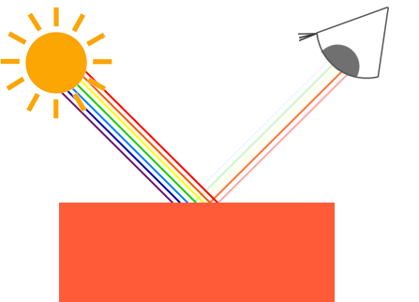
光照 | 风氏光照模型(Phong Lighting Model) 风氏光照模型的主要结构由3个分量组成：环境(Ambient)、漫反射(Diffuse)和镜面(Specular)光照。下面这张图展示了这些光照分量看起来的样子： 环境光照(Ambient Lighting)：即使在黑暗的情况下，世界上通常也仍然有一些光亮（月亮、远处的光），所以物体几乎永远不会是完全黑暗的。为了模拟这个，我们会使用一个环境光照常量，它永远会给物体一些颜色。 漫反射光照(Diffuse Lighting)：模拟光源对物体的方向性影响(Directional Impact)。它是风氏光照模型中视觉上最显著的分量。物体的某一部分越是正对着光源，它就会越亮。 镜面光照(Specular Lighting)：模拟有光泽物体上面出现的亮点。镜面光照的颜色相比于物体的颜色会更倾向于光的颜色。 | 
环境光照 | 光的一个属性是，它可以向很多方向发散并反弹，从而能够到达不是非常直接临近的点。所以，光能够在其它的表面上反射，对一个物体产生间接的影响。考虑到这种情况的算法叫做全局照明(Global Illumination)算法，但是这种算法既开销高昂又极其复杂。 由于我们现在对那种又复杂又开销高昂的算法不是很感兴趣，所以我们将会先使用一个简化的全局照明模型，即环境光照。我们使用一个很小的常量（光照）颜色，添加到物体片段的最终颜色中，这样子的话即便场景中没有直接的光源也能看起来存在有一些发散的光。 把环境光照添加到场景里非常简单。我们用光的颜色乘以一个很小的常量环境因子，再乘以物体的颜色，然后将最终结果作为片段的颜色。 | void main() { vec4 texColor = Input.Color; ... // 光线颜色 vec3 lightColor = vec3(1.0f); // 环境光强度 float ambientStrength = 0.1; // 环境光 vec3 ambient = ambientStrength * lightColor; // 光照结算 vec3 result = ambient * vec3(texColor); o_Color = vec4(result, 1.0); } | 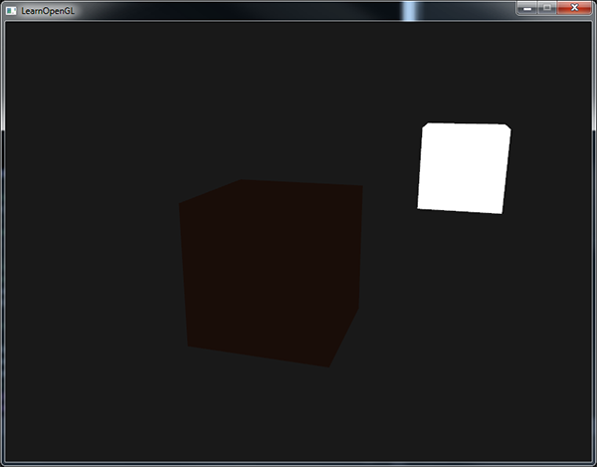
漫反射光照 | 漫反射光照使物体上与光线方向（不是光照射方向）越接近(越垂直)的片段能从光源处获得更多的亮度 图左上方有一个光源，它所发出的光线落在物体的一个片段上。我们需要测量这个光线是以什么角度接触到这个片段的。如果光线垂直于物体表面，这束光对物体的影响会最大化（译注：更亮）。为了测量光线和片段的角度，我们使用一个叫做法向量(Normal Vector)的东西，它是垂直于片段表面的一个向量（这里以黄色箭头表示）， 这两个向量之间的角度能够通过点乘计算出来。 两个单位向量的夹角越小，它们点乘的结果越倾向于1。当两个向量的夹角为90度的时候，点乘会变为0。这同样适用于θ，θ越大，光对片段颜色的影响就应该越小。 注意，为了（只）得到两个向量夹角的余弦值，我们使用的是单位向量（长度为1的向量），所以我们需要确保所有的向量都是标准化的，否则点乘返回的就不仅仅是余弦值了 点乘返回一个标量，我们可以用它计算光线对片段颜色的影响。不同片段朝向光源的方向的不同，这些片段被照亮的情况也不同。 所以，计算漫反射光照需要什么？ 法向量：一个垂直于顶点表面的向量。 定向的光线：作为光源的位置与片段的位置之间向量差的方向向量。为了计算这个光线，我们需要光的位置向量和片段的位置向量。 | 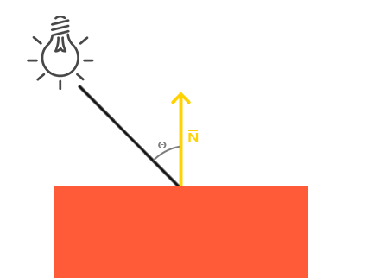 | void main() { vec3 fragPosition = texture(g_PositionAndDepth, Input.TexCoord).rgb; float depth = texture(g_PositionAndDepth, Input.TexCoord).a; vec3 materialDiffuse = texture(g_Albedo, Input.TexCoord).rgb; float materialSpecular = texture(g_Albedo, Input.TexCoord).a; vec3 materialNormal = texture(g_Normal, Input.TexCoord).rgb; vec3 Ambient = texture(u_Ambient, Input.TexCoord).rgb; vec3 Diffuse = texture(u_Diffuse, Input.TexCoord).rgb; vec3 Specular = texture(u_Specular, Input.TexCoord).rgb; if(fragPosition == vec3(0.0)) discard; vec3 ambient = u_DirectionalLight.Ambient * materialDiffuse; vec3 normal = materialNormal * 2.0 - 1.0; vec3 lightDirection = normalize(u_DirectionalLight.Position - fragPosition); // 如果两个向量之间的角度大于90度，点乘的结果就会变成负数，这样会导致漫反射分量变为负数。 // 为此，我们使用max函数返回两个参数之间较大的参数，从而保证漫反射分量不会变成负数。 float diff = max(dot(normal, lightDirection), 0.0); vec3 diffuse = u_DirectionalLight.Diffuse * diff * materialDiffuse; o_Ambient = vec4(ambient, 1.0); o_Diffuse = vec4(diffuse, 1.0); o_Specular = vec4(u_DirectionalLight.Specular, 1.0); }
 | 目前片段着色器里的计算都是在世界空间坐标中进行的。我们应该把法向量也转换为世界空间坐标。但是这不是简单地把它乘以一个模型矩阵就能搞定的。 首先，法向量只是一个方向向量，不能表达空间中的特定位置。同时，法向量没有齐次坐标（顶点位置中的w分量）。这意味着，位移不应该影响到法向量。因此，如果我们打算把法向量乘以一个模型矩阵，我们就要从矩阵中移除位移部分，只选用模型矩阵左上角3×3的矩阵（注意，我们也可以把法向量的w分量设置为0，再乘以4×4矩阵；这同样可以移除位移）。对于法向量，我们只希望对它实施缩放和旋转变换。 其次，如果模型矩阵执行了不等比缩放，顶点的改变会导致法向量不再垂直于表面了。因此，我们不能用这样的模型矩阵来变换法向量。下面的图展示了应用了不等比缩放的模型矩阵对法向量的影响： | 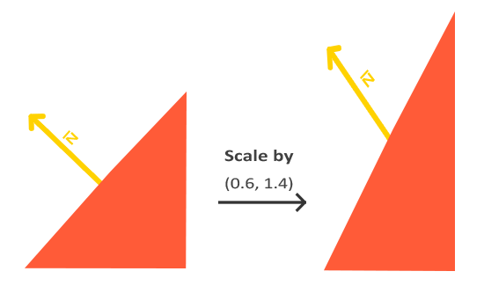 | 每当我们应用一个不等比缩放时（注意：等比缩放不会破坏法线，因为法线的方向没被改变，仅仅改变了法线的长度，而这很容易通过标准化来修复），法向量就不会再垂直于对应的表面了，这样光照就会被破坏。 修复这个行为的诀窍是使用一个为法向量专门定制的模型矩阵。这个矩阵称之为法线矩阵(Normal Matrix)，它使用了一些线性代数的操作来移除对法向量错误缩放的影响。如果你想知道这个矩阵是如何计算出来的，建议去阅读这个文章。 法线矩阵被定义为「模型矩阵左上角3x3部分的逆矩阵的转置矩阵」。真是拗口，如果你不明白这是什么意思，别担心，我们还没有讨论逆矩阵(Inverse Matrix)和转置矩阵(Transpose Matrix)。注意，大部分的资源都会将法线矩阵定义为应用到模型-观察矩阵(Model-view Matrix)上的操作，但是由于我们只在世界空间中进行操作（不是在观察空间），我们只使用模型矩阵。 在顶点着色器中，我们可以使用inverse和transpose函数自己生成这个法线矩阵，这两个函数对所有类型矩阵都有效。注意我们还要把被处理过的矩阵强制转换为3×3矩阵，来保证它失去了位移属性以及能够乘以vec3的法向量。 | 注意 normalTransform 就是 glm::mat3(transpose(inverse(worldTransform))) glm::mat4 worldTransform = entity->GetWorldTransform(); glm::mat4 normalTransform = transpose(inverse(worldTransform));//glm::mat3(transpose(inverse(transform))); ... Renderer3D::DrawCube(worldTransform, glm::mat3(normalTransform), meshRendererComp.tilingFactor, meshRendererComp.color, (int)entity->GetEntityHandle()); void Renderer3D::DrawCube(const glm::mat4& transform, const glm::mat3& normalTransform, float tilingFactor, const glm::vec4& color, int entityID) { Ref<Cube> cubeMesh = Mesh::GetMeshLibrary()->Get<Cube>(MeshType::Cube)->mesh; if (cubeMesh->m_IndexCount >= cubeMesh->MaxIndices) cubeMesh->NextBatch(); for (uint32_t i = 0; i < cubeMesh->VertexSize; i++) { cubeMesh->m_VertexBufferPtr->Position = transform * glm::vec4(cubeMesh->m_Vertices[i].Position, 1.0f); cubeMesh->m_VertexBufferPtr->Color = color; cubeMesh->m_VertexBufferPtr->TexCoord = cubeMesh->m_Vertices[i].TexCoord; cubeMesh->m_VertexBufferPtr->Normal = normalTransform * cubeMesh->m_Vertices[i].Normal; cubeMesh->m_VertexBufferPtr->Tangent = normalTransform * cubeMesh->m_Vertices[i].Tangent; cubeMesh->m_VertexBufferPtr->Bitangent = glm::cross(cubeMesh->m_VertexBufferPtr->Normal, cubeMesh->m_VertexBufferPtr->Tangent);//normalTransform * cubeMesh->m_Vertices[i].Bitangent; cubeMesh->m_VertexBufferPtr->TilingFactor = tilingFactor; cubeMesh->m_VertexBufferPtr->EntityID = entityID; cubeMesh->m_VertexBufferPtr++; } cubeMesh->m_IndexCount += cubeMesh->IndexSize; s_Statistics.DrawCalls++; s_Statistics.CubeCount++; }
镜面光照 | 镜面高光(Specular Highlight) 和漫反射光照一样，镜面光照也决定于光的方向向量和物体的法向量，但是它也决定于观察方向，例如玩家是从什么方向看向这个片段的。镜面光照决定于表面的反射特性。如果我们把物体表面设想为一面镜子，那么镜面光照最强的地方就是我们看到表面上反射光的地方。你可以在下图中看到效果： 我们通过根据法向量翻折入射光的方向来计算反射向量。然后我们计算反射向量与观察方向的角度差，它们之间夹角越小，镜面光的作用就越大。由此产生的效果就是，我们看向在入射光在表面的反射方向时，会看到一点高光。 观察向量是我们计算镜面光照时需要的一个额外变量，我们可以使用观察者的世界空间位置和片段的位置来计算它。之后我们计算出镜面光照强度，用它乘以光源的颜色，并将它与环境光照和漫反射光照部分加和。 | 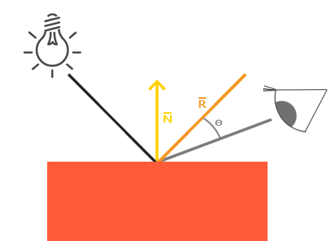 | void main() { vec3 fragPosition = texture(g_PositionAndDepth, Input.TexCoord).rgb; float depth = texture(g_PositionAndDepth, Input.TexCoord).a; vec3 materialDiffuse = texture(g_Albedo, Input.TexCoord).rgb; float materialSpecular = texture(g_Albedo, Input.TexCoord).a; vec3 materialNormal = texture(g_Normal, Input.TexCoord).rgb; vec3 Ambient = texture(u_Ambient, Input.TexCoord).rgb; vec3 Diffuse = texture(u_Diffuse, Input.TexCoord).rgb; vec3 Specular = texture(u_Specular, Input.TexCoord).rgb; if(fragPosition == vec3(0.0)) discard; // 环境光强度 vec3 ambientStrength = u_DirectionalLight.Ambient; // 环境光 vec3 ambient = u_DirectionalLight.Ambient * ambientStrength * materialDiffuse; vec3 normal = materialNormal * 2.0 - 1.0; vec3 lightDirection = normalize(u_DirectionalLight.Position - fragPosition); // 如果两个向量之间的角度大于90度，点乘的结果就会变成负数，这样会导致漫反射分量变为负数。 // 为此，我们使用max函数返回两个参数之间较大的参数，从而保证漫反射分量不会变成负数。 float diff = max(dot(normal, lightDirection), 0.0); vec3 diffuse = u_DirectionalLight.Diffuse * diff * materialDiffuse; vec3 specularStrength = u_DirectionalLight.Specular; vec3 viewDirection = normalize(u_CameraPosition - fragPosition); vec3 reflectDirection = reflect(-lightDirection, normal); // pow(x, y)：计算x的y次幂 float spec = pow(max(dot(normal, reflectDirection), 0.0), u_MaterialShininess); vec3 specular = u_DirectionalLight.Specular * spec * specularStrength ; o_Ambient = vec4(ambient, 1.0); o_Diffuse = vec4(diffuse, 1.0); o_Specular = vec4(specular, 1.0); }
光的属性，材质 | 当描述一个表面时，我们可以分别为三个光照分量定义一个材质颜色(Material Color)：环境光照(Ambient Lighting)、漫反射光照(Diffuse Lighting)和镜面光照(Specular Lighting)。 通过为每个分量指定一个颜色，我们就能够对表面的颜色输出有细粒度的控制了。现在，我们再添加一个反光度(Shininess)分量，结合上述的三个颜色，我们就有了全部所需的材质属性了 我们为风氏光照模型的每个分量都定义一个颜色向量。 ambient材质向量定义了在环境光照下这个表面反射的是什么颜色，通常与表面的颜色相同。 diffuse材质向量定义了在漫反射光照下表面的颜色。漫反射颜色（和环境光照一样）也被设置为我们期望的物体颜色。 specular材质向量设置的是表面上镜面高光的颜色（或者甚至可能反映一个特定表面的颜色）。 最后，shininess影响镜面高光的散射/半径。 | 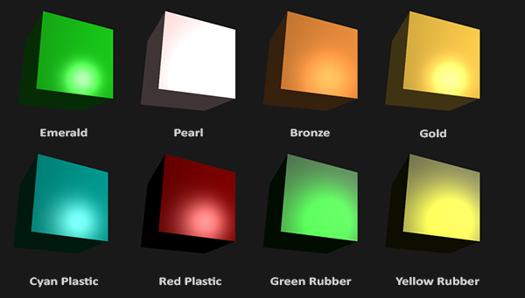
漫反射贴图(Diffuse Map)：表现了物体所有的漫反射颜色的纹理图像 | 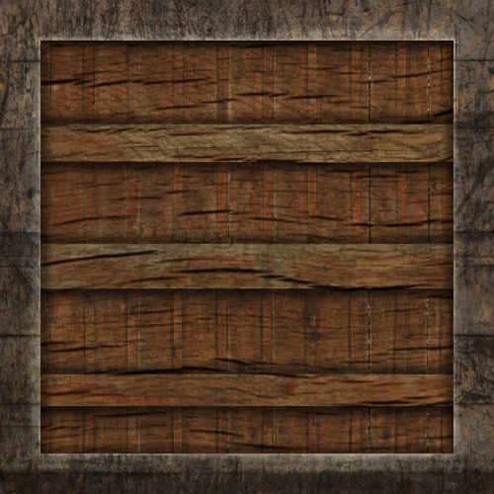 | 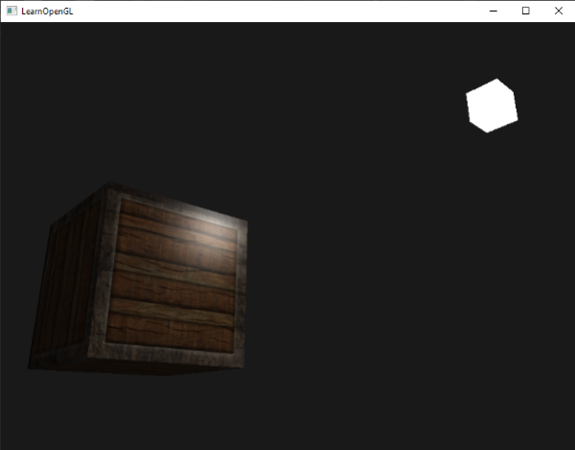
镜面光贴图(Specular Map)：专门用于镜面高光的纹理贴图。 一个黑白的纹理，用来定义物体每部分的镜面光强度。 |  | 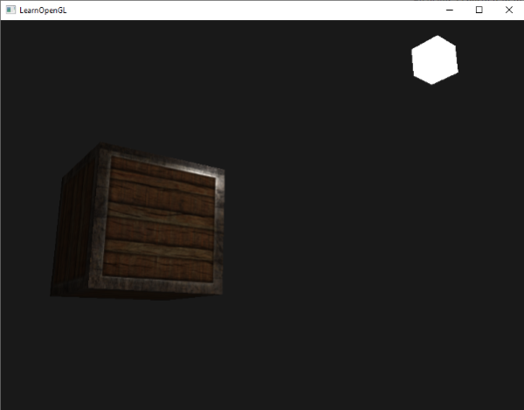
彩色镜面光贴图 | 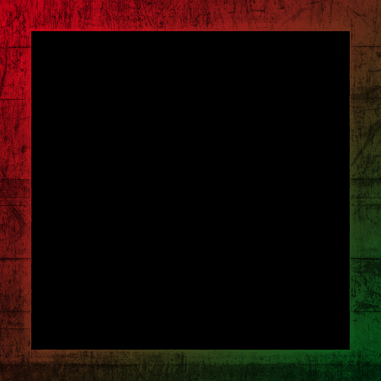 | 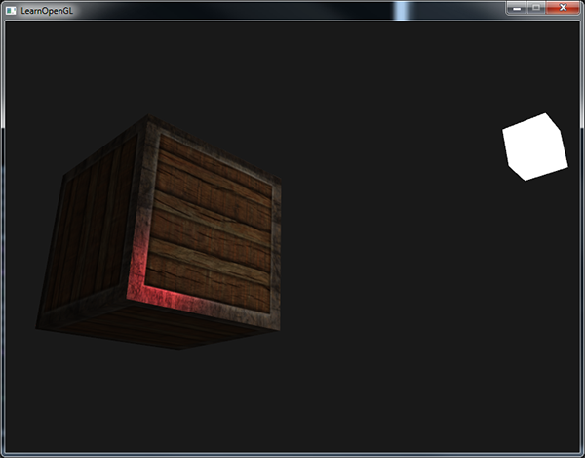
放射光贴图(Emission Map)：储存了每个片段的发光值(Emission Value)的贴图。发光值是一个包含（假设）光源的物体发光(Emit)时可能显现的颜色，这样的话物体就能够忽略光照条件进行发光(Glow)。 | 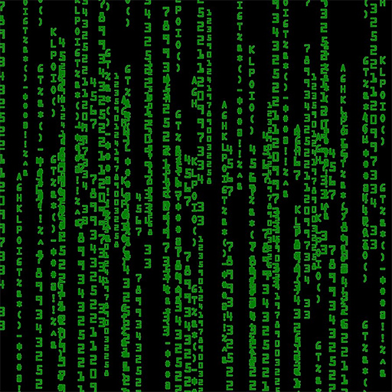 | 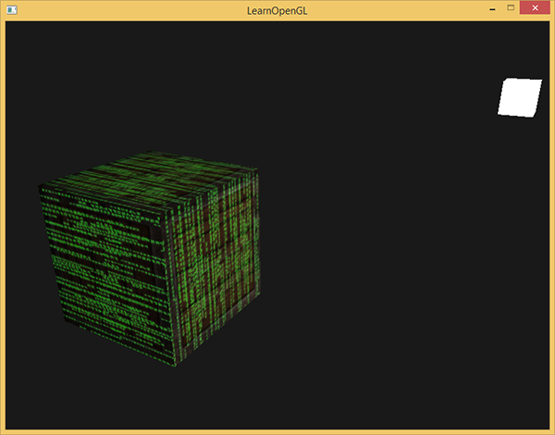
 | GBuffe.glsl 添加放射光贴图 layout (location = 0) out vec4 g_PositionAndDepth; layout (location = 1) out vec4 g_Albedo; layout (location = 2) out vec4 g_Normal; layout (location = 3) out vec4 g_RoughnessAndAO; layout (location = 4) out vec4 g_Emission; layout (location = 5) out int g_EntityID; ... layout (binding = 0) uniform sampler2D u_Diffuse; // 漫反射 layout (binding = 1) uniform sampler2D u_Specular; // 镜面反射 layout (binding = 2) uniform sampler2D u_Normal; // 法线 layout (binding = 3) uniform sampler2D u_Parallax; // 视差 layout (binding = 4) uniform sampler2D u_Roughness; // 粗糙度 layout (binding = 5) uniform sampler2D u_AO; // 环境光遮蔽 layout (binding = 6) uniform sampler2D u_Emission; // 放射光 ...r void main() { ... g_Albedo = vec4(materialDiffuse.rgb, materialSpecular); g_Normal = vec4(normal, 1.0); g_RoughnessAndAO = vec4(materialRoughness, materialAO, 1.0, 1.0); g_Emission = texture(u_Emission, texCoord * Input.TilingFactor); g_EntityID = v_EntityID; } DeferredShading.glsl 调整输入的颜色附件，添加GBuffer放射光Emission颜色附件 把放射光Emission数据直接加到直接加到最终的光照结果上 layout (binding = 0) uniform sampler2D g_PositionAndDepth; layout (binding = 1) uniform sampler2D g_Albedo; layout (binding = 2) uniform sampler2D g_Normal; layout (binding = 3) uniform sampler2D g_Emission; layout (binding = 5) uniform isampler2D g_EntityID; layout (binding = 10) uniform sampler2D u_Ambient; layout (binding = 11) uniform sampler2D u_Diffuse; layout (binding = 12) uniform sampler2D u_Specular; void main() { ... vec3 materialEmission = texture(g_Emission, Input.TexCoord).rgb; ... vec3 lighting = Ambient + Diffuse + Specular + materialEmission; ... } | 添加纹理绑定 enum class ImageType { Albedo, // 漫反射：定义物体表面没有光照影响时的基本颜色 Diffuse = Albedo, // 反照率：同漫反射 Metallic, // 金属度：灰度图，用于定义材质表面是金属还是非金属（电介质），金属（Metallic = 1.0，白色）会强烈反射光线 Specular = Metallic, // 高光：用于控制反射高光的强度 Normal, // 法线贴图：通过记录法线方向的变化，在不增加模型面数的情况下，让平面看起来有凹凸感 Height, // 高度贴图：同样用于表现凹凸感，但通过存储高度信息（灰度图）实现 Roughness, // 粗糙度：灰度图，定义材质表面的光滑程度，光滑表面（Roughness 接近 0.0，黑色）反射清晰，像镜子 AO, // 环境光遮蔽, Ambient Occlusion：灰度图，用于模拟物体表面缝隙、角落等区域因环境光被遮挡而变暗的效果 Emission // 放射光贴图：定义物体表面主动发出的光，不受场景光照影响。它能精确控制哪些区域发光，常用于制作屏幕、指示灯、眼睛、熔岩等效果。 }; void Scene::BindTextures(std::vector<std::pair<ImageType, MeshRendererComponent::TextureParameters>> textures) { auto& textureLibrary = Texture::GetTextureLibrary(); Ref<Texture2D> textureSlots[] = { Mesh::GetWhiteTexture(), Mesh::GetBlackTexture(), Mesh::GetBlackTexture(), Mesh::GetBlackTexture(), Mesh::GetBlackTexture(), Mesh::GetBlackTexture(), Mesh::GetBlackTexture() }; for (auto& [type, textureKey] : textures) { if (textureKey.key.empty()) continue; switch (type) { case ImageType::Diffuse: textureSlots[0] = textureLibrary->Get(textureKey.key, textureKey.flip, textureKey.textureFormat); break; case ImageType::Specular: textureSlots[1] = textureLibrary->Get(textureKey.key, textureKey.flip, textureKey.textureFormat); break; case ImageType::Normal: textureSlots[2] = textureLibrary->Get(textureKey.key, textureKey.flip, textureKey.textureFormat); break; case ImageType::Height: textureSlots[3] = textureLibrary->Get(textureKey.key, textureKey.flip, textureKey.textureFormat); break; case ImageType::Roughness: textureSlots[4] = textureLibrary->Get(textureKey.key, textureKey.flip, textureKey.textureFormat); break; case ImageType::AO: textureSlots[5] = textureLibrary->Get(textureKey.key, textureKey.flip, textureKey.textureFormat); break; case ImageType::Emission: textureSlo | 调整渲染代码 GBufferFramebuffer的EntityID颜色附件的索引因为添加了放射光Emission颜色附件而变动，改成了5 DeferredShadingFramebuffer调整输入的数据 void SceneRenderer::GBuffer() { m_GBufferFramebuffer->Bind(); { Renderer::Clear(); m_GBufferFramebuffer->ClearAttachmentInt(5, -1); // 把EntityID数据置-1 // 注意！！！ GBuffer渲染时不能开混合模式，渲染会出错 RendererAPI::SetBlend(false); m_ActiveScene->SetRenderType(RenderType::G_BUFFER); RenderScene(); m_ActiveScene->SetRenderType(RenderType::NORMAL); RendererAPI::SetBlend(true); m_GBufferFramebuffer->Unbind(); } } void SceneRenderer::DeferredShading() { ... m_DeferredShadingFramebuffer->Bind(); { Renderer::Clear(); m_DeferredShadingFramebuffer->ClearAttachmentInt(1, -1);// 把EntityID数据置-1 uint32_t positionAndDepthTextureID = m_GBufferFramebuffer->GetColorAttachmentRendererID(0); uint32_t albedoTextureID = m_GBufferFramebuffer->GetColorAttachmentRendererID(1); uint32_t normalTextureID = m_GBufferFramebuffer->GetColorAttachmentRendererID(2); uint32_t emissionTextureID = m_GBufferFramebuffer->GetColorAttachmentRendererID(4); uint32_t entityIDTextureID = m_GBufferFramebuffer->GetColorAttachmentRendererID(5); uint32_t ambientTextureID = m_LightShadingFramebuffer[!lightShadingFramebufferFlag]->GetColorAttachmentRendererID(0); uint32_t diffuseTextureID = m_LightShadingFramebuffer[!lightShadingFramebufferFlag]->GetColorAttachmentRendererID(1); uint32_t specularTextureID = m_LightShadingFramebuffer[!lightShadingFramebufferFlag]->GetColorAttachmentRendererID(2); Texture::Bind(positionAndDepthTextureID, 0); Texture::Bind(albedoTextureID, 1); Texture::Bind(normalTextureID, 2); Texture::Bind(emissionTextureID, 3); Texture::Bind(entityIDTextureID, 5); Texture::Bind(ambientTextureID, 10); Texture::Bind(diffuseTextureID, 11); Texture::Bind(specularTextureID, 12); Re
投光物(Light Caster)：将光投射(Cast)到物体的光源
定向光(Directional Light) | 当一个光源处于很远的地方时，来自光源的每条光线就会近似于互相平行。不论物体和/或者观察者的位置，看起来好像所有的光都来自于同一个方向。当我们使用一个假设光源处于无限远处的模型时，它就被称为定向光，因为它的所有光线都有着相同的方向，它与光源的位置是没有关系的。 因为所有的光线都是平行的，所以物体与光源的相对位置是不重要的，因为对场景中每一个物体光的方向都是一致的。由于光的位置向量保持一致，场景中每个物体的光照计算将会是类似的。 我们可以定义一个光线方向向量而不是位置向量来模拟一个定向光。着色器的计算基本保持不变，但这次我们将直接使用光的direction向量而不是通过position来计算lightDir向量。 注意我们首先对light.direction向量取反。我们目前使用的光照计算需求一个从片段至光源的光线方向，但人们更习惯定义定向光为一个从光源出发的全局方向。所以我们需要对全局光照方向向量取反来改变它的方向，它现在是一个指向光源的方向向量了。 | void main() { vec3 fragPosition = texture(g_PositionAndDepth, Input.TexCoord).rgb; float depth = texture(g_PositionAndDepth, Input.TexCoord).a; vec3 materialDiffuse = texture(g_Albedo, Input.TexCoord).rgb; float materialSpecular = texture(g_Albedo, Input.TexCoord).a; vec3 materialNormal = texture(g_Normal, Input.TexCoord).rgb; vec3 Ambient = texture(u_Ambient, Input.TexCoord).rgb; vec3 Diffuse = texture(u_Diffuse, Input.TexCoord).rgb; vec3 Specular = texture(u_Specular, Input.TexCoord).rgb; if(fragPosition == vec3(0.0)) discard; // ambient vec3 ambient = u_DirectionalLight.Ambient * materialDiffuse; // diffuse vec3 normal = normalize(materialNormal); // 注意对light.direction向量取反。我们目前使用的光照计算需求一个从片段至光源的光线方向 // 但人们更习惯定义定向光为一个从光源出发的全局方向。 // 所以我们需要对全局光照方向向量取反来改变它的方向，它现在是一个指向光源的方向向量了。 vec3 lightDirection = normalize(-u_DirectionalLight.Direction); float diff = max(dot(normal, lightDirection), 0.0); vec3 diffuse = u_DirectionalLight.Diffuse * diff * materialDiffuse; // specular vec3 viewDirection = normalize(u_CameraPosition - fragPosition); vec3 reflectDirection = reflect(-lightDirection, normal); float spec = pow(max(dot(viewDirection, reflectDirection), 0.0), u_MaterialShininess); vec3 specular = u_DirectionalLight.Specular * spec * materialSpecular; o_Ambient = vec4(ambient, 1.0); o_Diffuse = vec4(diffuse, 1.0); o_Specular = vec4(specular, 1.0); }
点光源(Point Light)：处于世界中某一个位置的光源，它会朝着所有方向发光，但光线会随着距离逐渐衰减。 | 衰减(Attenuation)：随着光线传播距离的增长逐渐削减光的强度。 随距离减少光强度的一种方式是使用一个线性方程。这样的方程能够随着距离的增长线性地减少光的强度，从而让远处的物体更暗。然而，这样的线性方程通常会看起来比较假。在现实世界中，灯在近处通常会非常亮，但随着距离的增加光源的亮度一开始会下降非常快，但在远处时剩余的光强度就会下降的非常缓慢了。所以，我们需要一个不同的公式来减少光的强度。 下面这个公式根据片段距光源的距离计算了衰减值，之后我们会将它乘以光的强度向量： 为了计算衰减值，我们定义3个（可配置的）项：常数项、一次项和二次项。 常数项通常保持为1.0，它的主要作用是保证分母永远不会比1小，否则的话在某些距离上它反而会增加强度，这肯定不是我们想要的效果。 一次项会与距离值相乘，以线性的方式减少强度。 二次项会与距离的平方相乘，让光源以二次递减的方式减少强度。二次项在距离比较小的时候影响会比一次项小很多，但当距离值比较大的时候它就会比一次项更大了。 由于二次项的存在，光线会在大部分时候以线性的方式衰退，直到距离变得足够大，让二次项超过一次项，光的强度会以更快的速度下降。这样的结果就是，光在近距离时亮度很高，但随着距离变远亮度迅速降低，最后会以更慢的速度减少亮度。 正确地设定它们的值取决于很多因素：环境、希望光覆盖的距离、光的类型等。在大多数情况下，这都是经验的问题，以及适量的调整。下面这个表格显示了模拟一个（大概）真实的，覆盖特定半径（距离）的光源时，这些项可能取的一些值。这些值是大多数光源很好的起始点，它们由Ogre3D的Wiki所提供： | 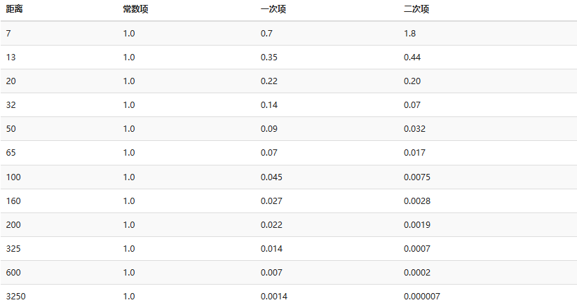
手电筒(Flashlight)：位于观察者位置的聚光，通常它都会瞄准玩家视角的正前方。 在片段着色器中我们需要的值有聚光的位置向量（来计算光的方向向量）、聚光的方向向量和一个切光角cutOff。可以将它们储存在SpotLight结构体中 | 用角度值给切光角设置计算一个余弦值，将余弦结果传递到片段着色器中。这样做的原因是在片段着色器中，我们会计算LightDir和SpotDir向量的点积，这个点积返回的将是一个余弦值而不是角度值，所以我们不能直接使用角度值和余弦值进行比较。为了获取角度值我们需要计算点积结果的反余弦，这是一个开销很大的计算。所以为了节约一点性能开销，我们将会计算切光角对应的余弦值，并将它的结果传入片段着色器中。由于这两个角度现在都由余弦角来表示了，我们可以直接对它们进行比较而不用进行任何开销高昂的计算。 首先计算lightDir和取反的direction向量（取反的是因为我们想让向量指向光源而不是从光源出发）之间的点积。 | void main() { vec3 fragPosition = texture(g_PositionAndDepth, Input.TexCoord).rgb; float depth = texture(g_PositionAndDepth, Input.TexCoord).a; vec3 materialDiffuse = texture(g_Albedo, Input.TexCoord).rgb; float materialSpecular = texture(g_Albedo, Input.TexCoord).a; vec3 materialNormal = texture(g_Normal, Input.TexCoord).rgb; vec3 Ambient = texture(u_Ambient, Input.TexCoord).rgb; vec3 Diffuse = texture(u_Diffuse, Input.TexCoord).rgb; vec3 Specular = texture(u_Specular, Input.TexCoord).rgb; if(fragPosition == vec3(0.0)) discard; vec3 lightDirection = normalize(u_SpotLight.Position - fragPosition); // 检查灯光是否位于聚光灯锥形区域内 float theta = dot(lightDirection, normalize(-u_SpotLight.Direction)); vec3 ambient = vec3(0.0); vec3 diffuse = vec3(0.0); vec3 specular = vec3(0.0); if(theta > u_SpotLight.CutOff) { // ambient ambient = u_SpotLight.Ambient * materialDiffuse; // diffuse vec3 normal = normalize(materialNormal); float diff = max(dot(normal, lightDirection), 0.0); diffuse = u_SpotLight.Diffuse * diff * materialDiffuse; // specular vec3 viewDirection = normalize(u_CameraPosition - fragPosition); vec3 reflectDirection = reflect(-lightDirection, normal); float spec = pow(max(dot(viewDirection, reflectDirection), 0.0), u_MaterialShininess); specular = u_SpotLight.Specular * spec * materialSpecular; // attenuation float distance = length(u_SpotLight.Position - fragPosition); float attenuation = 1.0 / (u_SpotLight.Constant + u_SpotLight.Linear * distance + u_SpotLight.Quadratic * (distance * distance)); // 移除环境光的衰减，否则在远距离时，由于else分支中的环境光项，聚光灯内的光线会比聚光灯外的更暗 // ambient *= attenuation; diffuse *= attenuation; specular *= attenuation; } else { // 否则，使用环境光，这样聚光灯之外的场
平滑/软化边缘 | 为了创建一种看起来边缘平滑的聚光，我们需要模拟聚光有一个内圆锥(Inner Cone)和一个外圆锥(Outer Cone)。我们可以将内圆锥设置为上一部分中的那个圆锥，但我们也需要一个外圆锥，来让光从内圆锥逐渐减暗，直到外圆锥的边界。 为了创建一个外圆锥，我们只需要再定义一个余弦值来代表聚光方向向量和外圆锥向量（等于它的半径）的夹角。然后，如果一个片段处于内外圆锥之间，将会给它计算出一个0.0到1.0之间的强度值。如果片段在内圆锥之内，它的强度就是1.0，如果在外圆锥之外强度值就是0.0。 我们可以用下面这个公式来计算这个值： 这里(Epsilon)是内和外圆锥之间的余弦值差。最终的值就是在当前片段聚光的强度。 很难去表现这个公式是怎么工作的，所以我们用一些实例值来看看： 注意我们使用了clamp函数，它把第一个参数约束(Clamp)在了0.0到1.0之间。这保证强度值不会在[0, 1]区间之外。 确定你将outerCutOff值添加到了Light结构体之中，并在程序中设置它的uniform值。下面的图片中，我们使用的内切光角是12.5，外切光角是17.5： |  | 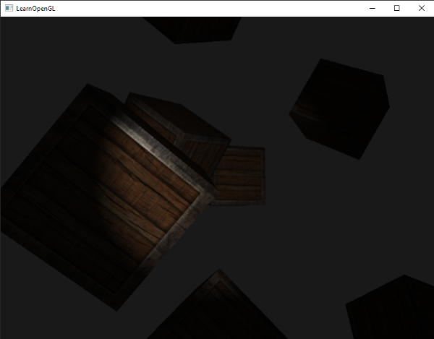 | void main() { vec3 fragPosition = texture(g_PositionAndDepth, Input.TexCoord).rgb; float depth = texture(g_PositionAndDepth, Input.TexCoord).a; vec3 materialDiffuse = texture(g_Albedo, Input.TexCoord).rgb; float materialSpecular = texture(g_Albedo, Input.TexCoord).a; vec3 materialNormal = texture(g_Normal, Input.TexCoord).rgb; vec3 Ambient = texture(u_Ambient, Input.TexCoord).rgb; vec3 Diffuse = texture(u_Diffuse, Input.TexCoord).rgb; vec3 Specular = texture(u_Specular, Input.TexCoord).rgb; if(fragPosition == vec3(0.0)) discard; // ambient vec3 ambient = u_SpotLight.Ambient * materialDiffuse; // diffuse vec3 lightDirection = normalize(u_SpotLight.Position - fragPosition); vec3 normal = normalize(materialNormal); float diff = max(dot(normal, lightDirection), 0.0); vec3 diffuse = u_SpotLight.Diffuse * diff * materialDiffuse; // specular vec3 viewDirection = normalize(u_CameraPosition - fragPosition); vec3 reflectDirection = reflect(-lightDirection, normal); float spec = pow(max(dot(viewDirection, reflectDirection), 0.0), u_MaterialShininess); vec3 specular = u_SpotLight.Specular * spec * materialSpecular; // spotlight (soft edges) float theta = dot(lightDirection, normalize(-u_SpotLight.Direction)); float epsilon = (u_SpotLight.CutOff - u_SpotLight.OuterCutOff); float intensity = clamp((theta - u_SpotLight.OuterCutOff) / epsilon, 0.0, 1.0); diffuse *= intensity; specular *= intensity; // attenuation float distance = length(u_SpotLight.Position - fragPosition); float attenuation = 1.0 / (u_SpotLight.Constant + u_SpotLight.Linear * distance + u_SpotLight.Quadratic * (distance * distance)); ambient *= attenuation; diffuse *= attenuation; specular *= attenuation; o_Ambient = vec4(ambient, 1.0); o_Diffuse = vec4(diffuse, 1.0); o_Specular = vec4(specular, 1.0); }
多光源 | GLSL中的函数和C函数很相似，它有一个函数名、一个返回值类型，如果函数不是在main函数之前声明的，我们还必须在代码文件顶部声明一个原型。我们对每个光照类型都创建一个不同的函数：定向光、点光源和聚光。 当我们在场景中使用多个光源时，我们需要有一个单独的颜色向量代表片段的输出颜色。对于每一个光源，它对片段的贡献颜色将会加到片段的输出颜色向量上。所以场景中的每个光源都会计算它们各自对片段的影响，并结合为一个最终的输出颜色。
 | LightShading.glsl #type vertex #version 450 core layout(location = 0) in vec3 a_Position; layout(location = 1) in vec2 a_TexCoord; struct VertexOutput { vec2 TexCoord; }; layout (location = 0) out VertexOutput Output; void main() { Output.TexCoord = a_TexCoord; gl_Position = vec4(a_Position, 1.0); } #type fragment #version 450 core layout (location = 0) out vec4 o_Ambient; // 环境光 layout (location = 1) out vec4 o_Diffuse; // 漫反射 layout (location = 2) out vec4 o_Specular; // 镜面反射 struct VertexOutput { vec2 TexCoord; }; layout (location = 0) in VertexOutput Input; layout (binding = 0) uniform sampler2D g_PositionAndDepth; layout (binding = 1) uniform sampler2D g_Albedo; layout (binding = 2) uniform sampler2D g_Normal; layout(std140, binding = 1) uniform CameraPosition { vec3 u_CameraPosition; }; struct DirectionalLightData { vec3 Position; vec3 Direction; vec3 Ambient; vec3 Diffuse; vec3 Specular; }; layout (std430, binding = 2) readonly buffer DirectionalLight { uint u_DirectionalLightCount; DirectionalLightData u_DirectionalLights[]; }; struct PointLightData { vec3 Position; vec3 Ambient; vec3 Diffuse; vec3 Specular; float Constant; float Linear; float Quadratic; }; layout (std430, binding = 3) readonly buffer PointLight { uint u_PointLightCount; PointLightData u_PointLights[]; }; struct SpotLightData { vec3 Position; vec3 Direction; vec3 Ambient; vec3 Diffuse; vec3 Specular; float Constant; float Linear; float Quadratic; float CutOff; float OuterCutOff; }; layout (std430, binding = 4) readonly buffer SpotLight { uint u_SpotLightCount; SpotLightData u_SpotLights[]; }; layout (std140, binding = 5) uniform Material { float u_MaterialShininess; }; #define MAX_DIRECTIONAL_LIGHT 4 #define MAX_POINT_LIGHT 256 #define MAX_SPOT_LIGHT 128 void main() { vec3 fragPosition | Volcano/Renderer/LightRenderer.h #pragma once #include "Volcano/Core/Core.h" #include "glm/glm.hpp" namespace Volcano { // 在 glsl 中，vec3 占用 12 字节，但数组元素之间的偏移按 16 字节对齐， // 所以 C++ 结构体必须手动填充 pad 字段，否则数据错位。 // 结构体大小必须是 16 字节的倍数（std430 要求），80 满足。 // 定向光（平行光） struct DirectionalLight { glm::vec3 position; // 偏移 0 float pad0; // 偏移 12 glm::vec3 direction; // 偏移 16 float pad1; // 偏移 28 glm::vec3 ambient; // 偏移 32 float pad2; // 偏移 44 glm::vec3 diffuse; // 偏移 48 float pad3; // 偏移 60 glm::vec3 specular; // 偏移 64 float pad4; // 偏移 76 // 总大小：80 字节（正好 5 个 16 字节块） }; // 点光源 struct PointLight { glm::vec3 position; // 偏移 0 float pad0; // 偏移 12 glm::vec3 ambient; // 偏移 16 float pad1; // 偏移 28 glm::vec3 diffuse; // 偏移 32 float pad2; // 偏移 44 glm::vec3 specular; // 偏移 48 float constant; // 偏移 60 float linear; // 偏移 64 float quadratic; // 偏移 68 float pad3[2]; // 偏移 72, 补到 80 // 总大小：80 字节（正好 5 个 16 字节块） }; // 聚光(手电筒Flashlight) struct SpotLight { glm::vec3 position; // 偏移 0 float pad0; // 偏移 12 glm::vec3 direction; // 偏移 16 float pad1; // 偏移 28 glm::vec3 ambient; // 偏移 32 float pad2; // 偏移 44 glm::vec3 diffuse; // 偏移 48 float pad3; // 偏移 60 glm::vec3 specular; // 偏移 64 float constant; // 偏移 76 float linear; // 偏移 80 float quadratic; // 偏移 84 float cutOff; // 偏移 88 float outerCutOff;// 偏移 92 // 总大小：96 字节（正好 6 个 16 字节块） }; class LightRenderer { public: // 获取单例实例（线程安全） static LightRenderer& GetInstance() { static LightRenderer instance; // C++11 保证线程安全初始化 return instance; } // 禁止拷贝和赋值 LightRenderer(const LightRenderer&) = delete; LightRenderer& operator=(const LightRenderer&) = delete; DirectionalLight* GetDirectionalLightBuffer() { return m_DirectionalLightBuffer; | Volcano/Renderer/LightRenderer.cpp #include "volpch.h" #include "LightRenderer.h" namespace Volcano { LightRenderer::LightRenderer() { m_DirectionalLightBuffer = new DirectionalLight[MaxDirectionalLight]; m_PointLightBuffer = new PointLight[MaxPointLight]; m_SpotLightBuffer = new SpotLight[MaxSpotLight]; } LightRenderer::~LightRenderer() { delete[] m_DirectionalLightBuffer; delete[] m_PointLightBuffer; delete[] m_SpotLightBuffer; } }
 | Volcano/Renderer/SceneRenderer.h class VOL_API SceneRenderer { public: static void LightShading(); static Ref<Framebuffer> GetLightShadingFramebuffer() { return m_LightShadingFramebuffer; } private: static Ref<Framebuffer> m_LightShadingFramebuffer; } Volcano/Renderer/SceneRenderer.cpp Ref<Framebuffer> SceneRenderer::m_LightShadingFramebuffer; void SceneRenderer::Init() { fbSpec.Attachments = { FramebufferTextureFormat::RGBA16F, // Ambient：环境光 FramebufferTextureFormat::RGBA16F, // Diffuse：漫反射 FramebufferTextureFormat::RGBA16F, // Specular：镜面反射 }; fbSpec.Width = 1280; fbSpec.Height = 720; fbSpec.Samples = 1; fbSpec.ColorType = TextureType::TEXTURE_2D; fbSpec.DepthType = TextureType::TEXTURE_2D; m_LightShadingFramebuffer = Framebuffer::Create(fbSpec); } void SceneRenderer::LightShading() { uint32_t directionalLightCount = (uint32_t)m_ActiveScene->GetDirectionalLightEntities().size(); uint32_t pointLightCount = (uint32_t)m_ActiveScene->GetPointLightEntities().size(); uint32_t spotLightCount = (uint32_t)m_ActiveScene->GetSpotLightEntities().size(); uint32_t lightCount = directionalLightCount + pointLightCount + spotLightCount; if (lightCount != 0) { m_ActiveScene->UpdateLight(); m_LightShadingFramebuffer->Bind(); { Renderer::Clear(); uint32_t positionTextureID = m_GBufferFramebuffer->GetColorAttachmentRendererID(0); uint32_t albedoTextureID = m_GBufferFramebuffer->GetColorAttachmentRendererID(1); uint32_t normalTextureID = m_GBufferFramebuffer->GetColorAttachmentRendererID(2); Texture::Bind(positionTextureID, 0); Texture::Bind(albedoTextureID, 1); Texture::Bind(normalTextureID, 2); Renderer::GetShaderLibrary()->Get("LightShading")->Bind(); FullQuad::DrawIndexed(); m_LightShadingFramebuffer->Unbind(); } } } void SceneRenderer::DeferredShading() { m_DeferredShadingFramebuffer->Bind(); { Renderer::Clear(); m_DeferredShad | void Scene::UpdateLight() { const uint32_t uintOffset = (sizeof(uint32_t) + 15) & ~15; // 将“加 15 后的值”与“掩码”进行按位与操作，实现‌向上取整到最近的 16 倍数‌。 std::vector<Ref<Entity>> directionalLightEntities = GetDirectionalLightEntities(); LightRenderer& lightRenderer = LightRenderer::GetInstance(); uint32_t lightCount = (uint32_t)directionalLightEntities.size(); if (lightCount > LightRenderer::MaxDirectionalLight) lightCount = (uint32_t)LightRenderer::MaxDirectionalLight; UniformBufferManager::GetUniformBuffer("DirectionalLight")->SetData(&lightCount, sizeof(uint32_t)); if (lightCount != 0) { DirectionalLight* directionalLightBufferBase = lightRenderer.GetDirectionalLightBuffer(); DirectionalLight* directionalLightBufferPtr = directionalLightBufferBase; for (auto& entity : directionalLightEntities) { auto& transform = entity->GetComponent<TransformComponent>(); auto& light = entity->GetComponent<LightComponent>(); glm::vec3 direction = glm::rotate(glm::quat(transform.Rotation), glm::vec3(0.0f, 0.0f, -1.0f)); directionalLightBufferPtr->position = transform.Translation; directionalLightBufferPtr->direction = direction; directionalLightBufferPtr->ambient = light.Ambient; directionalLightBufferPtr->diffuse = light.Diffuse; directionalLightBufferPtr->specular = light.Specular; directionalLightBufferPtr++; } UniformBufferManager::GetUniformBuffer("DirectionalLight")->SetData(directionalLightBufferBase, lightCount * sizeof(DirectionalLight), uintOffset); } std::vector<Ref<Entity>> pointLightEntities = GetPointLightEntities(); lightCount = (uint32_t)pointLightEntities.size(); if (lightCount > LightRenderer::MaxPointLight) lightCount = (uint32_t)LightRenderer::MaxPointLight; UniformBufferManager::GetUniformBuffer("PointLight")->SetData(&lightCount, sizeof(uint32_t)); if (lightCount != 0) { PointLight* pointLightBufferBase = lightRenderer.GetPointLightBuffer(); PointLight* pointLightBuf | class UniformBuffer { public: static Ref<UniformBuffer> Create(uint32_t size, uint32_t binding, UniformBlockType uniformBlockType = UniformBlockType::UniformBlock); } Ref<UniformBuffer> UniformBuffer::Create(uint32_t size, uint32_t binding, UniformBlockType uniformBlockType) { switch (RendererAPI::Current()) { case RendererAPIType::None: VOL_CORE_ASSERT(false, "RendererAPI::None is currently not supported!"); return nullptr; case RendererAPIType::OpenGL: return CreateRef<OpenGLUniformBuffer>(size, binding, uniformBlockType); } VOL_CORE_ASSERT(false, "Unknown RendererAPI!"); return nullptr; } class OpenGLUniformBuffer : public UniformBuffer { public: OpenGLUniformBuffer(uint32_t size, uint32_t binding, UniformBlockType uniformBlockType); } OpenGLUniformBuffer::OpenGLUniformBuffer(uint32_t size, uint32_t binding, UniformBlockType uniformBlockType) { glCreateBuffers(1, &m_RendererID); glNamedBufferData(m_RendererID, size, nullptr, GL_DYNAMIC_DRAW); // 将在glsl上设置的bingding 0号缓冲区与真正的缓冲区m_RendererID联系起来 switch (uniformBlockType) { case UniformBlockType::UniformBlock: glBindBufferBase(GL_UNIFORM_BUFFER, binding, m_RendererID); break; case UniformBlockType::ShaderStorageBlock: glBindBufferBase(GL_SHADER_STORAGE_BUFFER, binding, m_RendererID); break; default: break; } } void UniformBufferManager::Init() { UniformBufferManager::m_UniformBuffers["CameraViewProjection"] = UniformBuffer::Create((4 * 4 + 2) * sizeof(float), 0); UniformBufferManager::m_UniformBuffers["CameraPosition"] = UniformBuffer::Create(4 * sizeof(float), 1); const uint32_t uintOffset = (sizeof(uint32_t) + 15) & ~15; // 将“加 15 后的值”与“掩码”进行按位与操作，实现‌向上取整到最近的 16 倍数‌。 UniformBufferManager::m_UniformBuffers["DirectionalLight"] = UniformBuffer::Create(uintOffset + LightRenderer::MaxDirectionalLight * sizeof(DirectionalLight), 2, UniformBlockType::ShaderStorageBlock); UniformBufferManager::m_
深度测试 | z缓冲(z-buffer) 当深度测试(Depth Testing)被启用的时候，OpenGL会将一个片段的深度值与深度缓冲的内容进行对比。OpenGL会执行一个深度测试，如果这个测试通过了的话，深度缓冲将会更新为新的深度值。如果深度测试失败了，片段将会被丢弃。 深度缓冲包含了一个介于0.0和1.0之间的深度值，它将会与观察者视角所看见的场景中所有物体的z值进行比较。观察空间的z值可能是投影平截头体的近平面(Near)和远平面(Far)之间的任何值。我们需要一种方式来将这些观察空间的z值变换到[0, 1]范围之间，其中的一种方式就是将它们线性变换到[0, 1]范围之间。下面这个（线性）方程将z值变换到了0.0到1.0之间的深度值： 这里的near和far值是我们之前提供给投影矩阵设置可视平截头体的（见坐标系统）那个 near 和 far 值。这个方程需要平截头体中的一个z值，并将它变换到了[0, 1]的范围中。 |  | 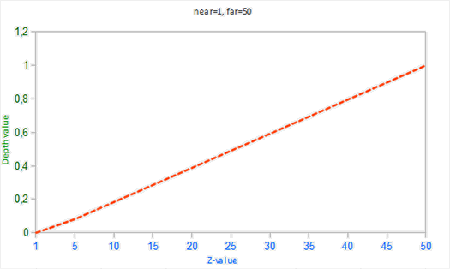
 | 在实践中是几乎永远不会使用这样的线性深度缓冲(Linear Depth Buffer)的。要想有正确的投影性质，需要使用一个非线性的深度方程，它是与 1/z 成正比的。它做的就是在z值很小的时候提供非常高的精度，而在z值很远的时候提供更少的精度。 由于非线性方程与 1/z 成正比，在1.0和2.0之间的z值将会变换至1.0到0.5之间的深度值，这就是一个float提供给我们的一半精度了，这在z值很小的情况下提供了非常大的精度。在50.0和100.0之间的z值将会只占2%的float精度，这正是我们所需要的。这样的一个考虑了远近距离的方程是这样的： |  | 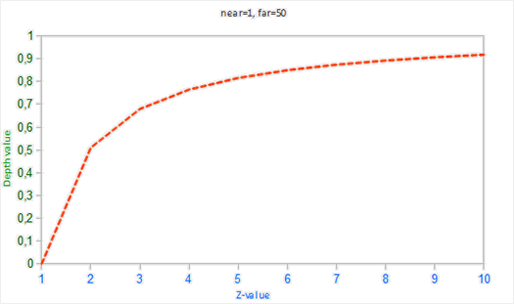
 | 片段着色器中，内建gl_FragCoord向量的z值包含了那个特定片段的深度值。如果将这个深度值输出为颜色，可以显示场景中所有片段的深度值。 void main() { FragColor = vec4(vec3(gl_FragCoord.z), 1.0); } 所以为什么没有靠近0.0（即变暗）的深度值呢？ 屏幕空间中的深度值是非线性的，即它在z值很小的时候有很高的精度，而z值很大的时候有较低的精度。片段的深度值会随着距离迅速增加，所以几乎所有的顶点的深度值都是接近于1.0的。如果我们小心地靠近物体，你可能会最终注意到颜色会渐渐变暗，显示它们的z值在逐渐变小 这很清楚地展示了深度值的非线性性质。近处的物体比起远处的物体对深度值有着更大的影响。只需要移动几厘米就能让颜色从暗完全变白。 | 
 | 我们也可以让片段非线性的深度值变换为线性的。我们需要将深度值从[0, 1]范围变换到[-1, 1]范围的标准化设备坐标（裁剪空间）。接下来反转非线性方程（方程2），并将这个反转的方程应用到最终的深度值上。最终的结果就是一个线性的深度值了。 首先将深度值变换为NDC，不是非常困难： float ndc = depth * 2.0 - 1.0; 接下来使用获取到的NDC值，应用逆变换来获取线性的深度值： float linearDepth = (2.0 * near * far) / (far + near - ndc * (far - near)); 这个方程是用投影矩阵推导得出的，它使用了方程2来非线性化深度值，返回一个near与far之间的深度值。 https://www.songho.ca/opengl/gl_projectionmatrix.html 这篇注重数学的文章为感兴趣的读者详细解释了投影矩阵，它也展示了这些方程是怎么来的。 由于线性化的深度值处于near与far之间，它的大部分值都会大于1.0并显示为完全的白色。通过在main函数中将线性深度值除以far，我们近似地将线性深度值转化到[0, 1]的范围之间。这样子我们就能逐渐看到一个片段越接近投影平截头体的远平面，它就会变得越亮，更适用于展示目的。 我们现在能看见深度值随着距离增大是线性的了。尝试在场景中移动，看看深度值是怎样以线性变化的。 颜色大部分都是黑色，因为深度值的范围是0.1的近平面到100的远平面，它离我们还是非常远的。结果就是，我们相对靠近近平面，所以会得到更低的（更暗的）深度值。 |  | GBuffer.glsl void main() { ... const float near = v_Near; // 投影矩阵的近平面 const float far = v_Far; // 投影矩阵的远平面 // gl_FragCoord 是 OpenGL/GLSL 片元着色器中的‌内置只读输入变量‌（类型 vec4）， // 表示当前待处理片元在‌窗口坐标系‌下的位置及深度信息，无需声明即可直接使用 。‌‌ // ‌x, y‌：片元在屏幕（窗口）上的像素坐标。默认原点在‌左下角‌，像素中心值为 0.5 起始（如第一个像素中心为 0.5, 0.5）；可通过布局限定符 origin_upper_left 改为左上角原点。 // z‌：片元的‌深度值‌，范围通常为 [0.0, 1.0]，由顶点着色器经模型 - 视图 - 投影变换及透视除法后插值得到，默认用于深度测试。 // w‌：裁剪空间坐标 clip.w 的倒数（即 1/clip.w）。在透视投影中，其绝对值的倒数与眼空间深度距离相关（eye_z ≈ -1/w）；正交投影下该值恒为 1。 // 将深度采样值 gl_FragCoord.z 从 [0,1] 映射到 NDC 深度[-1,1] // 将屏幕空间中非线性的深度值变换至线性深度值，即从 NDC 深度 转换为视图空间线性深度（以摄像机为原点，沿视线方向的物理距离）。 float z = gl_FragCoord.z * 2.0 - 1.0; // Back to NDC [-1,1] z = (2.0 * near * far) / (far + near - z * (far - near));// 转换到[near, far] g_PositionAndDepth = vec4(Input.Position, z); ... }
OpenGL 渲染管线执行流程 | 在 OpenGL 渲染管线中，除了面剔除，各种功能主要发生在光栅化之后，即“逐片元操作”（Per-Fragment Operations）阶段之后。它们的严格顺序如下： 面剔除（Face Culling）> 裁剪测试（Scissor）> 模板测试（Stencil）> 深度测试（Depth）> 混合（Blending） | 完整执行流程（从三角形到像素） 1. 光栅化之前（顶点处理阶段） 图元装配与面剔除（Face Culling）： 这是在光栅化之前发生的。GPU 根据顶点绕序（顺时针/逆时针）计算出三角形的朝向。 如果该三角形被判定为“背面”且开启了背面剔除（glEnable(GL_CULL_FACE)），这个三角形直接被丢弃，不会生成任何片元（像素）。 所以，面剔除实际上是“第一个筛子”，位于所有片元测试之前。 2. 片元着色器执行 如果三角形未被剔除，顶点数据插值生成片元，执行片段着色器（Fragment Shader）。 如果着色器内执行了 discard，该片元在此阶段直接被丢弃，不再进行后续测试。 3. 逐片元操作（按顺序执行） ① 裁剪测试（Scissor Test）： 检查片元是否在设定的矩形裁剪框内。若在框外，丢弃。这是最廉价、最快的测试。 ② 模板测试（Stencil Test）： 在深度测试之前进行。读取模板缓冲区的值，与设定的参考值比较。 如果未通过，片元被丢弃，不会写入深度缓冲（这很关键，可以用于制作阴影体积或镜面反射区域）。 通过后，根据模板操作（glStencilOp）更新模板缓冲区的值。 ③ 深度测试（Depth Test）： 在模板测试之后进行。将片元的深度值与深度缓冲中的值比较（默认 GL_LESS，即近处覆盖远处）。 如果未通过，片元被丢弃（且不会写入颜色或深度，除非你设置了 glDepthMask(GL_FALSE)）。 ④ 混合（Blending）与颜色写入： 只有同时通过了模板测试和深度测试的片元，才会进入混合阶段。 如果开启了混合（glEnable(GL_BLEND)），将片元颜色与帧缓冲中已有的颜色按混合函数（如透明度混合）进行计算。 如果未开启混合，新颜色直接覆盖旧颜色。 最后，根据 glColorMask 决定是否将结果写入颜色缓冲。 针对延迟渲染（GBuffer）场景的特别提醒 GBuffer 写入阶段（几何阶段）： 必须关闭混合：因为 GBuffer 是直接覆盖写入，不需要透明度叠加。 开启面剔除：通常剔除背面（GL_BACK），提高性能，避免绘制内部几何。 深度测试状态：开启深度测试（GL_LESS），确保近处几何体的 GBuffer 数据覆盖远处。 模板测试：通常关闭（除非你用它做光照剔除或延迟渲染的视锥体裁剪）。 光照计算阶段（全屏四边形）： 深度测试必须关闭或设置为 GL_ALWAYS：因为你的全屏四边形覆盖整个屏幕，不需要深度比较，否则四边形可能被深度缓冲错误遮挡，导致全黑。 混合：如果你将环境光、漫反射、镜面反射分别输出到不同的帧缓冲（MRT），通常也需要关闭混合。
 | Volcano/Renderer/RendererAPI.h #pragma once #include "Volcano/Core/Core.h" #include <glm/glm.hpp> #include "VertexArray.h" namespace Volcano { // 深度测试函数 enum class DepthTestFunc { NEVER, LESS, EQUAL, LEQUAL, GREATER, NOTEQUAL, GEQUAL, ALWAYS }; // 面剔除方式 enum class CullFaceFunc { FRONT, // 剔除背面 BACK, // 剔除正面 FRONT_AND_BACK // 全部剔除 }; // 面剔除正面 enum class CullFaceFrontFace { CCW, // 逆时针正面 CW // 顺时针正面 }; // 多边形模式 enum class PolygonMode { POINT, // 点 LINE, // 线框 FILL // 填充 }; enum class StencilFunc { NEVER, LESS, LEQUAL, GREATER, GEQUAL, EQUAL, NOTEQUAL, ALWAYS }; enum class StencilOp { KEEP, // 保留 ZERO, // 归零 REPLACE, // 设为ref INCR, // +1 DECR, // -1 INVERT // 取反 }; enum class BlendFunc { SRC_ALPHA, ONE_MINUS_SRC_ALPHA, ONE, ZERO, DST_COLOR }; enum class BlendEquation { FUNC_ADD, // src * srcFactor + dst * dstFactor FUNC_SUBTRACT, // src * srcFactor - dst * dstFactor FUNC_REVERSE_SUBTRACT, // dst * dstFactor - src * srcFactor MIN, MAX }; enum class RendererAPIType { None, OpenGL }; struct RenderAPICapabilities { std::string Vendor; std::string Renderer; std::string Version; int MaxSamples = 0; float MaxAnisotropy = 0.0f; int MaxTextureUnits = 0; }; class RendererAPI { public: static void Init(); static void SetClearColor(const glm::vec4& color); static void Clear(); static void Clear(float r, float g, float b, float a); static void SetClearColor(float r, float g, float b, float a); static void DrawIndexed(const Ref<VertexArray>& vertexArray, uint32_t indexCount); static void DrawArrays(const Ref<VertexArray>& vertexArray, uint32_t count); static void DrawStripIndexed(const Ref<VertexArray>& vertexArray, uint32_t indexCount); static void DrawInstanced(const Ref<VertexArray>& vertexArray, uint32_t indexCount, uint32_t amount); static void DrawLines(const | Volcano/Platform/Opengl/OpenGLRendererAPI.cpp #include "volpch.h" #include "Volcano/Renderer/RendererAPI.h" #include <glad/glad.h> namespace Volcano { static GLenum VolcanoToOpenGLStencilOp(StencilOp op) { switch (op) { case StencilOp::KEEP: return GL_KEEP; case StencilOp::ZERO: return GL_ZERO; case StencilOp::REPLACE: return GL_REPLACE; case StencilOp::INCR: return GL_INCR; case StencilOp::DECR: return GL_DECR; case StencilOp::INVERT: return GL_INVERT; default: return 0; } VOL_CORE_ASSERT(false, "Unknown StencilOp!"); } static GLenum VolcanoToOpenGLBlendFunc(BlendFunc func) { switch (func) { case BlendFunc::SRC_ALPHA: return GL_SRC_ALPHA; case BlendFunc::ONE_MINUS_SRC_ALPHA: return GL_ONE_MINUS_SRC_ALPHA; case BlendFunc::ONE: return GL_ONE; case BlendFunc::ZERO: return GL_ZERO; case BlendFunc::DST_COLOR: return GL_DST_COLOR; default: return 0; } VOL_CORE_ASSERT(false, "Unknown BlendFunc!"); } void RendererAPI::Init() { // 线条抗锯齿： // 默认关闭，让绘制线条时边缘出现锯齿状像素得到平滑处理（通过混合（Blending）技术） // 须同时调用glEnable(GL_BLEND)和设置合适的混合函数如glBlendFunc(GL_SRC_ALPHA, GL_ONE_MINUS_SRC_ALPHA)才能生效 // 现代OpenGL中，更推荐使用MSAA（多重采样抗锯齿） 来处理几何边缘 // glEnable(GL_LINE_SMOOTH); // 无缝立方体贴图采样： // 默认关闭，在采样立方体贴图（Cube Map，常用于天空盒、环境反射、折射效果）时， // 消除立方体六个面之间的接缝痕迹。当纹理坐标恰好落在两个面的边界附近时，不开启该功能可能会导致接缝处出现明显的黑色线条或纹理错位。 glEnable(GL_TEXTURE_CUBE_MAP_SEAMLESS); // 查询 OpenGL 渲染器的硬件能力上限 auto& caps = RendererAPI::GetCapabilities(); caps.Vendor = (const char*)glGetString(GL_VENDOR); caps.Renderer = (const char*)glGetString(GL_RENDERER); caps.Version = (const char*)glGetString(GL_VERSION); // 显卡支持的最高多重采样抗锯齿（MSAA）级别，即每个像素最多可以包含的样本数量 // 创建多采样渲染缓冲（Renderbuffer）或多采样纹理时，需指定样本数（Samples）≤ caps.MaxSamples，否则 OpenGL 会报错（GL_INVALID_OPERATION）。 glGetIntegerv(GL_MAX_SAMPLES, &caps.MaxSamples); // 显卡支持的各向异性过滤（Anisotropic Filtering）的最高等级，用于改善倾斜视角下纹理的清晰度 // 要使用各向异性过滤，须通过这个函数查询硬件支持的 | 注意！！！无论有没有光源都要清理m_LightShadingFramebuffer，否则切换场景时如果没有光源，DeferredShading会读取之前场景的光照数据 void SceneRenderer::GBuffer() { m_GBufferFramebuffer->Bind(); { Renderer::Clear(); m_GBufferFramebuffer->ClearAttachmentInt(5, -1); // 把EntityID数据置-1 RendererAPI::SetCullFaceEnable(true); RendererAPI::SetStencilTestEnable(false); RendererAPI::SetDepthTestEnable(true); // 注意！！！ GBuffer渲染时不能开混合模式，渲染会出错 RendererAPI::SetBlendEnable(false); m_ActiveScene->SetRenderType(RenderType::G_BUFFER); RenderScene(); m_ActiveScene->SetRenderType(RenderType::NORMAL); m_GBufferFramebuffer->Unbind(); } } void SceneRenderer::LightShading() { uint32_t directionalLightCount = (uint32_t)m_ActiveScene->GetDirectionalLightEntities().size(); uint32_t pointLightCount = (uint32_t)m_ActiveScene->GetPointLightEntities().size(); uint32_t spotLightCount = (uint32_t)m_ActiveScene->GetSpotLightEntities().size(); uint32_t lightCount = directionalLightCount + pointLightCount + spotLightCount; m_LightShadingFramebuffer->Bind(); { Renderer::Clear(); if (lightCount != 0) { m_ActiveScene->UpdateLight(); Renderer::Clear(); uint32_t positionTextureID = m_GBufferFramebuffer->GetColorAttachmentRendererID(0); uint32_t albedoTextureID = m_GBufferFramebuffer->GetColorAttachmentRendererID(1); uint32_t normalTextureID = m_GBufferFramebuffer->GetColorAttachmentRendererID(2); Texture::Bind(positionTextureID, 0); Texture::Bind(albedoTextureID, 1); Texture::Bind(normalTextureID, 2); RendererAPI::SetCullFaceEnable(false); RendererAPI::SetStencilTestEnable(false); RendererAPI::SetDepthTestEnable(false); RendererAPI::SetBlendEnable(false); Renderer::GetShaderLibrary()->Get("LightShading")->Bind(); FullQuad::DrawIndexed(); } m_LightShadingFramebuffer->Unbind(); } } void SceneRenderer::DeferredShading() { m_DeferredShadingFramebuffer->Bind(); { Renderer::Clear(); m_DeferredShadingFramebu
模板测试(Stencil Test) | 当片段着色器处理完一个片段之后，模板测试(Stencil Test)会开始执行，它可能会丢弃片段。接下来，被保留的片段会进入深度测试，它可能会丢弃更多的片段。模板测试是根据又一个缓冲来进行的，它叫做模板缓冲(Stencil Buffer)，我们可以在渲染的时候更新它来获得一些很有意思的效果。 一个模板缓冲中，（通常）每个模板值(Stencil Value)是8位的。所以每个像素/片段一共能有256种不同的模板值。我们可以将这些模板值设置为我们想要的值，然后当某一个片段有某一个模板值的时候，我们就可以选择丢弃或是保留这个片段了。 每个窗口库都需要为你配置一个模板缓冲。GLFW自动做了这件事，所以我们不需要告诉GLFW来创建一个，但其它的窗口库可能不会默认给你创建一个模板库，所以记得要查看库的文档。 | 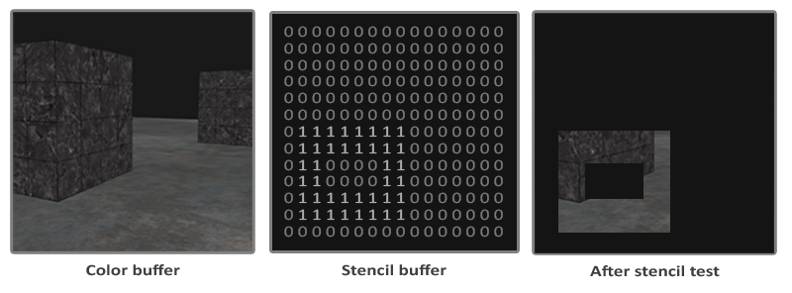
 | 模板缓冲首先会被清除为0，之后在模板缓冲中使用1填充了一个空心矩形。场景中的片段将会只在片段的模板值为1的时候会被渲染（其它的都被丢弃了）。 模板缓冲操作允许我们在渲染片段时将模板缓冲设定为一个特定的值。在同一个（或者接下来的）帧中，我们可以读取这些值，来决定丢弃还是保留某个片段。使用模板缓冲的时候你可以尽情发挥，但大体的步骤如下： 启用模板缓冲的写入。 渲染物体，更新模板缓冲的内容。 禁用模板缓冲的写入。 渲染（其它）物体，这次根据模板缓冲的内容丢弃特定的片段。 所以，通过使用模板缓冲，我们可以根据场景中已绘制的其它物体的片段，来决定是否丢弃特定的片段。 你可以启用GL_STENCIL_TEST来启用模板测试。在这一行代码之后，所有的渲染调用都会以某种方式影响着模板缓冲。 glEnable(GL_STENCIL_TEST); 注意，和颜色和深度缓冲一样，你也需要在每次迭代之前清除模板缓冲。 glClear(GL_COLOR_BUFFER_BIT | GL_DEPTH_BUFFER_BIT | GL_STENCIL_BUFFER_BIT); 和深度测试的glDepthMask函数一样，模板缓冲也有一个类似的函数。glStencilMask允许我们设置一个位掩码(Bitmask)，它会与将要写入缓冲的模板值进行与(AND)运算。默认情况下设置的位掩码所有位都为1，不影响输出，但如果我们将它设置为0x00，写入缓冲的所有模板值最后都会变成0.这与深度测试中的glDepthMask(GL_FALSE)是等价的。 glStencilMask(0xFF); // 每一位写入模板缓冲时都保持原样 glStencilMask(0x00); // 每一位在写入模板缓冲时都会变成0（禁用写入） 大部分情况下你都只会使用0x00或者0xFF作为模板掩码(Stencil Mask)，但是知道有选项可以设置自定义的位掩码总是好的。 | void RendererAPI::Init() { // 模板测试： // 默认关闭，使用模板缓冲区（Stencil Buffer）来限制绘制区域。 // 可以先在模板缓冲区中绘制一个形状（例如一个圆形或人物轮廓），然后后续的绘制操作只会在模板值匹配的区域进行绘制。 // 配套函数glStencilFunc、glStencilOp 控制测试条件和缓冲区更新规则。 glEnable(GL_STENCIL_TEST); } void RendererAPI::Clear() { glClear(GL_COLOR_BUFFER_BIT | GL_DEPTH_BUFFER_BIT | GL_STENCIL_BUFFER_BIT); }
模板函数 | 和深度测试一样，我们对片段应该通过还是丢弃，以及它应该如何影响模板缓冲，也是有一定控制的。一共有两个函数能够用来配置模板测试：glStencilFunc和glStencilOp。 glStencilFunc(GLenum func, GLint ref, GLuint mask)包含三个参数： func：设置模板测试函数(Stencil Test Function)。这个测试函数将会应用到已储存的模板值上和glStencilFunc函数的ref值上。可用的选项有：GL_NEVER、GL_LESS、GL_LEQUAL、GL_GREATER、GL_GEQUAL、GL_EQUAL、GL_NOTEQUAL和GL_ALWAYS。它们的语义和深度缓冲的函数类似。 ref：设置了模板测试的参考值(Reference Value)。模板缓冲的内容将会与这个值进行比较。 mask：设置一个掩码，它将会与参考值和储存的模板值在测试比较它们之前进行与(AND)运算。初始情况下所有位都为1。 glStencilFunc(GL_EQUAL, 1, 0xFF) 这会告诉OpenGL，只要一个片段的模板值等于(GL_EQUAL)参考值1，片段将会通过测试并被绘制，否则会被丢弃。 glStencilOp(GLenum sfail, GLenum dpfail, GLenum dppass)包含三个选项，能够设定每个选项应该采取的行为： sfail：模板测试失败时采取的行为。 dpfail：模板测试通过，但深度测试失败时采取的行为。 dppass：模板测试和深度测试都通过时采取的行为。 默认情况下glStencilOp是设置为(GL_KEEP, GL_KEEP, GL_KEEP)的，不论任何测试的结果是如何，模板缓冲都会保留它的值。默认的行为也不会更新模板缓冲，所以如果你想写入模板缓冲的话，你需要至少对其中一个选项设置不同的值。 | 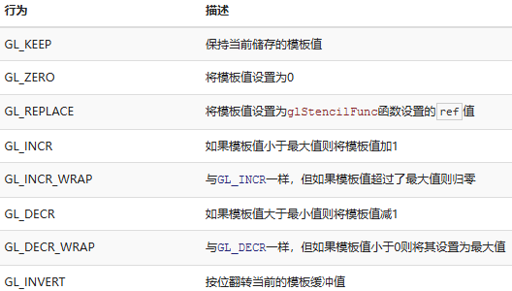
物体轮廓(Object Outlining)：使用模板测试可以完成的有用特性 | 物体轮廓会为每个（或者一个）物体在它的周围创建一个很小的有色边框。当你想要在策略游戏中选中一个单位进行操作的，想要告诉玩家选中的是哪个单位的时候，这个效果就非常有用了。为物体创建轮廓的步骤如下： 启用模板写入。 在绘制（需要添加轮廓的）物体之前，将模板函数设置为GL_ALWAYS，每当物体的片段被渲染时，将模板缓冲更新为1。 渲染物体。 禁用模板写入以及深度测试。 将每个物体缩放一点点。 使用一个不同的片段着色器，输出一个单独的（边框）颜色。 再次绘制物体，但只在它们片段的模板值不等于1时才绘制。 再次启用模板写入和深度测试。 这个过程将每个物体的片段的模板缓冲设置为1，当我们想要绘制边框的时候，我们主要绘制放大版本的物体中模板测试通过的部分，也就是物体的边框的位置。我们主要使用模板缓冲丢弃了放大版本中属于原物体片段的部分。 | 首先我们创建一个很简单的片段着色器，它会输出一个边框颜色。我们简单地给它设置一个硬编码的颜色值，将这个着色器命名为shaderSingleColor： void main() { FragColor = vec4(0.04, 0.28, 0.26, 1.0); } 我们只想给两个箱子加上边框，所以我们让地板不参与这个过程。我们希望首先绘制地板，再绘制两个箱子（并写入模板缓冲），之后绘制放大的箱子（并丢弃覆盖了之前绘制的箱子片段的那些片段）。 我们首先启用模板测试： glEnable(GL_STENCIL_TEST); 并设置glStencilOp： glStencilOp(GL_KEEP, GL_KEEP, GL_REPLACE); 如果其中的一个测试失败了，我们什么都不做，我们仅仅保留当前储存在模板缓冲中的值。如果模板测试和深度测试都通过了，那么我们希望将储存的模板值设置为参考值，参考值能够通过glStencilFunc来设置，我们之后会设置为1。 将模板缓冲清除为0，对箱子中所有绘制的片段，将模板值更新为1： glStencilOp(GL_KEEP, GL_KEEP, GL_REPLACE); glStencilFunc(GL_ALWAYS, 1, 0xFF); // 所有的片段都应该更新模板缓冲 glStencilMask(0xFF); // 启用模板缓冲写入 normalShader.use(); DrawTwoContainers(); 通过使用GL_REPLACE模板测试函数，我们保证了箱子的每个片段都会将模板缓冲的模板值更新为1。因为片段永远会通过模板测试，在绘制片段的地方，模板缓冲会被更新为参考值1 | 现在模板缓冲在箱子被绘制的地方都更新为1了，我们将要绘制放大的箱子，但这次要禁用模板缓冲的写入： glStencilFunc(GL_NOTEQUAL, 1, 0xFF); glStencilMask(0x00); // 禁止模板缓冲的写入 glDisable(GL_DEPTH_TEST); shaderSingleColor.use(); DrawTwoScaledUpContainers(); 我们将模板函数设置为GL_NOTEQUAL，它会保证我们只绘制箱子上模板值不为1的部分，即只绘制箱子在之前绘制的箱子之外的部分。注意我们也禁用了深度测试，让放大的箱子，即边框，不会被地板所覆盖。 记得要在完成之后重新启用深度缓冲。 场景中物体轮廓的完整步骤会看起来像这样： glEnable(GL_DEPTH_TEST); glStencilOp(GL_KEEP, GL_KEEP, GL_REPLACE); glClear(GL_COLOR_BUFFER_BIT | GL_DEPTH_BUFFER_BIT | GL_STENCIL_BUFFER_BIT); glStencilMask(0x00); // 记得保证我们在绘制地板的时候不会更新模板缓冲 normalShader.use(); DrawFloor() glStencilFunc(GL_ALWAYS, 1, 0xFF); glStencilMask(0xFF); DrawTwoContainers(); glStencilFunc(GL_NOTEQUAL, 1, 0xFF); glStencilMask(0x00); glDisable(GL_DEPTH_TEST); shaderSingleColor.use(); DrawTwoScaledUpContainers(); glStencilMask(0xFF); glEnable(GL_DEPTH_TEST);
 | 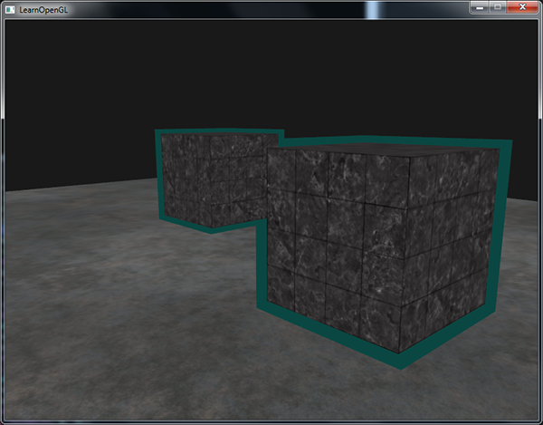
 | void SceneRenderer::GBuffer() { m_GBufferFramebuffer->Bind(); { // glStencilMask(0x00) 会阻止 glClear 清除模板缓冲。 RendererAPI::SetStencilMask(0xFF); Renderer::Clear(); m_GBufferFramebuffer->ClearAttachmentInt(5, -1); // 把EntityID数据置-1 RendererAPI::SetCullFaceEnable(true); // 把需要模板测试的像素，在模板缓冲区中标记为 1；背景（没有物体）标记为 0。 RendererAPI::SetStencilTestEnable(true); // 所有片元通过，设置 ref 为 1 RendererAPI::SetStencilFunc(StencilFunc::ALWAYS, 1, 0xFF); // 片元通过模板测试后，把缓冲区值替换为 1（ref） RendererAPI::SetStencilOp(StencilOp::KEEP, StencilOp::REPLACE, StencilOp::REPLACE); // 禁止写入模板值，只在RenderScene中对有需求的物体渲染时会允许写入模板值 RendererAPI::SetStencilMask(0x00); RendererAPI::SetDepthTestEnable(true); // 注意！！！ GBuffer渲染时不能开混合模式，渲染会出错 RendererAPI::SetBlendEnable(false); m_ActiveScene->SetRenderType(RenderType::G_BUFFER); RenderScene(); m_ActiveScene->SetRenderType(RenderType::NORMAL); m_GBufferFramebuffer->Unbind(); } } void SceneRenderer::DeferredShading() { m_DeferredShadingFramebuffer->Bind(); { // glStencilMask(0x00) 会阻止 glClear 清除模板缓冲。 RendererAPI::SetStencilMask(0xFF); Renderer::Clear(); m_DeferredShadingFramebuffer->ClearAttachmentInt(1, -1);// 把EntityID数据置-1 uint32_t positionAndDepthTextureID = m_GBufferFramebuffer->GetColorAttachmentRendererID(0); uint32_t albedoTextureID = m_GBufferFramebuffer->GetColorAttachmentRendererID(1); uint32_t normalTextureID = m_GBufferFramebuffer->GetColorAttachmentRendererID(2); uint32_t emissionTextureID = m_GBufferFramebuffer->GetColorAttachmentRendererID(4); uint32_t entityIDTextureID = m_GBufferFramebuffer->GetColorAttachmentRendererID(5); uint32_t ambientTextureID = m_LightShadingFramebuffer->GetColorAttachmentRendererID(0); uint32_t diffuseTextureID = m_LightShadingFramebuffer->GetColorAttachmentRendererID(1); uint32_t specularTextureID = m_LightShadingFramebuffer->GetColorAttachmentRendere | void Scene::RenderScene(Camera& camera, const glm::mat4& transform, const glm::vec3& position, const glm::vec3& rotation) { //Draw Mesh BindShader(m_RenderType); TraverseEntity(m_EntityList, [&](Ref<Entity> entity) { if (entity->HasComponent<MeshComponent>() && entity->GetComponent<MeshComponent>().enabled && entity->HasComponent<MeshRendererComponent>() && entity->GetComponent<MeshRendererComponent>().enabled) { auto& transformComp = entity->GetComponent<TransformComponent>(); auto& meshComp = entity->GetComponent<MeshComponent>(); auto& meshRendererComp = entity->GetComponent<MeshRendererComponent>(); glm::mat4 worldTransform = entity->GetWorldTransform(); glm::mat4 normalTransform = transpose(inverse(worldTransform));//glm::mat3(transpose(inverse(transform))); UniformBufferManager::GetUniformBuffer("MeshTransform")->SetData(&worldTransform, 4 * 4 * sizeof(float)); UniformBufferManager::GetUniformBuffer("MeshTransform")->SetData(&normalTransform, 4 * 4 * sizeof(float), 4 * 4 * sizeof(float)); bool outlineEnabled = meshRendererComp.HasFlag(meshRendererComp.flags, MeshRendererComponent::MeshRendererFlags::Outline); if (!outlineEnabled && m_RenderType == RenderType::OUTLINE) return; if (outlineEnabled && m_RenderType == RenderType::OUTLINE) { // 计算放大后的模型矩阵 glm::mat4 scaleMat = glm::scale(glm::mat4(1.0f), glm::vec3(meshRendererComp.outlineScale)); worldTransform = worldTransform * scaleMat; UniformBufferManager::GetUniformBuffer("OutlineColor")->SetData(&meshRendererComp.outlineColor, sizeof(glm::vec4)); } if (outlineEnabled && m_RenderType != RenderType::OUTLINE) { RendererAPI::SetStencilMask(0xFF); } switch (meshComp.meshType) { case MeshType::None: break; case MeshType::Quad: break; case MeshType::Circle: break; case MeshType::Line: break; case MeshType::Plane: { Renderer3D::DrawP | Outline.glsl #type vertex #version 450 core layout(location = 0) in vec3 a_Position; layout(std140, binding = 0) uniform Camera { mat4 u_ViewProjection; }; void main() { gl_Position = u_ViewProjection * vec4(a_Position, 1.0); } #type fragment #version 450 core layout (location = 0) out vec4 o_FragColor; layout(std140, binding = 12) uniform OutlineColor { vec4 u_OutlineColor; }; void main() { o_FragColor = u_OutlineColor; } | Volcano/Platform/OpenGL/OpenGLRendererAPI.cpp class RendererAPI { public: static bool GetRenderOperationEnabled(RenderOperation enabled); static int GetRenderOperationStatus(RenderOperationStatus status); } static BlendFunc OpenGLBlendFuncToVolcano(GLenum func) { switch (func) { case GL_SRC_ALPHA: return BlendFunc::SRC_ALPHA; case GL_ONE_MINUS_SRC_ALPHA: return BlendFunc::ONE_MINUS_SRC_ALPHA; case GL_ONE: return BlendFunc::ONE; case GL_ZERO: return BlendFunc::ZERO; case GL_DST_COLOR: return BlendFunc::DST_COLOR; default: return BlendFunc::SRC_ALPHA; } VOL_CORE_ASSERT(false, "Unknown BlendFunc!"); } bool RendererAPI::GetRenderOperationEnabled(RenderOperation enabled) { switch (enabled) { case RenderOperation::CULLFACE: return (bool)glIsEnabled(GL_CULL_FACE); case RenderOperation::STENCIL_TEST: return (bool)glIsEnabled(GL_STENCIL_TEST); case RenderOperation::DEPTH_TEST: return (bool)glIsEnabled(GL_DEPTH_TEST); case RenderOperation::BLEND: return (bool)glIsEnabled(GL_BLEND); default: return false; } } int RendererAPI::GetRenderOperationStatus(RenderOperationStatus status) { int result = 0; switch (status) { case RenderOperationStatus::DEPTH_FUNC: glGetIntegerv(GL_DEPTH_FUNC, &result); break; case RenderOperationStatus::DEPTH_WRITEMASK: glGetIntegerv(GL_DEPTH_WRITEMASK, &result); break; case RenderOperationStatus::STENCIL_FUNC: glGetIntegerv(GL_STENCIL_FUNC, &result); break; case RenderOperationStatus::STENCIL_REF: glGetIntegerv(GL_STENCIL_REF, &result); break; case RenderOperationStatus::STENCIL_VALUE_MASK: glGetIntegerv(GL_STENCIL_VALUE_MASK, &result); break; case RenderOperationStatus::BLEND_SRC_RGB: glGetIntegerv(GL_BLEND_SRC_RGB, &result); OpenGLBlendFuncToVolcano(result); break; case RenderOperationStatus::BLEND_DST_RGB: glGetIntegerv(GL_BLEND_DST_RGB, &result); OpenGLBlendFuncToVolcano(resu
混合(Blending) | 混合(Blending)通常是实现物体透明度(Transparency)的一种技术。透明就是说一个物体（或者其中的一部分）不是纯色(Solid Color)的，它的颜色是物体本身的颜色和它背后其它物体的颜色的不同强度结合。一个有色玻璃窗是一个透明的物体，玻璃有它自己的颜色，但它最终的颜色还包含了玻璃之后所有物体的颜色。这也是混合这一名字的出处，我们混合(Blend)（不同物体的）多种颜色为一种颜色。所以透明度能让我们看穿物体。 透明的物体可以是完全透明的（让所有的颜色穿过），或者是半透明的（它让颜色通过，同时也会显示自身的颜色）。一个物体的透明度是通过它颜色的alpha值来决定的。Alpha颜色值是颜色向量的第四个分量。当alpha值为0.5时，物体的颜色有50%是来自物体自身的颜色，50%来自背后物体的颜色。 我们目前一直使用的纹理有三个颜色分量：红、绿、蓝。但一些材质会有一个内嵌的alpha通道，对每个纹素(Texel)都包含了一个alpha值。这个alpha值精确地告诉我们纹理各个部分的透明度。比如说，下面这个窗户纹理中的玻璃部分的alpha值为0.25（它在一般情况下是完全的红色，但由于它有75%的透明度，能让很大一部分的网站背景颜色穿过，让它看起来不那么红了），角落的alpha值是0.0。 | 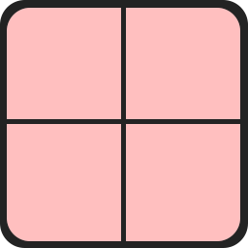
丢弃片段 | 有些图片并不需要半透明，只需要根据纹理颜色值，显示一部分，或者不显示一部分，没有中间情况。比如说草，如果想不太费劲地创建草这种东西，你需要将一个草的纹理贴在一个2D四边形(Quad)上，然后将这个四边形放到场景中。然而，草的形状和2D四边形的形状并不完全相同，所以你只想显示草纹理的某些部分，而忽略剩下的部分。 下面这个纹理正是这样的，它要么是完全不透明的（alpha值为1.0），要么是完全透明的（alpha值为0.0），没有中间情况。你可以看到，只要不是草的部分，这个图片显示的都是网站的背景颜色而不是它本身的颜色。 当添加像草这样的植被到场景中时，我们不希望看到草的方形图像，而是只显示草的部分，并能看透图像其余的部分。我们想要丢弃(Discard)显示纹理中透明部分的片段，不将这些片段存储到颜色缓冲中 在此之前，我们还要学习如何加载一个透明的纹理。要想加载有alpha值的纹理，我们并不需要改很多东西，stb_image在纹理有alpha通道的时候会自动加载，但我们仍要在纹理生成过程中告诉OpenGL，我们的纹理现在使用alpha通道了： glTexImage2D(GL_TEXTURE_2D, 0, GL_RGBA, width, height, 0, GL_RGBA, GL_UNSIGNED_BYTE, data); 同样，保证你在片段着色器中获取了纹理的全部4个颜色分量，而不仅仅是RGB分量： void main() { FragColor = texture(texture1, TexCoords); } | OpenGL默认是不知道怎么处理alpha值的，更不知道什么时候应该丢弃片段。我们需要自己手动来弄。GLSL给了我们discard命令，一旦被调用，它就会保证片段不会被进一步处理，所以就不会进入颜色缓冲。我们能在片段着色器中检测一个片段的alpha值是否低于某个阈值，如果是的话，则丢弃这个片段，就好像它不存在一样： #version 330 core out vec4 FragColor; in vec2 TexCoords; uniform sampler2D texture1; void main() { vec4 texColor = texture(texture1, TexCoords); if(texColor.a < 0.1) discard; FragColor = texColor; } 这里，我们检测被采样的纹理颜色的alpha值是否低于0.1的阈值，如果是的话，则丢弃这个片段。片段着色器保证了它只会渲染不是（几乎）完全透明的片段。现在它看起来就正常了： | 注意，当采样纹理的边缘的时候，OpenGL会对边缘的值和纹理下一个重复的值进行插值（因为我们将它的环绕方式设置为了GL_REPEAT。这通常是没问题的，但是由于我们使用了透明值，纹理图像的顶部将会与底部边缘的纯色值进行插值。这样的结果是一个半透明的有色边框，你可能会看见它环绕着你的纹理四边形。要想避免这个，每当你alpha纹理的时候，请将纹理的环绕方式设置为GL_CLAMP_TO_EDGE： glTexParameteri( GL_TEXTURE_2D, GL_TEXTURE_WRAP_S, GL_CLAMP_TO_EDGE); glTexParameteri( GL_TEXTURE_2D, GL_TEXTURE_WRAP_T, GL_CLAMP_TO_EDGE);
 | 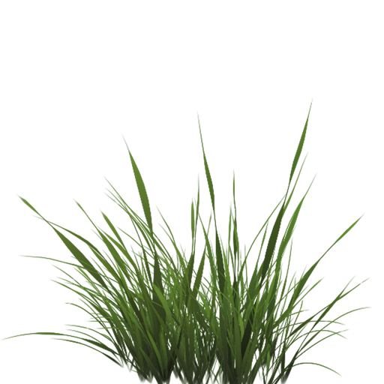 | 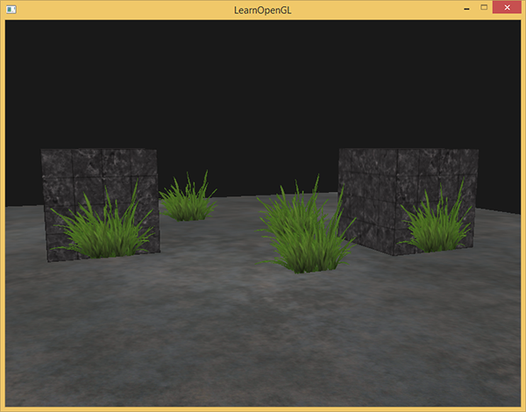
混合(Blending) | 虽然直接丢弃片段很好，但它不能让我们渲染半透明的图像。我们要么渲染一个片段，要么完全丢弃它。要想渲染有多个透明度级别的图像，我们需要启用混合(Blending)。和OpenGL大多数的功能一样，我们可以启用GL_BLEND来启用混合： glEnable(GL_BLEND); 启用了混合之后，我们需要告诉OpenGL它该如何混合。 OpenGL中的混合是通过下面这个方程来实现的： C¯result = C¯source ∗ Fsource + C¯destination ∗ Fdestination C¯source：源颜色向量。这是源自纹理的颜色向量。 C¯destination：目标颜色向量。这是当前储存在颜色缓冲中的颜色向量。 Fsource：源因子值。指定了alpha值对源颜色的影响。 Fdestination：目标因子值。指定了alpha值对目标颜色的影响。 片段着色器运行完成后，并且所有的测试都通过之后，这个混合方程(Blend Equation)才会应用到片段颜色输出与当前颜色缓冲中的值（当前片段之前储存的之前片段的颜色）上。源颜色和目标颜色将会由OpenGL自动设定，但源因子和目标因子的值可以由我们来决定 | 我们有两个方形，我们希望将这个半透明的绿色方形绘制在红色方形之上。红色的方形将会是目标颜色（所以它应该先在颜色缓冲中），我们将要在这个红色方形之上绘制这个绿色方形。 我们将因子值设置为什么？ 我们想让绿色方形乘以它的alpha值，所以我们想要将Fsrc设置为源颜色向量的alpha值，也就是0.6。接下来就应该清楚了，目标方形的贡献应该为剩下的alpha值。如果绿色方形对最终颜色贡献了60%，那么红色方块应该对最终颜色贡献了40%，即1.0 - 0.6。所以我们将Fdestination设置为1减去源颜色向量的alpha值。 | 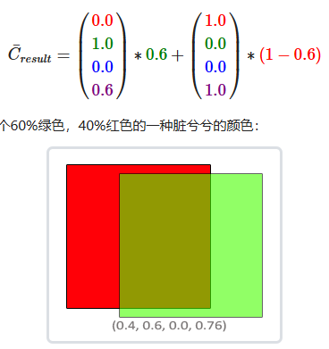
 | glBlendFunc(GLenum sfactor, GLenum dfactor)函数接受两个参数，设置源和目标因子。OpenGL为我们定义了很多个选项，我们将在下面列出大部分最常用的选项。注意常数颜色向量C¯constant可以通过glBlendColor函数来另外设置。 为了获得之前两个方形的混合结果，我们需要使用源颜色向量的alpha作为源因子，使用1−alpha作为目标因子。这将会产生以下的glBlendFunc： glBlendFunc(GL_SRC_ALPHA, GL_ONE_MINUS_SRC_ALPHA); 也可以使用glBlendFuncSeparate为RGB和alpha通道分别设置不同的选项： glBlendFuncSeparate(GL_SRC_ALPHA, GL_ONE_MINUS_SRC_ALPHA, GL_ONE, GL_ZERO); 这个函数和我们之前设置的那样设置了RGB分量，但这样能让最终的alpha分量只被源颜色向量的alpha值所影响到。 OpenGL甚至给了我们更多的灵活性，允许我们改变方程中源和目标部分的运算符。当前源和目标是相加的，但如果愿意的话，我们也可以让它们相减。glBlendEquation(GLenum mode)允许我们设置运算符，它提供了三个选项： GL_FUNC_ADD：默认选项，将两个分量相加：C¯result=Src+Dst GL_FUNC_SUBTRACT：将两个分量相减： C¯result=Src−Dst GL_FUNC_REVERSE_SUBTRACT：将两个分量相减，但顺序相反：C¯result=Dst−Src GL_MIN：取两个分量中的最小值：C¯result=min(Dst,Src) GL_MAX：取两个分量中的最大值：C¯result=max(Dst,Src) 通常我们都可以省略调用glBlendEquation，因为GL_FUNC_ADD对大部分的操作来说都是我们希望的混合方程，但如果你真的想打破主流，其它的方程也可能符合你的要求。 | 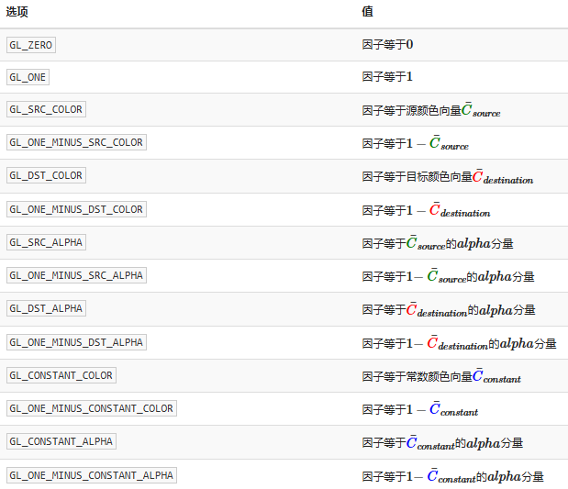
渲染半透明纹理 | 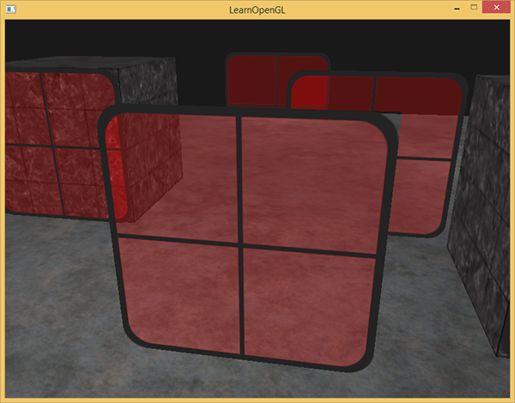 | 最前面窗户的透明部分遮蔽了背后的窗户？这为什么会发生呢？ 发生这一现象的原因是，深度测试和混合一起使用的话会产生一些麻烦。当写入深度缓冲时，深度缓冲不会检查片段是否是透明的，所以透明的部分会和其它值一样写入到深度缓冲中。结果就是窗户的整个四边形不论透明度都会进行深度测试。即使透明的部分应该显示背后的窗户，深度测试仍然丢弃了它们。 所以我们不能随意地决定如何渲染窗户，让深度缓冲解决所有的问题了。这也是混合变得有些麻烦的部分。要想保证窗户中能够显示它们背后的窗户，我们需要首先绘制背后的这部分窗户。这也就是说在绘制的时候，我们必须先手动将窗户按照最远到最近来排序，再按照顺序渲染。 注意，对于草这种全透明的物体，我们可以选择丢弃透明的片段而不是混合它们，这样就解决了这些头疼的问题（没有深度问题）。
面剔除 | 一个3D立方体，从任意方向最多能同时看到最大的面数是3。所以我们为什么要浪费时间绘制我们不能看见的那3个面呢？如果我们能够以某种方式丢弃这几个看不见的面，我们能省下超过50%的片段着色器执行数，因为从特定角度来看的话只能看见2个甚至是1个面。 如果我们想象任何一个闭合形状，它的每一个面都有两侧，每一侧要么面向用户，要么背对用户。如果我们能够只绘制面向观察者的面呢？ 这正是面剔除(Face Culling)所做的。OpenGL能够检查所有面向(Front Facing)观察者的面，并渲染它们，而丢弃那些背向(Back Facing)的面，节省我们很多的片段着色器调用（它们的开销很大！）。但我们仍要告诉OpenGL哪些面是正向面(Front Face)，哪些面是背向面(Back Face)。OpenGL使用了一个很聪明的技巧，分析顶点数据的环绕顺序(Winding Order)。 | 要想启用面剔除，我们需要启用OpenGL的GL_CULL_FACE选项： glEnable(GL_CULL_FACE); OpenGL允许我们改变需要剔除的面的类型。如果我们只想剔除正向面而不是背向面 glCullFace(GL_FRONT); glCullFace函数有三个可用的选项： GL_BACK：只剔除背向面。 GL_FRONT：只剔除正向面。 GL_FRONT_AND_BACK：剔除正向面和背向面。 glCullFace的初始值是GL_BACK。除了需要剔除的面之外，我们也可以通过调用glFrontFace，告诉OpenGL我们希望将顺时针的面（而不是逆时针的面）定义为正向面： glFrontFace(GL_CCW); 默认值是GL_CCW，它代表逆时针的环绕顺序，另一个选项是GL_CW，代表的是顺时针顺序。
环绕顺序 | 当我们定义一组三角形顶点时，我们会以特定的环绕顺序来定义它们，可能是顺时针(Clockwise)的，也可能是逆时针(Counter-clockwise)的。每个三角形由3个顶点所组成，我们会从三角形中间来看，为这3个顶点设定一个环绕顺序。 OpenGL在渲染图元的时候将使用这个信息来决定一个三角形是一个正向三角形还是背向三角形。默认情况下，逆时针顶点所定义的三角形将会被处理为正向三角形。 | 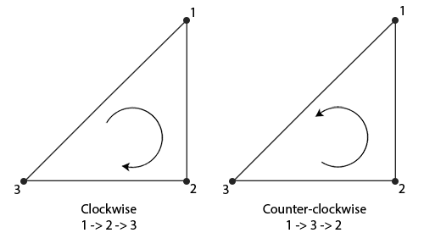 | 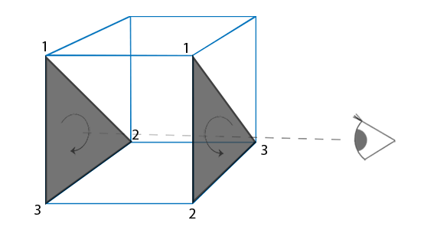
帧缓冲(Framebuffer) 注：储存在GPU内存中 在开发日志1中有相关介绍和代码 | 帧缓冲(Framebuffer)：包括用于写入颜色值的颜色缓冲、用于写入深度信息的深度缓冲和允许我们根据一些条件丢弃特定片段的模板缓冲。
反相(Inversion) | 从屏幕纹理中取颜色值，然后用1.0减去它，对它进行反相 void main() { FragColor = vec4(vec3(1.0 - texture(screenTexture, TexCoords)), 1.0); } | 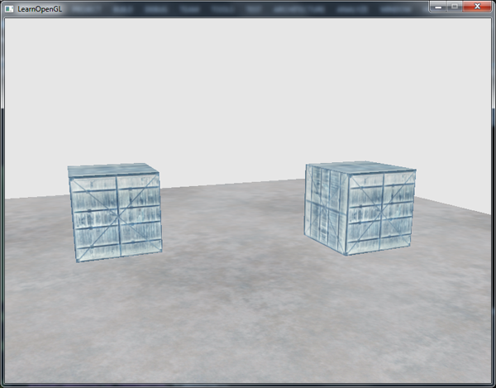
灰度(Grayscale) | 移除场景中除了黑白灰以外所有的颜色，让整个图像灰度化(Grayscale)。很简单的实现方式是，取所有的颜色分量，将它们平均化： void main() { FragColor = texture(screenTexture, TexCoords); float average = (FragColor.r + FragColor.g + FragColor.b) / 3.0; FragColor = vec4(average, average, average, 1.0); } 这已经能创造很好的结果了，但人眼会对绿色更加敏感一些，而对蓝色不那么敏感，所以为了获取物理上更精确的效果，我们需要使用加权的(Weighted)通道： void main() { FragColor = texture(screenTexture, TexCoords); float average = 0.2126 * FragColor.r + 0.7152 * FragColor.g + 0.0722 * FragColor.b; FragColor = vec4(average, average, average, 1.0); } | 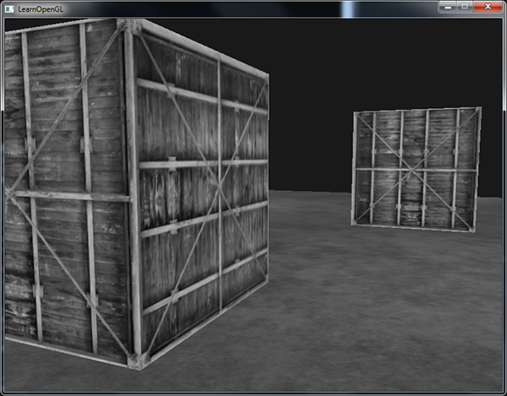
核效果(Kernel) | 核(Kernel)（或卷积矩阵(Convolution Matrix)）是一个类矩阵的数值数组，它的中心为当前的像素，它会用它的核值乘以周围的像素值，并将结果相加变成一个值。所以，基本上我们是在对当前像素周围的纹理坐标添加一个小的偏移量，并根据核将结果合并。下面是核的一个例子： 这个核取了8个周围像素值，将它们乘以2，而把当前的像素乘以-15。这个核的例子将周围的像素乘上了一个权重，并将当前像素乘以一个比较大的负权重来平衡结果。 你在网上找到的大部分核将所有的权重加起来之后都应该会等于1，如果它们加起来不等于1，这就意味着最终的纹理颜色将会比原纹理值更亮或者更暗了。 核是后期处理一个非常有用的工具，它们使用和实验起来都很简单，网上也能找到很多例子。我们需要稍微修改一下片段着色器，让它能够支持核。我们假设使用的核都是3x3核（实际上大部分核都是）： 在片段着色器中，我们首先为周围的纹理坐标创建了一个9个vec2偏移量的数组。偏移量是一个常量，你可以按照你的喜好自定义它。之后我们定义一个核，在这个例子中是一个锐化(Sharpen)核，它会采样周围的所有像素，锐化每个颜色值。最后，在采样时我们将每个偏移量加到当前纹理坐标上，获取需要采样的纹理，之后将这些纹理值乘以加权的核值，并将它们加到一起。 这个锐化核看起来是这样的： 这能创建一些很有趣的效果，比如说你的玩家打了麻醉剂所感受到的效果。 |  | const float offset = 1.0 / 300.0; void main() { vec2 offsets[9] = vec2[]( vec2(-offset, offset), // 左上 vec2( 0.0f, offset), // 正上 vec2( offset, offset), // 右上 vec2(-offset, 0.0f), // 左 vec2( 0.0f, 0.0f), // 中 vec2( offset, 0.0f), // 右 vec2(-offset, -offset), // 左下 vec2( 0.0f, -offset), // 正下 vec2( offset, -offset) // 右下 ); float kernel[9] = float[]( -1, -1, -1, -1, 9, -1, -1, -1, -1 ); vec3 sampleTex[9]; for(int i = 0; i < 9; i++) { sampleTex[i] = vec3(texture(screenTexture, TexCoords.st + offsets[i])); } vec3 col = vec3(0.0); for(int i = 0; i < 9; i++) col += sampleTex[i] * kernel[i]; FragColor = vec4(col, 1.0); } | 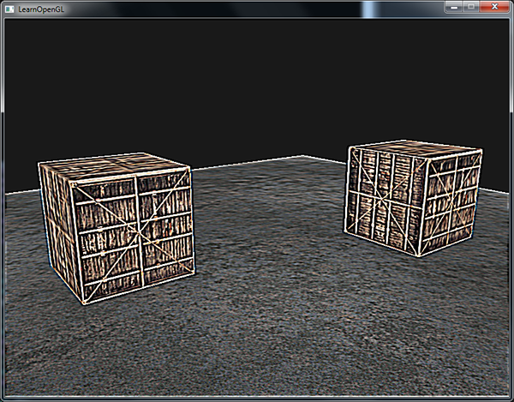
模糊(Blur) | 创建模糊(Blur)效果的核是这样的： 由于所有值的和是16，所以直接返回合并的采样颜色将产生非常亮的颜色，所以我们需要将核的每个值都除以16。最终的核数组将会是： float kernel[9] = float[]( 1.0 / 16, 2.0 / 16, 1.0 / 16, 2.0 / 16, 4.0 / 16, 2.0 / 16, 1.0 / 16, 2.0 / 16, 1.0 / 16 ); 通过在片段着色器中改变核的float数组，我们完全改变了后期处理效果。它现在看起来是这样子的： 我们可以随着时间修改模糊的量，创造出玩家醉酒时的效果，或者在主角没带眼镜的时候增加模糊。模糊也能够让我们来平滑颜色值，我们将在之后教程中使用到。 |  | 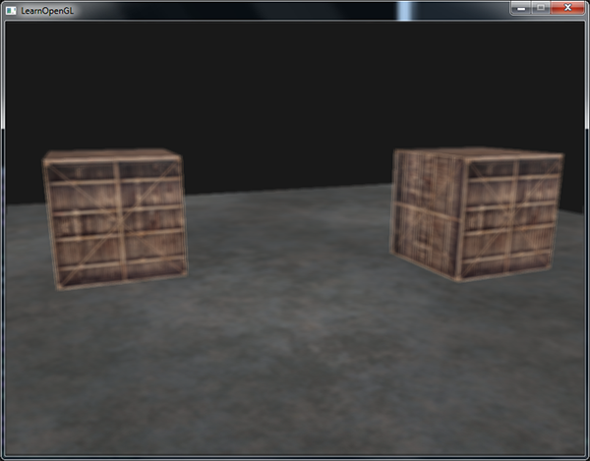
边缘检测(Edge-detection) | 边缘检测(Edge-detection)核和锐化核非常相似，这个核高亮了所有的边缘，而暗化了其它部分，在我们只关心图像的边角的时候是非常有用的。 像是Photoshop这样的图像修改工具/滤镜使用的也是这样的核。因为显卡处理片段的时候有着极强的并行处理能力，我们可以很轻松地在实时的情况下逐像素对图像进行处理。所以图像编辑工具在图像处理的时候会更倾向于使用显卡。 注意，核在对屏幕纹理的边缘进行采样的时候，由于还会对中心像素周围的8个像素进行采样，其实会取到纹理之外的像素。由于环绕方式默认是GL_REPEAT，所以在没有设置的情况下取到的是屏幕另一边的像素，而另一边的像素本不应该对中心像素产生影响，这就可能会在屏幕边缘产生很奇怪的条纹。为了消除这一问题，我们可以将屏幕纹理的环绕方式都设置为GL_CLAMP_TO_EDGE。这样子在取到纹理外的像素时，就能够重复边缘的像素来更精确地估计最终的值了。 |  | 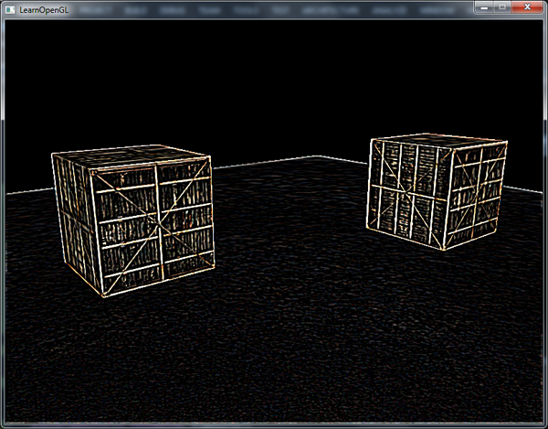
 | void UniformBufferManager::Init() { UniformBufferManager::m_UniformBuffers["PostProcessing"] = UniformBuffer::Create(10 * sizeof(float), 13); } void VolcanoEditorLayer::OnImGuiRender() { ... uint32_t textureID = SceneRenderer::GetPostProcessingFramebuffer()->GetColorAttachmentRendererID(); ImGui::Image((void*)(uint64_t)textureID, ImVec2(m_ViewportSize.x, m_ViewportSize.y), ImVec2(0, 1), ImVec2(1, 0)); ... ImGui::Begin("Stats"); auto stats = Renderer2D::GetStats(); ImGui::Text("Renderer2D Stats:"); ImGui::Text("Draw Calls: %d", stats.DrawCalls); ImGui::Text("Quads: %d", stats.QuadCount); ImGui::Text("Vertices: %d", stats.GetTotalVartexCount()); ImGui::Text("Indices: %d", stats.GetTotalIndexCount()); for (auto& result : m_ProfileResults) { char label[50]; strcpy_s(label, "%.3fms "); strcat_s(label, result.Name); ImGui::Text(label, result.Time); } m_ProfileResults.clear(); ImGui::Checkbox("Show physics colliders", &m_ShowPhysicsColliders); uint32_t& postProcessingFlags = PostProcessing::GetInstance().GetPostProcessingFlags(); uint32_t& kernelFlags = PostProcessing::GetInstance().GetKernelFlags(); ImGui::CheckboxFlags("INVERSION", &postProcessingFlags, (uint32_t)PostProcessingFlags::INVERSION); ImGui::CheckboxFlags("GRAYSCALE", &postProcessingFlags, (uint32_t)PostProcessingFlags::GRAYSCALE); ImGui::CheckboxFlags("KERNEL", &postProcessingFlags, (uint32_t)PostProcessingFlags::KERNEL); ImGui::CheckboxFlags("SHARPEN", &kernelFlags, (uint32_t)KernelFlags::SHARPEN); ImGui::CheckboxFlags("BLUR", &kernelFlags, (uint32_t)KernelFlags::BLUR); ImGui::End(); ... } bool VolcanoEditorLayer::OnMouseButtonPressed(MouseButtonPressedEvent& e) { ... | PostProcessing.glsl #type vertex #version 450 core layout(location = 0) in vec3 a_Position; layout(location = 1) in vec2 a_TexCoord; struct VertexOutput { vec2 TexCoord; }; layout (location = 0) out VertexOutput Output; void main() { Output.TexCoord = a_TexCoord; gl_Position = vec4(a_Position, 1.0); } #type fragment #version 450 core layout (location = 0) out vec4 o_FragColor; layout (location = 1) out int o_EntityID; struct VertexOutput { vec2 TexCoord; }; layout (location = 0) in VertexOutput Input; layout (binding = 0) uniform sampler2D u_ScreenTexture; layout (binding = 1) uniform isampler2D u_EntityID; layout(std140, binding = 13) uniform PostProcessing { uint u_PostProcessingFlags; float u_Kernel0; float u_Kernel1; float u_Kernel2; float u_Kernel3; float u_Kernel4; float u_Kernel5; float u_Kernel6; float u_Kernel7; float u_Kernel8; }; void main() { vec3 result = texture(u_ScreenTexture, Input.TexCoord).rgb; if ((u_PostProcessingFlags & (1 << 2)) != 0) { vec2 offset = 1.0 / textureSize(u_ScreenTexture, 0); vec2 offsets[9] = vec2[]( vec2(-offset.x, offset.y), // 左上 vec2( 0.0f, offset.y), // 正上 vec2( offset.x, offset.y), // 右上 vec2(-offset.x, 0.0f), // 左 vec2( 0.0f, 0.0f), // 中 vec2( offset.x, 0.0f), // 右 vec2(-offset.x, -offset.y), // 左下 vec2( 0.0f, -offset.y), // 正下 vec2( offset.x, -offset.y) // 右下 ); vec3 sampleTex[9]; for(int i = 0; i < 9; i++) { sampleTex[i] = vec3(texture(u_ScreenTexture, Input.TexCoord.st + offsets[i])); } vec3 col = vec3(0.0); col += sampleTex[0] * u_Kernel0; col += sampleTex[1] * u_Kernel1; col += sampleTex[2] * u_Kernel2; col += sampleTex[3] * u_Kernel3; col += sampleTex[4] * u_Kernel4; col += sampleTex[5] * u_Kernel5; col += sampleTex[6] * u_ | Volcano/Renderer/PostProcessing.h #pragma once #include "Volcano/Core/Core.h" namespace Volcano { enum class VOL_API PostProcessingFlags { NONE = 0, INVERSION = 1 << 0, // 反相 GRAYSCALE = 1 << 1, // 灰度 KERNEL = 1 << 2, // 核效果 }; enum class VOL_API KernelFlags { NONE = 0, SHARPEN = 1 << 0, // 锐化 BLUR = 1 << 1, // 模糊 EDGE_DETECTION = 1 << 2 // 边缘检测 }; class VOL_API PostProcessing { public: static PostProcessing& GetInstance() { static PostProcessing instance; // 第一次调用时初始化，线程安全 return instance; } PostProcessing(const PostProcessing&) = delete; PostProcessing& operator=(const PostProcessing&) = delete; PostProcessing(PostProcessing&&) = delete; PostProcessing& operator=(PostProcessing&&) = delete; uint32_t& GetPostProcessingFlags() { return m_PostProcessingFlags; } const uint32_t& GetPostProcessingFlags() const { return m_PostProcessingFlags; } inline bool HasPostProcessingFlag(uint32_t flags, PostProcessingFlags flag) { return (flags & static_cast<uint32_t>(flag)) != 0; } inline bool HasPostProcessingFlag(PostProcessingFlags flag) { return HasPostProcessingFlag(m_PostProcessingFlags, flag); } uint32_t& GetKernelFlags() { return m_KernelFlags; } const uint32_t& GetKernelFlags() const { return m_KernelFlags; } inline bool HasKernelFlag(uint32_t flags, KernelFlags flag) { return (flags & static_cast<uint32_t>(flag)) != 0; } inline bool HasKernelFlag(KernelFlags flag) { return HasKernelFlag(m_KernelFlags, flag); } private: PostProcessing() : m_PostProcessingFlags(0) { } ~PostProcessing() = default; private: uint32_t m_PostProcessingFlags; uint32_t m_KernelFlags; }; }
 | class VOL_API SceneRenderer { public: static void PostProcessing(); void SceneRenderer::PostProcessing(); static Ref<Framebuffer> GetPostProcessingFramebuffer() { return m_PostProcessingFramebuffer; } private: static Ref<Framebuffer> m_PostProcessingFramebuffer; } Ref<Framebuffer> SceneRenderer::m_PostProcessingFramebuffer; void SceneRenderer::Init() { ... fbSpec.Attachments = { FramebufferTextureFormat::RGBA16F, // 颜色缓冲 FramebufferTextureFormat::RED_INTEGER, // EntityID缓冲 FramebufferTextureFormat::Depth // 添加一个深度附件，默认Depth = DEPTH24STENCIL8 }; fbSpec.Width = 1280; fbSpec.Height = 720; fbSpec.Samples = 1; fbSpec.ColorType = TextureType::TEXTURE_2D; fbSpec.DepthType = TextureType::TEXTURE_2D; m_PostProcessingFramebuffer = Framebuffer::Create(fbSpec); } void SceneRenderer::PostProcessing() { struct PostProcessingUBO { uint32_t flags = 0; float kernel0 = 0.0f; float kernel1 = 0.0f; float kernel2 = 0.0f; float kernel3 = 1.0f; float kernel4 = 0.0f; float kernel5 = 0.0f; float kernel6 = 0.0f; float kernel7 = 0.0f; float kernel8 = 0.0f; }; m_PostProcessingFramebuffer->Bind(); { auto& postProcessing = PostProcessing::GetInstance(); PostProcessingUBO ubo; ubo.flags = postProcessing.GetPostProcessingFlags(); if (postProcessing.HasPostProcessingFlag(PostProcessingFlags::KERNEL)) { if (postProcessing.HasKernelFlag(KernelFlags::SHARPEN)) { float kernel[9] = { -1, -1, -1, -1, 9, -1, -1, -1, -1 }; ubo.kernel0 = kernel[0]; ubo.kernel1 = kernel[1]; ubo.kernel2 = kernel[2]; ubo.kernel3 = kernel[3]; ubo.kernel4 = kernel[4]; ubo.kernel5 = kernel[5]; ubo.kernel6 = kernel[6]; ubo.kernel7 = kernel[7]; ubo.kernel8 = kernel[8]; } else if (postProcessing.HasPostProcessingFlag(PostProcessingFlags::KERNEL) && postProcessing.HasKernelFlag(Kern
立方体贴图(Cube Map) | 立方体贴图就是一个包含了6个2D纹理的纹理，每个2D纹理都组成了立方体的一个面。 立方体贴图可以通过一个方向向量来进行索引/采样。假设我们有一个1x1x1的单位立方体，方向向量的原点位于它的中心。使用一个橘黄色的方向向量来从立方体贴图上采样一个纹理值会像是这样： 方向向量的大小并不重要，只要提供了方向，OpenGL就会获取方向向量（最终）所击中的纹素，并返回对应的采样纹理值。 | 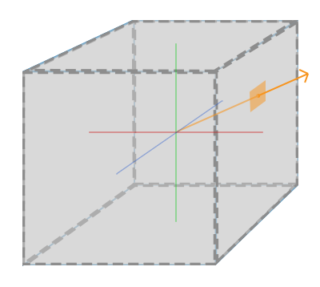
创建立方体贴图 | 立方体贴图是和其它纹理一样的，我们需要生成一个纹理，并将其绑定到纹理目标上。这次要绑定到GL_TEXTURE_CUBE_MAP： unsigned int textureID; glGenTextures(1, &textureID); glBindTexture(GL_TEXTURE_CUBE_MAP, textureID); 因为立方体贴图包含有6个纹理，每个面一个，我们需要调用glTexImage2D函数6次。我们将纹理目标(target)参数设置为立方体贴图的一个特定的面，告诉OpenGL我们在对立方体贴图的哪一个面创建纹理。这就意味着我们需要对立方体贴图的每一个面都调用一次glTexImage2D。 纹理目标 方位 GL_TEXTURE_CUBE_MAP_POSITIVE_X 右 GL_TEXTURE_CUBE_MAP_NEGATIVE_X 左 GL_TEXTURE_CUBE_MAP_POSITIVE_Y 上 GL_TEXTURE_CUBE_MAP_NEGATIVE_Y 下 GL_TEXTURE_CUBE_MAP_POSITIVE_Z 后 GL_TEXTURE_CUBE_MAP_NEGATIVE_Z 前 和OpenGL的很多枚举(Enum)一样，它们背后的int值是线性递增的，如果我们有一个纹理位置的数组或者vector，我们就可以从GL_TEXTURE_CUBE_MAP_POSITIVE_X开始遍历它们，在每个迭代中对枚举值加1，遍历了整个纹理目标： int width, height, nrChannels; unsigned char *data; for(unsigned int i = 0; i < textures_faces.size(); i++) { data = stbi_load(textures_faces[i].c_str(), &width, &height, &nrChannels, 0); glTexImage2D( GL_TEXTURE_CUBE_MAP_POSITIVE_X + i, 0, GL_RGB, width, height, 0, GL_RGB, GL_UNSIGNED_BYTE, data ); } 这里我们有一个叫做textures_faces的vector，它包含了立方体贴图所需的所有纹理路径，并以表中的顺序排列。这将为当前绑定的立方体贴图中的每个面生成一个纹理。 | 立方体贴图和其它纹理没什么不同，我们也需要设定它的环绕和过滤方式： glTexParameteri(GL_TEXTURE_CUBE_MAP, GL_TEXTURE_MAG_FILTER, GL_LINEAR); glTexParameteri(GL_TEXTURE_CUBE_MAP, GL_TEXTURE_MIN_FILTER, GL_LINEAR); glTexParameteri(GL_TEXTURE_CUBE_MAP, GL_TEXTURE_WRAP_S, GL_CLAMP_TO_EDGE); glTexParameteri(GL_TEXTURE_CUBE_MAP, GL_TEXTURE_WRAP_T, GL_CLAMP_TO_EDGE); glTexParameteri(GL_TEXTURE_CUBE_MAP, GL_TEXTURE_WRAP_R, GL_CLAMP_TO_EDGE); GL_TEXTURE_WRAP_R 为纹理的R坐标设置了环绕方式，它对应的是纹理的第三个维度（和位置的z一样）。我们将环绕方式设置为GL_CLAMP_TO_EDGE，这是因为正好处于两个面之间的纹理坐标可能不能击中一个面（由于一些硬件限制），所以通过使用GL_CLAMP_TO_EDGE，OpenGL将在我们对两个面之间采样的时候，永远返回它们的边界值。 在片段着色器中，我们使用一个不同类型的采样器，samplerCube，使用texture函数使用它进行采样，但这次用一个vec3的方向向量而不是vec2。使用立方体贴图的片段着色器会像是这样的： in vec3 textureDir; // 代表3D纹理坐标的方向向量 uniform samplerCube cubemap; // 立方体贴图的纹理采样器 void main() { FragColor = texture(cubemap, textureDir); }
天空盒(Skybox) | 天空盒是一个包含了整个场景的（大）立方体，它包含周围环境的6个图像，让玩家以为他处在一个比实际大得多的环境当中。游戏中使用天空盒的例子有群山、白云或星空。下面这张截图中展示的是星空的天空盒，它来自于『上古卷轴3』： 你可能现在已经猜到了，立方体贴图能完美满足天空盒的需求：我们有一个6面的立方体，每个面都需要一个纹理。在上面的图片中，他们使用了夜空的几张图片，让玩家产生其位于广袤宇宙中的错觉，但实际上他只是在一个小小的盒子当中。 http://www.custommapmakers.org/skyboxes.php 你可以在网上找到很多像这样的天空盒资源。比如说这个网站就提供了很多天空盒。天空盒图像通常有以下的形式： 如果你将这六个面折成一个立方体，你就会得到一个完全贴图的立方体，模拟一个巨大的场景。一些资源可能会提供了这样格式的天空盒，你必须手动提取六个面的图像，但在大部分情况下它们都是6张单独的纹理图像。 之后我们将在场景中使用这个（高质量的）天空盒，它可以在这里下载到。 https://learnopengl-cn.github.io/data/skybox.rar | 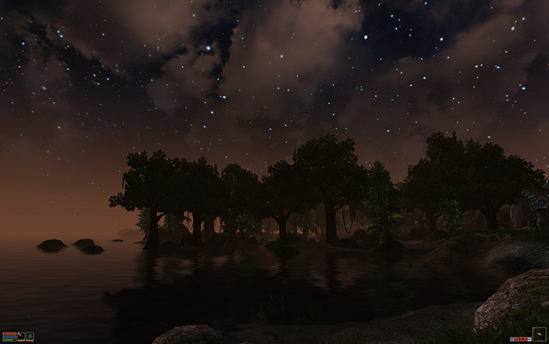 | 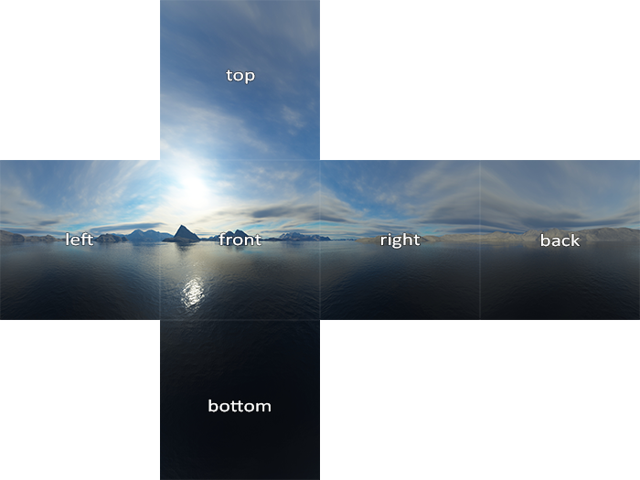
 | 因为天空盒本身就是一个立方体贴图，加载天空盒和之前加载立方体贴图时并没有什么不同。为了加载天空盒，我们将使用下面的函数，它接受一个包含6个纹理路径的vector： unsigned int loadCubemap(vector<std::string> faces) { unsigned int textureID; glGenTextures(1, &textureID); glBindTexture(GL_TEXTURE_CUBE_MAP, textureID); int width, height, nrChannels; for (unsigned int i = 0; i < faces.size(); i++) { unsigned char *data = stbi_load(faces[i].c_str(), &width, &height, &nrChannels, 0); if (data) { glTexImage2D(GL_TEXTURE_CUBE_MAP_POSITIVE_X + i, 0, GL_RGB, width, height, 0, GL_RGB, GL_UNSIGNED_BYTE, data ); stbi_image_free(data); } else { std::cout << "Cubemap texture failed to load at path: " << faces[i] << std::endl; stbi_image_free(data); } } glTexParameteri(GL_TEXTURE_CUBE_MAP, GL_TEXTURE_MIN_FILTER, GL_LINEAR); glTexParameteri(GL_TEXTURE_CUBE_MAP, GL_TEXTURE_MAG_FILTER, GL_LINEAR); glTexParameteri(GL_TEXTURE_CUBE_MAP, GL_TEXTURE_WRAP_S, GL_CLAMP_TO_EDGE); glTexParameteri(GL_TEXTURE_CUBE_MAP, GL_TEXTURE_WRAP_T, GL_CLAMP_TO_EDGE); glTexParameteri(GL_TEXTURE_CUBE_MAP, GL_TEXTURE_WRAP_R, GL_CLAMP_TO_EDGE); return textureID; } 函数本身应该很熟悉了。它基本就是上一部分中立方体贴图的代码，只不过合并到了一个便于管理的函数中。 之后，在调用这个函数之前，我们需要将合适的纹理路径按照立方体贴图枚举指定的顺序加载到一个vector中。 vector<std::string> faces { "right.jpg", "left.jpg", "top.jpg", "bottom.jpg", "front.jpg", "back.jpg" }; unsigned int cubemapTexture = loadCubemap(faces); 现在我们就将这个天空盒加载为一个立方体贴图了，它的id是cubemapTexture。我们可以将它绑定到一个立方体中，替换掉用了很长时间的难看的纯色背景。 | 由于天空盒是绘制在一个立方体上的，和其它物体一样，我们需要另一个VAO、VBO以及新的一组顶点。你可以在这里找到它的顶点数据。 用于贴图3D立方体的立方体贴图可以使用立方体的位置作为纹理坐标来采样。当立方体处于原点(0, 0, 0)时，它的每一个位置向量都是从原点出发的方向向量。这个方向向量正是获取立方体上特定位置的纹理值所需要的。正是因为这个，我们只需要提供位置向量而不用纹理坐标了。 要渲染天空盒的话，我们需要一组新的着色器，它们都不是很复杂。因为我们只有一个顶点属性，顶点着色器非常简单： #version 330 core layout (location = 0) in vec3 aPos; out vec3 TexCoords; uniform mat4 projection; uniform mat4 view; void main() { TexCoords = aPos; gl_Position = projection * view * vec4(aPos, 1.0); } 注意，顶点着色器中很有意思的部分是，我们将输入的位置向量作为输出给片段着色器的纹理坐标。片段着色器会将它作为输入来采样samplerCube： #version 330 core out vec4 FragColor; in vec3 TexCoords; uniform samplerCube skybox; void main() { FragColor = texture(skybox, TexCoords); } 片段着色器非常直观。我们将顶点属性的位置向量作为纹理的方向向量，并使用它从立方体贴图中采样纹理值。 有了立方体贴图纹理，渲染天空盒现在就非常简单了，我们只需要绑定立方体贴图纹理，skybox采样器就会自动填充上天空盒立方体贴图了。绘制天空盒时，我们需要将它变为场景中的第一个渲染的物体，并且禁用深度写入。这样子天空盒就会永远被绘制在其它物体的背后了。 glDepthMask(GL_FALSE); skyboxShader.use(); // ... 设置观察和投影矩阵 glBindVertexArray(skyboxVAO); glBindTexture(GL_TEXTURE_CUBE_MAP, cubemapTexture); glDrawArrays(GL_TRIANGLES, 0, 36); glDepthMask(GL_TRUE); // ... 绘制剩下的场景 如果你运行一下的话你就会发现出现了一些问题。我们希望天空盒是以玩家为中心的，这样不论玩家移动了多远，天空盒都不会变近，让玩家产生周围环境非常大的印象。然而，当前的观察矩阵会旋转、缩放和位移来变换天空盒的所有位置，所以当玩家移动的时候，立方体贴图也会移动！我们希望移除观察矩阵中的位移部分，让移动不会影响天空盒的位置向量。 你可能还记得在基础光照小节中，我们通过取4x4矩阵左上角的3x3矩阵来移除变换矩阵的位移部分。我们可以将观察矩阵转换为3x3矩阵（移除位移），再将其转换回4x4矩阵，来达到类似的效果。 glm::mat4 view = glm::mat4(glm::mat3(camera.GetViewMatrix())); 这将移除任何的位移，但保留旋转变换，让玩家仍然能够环顾场景。 有了天空盒，最终的效果就是一个看起来巨大的场景了。如果你在箱子周围转一转，你就能立刻感受到距离感，极大地提升了场景的真实度。最终的结果看起来是这样的： | 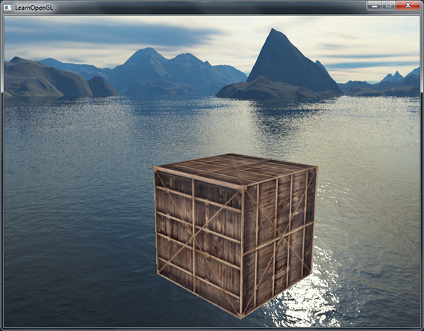
 | 目前我们是首先渲染天空盒，之后再渲染场景中的其它物体。这样子能够工作，但不是非常高效。如果我们先渲染天空盒，我们就会对屏幕上的每一个像素运行一遍片段着色器，即便只有一小部分的天空盒最终是可见的。可以使用提前深度测试(Early Depth Testing)轻松丢弃掉的片段能够节省我们很多宝贵的带宽。 所以，我们将会最后渲染天空盒，以获得轻微的性能提升。这样子的话，深度缓冲就会填充满所有物体的深度值了，我们只需要在提前深度测试通过的地方渲染天空盒的片段就可以了，很大程度上减少了片段着色器的调用。问题是，天空盒很可能会渲染在所有其他对象之上，因为它只是一个1x1x1的立方体（译注：意味着距离摄像机的距离也只有1），会通过大部分的深度测试。不用深度测试来进行渲染不是解决方案，因为天空盒将会复写场景中的其它物体。我们需要欺骗深度缓冲，让它认为天空盒有着最大的深度值1.0，只要它前面有一个物体，深度测试就会失败。 在坐标系统小节中我们说过，透视除法是在顶点着色器运行之后执行的，将gl_Position的xyz坐标除以w分量。我们又从深度测试小节中知道，相除结果的z分量等于顶点的深度值。使用这些信息，我们可以将输出位置的z分量等于它的w分量，让z分量永远等于1.0，这样子的话，当透视除法执行之后，z分量会变为w / w = 1.0。 void main() { TexCoords = aPos; vec4 pos = projection * view * vec4(aPos, 1.0); gl_Position = pos.xyww; } 最终的标准化设备坐标将永远会有一个等于1.0的z值：最大的深度值。结果就是天空盒只会在没有可见物体的地方渲染了（只有这样才能通过深度测试，其它所有的东西都在天空盒前面）。 我们还要改变一下深度函数，将它从默认的GL_LESS改为GL_LEQUAL。深度缓冲将会填充上天空盒的1.0值，所以我们需要保证天空盒在值小于或等于深度缓冲而不是小于时通过深度测试。 你可以在这里找到优化后的源代码。
 | Volcano/Renderer/RendererItem/Skybox.h #pragma once #include "Volcano/Renderer/Camera.h" #include "Volcano/Renderer/VertexArray.h" #include "Volcano/Renderer/RendererItem/Mesh.h" namespace Volcano { class Skybox : public Mesh { public: Skybox(); ~Skybox(); void BeginScene(const Camera& camera, const glm::mat4& transform); void EndScene(); void DrawSkybox(); void DrawIndexed(); private: Ref<VertexArray> m_VertexArray; }; } | Volcano/Renderer/RendererItem/Skybox.h #include "volpch.h" #include "Skybox.h" #include "Volcano/Renderer/Renderer.h" #include "Volcano/Renderer/UniformBuffer.h" namespace Volcano { Skybox::Skybox() { float vertices[] = { // positions -1.0f, 1.0f, -1.0f, -1.0f, -1.0f, -1.0f, 1.0f, -1.0f, -1.0f, 1.0f, -1.0f, -1.0f, 1.0f, 1.0f, -1.0f, -1.0f, 1.0f, -1.0f, -1.0f, -1.0f, 1.0f, -1.0f, -1.0f, -1.0f, -1.0f, 1.0f, -1.0f, -1.0f, 1.0f, -1.0f, -1.0f, 1.0f, 1.0f, -1.0f, -1.0f, 1.0f, 1.0f, -1.0f, -1.0f, 1.0f, -1.0f, 1.0f, 1.0f, 1.0f, 1.0f, 1.0f, 1.0f, 1.0f, 1.0f, 1.0f, -1.0f, 1.0f, -1.0f, -1.0f, -1.0f, -1.0f, 1.0f, -1.0f, 1.0f, 1.0f, 1.0f, 1.0f, 1.0f, 1.0f, 1.0f, 1.0f, 1.0f, -1.0f, 1.0f, -1.0f, -1.0f, 1.0f, -1.0f, 1.0f, -1.0f, 1.0f, 1.0f, -1.0f, 1.0f, 1.0f, 1.0f, 1.0f, 1.0f, 1.0f, -1.0f, 1.0f, 1.0f, -1.0f, 1.0f, -1.0f, -1.0f, -1.0f, -1.0f, -1.0f, -1.0f, 1.0f, 1.0f, -1.0f, -1.0f, 1.0f, -1.0f, -1.0f, -1.0f, -1.0f, 1.0f, 1.0f, -1.0f, 1.0f }; uint32_t indices[36]; for (uint32_t i = 0; i < 36; i++) indices[i] = i; m_VertexArray = VertexArray::Create(); Ref<VertexBuffer> vertexBuffer = VertexBuffer::Create(vertices, sizeof(vertices)); vertexBuffer->SetLayout({{ ShaderDataType::Float3, "a_Position"}}); m_VertexArray->AddVertexBuffer(vertexBuffer); Ref<IndexBuffer> indexBuffer = IndexBuffer::Create(indices, 36); m_VertexArray->SetIndexBuffer(indexBuffer); } Skybox::~Skybox | MeshType MeshLibrary::StringToMeshType(const std::string& str) { static const std::unordered_map<std::string, MeshType> typeMap = { {"class Volcano::Quad", MeshType::Quad }, {"class Volcano::Circle", MeshType::Circle }, {"class Volcano::Line", MeshType::Line }, {"class Volcano::Plane", MeshType::Plane }, {"class Volcano::Cube", MeshType::Cube }, {"class Volcano::Sphere", MeshType::Sphere }, {"class Volcano::Cylinder", MeshType::Cylinder }, {"class Volcano::Capsule", MeshType::Capsule }, {"class Volcano::Model", MeshType::Model }, {"class Volcano::Skybox", MeshType::Skybox } }; auto it = typeMap.find(str); if (it != typeMap.end()) return it->second; return MeshType::None; } std::string MeshLibrary::MeshTypeToString(MeshType meshType) { static const std::unordered_map<MeshType, std::string> typeMap = { { MeshType::Quad, "class Volcano::Quad" }, { MeshType::Circle, "class Volcano::Circle" }, { MeshType::Line, "class Volcano::Line" }, { MeshType::Plane, "class Volcano::Plane" }, { MeshType::Cube, "class Volcano::Cube" }, { MeshType::Sphere, "class Volcano::Sphere" }, { MeshType::Cylinder,"class Volcano::Cylinder" }, { MeshType::Capsule, "class Volcano::Capsule" }, { MeshType::Model, "class Volcano::Model" }, { MeshType::Skybox, "class Volcano::Skybox" } }; auto it = typeMap.find(meshType); if (it != typeMap.end()) return it->second; return std::string(); } void MeshLibrary::Add(const std::string& key) { ... case MeshType::Skybox: { auto meshNode = CreateRef<MeshNode<Sky
 | void UniformBufferManager::Init() { UniformBufferManager::m_UniformBuffers["CameraViewProjection"] = UniformBuffer::Create((4 * 4 + 2) * sizeof(float), 0); UniformBufferManager::m_UniformBuffers["CameraPosition"] = UniformBuffer::Create(4 * sizeof(float), 1); const uint32_t uintOffset = (sizeof(uint32_t) + 15) & ~15; // 将“加 15 后的值”与“掩码”进行按位与操作，实现‌向上取整到最近的 16 倍数‌。 UniformBufferManager::m_UniformBuffers["DirectionalLight"] = UniformBuffer::Create(uintOffset + LightRenderer::MaxDirectionalLight * sizeof(DirectionalLight), 2, UniformBlockType::ShaderStorageBlock); UniformBufferManager::m_UniformBuffers["PointLight"] = UniformBuffer::Create(uintOffset + LightRenderer::MaxPointLight * sizeof(PointLight), 3, UniformBlockType::ShaderStorageBlock); UniformBufferManager::m_UniformBuffers["SpotLight"] = UniformBuffer::Create(uintOffset + LightRenderer::MaxSpotLight * sizeof(SpotLight), 4, UniformBlockType::ShaderStorageBlock); UniformBufferManager::m_UniformBuffers["Material"] = UniformBuffer::Create(sizeof(float), 5); UniformBufferManager::m_UniformBuffers["MeshTransform"] = UniformBuffer::Create(4 * 4 * 2 * sizeof(float), 6); UniformBufferManager::m_UniformBuffers["CameraData"] = UniformBuffer::Create(4 * 4 * 2 * sizeof(float), 7); UniformBufferManager::m_UniformBuffers["DirectionalLightSpaceMatrix"] = UniformBuffer::Create(4 * 4 * sizeof(float), 8); UniformBufferManager::m_UniformBuffers["PointLightSpaceMatrix"] = UniformBuffer::Create((4 * 4 * 6 + 1) * sizeof(float), 9); UniformBufferManager::m_UniformBuffers["SpotLightSpaceMatrix"] = UniformBuffer::Create((4 * 4 + 1) * sizeof(float), 10); UniformBufferManager::m_UniformBuffers["ModelTransform"] = UniformBuffer::Create(4 * 4 * sizeof(float), 11); UniformBufferManager::m_UniformBuffers["OutlineColor"] = UniformBuffer::Create(4 * sizeof(float), 12); UniformBufferManag | struct SkyboxComponent { bool enabled = true; std::array<TextureParameters, 6> textures; Ref<TextureCube> textureCubeMap = TextureCube::Create(TextureInternalFormat::RGB16F, 512, 512); Ref<TextureCube> textureCubeSixSided = TextureCube::Create(TextureInternalFormat::RGB16F, 512, 512); bool Primary = false; int textureType = 0; // 0: TextureCube, 1: Texture2D * 6 SkyboxComponent() = default; SkyboxComponent(const SkyboxComponent&) = default; void ResetTextureCubeSixSided() { std::array<Ref<Texture2D>, 6> faces; for (int i = 0; i != 6; i++) { if (textures[i].key.empty()) { faces[i] = nullptr; } else { faces[i] = Texture::GetTextureLibrary()->Get( textures[i].key, textures[i].flip, textures[i].textureFormat ); } } bool isFacesEmpty = true; for (const auto& face : faces) { if (face != nullptr) { isFacesEmpty = false; break; } } if (isFacesEmpty) { textureCubeSixSided = TextureCube::Create(TextureInternalFormat::RGB16F, 512, 512); } else { textureCubeSixSided = TextureCube::Create(faces); } } };
 | void SceneHierarchyPanel::DrawSkyboxComponent(SkyboxComponent& component) { const char* items[] = { "CubeMap", "6 Sided" }; // 下拉选择框（Combo Box / Dropdown） ImGui::Combo("TextureType", &component.textureType, items, IM_ARRAYSIZE(items)); ImGui::Checkbox("Enabled", &component.enabled); ImGui::Checkbox("Primary", &component.Primary); if (component.textureType == 0) { if (component.textureCubeMap != nullptr) { float aspect = (float)component.textureCubeMap->GetWidth() / (float)component.textureCubeMap->GetHeight(); if (ImGui::ImageButton("TextureCube", (void*)(intptr_t)component.textureCubeMap->GetRendererID(), ImVec2(100.0f * aspect, 100.0f))) component.textureCubeMap = TextureCube::Create(TextureInternalFormat::RGB16F, 512, 512); } else { if (ImGui::Button("TextureCube")) component.textureCubeMap = TextureCube::Create(TextureInternalFormat::RGB16F, 512, 512); } if (ImGui::BeginDragDropTarget()) { if (const ImGuiPayload* payload = ImGui::AcceptDragDropPayload("CONTENT_BROWSER_ITEM")) { const wchar_t* path = (const wchar_t*)payload->Data; std::filesystem::path texturePath = path; if (texturePath.extension() == ".png" || texturePath.extension() == ".jpg") component.textureCubeMap = TextureCube::Create(texturePath.string()); } ImGui::EndDragDropTarget(); } } else if (component.textureType == 1) { const char* buttons[] = { "TextureRight", "TextureLeft", "TextureTop", "TextureBottom", "TextureFront", "TextureBack" }; for (uint32_t i = 0; i != 6; i++) { ImGui::PushID(i); ImGui::Columns(2); ImGui::SetColumnWidth(0, 150.0f); auto& texParam = component.textures[i]; if (texParam.key != std::string()) { Ref<Texture2D> texture = Texture::GetTextureLibrary()->Get(texParam.key, texParam.flip, texParam.textureFormat); float aspect = (float)texture->GetWidth() / (float)texture->GetHeight(); if (ImGui::ImageButton(buttons[i], | // InternalFormat（内部格式）：告诉 GPU “在显存里怎么存”（占用多大显存、用整数还是浮点数、精度多高）。 /* ALPHA 仅 Alpha 通道 LUMINANCE 亮度（灰度） LUMINANCE_ALPHA 亮度 + Alpha INTENSITY 强度值 特殊用途 DEPTH_COMPONENT16/24/32F 深度分量格式 DEPTH24_STENCIL8 24位深度 + 8位模板 COMPRESSED_* 压缩纹理格式 (如S3TC, ETC等) */ enum class TextureInternalFormat { NONE, RED, // 红色通道（单通道） GREEN, // 绿色通道（单通道） BLUE, // 蓝色通道（单通道） RG, // 红色 + 绿色（双通道） RGB, // 红绿蓝（三通道） RGBA, // 红绿蓝 + Alpha（四通道） // 单通道(R) R8, // 8位无符号归一化整数 ubyte R16, // 16位无符号归一化整数 ushort R16F, // 16位浮点数 (半精度) half R32F, // 32位浮点数 (单精度) float R8I, // 8位有符号整数 byte // 双通道(RG) RG8, // 8位无符号归一化整数 RG16F, // 16位浮点数 (半精度) RG32F, // 32位浮点数 (单精度) // 三通道(RGB) RGB4, // 每通道4位 RGB8, // 每通道8位 RGB16F, // 每通道16位浮点数 (半精度) RGB32F, // 每通道32位浮点数 (单精度) // 四通道(RGBA) RGBA4, // 每通道4位 RGBA8, // 每通道8位 RGBA16F, // 每通道16位浮点数 (半精度) RGBA32F, // 每通道32位浮点数 (单精度) RGB10_A2 // RGB各10位, Alpha 2位 }; // DataFormat（数据格式）：告诉 GPU “你刚传来的 CPU 内存数据是什么布局”（RGB顺序还是RGBA、有没有Alpha通道）。 enum class TextureDataFormat { NONE, RED, // 单个颜色分量 GREEN, // 单个颜色分量 BLUE, // 单个颜色分量 RG, // 双通道(红, 绿) RGB, // 三通道(红, 绿, 蓝) BGR, // 三通道(蓝, 绿, 红) RGBA, // 四通道(红, 绿, 蓝, Alpha) BGRA, // 四通道(蓝, 绿, 红, Alpha) RED_INTEGER, // 整数格式的单通道 RG_INTEGER, // 整数格式的双通道 RGB_INTEGER, // 整数格式的三通道 RGBA_INTEGER, // 整数格式的四通道 DEPTH_COMPONENT, // 深度数据 STENCIL_INDEX, // 模板数据 DEPTH_STENCIL // 深度和模板数据 }; class VOL_API TextureCube : public Texture { public: static Ref<TextureCube> Create(TextureInternalFormat format, uint32_t width, uint32_t height); static Ref<TextureCube> Create(const std::string& path); static Ref<TextureCube> Create(std::vector<std::string> faces); static Ref<TextureCube> Create(std::array<Ref<Texture2D>, 6> faces); }; Ref<TextureCube> TextureCube::Create(std::arr | class OpenGLTextureCube : public TextureCube { public: OpenGLTextureCube(const std::array<Ref<Texture2D>, 6>& faces); } static int GetChannelCount(GLenum internalFormat) { switch (internalFormat) { // 1 通道 case GL_RED: case GL_R8: case GL_R16F: case GL_R32F: case GL_DEPTH_COMPONENT: case GL_DEPTH_COMPONENT16: case GL_DEPTH_COMPONENT24: case GL_DEPTH_COMPONENT32F: return 1; // 2 通道 case GL_RG: case GL_RG8: case GL_RG16F: case GL_RG32F: return 2; // 3 通道 case GL_RGB: case GL_RGB8: case GL_RGB16F: case GL_RGB32F: case GL_SRGB: case GL_SRGB8: return 3; // 4 通道 case GL_RGBA: case GL_RGBA8: case GL_RGBA16F: case GL_RGBA32F: case GL_SRGB_ALPHA: case GL_SRGB8_ALPHA8: case GL_RGBA16: case GL_RGBA32UI: case GL_RGBA32I: case GL_RGBA16UI: case GL_RGBA16I: case GL_RGBA8UI: case GL_RGBA8I: return 4; // 深度 + 模板（特殊，通道数按2计，但常见忽略） case GL_DEPTH_STENCIL: case GL_DEPTH24_STENCIL8: case GL_DEPTH32F_STENCIL8: return 2; // 深度 + 模板 default: // 未知格式，记录警告并返回 0 VOL_CORE_WARN("Unknown internal format in GetChannelCount: 0x{:x}", internalFormat); return 0; } } OpenGLTextureCube::OpenGLTextureCube(const std::array<Ref<Texture2D>, 6>& faces) { // 找到一个非空的面来确定尺寸和格式（假设所有有效面格式一致） Ref<Texture2D> refFace = nullptr; for (const auto& face : faces) { if (face) { refFace = face; break; } } if (!refFace) { VOL_CORE_ASSERT("All faces are null, cannot create cubemap."); return; } int width = refFace->GetWidth(); int height = refFace->GetHeight(); uint32_t internalFormat = refFace->GetInternalFormat(); uint32_t dataFormat = refFace->GetDataFormat(); m_Width = width; m_Height = height; m_Format = OpenGLTextureInternalFormatToVolcano(internalFormat); // 创建立方体贴图并分配存储（传统方式，避免 DSA 与 Cube 的兼容性问题） glGenTextures(1, &m_RendererID); glBindTexture(GL_TEXTURE_CUBE_MAP, m_RendererID); glTexStorage2D(GL_TEXTURE_CUBE_MAP, 1, i
 | void Scene::RenderScene(Camera& camera, const glm::mat4& transform, const glm::vec3& position, const glm::vec3& rotation) { if (m_RenderType == RenderType::SKYBOX) { auto entity = GetPrimarySkyboxEntity(); if (entity != nullptr) { SkyboxComponent& skyboxComp = entity->GetComponent<SkyboxComponent>(); if (skyboxComp.textureType == 0) { entity->GetComponent<SkyboxComponent>().textureCubeMap->Bind(); } else { entity->GetComponent<SkyboxComponent>().textureCubeSixSided->Bind(); } Renderer::GetShaderLibrary()->Get("Skybox")->Bind(); Ref<Skybox> skybox = Mesh::GetMeshLibrary()->Get<Skybox>(MeshType::Skybox)->mesh; skybox->BeginScene(camera, transform); skybox->DrawSkybox(); skybox->EndScene(); } return; } if (m_RenderType == RenderType::G_BUFFER || m_RenderType == RenderType::OUTLINE || m_RenderType == RenderType::NORMAL ) { //Draw Mesh BindShader(m_RenderType); TraverseEntity(m_EntityList, [&](Ref<Entity> entity) { ... }); Renderer2D::EndScene(); } } | void SceneRenderer::DeferredShading() { ... m_DeferredShadingFramebuffer->Bind(); { RendererAPI::SetCullFaceEnable(false); RendererAPI::SetStencilTestEnable(false); RendererAPI::SetDepthTestEnable(true); RendererAPI::SetBlendEnable(false); RendererAPI::SetDepthTestFunc(DepthTestFunc::LEQUAL); // 修改深度函数，等于深度缓冲区的内容时，深度测试能够通过 m_ActiveScene->SetRenderType(RenderType::SKYBOX); RenderScene(); m_ActiveScene->SetRenderType(RenderType::NORMAL); RendererAPI::SetDepthTestFunc(DepthTestFunc::LESS); // 将深度函数恢复为默认值 DrawOutlines(); m_DeferredShadingFramebuffer->Unbind(); } }
环境映射 | 我们现在将整个环境映射到了一个纹理对象上了，能利用这个信息的不仅仅只有天空盒。通过使用环境的立方体贴图，我们可以给物体反射和折射的属性。这样使用环境立方体贴图的技术叫做环境映射(Environment Mapping)，其中最流行的两个是反射(Reflection)和折射(Refraction)。
反射 | 反射这个属性表现为物体（或物体的一部分）反射它周围环境，即根据观察者的视角，物体的颜色或多或少等于它的环境。镜子就是一个反射性物体：它会根据观察者的视角反射它周围的环境。 反射的原理并不难。下面这张图展示了我们如何计算反射向量，并如何使用这个向量来从立方体贴图中采样： 我们根据观察方向向量和物体的法向量，来计算反射向量。我们可以使用GLSL内建的reflect函数来计算这个反射向量。最终的向量将会作为索引/采样立方体贴图的方向向量，返回环境的颜色值。最终的结果是物体看起来反射了天空盒。 因为我们已经在场景中配置好天空盒了，创建反射效果并不会很难。我们将会改变箱子的片段着色器，让箱子有反射性： #version 330 core out vec4 FragColor; in vec3 Normal; in vec3 Position; uniform vec3 cameraPos; uniform samplerCube skybox; void main() { vec3 I = normalize(Position - cameraPos); vec3 R = reflect(I, normalize(Normal)); FragColor = vec4(texture(skybox, R).rgb, 1.0); } 我们先计算了观察/摄像机方向向量I，并使用它来计算反射向量R，之后我们将使用R来从天空盒立方体贴图中采样。注意，我们现在又有了片段的插值Normal和Position变量，所以我们需要更新一下顶点着色器。 #version 330 core layout (location = 0) in vec3 aPos; layout (location = 1) in vec3 aNormal; out vec3 Normal; out vec3 Position; uniform mat4 model; uniform mat4 view; uniform mat4 projection; void main() { Normal = mat3(transpose(inverse(model))) * aNormal; Position = vec3(model * vec4(aPos, 1.0)); gl_Position = projection * view * model * vec4(aPos, 1.0); } 我们现在使用了一个法向量，所以我们将再次使用法线矩阵(Normal Matrix)来变换它们。Position输出向量是一个世界空间的位置向量。顶点着色器的这个Position输出将用来在片段着色器内计算观察方向向量。 因为我们使用了法线，你还需要更新一下顶点数据，并更新属性指针。还要记得去设置cameraPos这个uniform。 接下来，我们在渲染箱子之前先绑定立方体贴图纹理： glBindVertexArray(cubeVAO); glBindTexture(GL_TEXTURE_CUBE_MAP, skyboxTexture); glDrawArrays(GL_TRIANGLES, 0, 36); 编译并运行代码，你将会得到一个像是镜子一样的箱子。周围的天空盒被完美地反射在箱子上。 | 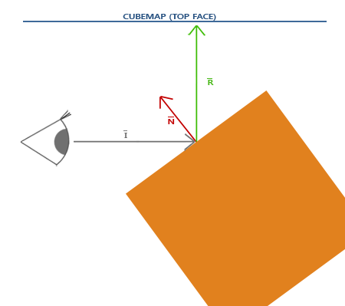 | 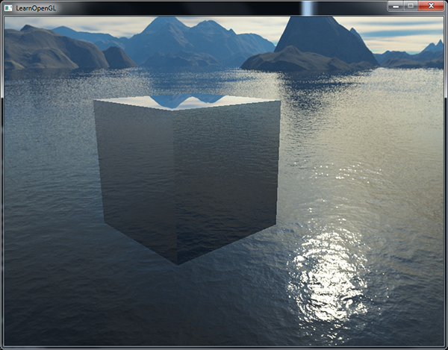
折射 | 环境映射的另一种形式是折射，它和反射很相似。折射是光线由于传播介质的改变而产生的方向变化。在常见的类水表面上所产生的现象就是折射，光线不是直直地传播，而是弯曲了一点。将你的半只胳膊伸进水里，观察出来的就是这种效果。 折射是通过斯涅尔定律(Snell’s Law)来描述的，使用环境贴图的话看起来像是这样： 同样，我们有一个观察向量，一个法向量，而这次是折射向量。可以看到，观察向量的方向轻微弯曲了。弯折后的向量将会用来从立方体贴图中采样。 折射可以使用GLSL的内建refract函数来轻松实现，它需要一个法向量、一个观察方向和两个材质之间的折射率(Refractive Index)。 折射率决定了材质中光线弯曲的程度，每个材质都有自己的折射率。一些最常见的折射率可以在下表中找到： 材质 折射率 空气 1.00 水 1.33 冰 1.309 玻璃 1.52 钻石 2.42 我们使用这些折射率来计算光传播的两种材质间的比值。在我们的例子中，光线/视线从空气进入玻璃（如果我们假设箱子是玻璃制的），所以比值为1.52。 我们已经绑定了立方体贴图，提供了顶点数据和法线，并设置了摄像机位置的uniform。唯一要修改的就是片段着色器： void main() { float ratio = 1.00 / 1.52; vec3 I = normalize(Position - cameraPos); vec3 R = refract(I, normalize(Normal), ratio); FragColor = vec4(texture(skybox, R).rgb, 1.0); } 通过改变折射率，你可以创建完全不同的视觉效果。编译程序并运行，但结果并不是很有趣，因为我们只使用了一个简单的箱子，它不太能显示折射的效果，现在看起来只是有点像一个放大镜。对背包使用相同的着色器却能够展现出了我们期待的效果：一个类玻璃的物体。 你可以想象出有了光照、反射、折射和顶点移动的正确组合，你可以创建出非常漂亮的水。注意，如果要想获得物理上精确的结果，我们还需要在光线离开物体的时候再次折射，现在我们使用的只是单面折射(Single-side Refraction)，但它对大部分场合都是没问题的。 | 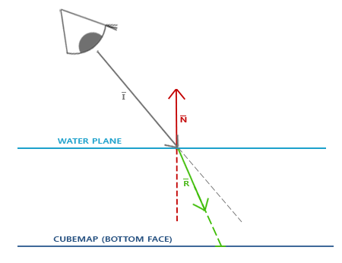 | 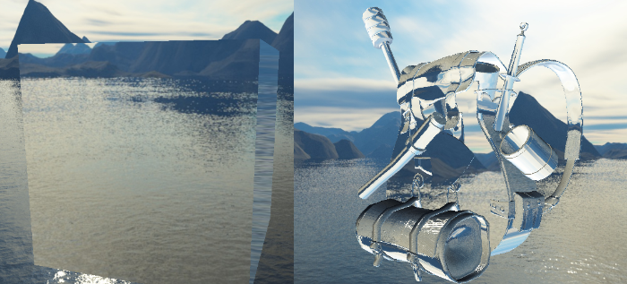
 | void SceneRenderer::DeferredShading() { m_DeferredShadingFramebuffer->Bind(); { // glStencilMask(0x00) 会阻止 glClear 清除模板缓冲。 RendererAPI::SetStencilMask(0xFF); Renderer::Clear(); m_DeferredShadingFramebuffer->ClearAttachmentInt(1, -1);// 把EntityID数据置-1 uint32_t positionAndDepthTextureID = m_GBufferFramebuffer->GetColorAttachmentRendererID(0); uint32_t albedoTextureID = m_GBufferFramebuffer->GetColorAttachmentRendererID(1); uint32_t normalTextureID = m_GBufferFramebuffer->GetColorAttachmentRendererID(2); uint32_t emissionTextureID = m_GBufferFramebuffer->GetColorAttachmentRendererID(4); uint32_t entityIDTextureID = m_GBufferFramebuffer->GetColorAttachmentRendererID(5); uint32_t ambientTextureID = m_LightShadingFramebuffer->GetColorAttachmentRendererID(0); uint32_t diffuseTextureID = m_LightShadingFramebuffer->GetColorAttachmentRendererID(1); uint32_t specularTextureID = m_LightShadingFramebuffer->GetColorAttachmentRendererID(2); Texture::Bind(positionAndDepthTextureID, 0); Texture::Bind(albedoTextureID, 1); Texture::Bind(normalTextureID, 2); Texture::Bind(emissionTextureID, 3); Texture::Bind(entityIDTextureID, 5); Texture::Bind(ambientTextureID, 10); Texture::Bind(diffuseTextureID, 11); Texture::Bind(specularTextureID, 12); auto skyboxEntity = m_ActiveScene->GetPrimarySkyboxEntity(); if (skyboxEntity != nullptr) { auto& skybox = m_ActiveScene->GetPrimarySkyboxEntity()->GetComponent<SkyboxComponent>(); if (skybox.textureType == 0) { skybox.textureCubeMap->Bind(20); } else { skybox.textureCubeSixSided->Bind(20); } } else { Mesh::GetBlackTextureCube()->Bind(20); } RendererAPI::SetCullFaceEnable(false); RendererAPI::SetStencilTestEnable(false); RendererAPI::SetDepthTestEnable(false); RendererAPI::SetBlend | DeferredShading.glsl #type fragment #version 450 core layout (location = 0) out vec4 o_FragColor; layout (location = 1) out int o_EntityID; layout (location = 2) out vec4 o_BrightColor; struct VertexOutput { vec2 TexCoord; }; layout (location = 0) in VertexOutput Input; layout (binding = 0) uniform sampler2D g_PositionAndDepth; layout (binding = 1) uniform sampler2D g_Albedo; layout (binding = 2) uniform sampler2D g_Normal; layout (binding = 3) uniform sampler2D g_Emission; layout (binding = 5) uniform isampler2D g_EntityID; layout (binding = 10) uniform sampler2D u_Ambient; layout (binding = 11) uniform sampler2D u_Diffuse; layout (binding = 12) uniform sampler2D u_Specular; layout (binding = 20) uniform samplerCube u_SkyboxMap; layout(std140, binding = 1) uniform CameraPosition { vec3 u_CameraPosition; }; void main() { vec3 fragPosition = texture(g_PositionAndDepth, Input.TexCoord).rgb; float depth = texture(g_PositionAndDepth, Input.TexCoord).a; vec3 materialDiffuse = texture(g_Albedo, Input.TexCoord).rgb; float materialSpecular = texture(g_Albedo, Input.TexCoord).a; vec3 materialNormal = texture(g_Normal, Input.TexCoord).rgb; // [0, 1] vec3 materialEmission = texture(g_Emission, Input.TexCoord).rgb; vec3 Ambient = texture(u_Ambient, Input.TexCoord).rgb; vec3 Diffuse = texture(u_Diffuse, Input.TexCoord).rgb; vec3 Specular = texture(u_Specular, Input.TexCoord).rgb; if(fragPosition == vec3(0.0)) discard; vec3 I = normalize(fragPosition - u_CameraPosition); vec3 normal = materialNormal * 2.0 - 1.0; // reflect(vec3 I, vec3 N)： // 计算镜面反射方向，根据入射方向和表面法线，计算出光线的反射方向（遵循反射定律：入射角等于反射角）。 // 参数 类型 说明 // I vec3 入射方向（光线射入的方向）。必须归一化。 // 注意：GLSL 中 I 通常定义为指向入射光线来源的方向，即从表面指向光源/观察者的反方向。 // 在计算折射时，通常传入 -viewDir（即从表面指向眼睛的方向取反）。 // N vec3 表面法线方向。必须归一化。 // // 计算 R = I - 2.0 * dot(N, I) * N; // vec3 Reflect = reflect(I, nor | Volcano/Renderer/RendererItem/Mesh.h class Mesh { public: static void Init(); static const Scope<MeshLibrary>& GetMeshLibrary(); static Ref<Texture2D> GetWhiteTexture(); static Ref<Texture2D> GetBlackTexture(); static VOL_API Ref<TextureCube> GetWhiteTextureCube(); static VOL_API Ref<TextureCube> GetBlackTextureCube(); ... } Volcano/Renderer/RendererItem/Mesh.cpp static Ref<TextureCube> s_WhiteTextureCube; static Ref<TextureCube> s_BlackTextureCube; void Mesh::Init() { s_WhiteTexture = Texture::GetTextureLibrary()->Get("White"); s_BlackTexture = Texture::GetTextureLibrary()->Get("Black"); s_WhiteTextureCube = TextureCube::Create(512, 512, TextureInternalFormat::RGB16F, TextureInternalFormat::RGB); s_WhiteTextureCube->SetData(glm::vec4(1.0f)); s_BlackTextureCube = TextureCube::Create(512, 512, TextureInternalFormat::RGB16F, TextureInternalFormat::RGB); s_BlackTextureCube->SetData(glm::vec4(0.0f)); } Ref<TextureCube> Mesh::GetWhiteTextureCube() { return s_WhiteTextureCube; } Ref<TextureCube> Mesh::GetBlackTextureCube() { return s_BlackTextureCube; }
 | 将新建 TextureCube 的 Create 改成调用 Mesh 的 GetBlackTextureCube struct SkyboxComponent { bool enabled = true; std::array<TextureParameters, 6> textures; Ref<TextureCube> textureCubeMap = Mesh::GetBlackTextureCube(); Ref<TextureCube> textureCubeSixSided = Mesh::GetBlackTextureCube(); bool Primary = false; int textureType = 0; // 0: TextureCube, 1: Texture2D * 6 SkyboxComponent() = default; SkyboxComponent(const SkyboxComponent&) = default; void ResetTextureCubeMap() { textureCubeMap = Mesh::GetBlackTextureCube(); } void ResetTextureCubeSixSided() { std::array<Ref<Texture2D>, 6> faces; for (int i = 0; i != 6; i++) { if (textures[i].key.empty()) { faces[i] = nullptr; } else { faces[i] = Texture::GetTextureLibrary()->Get( textures[i].key, textures[i].flip, textures[i].textureFormat ); } } bool isFacesEmpty = true; for (const auto& face : faces) { if (face != nullptr) { isFacesEmpty = false; break; } } if (isFacesEmpty) { textureCubeSixSided = Mesh::GetBlackTextureCube(); } else { textureCubeSixSided = TextureCube::Create(faces); } } }; void SceneHierarchyPanel::DrawSkyboxComponent(SkyboxComponent& component) { const char* items[] = { "CubeMap", "6 Sided" }; // 下拉选择框（Combo Box / Dropdown） ImGui::Combo("TextureType", &component.textureType, items, IM_ARRAYSIZE(items)); ImGui::Checkbox("Enabled", &component.enabled); ImGui::Checkbox("Primary", &component.Primary); if (component.textureType == 0) { if (component.textureCubeMap != nullptr) { float aspect = (float)component.textureCubeMap->GetWidth() / (float)component.textureCubeMap->GetHeight(); if (ImGui::ImageButton("TextureCube", (void*)(intptr_t)component.textureCubeMap->GetRendererID(), ImVec2(100.0f * aspect, 100.0f))) component.ResetTextureCubeMap();; } else { if (ImGui::Button("TextureCube")) compon | class VOL_API TextureCube : public Texture { public: static Ref<TextureCube> Create( uint32_t width, uint32_t height, TextureInternalFormat internalFormat = TextureInternalFormat::RGBA8, TextureInternalFormat dataFormat = TextureInternalFormat::RGBA ); static Ref<TextureCube> Create(const std::string& path); static Ref<TextureCube> Create(std::array<Ref<Texture2D>, 6> faces); virtual void SetData(const glm::vec4& color) = 0; virtual uint32_t GetInternalFormat() = 0; virtual uint32_t GetDataFormat() = 0; }; class OpenGLTextureCube : public TextureCube { public: OpenGLTextureCube(uint32_t width, uint32_t height, TextureInternalFormat internalFormat = TextureInternalFormat::RGBA8, TextureInternalFormat dataFormat = TextureInternalFormat::RGBA); OpenGLTextureCube(const std::string& path); OpenGLTextureCube(const std::array<Ref<Texture2D>, 6>& faces); virtual ~OpenGLTextureCube(); virtual void Bind(uint32_t slot = 0) const; virtual void SetData(const glm::vec4& color) override; virtual uint32_t GetInternalFormat() override; virtual uint32_t GetDataFormat() override; virtual uint32_t GetWidth() const { return m_Width; } virtual uint32_t GetHeight() const { return m_Height; } virtual uint32_t GetMipLevelCount() const override; virtual uint32_t GetRendererID() const override { return m_RendererID; } virtual const std::string& GetPath() const override { return m_FilePath; } virtual bool operator==(const Texture& other) const override { return m_RendererID == other.GetRendererID(); } private: uint32_t m_RendererID; uint32_t m_InternalFormat, m_DataFormat; uint32_t m_Width, m_Height; std::string m_FilePath; unsigned char* m_ImageData; }; | 改名m_InternalFormat，新增m_DataFormat，移除不用的Create，新增SetData // ==================================TextureCube================================================= OpenGLTextureCube::OpenGLTextureCube(uint32_t width, uint32_t height, TextureInternalFormat internalFormat, TextureInternalFormat dataFormat) { m_Width = width; m_Height = height; m_InternalFormat = Utils::VolcanoToOpenGLTextureInternalFormat(internalFormat); m_DataFormat = Utils::VolcanoToOpenGLTextureInternalFormat(dataFormat); uint32_t levels = Texture::CalculateMipMapCount(width, height); glGenTextures(1, &m_RendererID); glBindTexture(GL_TEXTURE_CUBE_MAP, m_RendererID); for (uint32_t i = 0; i < 6; ++i) glTexImage2D(GL_TEXTURE_CUBE_MAP_POSITIVE_X + i, 0, m_InternalFormat, m_Width, m_Height, 0, m_DataFormat, GL_UNSIGNED_BYTE, 0); glTexParameteri(GL_TEXTURE_CUBE_MAP, GL_TEXTURE_MIN_FILTER, GL_LINEAR); glTexParameteri(GL_TEXTURE_CUBE_MAP, GL_TEXTURE_MAG_FILTER, GL_LINEAR); glTexParameteri(GL_TEXTURE_CUBE_MAP, GL_TEXTURE_WRAP_S, GL_CLAMP_TO_EDGE); glTexParameteri(GL_TEXTURE_CUBE_MAP, GL_TEXTURE_WRAP_T, GL_CLAMP_TO_EDGE); glTexParameteri(GL_TEXTURE_CUBE_MAP, GL_TEXTURE_WRAP_R, GL_CLAMP_TO_EDGE); glGenerateMipmap(GL_TEXTURE_CUBE_MAP); } OpenGLTextureCube::OpenGLTextureCube(const std::string& path) { int width, height, channels; stbi_set_flip_vertically_on_load(false); m_ImageData = stbi_load(path.c_str(), &width, &height, &channels, STBI_rgb); m_FilePath = path; m_Width = width; m_Height = height; m_InternalFormat = Utils::VolcanoToOpenGLTextureInternalFormat(TextureInternalFormat::RGB); switch (channels) { case 1: m_DataFormat = GL_RED; break; case 2: m_DataFormat = GL_RG; break; case 3: m_DataFormat = GL_RGB; break; case 4: m_DataFormat = GL_RGBA; break; default: VOL_CORE_ASSERT("OpenGLTextureCube(const std::string& path)"); break; } // 分割立方体贴图 uint32_t faceWidth = m_Width / 4; uint32_t faceHeight = m_
高级数据(Advanced Data) | OpenGL中的缓冲只是一个管理特定内存块的对象，没有其它更多的功能了。在我们将它绑定到一个缓冲目标(Buffer Target)时，我们才赋予了其意义。当我们绑定一个缓冲到GL_ARRAY_BUFFER时，它就是一个顶点数组缓冲，但我们也可以很容易地将其绑定到GL_ELEMENT_ARRAY_BUFFER。OpenGL内部会为每个目标储存一个缓冲，并且会根据目标的不同，以不同的方式处理缓冲。 到目前为止，我们一直是调用glBufferData函数来填充缓冲对象所管理的内存，这个函数会分配一块GPU内存，并将数据添加到这块内存中。如果我们将它的data参数设置为NULL，那么这个函数将只会分配内存，但不进行填充。这在我们需要预留(Reserve)特定大小的内存，之后回到这个缓冲一点一点填充的时候会很有用。 除了使用一次函数调用填充整个缓冲之外，我们也可以使用glBufferSubData，填充缓冲的特定区域。这个函数需要一个缓冲目标、一个偏移量、数据的大小和数据本身作为它的参数。这个函数不同的地方在于，我们可以提供一个偏移量，指定从何处开始填充这个缓冲。这能够让我们插入或者更新缓冲内存的某一部分。要注意的是，缓冲需要有足够的已分配内存，所以对一个缓冲调用glBufferSubData之前必须要先调用glBufferData。 glBufferSubData(GL_ARRAY_BUFFER, 24, sizeof(data), &data); // 范围： [24, 24 + sizeof(data)] | OpenGLVertexBuffer::OpenGLVertexBuffer(uint32_t size) { glCreateBuffers(1, &m_RendererID); glBindBuffer(GL_ARRAY_BUFFER, m_RendererID); glBufferData(GL_ARRAY_BUFFER, size, nullptr, GL_DYNAMIC_DRAW); } OpenGLVertexBuffer::OpenGLVertexBuffer(void* vertices, uint32_t size) { glCreateBuffers(1, &m_RendererID); glBindBuffer(GL_ARRAY_BUFFER, m_RendererID); glBufferData(GL_ARRAY_BUFFER, size, vertices, GL_STATIC_DRAW); } void OpenGLVertexBuffer::SetData(const void* data, uint32_t size) { // 将 ID 为 m_RendererID 的缓冲区对象绑定到 GL_ARRAY_BUFFER 目标上。 // GL_ARRAY_BUFFER 是一个 OpenGL 的状态目标（Target），代表顶点属性数据缓冲区。 // 绑定后，所有针对 GL_ARRAY_BUFFER 的操作都会作用于 m_RendererID 这个缓冲区对象。 // 这是一个上下文切换操作，后续的 glBufferSubData 将操作这个绑定的缓冲区。 glBindBuffer(GL_ARRAY_BUFFER, m_RendererID); // 更新当前绑定的缓冲区对象中的部分或全部数据，而不重新分配显存。 // data:一个指向新数据源的指针，将新的数据源拷贝到缓冲区对象中完成更新 glBufferSubData(GL_ARRAY_BUFFER, 0, size, data); }
 | 将数据导入缓冲的另外一种方法是，请求缓冲内存的指针，直接将数据复制到缓冲当中。通过调用glMapBuffer函数，OpenGL会返回当前绑定缓冲的内存指针，供我们操作： float data[] = { 0.5f, 1.0f, -0.35f ... }; glBindBuffer(GL_ARRAY_BUFFER, buffer); // 获取指针 void *ptr = glMapBuffer(GL_ARRAY_BUFFER, GL_WRITE_ONLY); // 复制数据到内存 memcpy(ptr, data, sizeof(data)); // 记得告诉OpenGL我们不再需要这个指针了 glUnmapBuffer(GL_ARRAY_BUFFER); 当我们使用glUnmapBuffer函数，告诉OpenGL我们已经完成指针操作之后，OpenGL就会知道你已经完成了。在解除映射(Unmapping)之后，指针将会不再可用，并且如果OpenGL能够成功将您的数据映射到缓冲中，这个函数将会返回GL_TRUE。 如果要直接映射数据到缓冲，而不事先将其存储到临时内存中，glMapBuffer这个函数会很有用。比如说，你可以从文件中读取数据，并直接将它们复制到缓冲内存中。
分批顶点属性 | 通过使用glVertexAttribPointer，我们能够指定顶点数组缓冲内容的属性布局。在顶点数组缓冲中，我们对属性进行了交错(Interleave)处理，也就是说，我们将每一个顶点的位置、法线和/或纹理坐标紧密放置在一起。既然我们现在已经对缓冲有了更多的了解，我们可以采取另一种方式。 我们可以做的是，将每一种属性类型的向量数据打包(Batch)为一个大的区块，而不是对它们进行交错储存。与交错布局123123123123不同，我们将采用分批(Batched)的方式111122223333。 当从文件中加载顶点数据的时候，你通常获取到的是一个位置数组、一个法线数组和/或一个纹理坐标数组。我们需要花点力气才能将这些数组转化为一个大的交错数据数组。使用分批的方式会是更简单的解决方案，我们可以很容易使用glBufferSubData函数实现： float positions[] = { ... }; float normals[] = { ... }; float tex[] = { ... }; // 填充缓冲 glBufferSubData(GL_ARRAY_BUFFER, 0, sizeof(positions), &positions); glBufferSubData(GL_ARRAY_BUFFER, sizeof(positions), sizeof(normals), &normals); glBufferSubData(GL_ARRAY_BUFFER, sizeof(positions) + sizeof(normals), sizeof(tex), &tex); 这样子我们就能直接将属性数组作为一个整体传递给缓冲，而不需要事先处理它们了。我们仍可以将它们合并为一个大的数组，再使用glBufferData来填充缓冲，但对于这种工作，使用glBufferSubData会更合适一点。 我们还需要更新顶点属性指针来反映这些改变： glVertexAttribPointer(0, 3, GL_FLOAT, GL_FALSE, 3 * sizeof(float), 0); glVertexAttribPointer(1, 3, GL_FLOAT, GL_FALSE, 3 * sizeof(float), (void*)(sizeof(positions))); glVertexAttribPointer( 2, 2, GL_FLOAT, GL_FALSE, 2 * sizeof(float), (void*)(sizeof(positions) + sizeof(normals))); 注意stride参数等于顶点属性的大小，因为下一个顶点属性向量能在3个（或2个）分量之后找到。 这给了我们设置顶点属性的另一种方法。使用哪种方法都是可行的，它只是设置顶点属性的一种更整洁的方式。但是，推荐使用交错方法，因为这样一来，每个顶点着色器运行时所需要的顶点属性在内存中会更加紧密对齐。 | void OpenGLVertexArray::AddVertexBuffer(const Ref<VertexBuffer>& vertexBuffer) { VOL_CORE_ASSERT(vertexBuffer->GetLayout().GetElements().size(), "OpenGLVertexArray:VertexBuffer没有布局（Layout）"); Bind(); vertexBuffer->Bind(); const auto& layout = vertexBuffer->GetLayout(); // shader中有多个layout，每个layout对应一个索引 // 对于每个layout进行一次设置 for (const auto& element : layout) { auto glBaseType = ShaderDataTypeToOpenGLBaseType(element.Type); //启用数据的索引m_VertexBufferIndex glEnableVertexAttribArray(m_VertexBufferIndex); if (glBaseType == GL_INT) { //设置缓冲区数据格式：缓冲区序号、顶点属性的大小、什么数据类型、会不会被归一化、步距、偏移量 glVertexAttribIPointer(m_VertexBufferIndex, element.GetComponentCount(), // 布局有几个数据（float3对应vec3有3个数据） glBaseType, // 布局(layout)的类型(如float3为float类型) layout.GetStride(), // 每一次读取的步距 (const void*)(intptr_t)element.Offset); // 偏移量 } else { glVertexAttribPointer(m_VertexBufferIndex, element.GetComponentCount(), glBaseType, element.Normalized ? GL_TRUE : GL_FALSE, // 数据是否归一化 layout.GetStride(), (const void*)(intptr_t)element.Offset); } m_VertexBufferIndex++; } m_VertexBuffers.push_back(vertexBuffer); }
复制缓冲 | 当你的缓冲已经填充好数据之后，你可能会想与其它的缓冲共享其中的数据，或者想要将缓冲的内容复制到另一个缓冲当中。glCopyBufferSubData能够让我们相对容易地从一个缓冲中复制数据到另一个缓冲中。这个函数的原型如下： void glCopyBufferSubData(GLenum readtarget, GLenum writetarget, GLintptr readoffset, GLintptr writeoffset, GLsizeiptr size); readtarget和writetarget参数需要填入复制源和复制目标的缓冲目标。比如说，我们可以将VERTEX_ARRAY_BUFFER缓冲复制到VERTEX_ELEMENT_ARRAY_BUFFER缓冲，分别将这些缓冲目标设置为读和写的目标。当前绑定到这些缓冲目标的缓冲将会被影响到。 但如果我们想读写数据的两个不同缓冲都为顶点数组缓冲该怎么办呢？我们不能同时将两个缓冲绑定到同一个缓冲目标上。正是出于这个原因，OpenGL提供给我们另外两个缓冲目标，叫做GL_COPY_READ_BUFFER和GL_COPY_WRITE_BUFFER。我们接下来就可以将需要的缓冲绑定到这两个缓冲目标上，并将这两个目标作为readtarget和writetarget参数。 接下来glCopyBufferSubData会从readtarget中读取size大小的数据，并将其写入writetarget缓冲的writeoffset偏移量处。下面这个例子展示了如何复制两个顶点数组缓冲： glBindBuffer(GL_COPY_READ_BUFFER, vbo1); glBindBuffer(GL_COPY_WRITE_BUFFER, vbo2); glCopyBufferSubData(GL_COPY_READ_BUFFER, GL_COPY_WRITE_BUFFER, 0, 0, sizeof(vertexData)); 我们也可以只将writetarget缓冲绑定为新的缓冲目标类型之一： float vertexData[] = { ... }; glBindBuffer(GL_ARRAY_BUFFER, vbo1); glBindBuffer(GL_COPY_WRITE_BUFFER, vbo2); glCopyBufferSubData(GL_ARRAY_BUFFER, GL_COPY_WRITE_BUFFER, 0, 0, sizeof(vertexData));
高级GLSL(Advanced GLSL)
GLSL的内建变量 | GLSL定义了几个以gl_为前缀的变量，它们能提供给我们更多的方式来读取/写入数据。
顶点着色器变量 | 我们已经见过gl_Position了，它是顶点着色器的裁剪空间输出位置向量。如果你想在屏幕上显示任何东西，在顶点着色器中设置gl_Position是必须的步骤。这已经是它的全部功能了。 gl_PointSize 我们能够选用的其中一个图元是GL_POINTS，如果使用它的话，每一个顶点都是一个图元，都会被渲染为一个点。我们可以通过OpenGL的glPointSize函数来设置渲染出来的点的大小，但我们也可以在顶点着色器中修改这个值。 GLSL定义了一个叫做gl_PointSize输出变量，它是一个float变量，你可以使用它来设置点的宽高（像素）。在顶点着色器中修改点的大小的话，你就能对每个顶点设置不同的值了。 在顶点着色器中修改点大小的功能默认是禁用的，你需要启用它： glEnable(GL_PROGRAM_POINT_SIZE); 一个简单的例子就是将点的大小设置为裁剪空间位置的z值，也就是顶点距观察者的距离。点的大小会随着观察者距顶点距离变远而增大。 void main() { gl_Position = projection * view * model * vec4(aPos, 1.0); gl_PointSize = gl_Position.z; } 结果就是，当我们远离这些点的时候，它们会变得更大： 你可以想到，对每个顶点使用不同的点大小，会在粒子生成之类的技术中很有意思。 顶点着色器还为我们提供了一个有趣的输入变量，我们只能对它进行读取，它叫做gl_VertexID。 整型变量gl_VertexID储存了正在绘制顶点的当前ID。当（使用glDrawElements）进行索引渲染的时候，这个变量会存储正在绘制顶点的当前索引。当（使用glDrawArrays）不使用索引进行绘制的时候，这个变量会储存从渲染调用开始的已处理顶点数量。 gl_VertexID、gl_Position和gl_PointSize都是输出变量，因为它们的值是作为顶点着色器的输出被读取的。我们可以对它们进行写入，来改变结果。 | 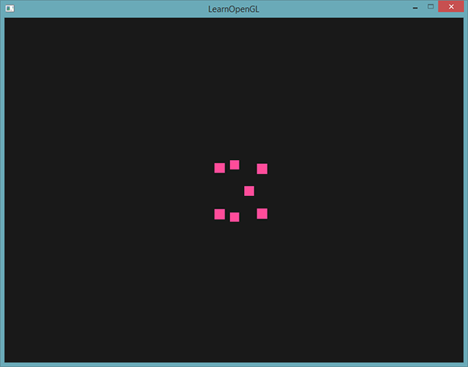
片段着色器变量 | gl_FragCoord 在讨论深度测试的时候，我们已经见过gl_FragCoord很多次了，因为gl_FragCoord的z分量等于对应片段的深度值。然而，我们也能使用它的x和y分量来实现一些有趣的效果。 gl_FragCoord的x和y分量是片段的窗口空间(Window-space)坐标，其原点为窗口的左下角。我们已经使用glViewport设定了一个800x600的窗口了，所以片段窗口空间坐标的x分量将在0到800之间，y分量在0到600之间。 通过利用片段着色器，我们可以根据片段的窗口坐标，计算出不同的颜色。gl_FragCoord的一个常见用处是用于对比不同片段计算的视觉输出效果，这在技术演示中可以经常看到。比如说，我们能够将屏幕分成两部分，在窗口的左侧渲染一种输出，在窗口的右侧渲染另一种输出。下面这个例子片段着色器会根据窗口坐标输出不同的颜色： void main() { if(gl_FragCoord.x < 400) FragColor = vec4(1.0, 0.0, 0.0, 1.0); else FragColor = vec4(0.0, 1.0, 0.0, 1.0); } 因为窗口的宽度是800。当一个像素的x坐标小于400时，它一定在窗口的左侧，所以我们给它一个不同的颜色。 | 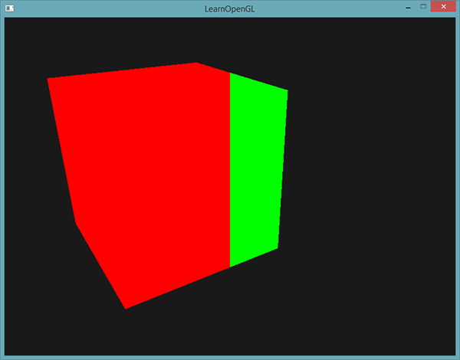
 | gl_FrontFacing 在面剔除中，OpenGL能够根据顶点的环绕顺序来决定一个面是正向还是背向面。如果我们不（启用GL_FACE_CULL来）使用面剔除，那么gl_FrontFacing将会告诉我们当前片段是属于正向面的一部分还是背向面的一部分。举例来说，我们能够对正向面计算出不同的颜色。 gl_FrontFacing变量是一个bool，如果当前片段是正向面的一部分那么就是true，否则就是false。比如说，我们可以这样子创建一个立方体，在内部和外部使用不同的纹理： #version 330 core out vec4 FragColor; in vec2 TexCoords; uniform sampler2D frontTexture; uniform sampler2D backTexture; void main() { if(gl_FrontFacing) FragColor = texture(frontTexture, TexCoords); else FragColor = texture(backTexture, TexCoords); } 如果我们往箱子里面看，就能看到使用的是不同的纹理。 | 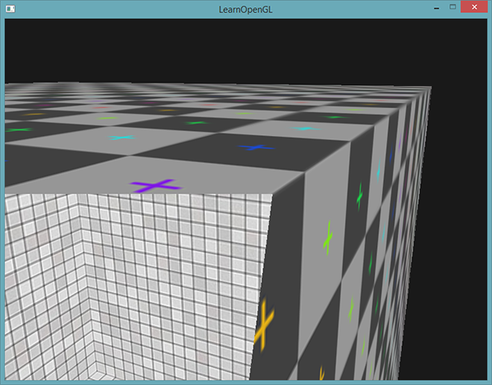
 | gl_FragDepth 输入变量gl_FragCoord是一个只读(Read-only)变量。我们不能修改片段的窗口空间坐标，但实际上修改片段的深度值还是可能的。GLSL提供给我们一个叫做gl_FragDepth的输出变量，我们可以使用它来在着色器内设置片段的深度值。 要想设置深度值，我们直接写入一个0.0到1.0之间的float值到输出变量就可以了： gl_FragDepth = 0.0; // 这个片段现在的深度值为 0.0 如果着色器没有写入值到gl_FragDepth，它会自动取用gl_FragCoord.z的值。 然而，由我们自己设置深度值有一个很大的缺点，只要我们在片段着色器中对gl_FragDepth进行写入，OpenGL就会（像深度测试小节中讨论的那样）禁用所有的提前深度测试(Early Depth Testing)。它被禁用的原因是，OpenGL无法在片段着色器运行之前得知片段将拥有的深度值，因为片段着色器可能会完全修改这个深度值。 在写入gl_FragDepth时，你就需要考虑到它所带来的性能影响。然而，从OpenGL 4.2起，我们仍可以对两者进行一定的调和，在片段着色器的顶部使用深度条件(Depth Condition)重新声明gl_FragDepth变量： layout (depth_<condition>) out float gl_FragDepth; condition可以为下面的值： 条件 描述 any 默认值。提前深度测试是禁用的，你会损失很多性能 greater 你只能让深度值比gl_FragCoord.z更大 less 你只能让深度值比gl_FragCoord.z更小 unchanged 如果你要写入gl_FragDepth，你将只能写入gl_FragCoord.z的值 通过将深度条件设置为greater或者less，OpenGL就能假设你只会写入比当前片段深度值更大或者更小的值了。这样子的话，当深度值比片段的深度值要小的时候，OpenGL仍是能够进行提前深度测试的。 下面这个例子中，我们对片段的深度值进行了递增，但仍然也保留了一些提前深度测试： #version 420 core // 注意GLSL的版本！ out vec4 FragColor; layout (depth_greater) out float gl_FragDepth; void main() { FragColor = vec4(1.0); gl_FragDepth = gl_FragCoord.z + 0.1; } 注意这个特性只在OpenGL 4.2版本或以上才提供。
接口块 | GLSL提供了一个叫做接口块(Interface Block)的东西，来方便我们组合变量。接口块的声明和struct的声明有点相像，不同的是，现在根据它是一个输入还是输出块(Block)，使用in或out关键字来定义的。 #version 330 core layout (location = 0) in vec3 aPos; layout (location = 1) in vec2 aTexCoords; uniform mat4 model; uniform mat4 view; uniform mat4 projection; out VS_OUT { vec2 TexCoords; } vs_out; void main() { gl_Position = projection * view * model * vec4(aPos, 1.0); vs_out.TexCoords = aTexCoords; } 我们声明了一个叫做vs_out的接口块，它打包了我们希望发送到下一个着色器中的所有输出变量。这只是一个很简单的例子，但你可以想象一下，它能够帮助你管理着色器的输入和输出。当我们希望将着色器的输入或输出打包为数组时，它也会非常有用，我们将在下一节讨论几何着色器(Geometry Shader)时见到。 | 我们还需要在片段着色器中定义一个输入接口块。块名(Block Name)应该是和着色器中一样的（VS_OUT），但实例名(Instance Name)（顶点着色器中用的是vs_out）可以是随意的，但要避免使用误导性的名称，比如对实际上包含输入变量的接口块命名为vs_out。 #version 330 core out vec4 FragColor; in VS_OUT { vec2 TexCoords; } fs_in; uniform sampler2D texture; void main() { FragColor = texture(texture, fs_in.TexCoords); } 只要两个接口块的名字一样，它们对应的输入和输出将会匹配起来。这是帮助你管理代码的又一个有用特性，它在几何着色器这样穿插特定着色器阶段的场景下会很有用。
Uniform缓冲对象 | OpenGL提供了一个叫做Uniform缓冲对象(Uniform Buffer Object)的工具，它允许我们定义一系列在多个着色器程序中相同的全局Uniform变量。当使用Uniform缓冲对象的时候，我们只需要设置相关的uniform一次。当然，我们仍需要手动设置每个着色器中不同的uniform。并且创建和配置Uniform缓冲对象会有一点繁琐。 因为Uniform缓冲对象仍是一个缓冲，我们可以使用glGenBuffers来创建它，将它绑定到GL_UNIFORM_BUFFER缓冲目标，并将所有相关的uniform数据存入缓冲。在Uniform缓冲对象中储存数据是有一些规则的，我们将会在之后讨论它。首先，我们将使用一个简单的顶点着色器，将projection和view矩阵存储到所谓的Uniform块(Uniform Block)中： #version 330 core layout (location = 0) in vec3 aPos; layout (std140) uniform Matrices { mat4 projection; mat4 view; }; uniform mat4 model; void main() { gl_Position = projection * view * model * vec4(aPos, 1.0); } 在我们大多数的例子中，我们都会在每个渲染迭代中，对每个着色器设置projection和view Uniform矩阵。这是利用Uniform缓冲对象的一个非常完美的例子，因为现在我们只需要存储这些矩阵一次就可以了。 这里，我们声明了一个叫做Matrices的Uniform块，它储存了两个4x4矩阵。Uniform块中的变量可以直接访问，不需要加块名作为前缀。接下来，我们在OpenGL代码中将这些矩阵值存入缓冲中，每个声明了这个Uniform块的着色器都能够访问这些矩阵。 你现在可能会在想layout (std140)这个语句是什么意思。它的意思是说，当前定义的Uniform块对它的内容使用一个特定的内存布局。这个语句设置了Uniform块布局(Uniform Block Layout)。
Uniform块布局 | Uniform块的内容是储存在一个缓冲对象中的，它实际上只是一块预留内存。因为这块内存并不会保存它具体保存的是什么类型的数据，我们还需要告诉OpenGL内存的哪一部分对应着着色器中的哪一个uniform变量。 假设着色器中有以下的这个Uniform块： layout (std140) uniform ExampleBlock { float value; vec3 vector; mat4 matrix; float values[3]; bool boolean; int integer; }; 我们需要知道的是每个变量的大小（字节）和（从块起始位置的）偏移量，来让我们能够按顺序将它们放进缓冲中。每个元素的大小都是在OpenGL中有清楚地声明的，而且直接对应C++数据类型，其中向量和矩阵都是大的float数组。OpenGL没有声明的是这些变量间的间距(Spacing)。这允许硬件能够在它认为合适的位置放置变量。比如说，一些硬件可能会将一个vec3放置在float边上。不是所有的硬件都能这样处理，可能会在附加这个float之前，先将vec3填充(Pad)为一个4个float的数组。这个特性本身很棒，但是会对我们造成麻烦。 默认情况下，GLSL会使用一个叫做共享(Shared)布局的Uniform内存布局，共享是因为一旦硬件定义了偏移量，它们在多个程序中是共享并一致的。使用共享布局时，GLSL是可以为了优化而对uniform变量的位置进行变动的，只要变量的顺序保持不变。因为我们无法知道每个uniform变量的偏移量，我们也就不知道如何准确地填充我们的Uniform缓冲了。我们能够使用像是glGetUniformIndices这样的函数来查询这个信息，但这超出本节的范围了。 虽然共享布局给了我们很多节省空间的优化，但是我们需要查询每个uniform变量的偏移量，这会产生非常多的工作量。通常的做法是，不使用共享布局，而是使用std140布局。std140布局声明了每个变量的偏移量都是由一系列规则所决定的，这显式地声明了每个变量类型的内存布局。由于这是显式提及的，我们可以手动计算出每个变量的偏移量。 每个变量都有一个基准对齐量(Base Alignment)，它等于一个变量在Uniform块中所占据的空间（包括填充量(Padding)），这个基准对齐量是使用std140布局的规则计算出来的。接下来，对每个变量，我们再计算它的对齐偏移量(Aligned Offset)，它是一个变量从块起始位置的字节偏移量。一个变量的对齐字节偏移量必须等于基准对齐量的倍数。 布局规则的原文可以在OpenGL的Uniform缓冲规范这里找到，但我们将会在下面列出最常见的规则。GLSL中的每个变量，比如说int、float和bool，都被定义为4字节量。每4个字节将会用一个N来表示。 类型 布局规则 标量，比如int和bool 每个标量的基准对齐量为N。 向量 2N或者4N。这意味着vec3的基准对齐量为4N。 标量或向量的数组 每个元素的基准对齐量与vec4的相同。 矩阵 储存为列向量的数组，每个向量的基准对齐量与vec4的相同。 结构体 等于所有元素根据规则计算后的大小，但会填充到vec4大小的倍数。 和OpenGL大多数的规范一样，使用例子就能更容易地理解。我们会使用之前引入的那个叫做ExampleBlock的Uniform块，并使用std140布局计算出每个成员的对齐偏移量： layout (std140) uniform ExampleBlock { // 基准对齐量 // 对齐偏移量 float value; // 4 // 0 vec3 vector; // 16 // 16 (必须是16的倍数，所以 4->16) mat4 matrix; // 16 // 32 (列 0) // 16 // 48 (列 1) // 16 // 64 (列 2) // 16 // 80 (列 3) float values[3]; // 16 // 96 (values[0]) // 16 /
使用Uniform缓冲 | 我们已经讨论了如何在着色器中定义Uniform块，并设定它们的内存布局了，但我们还没有讨论该如何使用它们。 首先，我们需要调用glGenBuffers，创建一个Uniform缓冲对象。一旦我们有了一个缓冲对象，我们需要将它绑定到GL_UNIFORM_BUFFER目标，并调用glBufferData，分配足够的内存。 unsigned int uboExampleBlock; glGenBuffers(1, &uboExampleBlock); glBindBuffer(GL_UNIFORM_BUFFER, uboExampleBlock); glBufferData(GL_UNIFORM_BUFFER, 152, NULL, GL_STATIC_DRAW); // 分配152字节的内存 glBindBuffer(GL_UNIFORM_BUFFER, 0); 现在，每当我们需要对缓冲更新或者插入数据，我们都会绑定到uboExampleBlock，并使用glBufferSubData来更新它的内存。我们只需要更新这个Uniform缓冲一次，所有使用这个缓冲的着色器就都使用的是更新后的数据了。但是，如何才能让OpenGL知道哪个Uniform缓冲对应的是哪个Uniform块呢？ 在OpenGL上下文中，定义了一些绑定点(Binding Point)，我们可以将一个Uniform缓冲链接至它。在创建Uniform缓冲之后，我们将它绑定到其中一个绑定点上，并将着色器中的Uniform块绑定到相同的绑定点，把它们连接到一起。下面的这个图示展示了这个： | 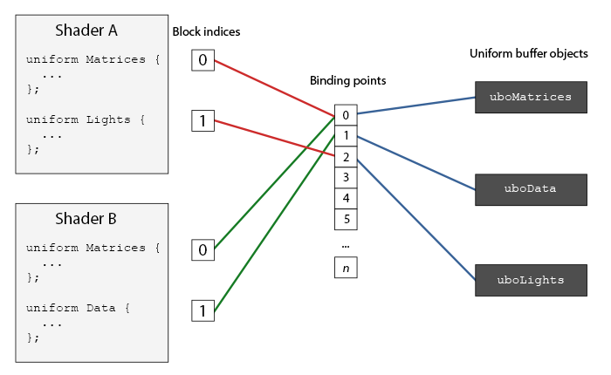 | 你可以看到，我们可以绑定多个Uniform缓冲到不同的绑定点上。因为着色器A和着色器B都有一个链接到绑定点0的Uniform块，它们的Uniform块将会共享相同的uniform数据，uboMatrices，前提条件是两个着色器都定义了相同的Matrices Uniform块。 为了将Uniform块绑定到一个特定的绑定点中，我们需要调用glUniformBlockBinding函数，它的第一个参数是一个程序对象，之后是一个Uniform块索引和链接到的绑定点。Uniform块索引(Uniform Block Index)是着色器中已定义Uniform块的位置值索引。这可以通过调用glGetUniformBlockIndex来获取，它接受一个程序对象和Uniform块的名称。我们可以用以下方式将图示中的Lights Uniform块链接到绑定点2： unsigned int lights_index = glGetUniformBlockIndex(shaderA.ID, "Lights"); glUniformBlockBinding(shaderA.ID, lights_index, 2); 注意我们需要对每个着色器重复这一步骤。 从OpenGL 4.2版本起，你也可以添加一个布局标识符，显式地将Uniform块的绑定点储存在着色器中，这样就不用再调用glGetUniformBlockIndex和glUniformBlockBinding了。下面的代码显式地设置了Lights Uniform块的绑定点。 layout(std140, binding = 2) uniform Lights { ... }; 接下来，我们还需要绑定Uniform缓冲对象到相同的绑定点上，这可以使用glBindBufferBase或glBindBufferRange来完成。 glBindBufferBase(GL_UNIFORM_BUFFER, 2, uboExampleBlock); // 或 glBindBufferRange(GL_UNIFORM_BUFFER, 2, uboExampleBlock, 0, 152); glBindbufferBase需要一个目标，一个绑定点索引和一个Uniform缓冲对象作为它的参数。这个函数将uboExampleBlock链接到绑定点2上，自此，绑定点的两端都链接上了。你也可以使用glBindBufferRange函数，它需要一个附加的偏移量和大小参数，这样子你可以绑定Uniform缓冲的特定一部分到绑定点中。通过使用glBindBufferRange函数，你可以让多个不同的Uniform块绑定到同一个Uniform缓冲对象上。 现在，所有的东西都配置完毕了，我们可以开始向Uniform缓冲中添加数据了。只要我们需要，就可以使用glBufferSubData函数，用一个字节数组添加所有的数据，或者更新缓冲的一部分。要想更新uniform变量boolean，我们可以用以下方式更新Uniform缓冲对象： glBindBuffer(GL_UNIFORM_BUFFER, uboExampleBlock); int b = true; // GLSL中的bool是4字节的，所以我们将它存为一个integer glBufferSubData(GL_UNIFORM_BUFFER, 144, 4, &b); glBindBuffer(GL_UNIFORM_BUFFER, 0); 同样的步骤也能应用到Uniform块中其它的uniform变量上，但需要使用不同的范围参数。 | OpenGLUniformBuffer::OpenGLUniformBuffer(uint32_t size, uint32_t binding, UniformBlockType uniformBlockType) { glCreateBuffers(1, &m_RendererID); glNamedBufferData(m_RendererID, size, nullptr, GL_DYNAMIC_DRAW); // 将在glsl上设置的bingding 0号缓冲区与真正的缓冲区m_RendererID联系起来 switch (uniformBlockType) { case UniformBlockType::UniformBlock: glBindBufferBase(GL_UNIFORM_BUFFER, binding, m_RendererID); break; case UniformBlockType::ShaderStorageBlock: glBindBufferBase(GL_SHADER_STORAGE_BUFFER, binding, m_RendererID); break; default: break; } } void OpenGLUniformBuffer::SetData(const void* data, uint32_t size, uint32_t offset) { // 上传数据给m_RendererID号缓冲区，实则给GPU的bingding号缓冲区 glNamedBufferSubData(m_RendererID, offset, size, data); }
一个简单的例子 | 所以，我们来展示一个真正使用Uniform缓冲对象的例子。如果我们回头看看之前所有的代码例子，我们不断地在使用3个矩阵：投影、观察和模型矩阵。在所有的这些矩阵中，只有模型矩阵会频繁变动。如果我们有多个着色器使用了这同一组矩阵，那么使用Uniform缓冲对象可能会更好。 我们会将投影和模型矩阵存储到一个叫做Matrices的Uniform块中。我们不会将模型矩阵存在这里，因为模型矩阵在不同的着色器中会不断改变，所以使用Uniform缓冲对象并不会带来什么好处。 #version 330 core layout (location = 0) in vec3 aPos; layout (std140) uniform Matrices { mat4 projection; mat4 view; }; uniform mat4 model; void main() { gl_Position = projection * view * model * vec4(aPos, 1.0); } 这里没什么特别的，除了我们现在使用的是一个std140布局的Uniform块。我们将在例子程序中，显示4个立方体，每个立方体都是使用不同的着色器程序渲染的。这4个着色器程序将使用相同的顶点着色器，但使用的是不同的片段着色器，每个着色器会输出不同的颜色。 | 首先，我们将顶点着色器的Uniform块设置为绑定点0。注意我们需要对每个着色器都设置一遍。 unsigned int uniformBlockIndexRed = glGetUniformBlockIndex(shaderRed.ID, "Matrices"); unsigned int uniformBlockIndexGreen = glGetUniformBlockIndex(shaderGreen.ID, "Matrices"); unsigned int uniformBlockIndexBlue = glGetUniformBlockIndex(shaderBlue.ID, "Matrices"); unsigned int uniformBlockIndexYellow = glGetUniformBlockIndex(shaderYellow.ID, "Matrices"); glUniformBlockBinding(shaderRed.ID, uniformBlockIndexRed, 0); glUniformBlockBinding(shaderGreen.ID, uniformBlockIndexGreen, 0); glUniformBlockBinding(shaderBlue.ID, uniformBlockIndexBlue, 0); glUniformBlockBinding(shaderYellow.ID, uniformBlockIndexYellow, 0); 接下来，我们创建Uniform缓冲对象本身，并将其绑定到绑定点0： unsigned int uboMatrices glGenBuffers(1, &uboMatrices); glBindBuffer(GL_UNIFORM_BUFFER, uboMatrices); glBufferData(GL_UNIFORM_BUFFER, 2 * sizeof(glm::mat4), NULL, GL_STATIC_DRAW); glBindBuffer(GL_UNIFORM_BUFFER, 0); glBindBufferRange(GL_UNIFORM_BUFFER, 0, uboMatrices, 0, 2 * sizeof(glm::mat4)); | 我们为缓冲分配了足够的内存，它等于glm::mat4大小的两倍。GLM矩阵类型的大小直接对应于GLSL中的mat4。接下来，我们将缓冲中的特定范围（在这里是整个缓冲）链接到绑定点0。 剩余的就是填充这个缓冲了。如果我们将投影矩阵的视野(Field of View)值保持不变（所以摄像机就没有缩放了），我们只需要将其在程序中定义一次——这也意味着我们只需要将它插入到缓冲中一次。因为我们已经为缓冲对象分配了足够的内存，我们可以使用glBufferSubData在进入渲染循环之前存储投影矩阵： glm::mat4 projection = glm::perspective(glm::radians(45.0f), (float)width/(float)height, 0.1f, 100.0f); glBindBuffer(GL_UNIFORM_BUFFER, uboMatrices); glBufferSubData(GL_UNIFORM_BUFFER, 0, sizeof(glm::mat4), glm::value_ptr(projection)); glBindBuffer(GL_UNIFORM_BUFFER, 0); 这里我们将投影矩阵储存在Uniform缓冲的前半部分。在每次渲染迭代中绘制物体之前，我们会将观察矩阵更新到缓冲的后半部分： glm::mat4 view = camera.GetViewMatrix(); glBindBuffer(GL_UNIFORM_BUFFER, uboMatrices); glBufferSubData(GL_UNIFORM_BUFFER, sizeof(glm::mat4), sizeof(glm::mat4), glm::value_ptr(view)); glBindBuffer(GL_UNIFORM_BUFFER, 0); Uniform缓冲对象的部分就结束了。每个包含了Matrices这个Uniform块的顶点着色器将会包含储存在uboMatrices中的数据。所以，如果我们现在要用4个不同的着色器绘制4个立方体，它们的投影和观察矩阵都会是一样的。 glBindVertexArray(cubeVAO); shaderRed.use(); glm::mat4 model; model = glm::translate(model, glm::vec3(-0.75f, 0.75f, 0.0f)); // 移动到左上角 shaderRed.setMat4("model", model); glDrawArrays(GL_TRIANGLES, 0, 36); // ... 绘制绿色立方体 // ... 绘制蓝色立方体 // ... 绘制黄色立方体 唯一需要设置的uniform只剩model uniform了。在像这样的场景中使用Uniform缓冲对象会让我们在每个着色器中都剩下一些uniform调用。最终的结果会是这样的：
 | 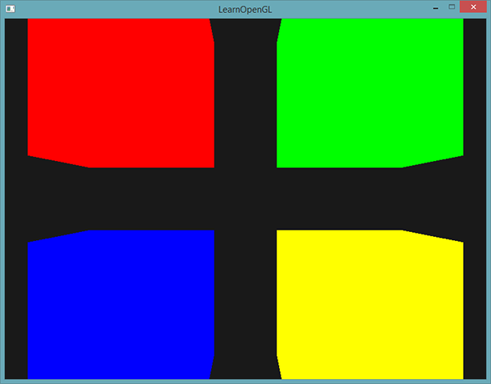 | 因为修改了模型矩阵，每个立方体都移动到了窗口的一边，并且由于使用了不同的片段着色器，它们的颜色也不同。这只是一个很简单的情景，我们可能会需要使用Uniform缓冲对象，但任何大型的渲染程序都可能同时激活有上百个着色器程序，这时候Uniform缓冲对象的优势就会很大地体现出来了。 Uniform缓冲对象比起独立的uniform有很多好处。第一，一次设置很多uniform会比一个一个设置多个uniform要快很多。第二，比起在多个着色器中修改同样的uniform，在Uniform缓冲中修改一次会更容易一些。最后一个好处可能不会立即显现，如果使用Uniform缓冲对象的话，你可以在着色器中使用更多的uniform。OpenGL限制了它能够处理的uniform数量，这可以通过GL_MAX_VERTEX_UNIFORM_COMPONENTS来查询。当使用Uniform缓冲对象时，最大的数量会更高。所以，当你达到了uniform的最大数量时（比如再做骨骼动画(Skeletal Animation)的时候），你总是可以选择使用Uniform缓冲对象。
几何着色器（Geometry Shader） | 在顶点和片段着色器之间有一个可选的几何着色器(Geometry Shader)，几何着色器的输入是一个图元（如点或三角形）的一组顶点。几何着色器可以在顶点发送到下一着色器阶段之前对它们随意变换。然而，几何着色器最有趣的地方在于，它能够将（这一组）顶点变换为完全不同的图元，并且还能生成比原来更多的顶点。 #version 330 core layout (points) in; layout (line_strip, max_vertices = 2) out; void main() { gl_Position = gl_in[0].gl_Position + vec4(-0.1, 0.0, 0.0, 0.0); EmitVertex(); gl_Position = gl_in[0].gl_Position + vec4( 0.1, 0.0, 0.0, 0.0); EmitVertex(); EndPrimitive(); } 在几何着色器的顶部，我们需要声明从顶点着色器输入的图元类型。这需要在in关键字前声明一个布局修饰符(Layout Qualifier)。这个输入布局修饰符可以从顶点着色器接收下列任何一个图元值： points：绘制GL_POINTS图元时（1）。 lines：绘制GL_LINES或GL_LINE_STRIP时（2） lines_adjacency：GL_LINES_ADJACENCY或GL_LINE_STRIP_ADJACENCY（4） triangles：GL_TRIANGLES、GL_TRIANGLE_STRIP或GL_TRIANGLE_FAN（3） triangles_adjacency：GL_TRIANGLES_ADJACENCY或GL_TRIANGLE_STRIP_ADJACENCY（6） 如果我们想要将顶点绘制为GL_TRIANGLES，我们就要将输入修饰符设置为triangles。括号内的数字表示的是一个图元所包含的最小顶点数。 | 接下来，我们还需要指定几何着色器输出的图元类型，这需要在out关键字前面加一个布局修饰符。和输入布局修饰符一样，输出布局修饰符也可以接受几个图元值： points line_strip triangle_strip 要生成一个三角形的话，我们将输出定义为triangle_strip，并输出3个顶点。 max_vertices：最大能够输出的顶点数量（如果你超过了这个值，OpenGL将不会绘制多出的顶点）。在这个例子中，我们将输出一个line_strip，并将最大顶点数设置为2个。 线条(Line Strip)：线条连接了一组点，形成一条连续的线，它最少要由两个点来组成。在渲染函数中每多加一个点，就会在这个点与前一个点之间形成一条新的线。在下面这张图中，我们有5个顶点： 为了生成更有意义的结果，我们需要某种方式来获取前一着色器阶段的输出。GLSL提供给我们一个名为gl_in的内建(Built-in)变量，在内部看起来（可能）是这样的： in gl_Vertex { vec4 gl_Position; float gl_PointSize; float gl_ClipDistance[]; } gl_in[]; | 这里，它被声明为一个接口块（Interface Block，我们在上一节已经讨论过），它包含了几个很有意思的变量，其中最有趣的一个是gl_Position，它是和顶点着色器输出非常相似的一个向量。 要注意的是，它被声明为一个数组，因为大多数的渲染图元包含多于1个的顶点，而几何着色器的输入是一个图元的所有顶点。 有了之前顶点着色器阶段的顶点数据，我们就可以使用2个几何着色器函数，EmitVertex和EndPrimitive，来生成新的数据了。几何着色器希望你能够生成并输出至少一个定义为输出的图元。在我们的例子中，我们需要至少生成一个线条图元。 void main() { gl_Position = gl_in[0].gl_Position + vec4(-0.1, 0.0, 0.0, 0.0); EmitVertex(); gl_Position = gl_in[0].gl_Position + vec4( 0.1, 0.0, 0.0, 0.0); EmitVertex(); EndPrimitive(); } 每次我们调用EmitVertex时，gl_Position中的向量会被添加到图元中来。当EndPrimitive被调用时，所有发射出的(Emitted)顶点都会合成为指定的输出渲染图元。在一个或多个EmitVertex调用之后重复调用EndPrimitive能够生成多个图元。在这个例子中，我们发射了两个顶点，它们从原始顶点位置平移了一段距离，之后调用了EndPrimitive，将这两个顶点合成为一个包含两个顶点的线条。 现在你（大概）了解了几何着色器的工作方式，你可能已经猜出这个几何着色器是做什么的了。它接受一个点图元作为输入，以这个点为中心，创建一条水平的线图元。如果我们渲染它，看起来会是这样的：
 | 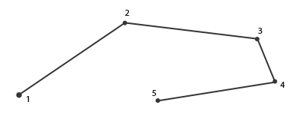 | 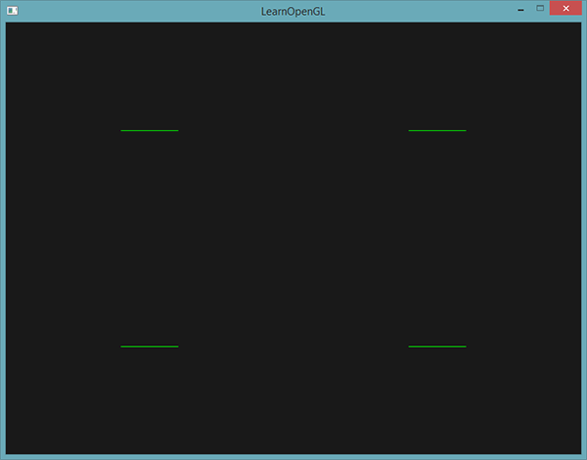 | 目前还并没有什么令人惊叹的效果，但考虑到这个输出是通过调用下面的渲染函数来生成的，它还是很有意思的： glDrawArrays(GL_POINTS, 0, 4);
使用几何着色器 | 为了展示几何着色器的用法，我们将会渲染一个非常简单的场景，我们只会在标准化设备坐标的z平面上绘制四个点。这些点的坐标是： float points[] = { -0.5f, 0.5f, // 左上 0.5f, 0.5f, // 右上 0.5f, -0.5f, // 右下 -0.5f, -0.5f // 左下 }; 顶点着色器只需要在z平面绘制点就可以了，所以我们将使用一个最基本顶点着色器： #version 330 core layout (location = 0) in vec2 aPos; void main() { gl_Position = vec4(aPos.x, aPos.y, 0.0, 1.0); } 直接在片段着色器中硬编码，将所有的点都输出为绿色： #version 330 core out vec4 FragColor; void main() { FragColor = vec4(0.0, 1.0, 0.0, 1.0); } 为点的顶点数据生成一个VAO和一个VBO，然后使用glDrawArrays进行绘制： shader.use(); glBindVertexArray(VAO); glDrawArrays(GL_POINTS, 0, 4); 结果是在黑暗的场景中有四个（很难看见的）绿点： |  | 出于学习目的，我们将会创建一个传递(Pass-through)几何着色器，它会接收一个点图元，并直接将它传递(Pass)到下一个着色器： #version 330 core layout (points) in; layout (points, max_vertices = 1) out; void main() { gl_Position = gl_in[0].gl_Position; EmitVertex(); EndPrimitive(); } 它将它接收到的顶点位置不作修改直接发射出去，并生成一个点图元。 和顶点与片段着色器一样，几何着色器也需要编译和链接，但这次在创建着色器时我们将会使用GL_GEOMETRY_SHADER作为着色器类型： geometryShader = glCreateShader(GL_GEOMETRY_SHADER); glShaderSource(geometryShader, 1, &gShaderCode, NULL); glCompileShader(geometryShader); ... glAttachShader(program, geometryShader); glLinkProgram(program); 着色器编译的代码和顶点与片段着色器代码都是一样的。记得要检查编译和链接错误！
造几个房子 | 利用几何着色器在每个点的位置上绘制一个房子。要实现这个，我们可以将几何着色器的输出设置为triangle_strip，并绘制三个三角形：其中两个组成一个正方形，另一个用作房顶。 OpenGL中，三角形带(Triangle Strip)是绘制三角形更高效的方式，它使用顶点更少。在第一个三角形绘制完之后，每个后续顶点将会在上一个三角形边上生成另一个三角形：每3个临近的顶点将会形成一个三角形。如果我们一共有6个构成三角形带的顶点，那么我们会得到这些三角形：(1, 2, 3)、(2, 3, 4)、(3, 4, 5)和(4, 5, 6)，共形成4个三角形。一个三角形带至少需要3个顶点，并会生成N-2个三角形。使用6个顶点，我们创建了6-2 = 4个三角形。下面这幅图展示了这点： |  | 
 | #version 330 core layout (points) in; layout (triangle_strip, max_vertices = 5) out; void build_house(vec4 position) { gl_Position = position + vec4(-0.2, -0.2, 0.0, 0.0); // 1:左下 EmitVertex(); gl_Position = position + vec4( 0.2, -0.2, 0.0, 0.0); // 2:右下 EmitVertex(); gl_Position = position + vec4(-0.2, 0.2, 0.0, 0.0); // 3:左上 EmitVertex(); gl_Position = position + vec4( 0.2, 0.2, 0.0, 0.0); // 4:右上 EmitVertex(); gl_Position = position + vec4( 0.0, 0.4, 0.0, 0.0); // 5:顶部 EmitVertex(); EndPrimitive(); } void main() { build_house(gl_in[0].gl_Position); } 这个几何着色器生成了5个顶点，每个顶点都是原始点的位置加上一个偏移量，来组成一个大的三角形带。最终的图元会被光栅化，然后片段着色器会处理整个三角形带，最终在每个绘制的点处生成一个绿色房子： | 
 | 每个房子实际上是由3个三角形组成的——全部都是使用空间中一点来绘制的。这些绿房子看起来是有点无聊，所以我们会再给每个房子分配一个不同的颜色。为了实现这个，我们需要在顶点着色器中添加一个额外的顶点属性，表示颜色信息，将它传递至几何着色器，并再次发送到片段着色器中。 下面是更新后的顶点数据： float points[] = { -0.5f, 0.5f, 1.0f, 0.0f, 0.0f, // 左上 0.5f, 0.5f, 0.0f, 1.0f, 0.0f, // 右上 0.5f, -0.5f, 0.0f, 0.0f, 1.0f, // 右下 -0.5f, -0.5f, 1.0f, 1.0f, 0.0f // 左下 }; 然后我们更新顶点着色器，使用一个接口块将颜色属性发送到几何着色器中： #version 330 core layout (location = 0) in vec2 aPos; layout (location = 1) in vec3 aColor; out VS_OUT { vec3 color; } vs_out; void main() { gl_Position = vec4(aPos.x, aPos.y, 0.0, 1.0); vs_out.color = aColor; } | 在几何着色器中声明相同的接口块（使用一个不同的接口名）： in VS_OUT { vec3 color; } gs_in[]; 因为几何着色器是作用于输入的一组顶点的，从顶点着色器发来输入数据总是会以数组的形式表示出来，即便我们现在只有一个顶点。 我们并不是必须要用接口块来向几何着色器传递数据。我们也可以这样写： in vec3 vColor[]; 如果顶点着色器发送的颜色向量是out vec3 vColor，那这么写就没问题。然而，接口块在几何着色器这样的着色器中会更容易处理一点。实际上，几何着色器的输入能够变得非常大，将它们合并为一个大的接口块数组会更符合逻辑一点。 接下来我们还需要为下个片段着色器阶段声明一个输出颜色向量： out vec3 fColor; 因为片段着色器只需要一个（插值的）颜色，发送多个颜色并没有什么意义。所以，fColor向量就不是一个数组，而是一个单独的向量。当发射一个顶点的时候，每个顶点将会使用最后在fColor中储存的值，来用于片段着色器的运行。对我们的房子来说，我们只需要在第一个顶点发射之前，使用顶点着色器中的颜色填充fColor一次就可以了。 fColor = gs_in[0].color; // gs_in[0] 因为只有一个输入顶点 gl_Position = position + vec4(-0.2, -0.2, 0.0, 0.0); // 1:左下 EmitVertex(); gl_Position = position + vec4( 0.2, -0.2, 0.0, 0.0); // 2:右下 EmitVertex(); gl_Position = position + vec4(-0.2, 0.2, 0.0, 0.0); // 3:左上 EmitVertex(); gl_Position = position + vec4( 0.2, 0.2, 0.0, 0.0); // 4:右上 EmitVertex(); gl_Position = position + vec4( 0.0, 0.4, 0.0, 0.0); // 5:顶部 EmitVertex(); EndPrimitive(); 所有发射出的顶点都将嵌有最后储存在fColor中的值，即顶点的颜色属性值。所有的房子都会有它们自己的颜色了： | 
 | 仅仅是为了有趣，我们也可以假装这是冬天，将最后一个顶点的颜色设置为白色，给屋顶落上一些雪。 fColor = gs_in[0].color; gl_Position = position + vec4(-0.2, -0.2, 0.0, 0.0); // 1:左下 EmitVertex(); gl_Position = position + vec4( 0.2, -0.2, 0.0, 0.0); // 2:右下 EmitVertex(); gl_Position = position + vec4(-0.2, 0.2, 0.0, 0.0); // 3:左上 EmitVertex(); gl_Position = position + vec4( 0.2, 0.2, 0.0, 0.0); // 4:右上 EmitVertex(); gl_Position = position + vec4( 0.0, 0.4, 0.0, 0.0); // 5:顶部 fColor = vec3(1.0, 1.0, 1.0); EmitVertex(); EndPrimitive(); | 
爆破物体 | 尽管绘制房子非常有趣，但我们不会经常这么做。这也是为什么我们接下来要继续深入，来爆破(Explode)物体！虽然这也是一个不怎么常用的东西，但是它能向你展示几何着色器的强大之处。 当我们说爆破一个物体时，我们并不是指要将宝贵的顶点集给炸掉，我们是要将每个三角形沿着法向量的方向移动一小段时间。效果就是，整个物体看起来像是沿着每个三角形的法线向量爆炸一样。爆炸三角形的效果在纳米装模型上看起来像是这样的： |  | 这样的几何着色器效果的一个好处就是，无论物体有多复杂，它都能够应用上去。 因为我们想要沿着三角形的法向量位移每个顶点，我们首先需要计算这个法向量。我们所要做的是计算垂直于三角形表面的向量，仅使用我们能够访问的3个顶点。你可能还记得在变换小节中，我们使用叉乘来获取垂直于其它两个向量的一个向量。如果我们能够获取两个平行于三角形表面的向量a和b，我们就能够对这两个向量进行叉乘来获取法向量了。下面这个几何着色器函数做的正是这个，来使用3个输入顶点坐标来获取法向量： vec3 GetNormal() { vec3 a = vec3(gl_in[0].gl_Position) - vec3(gl_in[1].gl_Position); vec3 b = vec3(gl_in[2].gl_Position) - vec3(gl_in[1].gl_Position); return normalize(cross(a, b)); } 这里我们使用减法获取了两个平行于三角形表面的向量a和b。因为两个向量相减能够得到这两个向量之间的差值，并且三个点都位于三角平面上，对任意两个向量相减都能够得到一个平行于平面的向量。注意，如果我们交换了cross函数中a和b的位置，我们会得到一个指向相反方向的法向量——这里的顺序很重要！ 既然知道了如何计算法向量了，我们就能够创建一个explode函数了，它使用法向量和顶点位置向量作为参数。这个函数会返回一个新的向量，它是位置向量沿着法线向量进行位移之后的结果： vec4 explode(vec4 position, vec3 normal) { float magnitude = 2.0; vec3 direction = normal * ((sin(time) + 1.0) / 2.0) * magnitude; return position + vec4(direction, 0.0); } 函数本身应该不是非常复杂。sin函数接收一个time参数，它根据时间返回一个-1.0到1.0之间的值。因为我们不想让物体向内爆炸(Implode)，我们将sin值变换到了[0, 1]的范围内。最终的结果会乘以normal向量，并且最终的direction向量会被加到位置向量上。 当使用我们的模型加载器绘制一个模型时，爆破(Explode)效果的完整几何着色器是这样的： #version 330 core layout (triangles) in; layout (triangle_strip, max_vertices = 3) out; in VS_OUT { vec2 texCoords; } gs_in[]; out vec2 TexCoords; uniform float time; vec4 explode(vec4 position, vec3 normal) { ... } vec3 GetNormal() { ... } void main() { vec3 normal = GetNormal(); gl_Position = explode(gl_in[0].gl_Position, normal); TexCoords = gs_in[0].texCoords; EmitVertex(); gl_Position = explode(gl_in[1].gl_Position, normal); TexCoords = gs_in[1].texCoords; EmitVertex(); gl_Position = explode(gl_in[2].gl_Position, normal); TexCoords = gs_in[2].texCoords; EmitVertex(); EndPrimitive(); } 注意我们在发射顶点之前输出了对应的纹理坐标。 而且别忘了在OpenGL代码中设置time变量： shader.setFloat("time", glfwGetTime()); 最终的效果是，3D模型看起来随着时间不断在爆破它的顶点，在这之后又回到正常状态。虽然这并不是非常有用，它的确向你展示了几何着色器更高级的用法。你可以将你的代码和这里完整的源码进行比较。
 | GBuffer.glsl #type vertex #version 450 core layout(location = 0) in vec3 a_Position; layout(location = 1) in vec4 a_Color; layout(location = 2) in vec2 a_TexCoord; layout(location = 3) in vec3 a_Normal; layout(location = 4) in vec3 a_Tangent; layout(location = 5) in vec3 a_Bitangent; layout(location = 6) in float a_TilingFactor; layout(location = 7) in int a_EntityID; layout(std140, binding = 0) uniform Camera { // projection * view mat4 u_ViewProjection; float u_Near; float u_Far; }; struct VertexOutput { vec3 Position; vec4 Color; vec2 TexCoord; vec3 Normal; float TilingFactor; mat3 TBN; }; layout (location = 0) out flat int v_EntityID; layout (location = 1) out float v_Near; layout (location = 2) out float v_Far; layout (location = 3) out VertexOutput Output; void main() { vec3 T = normalize(a_Tangent); vec3 N = normalize(a_Normal); vec3 B = normalize(a_Bitangent); mat3 TBN = mat3(T, B, N); v_EntityID = a_EntityID; v_Near = u_Near; v_Far = u_Far; Output.Position = a_Position; Output.Color = a_Color; Output.TexCoord = a_TexCoord; Output.Normal = N; Output.TilingFactor = a_TilingFactor; Output.TBN = TBN; gl_Position = u_ViewProjection * vec4(a_Position, 1.0); } #type geometry #version 450 core layout(triangles) in; layout(triangle_strip, max_vertices = 3) out; layout(std140, binding = 0) uniform Camera { mat4 u_ViewProjection; float u_Near; float u_Far; }; uniform float u_ExplosionOffset; // 输入：接收顶点着色器的变量（需要加 []，因为每个顶点都有值） layout (location = 0) in flat int v_EntityID_in[]; layout (location = 1) in float v_Near_in[]; layout (location = 2) in float v_Far_in[]; layout (location = 3) in VertexOutput { vec3 Position; vec4 Color; vec2 TexCoord; vec3 Normal; float TilingFactor; mat3 TBN; } v_Output_in[]; // 输出：转发变量到片段着色器 layout(location = 0) out flat int v_EntityID; layout(location | struct MeshRendererComponent { enum class MeshRendererFlags : uint32_t { None = 0, Outline = 1 << 0, // 第一位：启用轮廓 Explosion = 1 << 1 // 第二位：爆破效果 }; ... float explosionOffset = 0.0f; ... } void SceneHierarchyPanel::DrawMeshRendererComponent(MeshRendererComponent& component) { ImGui::Checkbox("Enabled", &component.enabled); const char* items[] = { "Diffuse", "Specular", "Normal", "Height", "Roughness", "AO", "Emission"}; auto& textures = component.textures; ImGui::ColorEdit4("Color", glm::value_ptr(component.color)); ImGui::DragFloat("Tiling Factor", &component.tilingFactor, 0.1f, 0.0f, 100.0f); ImGui::DragFloat("Thickness", &component.thickness, 0.025f, 0.0f, 1.0f); ImGui::DragFloat("Fade", &component.fade, 0.00025f, 0.0f, 1.0f); // 显示的文本，flags 变量的指针，要控制的那个位（例如 1 << 0） ImGui::CheckboxFlags("Outline", &component.flags, (uint32_t)MeshRendererComponent::MeshRendererFlags::Outline); ImGui::CheckboxFlags("Explosion", &component.flags, (uint32_t)MeshRendererComponent::MeshRendererFlags::Explosion); if (component.HasFlag(component.flags, MeshRendererComponent::MeshRendererFlags::Outline)) { ImGui::ColorEdit4("Outline Color", glm::value_ptr(component.outlineColor)); DrawVec3Control("Outline Scale", component.outlineScale, 1.0f); } if (component.HasFlag(component.flags, MeshRendererComponent::MeshRendererFlags::Explosion)) { ImGui::DragFloat("Explosion Offset", &component.explosionOffset, 0.025f, 0.0f, 100.0f); } ... } void Scene::RenderScene(Camera& camera, const glm::mat4& transform, const glm::vec3& position, const glm::vec3& rotation) { ... if (outlineEnabled && m_RenderType == RenderType::OUTLINE) { // 计算放大后的模型矩阵 glm::mat4 scaleMat = glm::scale(glm::mat4(1.0f), glm::vec3(meshRendererComp.outlineScale)); worldTransform = worldTransform * scaleMat; UniformBufferManager::GetUniformBuffer("OutlineColor")->SetData(&m
法向量可视化 | 显示任意物体的法向量。当编写光照着色器时，你可能会最终会得到一些奇怪的视觉输出，但又很难确定导致问题的原因。光照错误很常见的原因就是法向量错误，这可能是由于不正确加载顶点数据、错误地将它们定义为顶点属性或在着色器中不正确地管理所导致的。我们想要的是使用某种方式来检测提供的法向量是正确的。检测法向量是否正确的一个很好的方式就是对它们进行可视化，几何着色器正是实现这一目的非常有用的工具。 我们首先不使用几何着色器正常绘制场景。然后再次绘制场景，但这次只显示通过几何着色器生成法向量。几何着色器接收一个三角形图元，并沿着法向量生成三条线——每个顶点一个法向量。伪代码看起来会像是这样： shader.use(); DrawScene(); normalDisplayShader.use(); DrawScene(); 这次在几何着色器中，我们会使用模型提供的顶点法线，而不是自己生成，为了适配（观察和模型矩阵的）缩放和旋转，我们在将法线变换到观察空间坐标之前，先使用法线矩阵变换一次（几何着色器接受的位置向量是观察空间坐标，所以我们应该将法向量变换到相同的空间中）。这可以在顶点着色器中完成： #version 330 core layout (location = 0) in vec3 aPos; layout (location = 1) in vec3 aNormal; out VS_OUT { vec3 normal; } vs_out; uniform mat4 view; uniform mat4 model; void main() { gl_Position = view * model * vec4(aPos, 1.0); mat3 normalMatrix = mat3(transpose(inverse(view * model))); vs_out.normal = normalize(vec3(vec4(normalMatrix * aNormal, 0.0))); } | 变换后的观察空间法向量会以接口块的形式传递到下个着色器阶段。接下来，几何着色器会接收每一个顶点（包括一个位置向量和一个法向量），并在每个位置向量处绘制一个法线向量： #version 330 core layout (triangles) in; layout (line_strip, max_vertices = 6) out; in VS_OUT { vec3 normal; } gs_in[]; const float MAGNITUDE = 0.4; uniform mat4 projection; void GenerateLine(int index) { gl_Position = projection * gl_in[index].gl_Position; EmitVertex(); gl_Position = projection * (gl_in[index].gl_Position + vec4(gs_in[index].normal, 0.0) * MAGNITUDE); EmitVertex(); EndPrimitive(); } void main() { GenerateLine(0); // 第一个顶点法线 GenerateLine(1); // 第二个顶点法线 GenerateLine(2); // 第三个顶点法线 } | 像这样的几何着色器应该很容易理解了。注意我们将法向量乘以了一个MAGNITUDE向量，来限制显示出的法向量大小（否则它们就有点大了）。 因为法线的可视化通常都是用于调试目的，我们可以使用片段着色器，将它们显示为单色的线（如果你愿意也可以是非常好看的线）： #version 330 core out vec4 FragColor; void main() { FragColor = vec4(1.0, 1.0, 0.0, 1.0); } 现在，首先使用普通着色器渲染模型，再使用特别的法线可视化着色器渲染，你将看到这样的效果： 除了让我们的背包变得毛茸茸之外，它还能让我们很好地判断模型的法向量是否准确。你可以想象到，这样的几何着色器也经常用于给物体添加毛发(Fur)。
 | 
 | class VOL_API Framebuffer { public: virtual void BlitColorFramebuffer(uint32_t srcColorAttachmentRendererID, uint32_t dstColorAttachmentRendererID, uint32_t width, uint32_t height) = 0; } class OpenGLFramebuffer : public Framebuffer { public: virtual void BlitColorFramebuffer(uint32_t srcColorAttachmentRendererID, uint32_t dstColorAttachmentRendererID, uint32_t width, uint32_t height) override; } void OpenGLFramebuffer::BlitColorFramebuffer(uint32_t srcColorAttachmentRendererID, uint32_t dstColorAttachmentRendererID, uint32_t width, uint32_t height) { if (!srcColorAttachmentRendererID || !dstColorAttachmentRendererID) { VOL_CORE_ERROR("Invalid attachment textures for BlitColorAttachment"); return; } glCopyImageSubData( srcColorAttachmentRendererID, GL_TEXTURE_2D, 0, 0, 0, 0, // 源：纹理ID，目标类型，mip级别，x,y,z dstColorAttachmentRendererID, GL_TEXTURE_2D, 0, 0, 0, 0, // 目标：纹理ID，目标类型，mip级别，x,y,z width, height, 1 // 拷贝尺寸（深度=1） ); } | void VolcanoEditorLayer::OnUpdate() { ... //============================================SceneRender============================================= SceneRenderer::BeginScene(m_ActiveScene, m_SceneState, m_EditorCamera); SceneRenderer::PreProcessing(); SceneRenderer::GBuffer(); SceneRenderer::MidProcessing(); SceneRenderer::DeferredShading(); SceneRenderer::PostProcessing(); SceneRenderer::EndScene(); framebuffer->Bind(); OnOverlayRender(); framebuffer->Unbind(); } class VOL_API SceneRenderer { public: static void PreProcessing(); static void GBuffer(); static void MidProcessing(); static void LightShading(); static void DeferredShading(); static void Skybox(); static void NormalVisualization(); static void DrawOutlines(); static void PostProcessing(); } void SceneRenderer::PreProcessing() { } void SceneRenderer::GBuffer() { ... } void SceneRenderer::MidProcessing() { LightShading(); } void SceneRenderer::LightShading() { ... } void SceneRenderer::DeferredShading() { ... m_DeferredShadingFramebuffer->BlitDepthFramebuffer( m_GBufferFramebuffer->GetRendererID(), m_DeferredShadingFramebuffer->GetRendererID(), 0, 0, m_GBufferFramebuffer->GetSpecification().Width, m_GBufferFramebuffer->GetSpecification().Height, 0, 0, m_DeferredShadingFramebuffer->GetSpecification().Width, m_DeferredShadingFramebuffer->GetSpecification().Height ); m_DeferredShadingFramebuffer->BlitStencilFramebuffer( m_GBufferFramebuffer->GetRendererID(), m_DeferredShadingFramebuffer->GetRendererID(), 0, 0, m_GBufferFramebuffer->GetSpecification().Width, m_GBufferFramebuffer->GetSpecification().Height, 0, 0, m_DeferredShadingFramebuffer->GetSpecification().Width, m_DeferredShadingFramebuffer->GetSpecification().Height ); Skybox(); DrawOutlines(); NormalVisuali | void Scene::BindShader(RenderType type) { switch (type) { case RenderType::SHADOW_DIRECTIONALLIGHT: Renderer::GetShaderLibrary()->Get("ShadowMappingDepth")->Bind(); break; case RenderType::SHADOW_POINTLIGHT: Renderer::GetShaderLibrary()->Get("PointShadowsDepth")->Bind(); break; case RenderType::SHADOW_SPOTLIGHT: Renderer::GetShaderLibrary()->Get("SpotShadowDepth")->Bind(); break; case RenderType::NORMAL_VISUALIZATION: Renderer::GetShaderLibrary()->Get("NormalVisualization")->Bind(); break; case RenderType::G_BUFFER: Renderer::GetShaderLibrary()->Get("GBuffer")->Bind(); break; case RenderType::PBRLIGHT_SHADING: Renderer::GetShaderLibrary()->Get("PBRLightShading")->Bind(); break; case RenderType::PBRDEFERRED_SHADING: Renderer::GetShaderLibrary()->Get("PBRDeferredShading")->Bind(); break; case RenderType::COLLIDER: Renderer::GetShaderLibrary()->Get("Collider")->Bind(); break; case RenderType::PARTICLE: Renderer::GetShaderLibrary()->Get("Particle")->Bind(); break; case RenderType::OUTLINE: Renderer::GetShaderLibrary()->Get("Outline")->Bind(); break; case RenderType::NORMAL: break; default: VOL_CORE_ASSERT(0); } } void Scene::RenderScene(Camera& camera, const glm::mat4& transform, const glm::vec3& position, const glm::vec3& rotation) { ... if (m_RenderType == RenderType::G_BUFFER || m_RenderType == RenderType::OUTLINE || m_RenderType == RenderType::NORMAL_VISUALIZATION || m_RenderType == RenderType::NORMAL ) { //Draw Mesh BindShader(m_RenderType); TraverseEntity(m_EntityList, [&](Ref<Entity> entity) { if (entity->HasComponent<MeshComponent>() && entity->GetComponent<MeshComponent>().enabled && entity->HasComponent<MeshRendererComponent>() && entity->GetComponent<MeshRendererComponent>().enabled) { auto& transformComp = entity->GetComponent<TransformComponent>(); auto& meshComp = entity->GetCompo
 | struct MeshRendererComponent { ... uint32_t flags = 0; glm::vec4 outlineColor{ 1.0f, 1.0f, 1.0f, 1.0f }; glm::vec3 outlineScale{ 1.1f, 1.1f, 1.1f}; float explosionOffset = 0.0f; glm::vec4 normalVisualizationColor{ 1.0f, 1.0f, 1.0f, 1.0f }; float normalVisualizationLength = 1.0f; int normalVisualizationIndex1 = -1; int normalVisualizationIndex2 = -1; ... } void SceneHierarchyPanel::DrawMeshRendererComponent(MeshRendererComponent& component) { ... // 显示的文本，flags 变量的指针，要控制的那个位（例如 1 << 0） ImGui::CheckboxFlags("Outline", &component.flags, (uint32_t)MeshRendererComponent::MeshRendererFlags::Outline); if (component.HasFlag(component.flags, MeshRendererComponent::MeshRendererFlags::Outline)) { ImGui::ColorEdit4("Outline Color", glm::value_ptr(component.outlineColor)); DrawVec3Control("Outline Scale", component.outlineScale, 1.0f); } ImGui::CheckboxFlags("Explosion", &component.flags, (uint32_t)MeshRendererComponent::MeshRendererFlags::Explosion); if (component.HasFlag(component.flags, MeshRendererComponent::MeshRendererFlags::Explosion)) { ImGui::DragFloat("Explosion Offset", &component.explosionOffset, 0.025f, 0.0f, 100.0f); } ImGui::CheckboxFlags("Normal Visualization", &component.flags, (uint32_t)MeshRendererComponent::MeshRendererFlags::NormalVisualization); if (component.HasFlag(component.flags, MeshRendererComponent::MeshRendererFlags::NormalVisualization)) { ImGui::ColorEdit4("Normal Visualization Color", glm::value_ptr(component.normalVisualizationColor)); ImGui::DragFloat("Normal Visualization Length", &component.normalVisualizationLength, 0.025f, 0.0f, 100.0f); ImGui::DragInt("Normal Visualization Index1", &component.normalVisualizationIndex1, 1, -1); ImGui::DragInt("Normal Visualization Index2", &component.normalVisualizationIndex2, 1, -1); } ... } | NormalVisualization.glsl #type vertex #version 450 core layout(location = 0) in vec3 a_Position; layout(location = 3) in vec3 a_Normal; struct VertexOutput { vec3 Normal; int VertexIndex; }; layout (location = 0) out VertexOutput Output; void main() { gl_Position = vec4(a_Position, 1.0); Output.Normal = a_Normal; Output.VertexIndex = gl_VertexID; } #type geometry #version 450 core layout(triangles) in; layout(line_strip, max_vertices = 6) out; layout(std140, binding = 0) uniform Camera { // projection * view mat4 u_ViewProjection; float u_Near; float u_Far; }; uniform float u_Length = 0.4f; // 法线显示长度 uniform int u_Index1 = -1; uniform int u_Index2 = -1; struct VertexOutput { vec3 Normal; int VertexIndex; }; layout (location = 0) in VertexOutput Input[]; void GenerateLine(int index) { if (u_Index1 < 0 || u_Index2 < 0) return; int vertexIndex = Input[index].VertexIndex; if (vertexIndex < u_Index1 || vertexIndex > u_Index2) return; gl_Position = u_ViewProjection * gl_in[index].gl_Position; EmitVertex(); gl_Position = u_ViewProjection * (gl_in[index].gl_Position + vec4(Input[index].Normal * u_Length, 0.0)); EmitVertex(); EndPrimitive(); } void main() { // 对三个顶点分别尝试生成法线 for (int i = 0; i < 3; i++) { GenerateLine(i); } } #type fragment #version 450 core layout (location = 0) out vec4 o_FragColor; uniform vec4 u_Color = vec4(1.0f); // 法线显示颜色 void main() { o_FragColor = u_Color; }
这个文件已经太长了，接下来切换到开发日志3.xlsx

