Dashboard

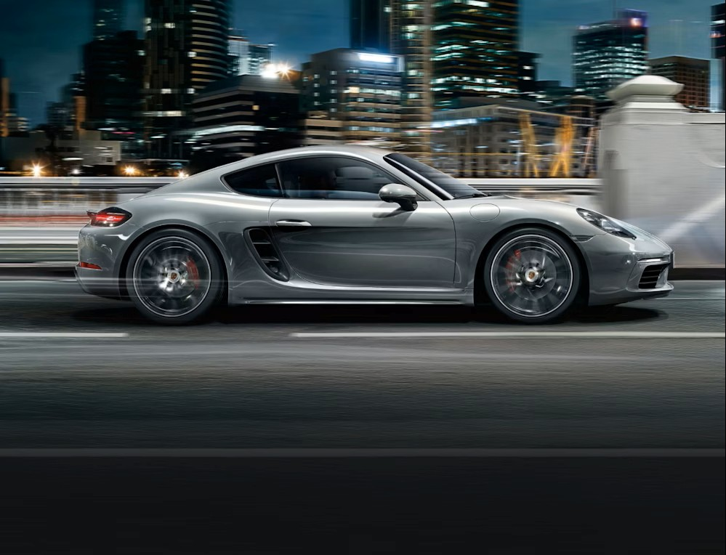
TOTAL SALES
CAR SALES

SALES BY MODEL
 | Total
RAV4 | 83407168
M5 | 65653777
Mondeo | 65531495
Passat | 62802417
Focus | 58668447
Prius | 58438926
Golf | 52339315
Polo | 39403764
Yaris | 38182814
Fiesta | 35446825
911 | 32285560
X3 | 28863296
Z4 | 26775192
Cayenne | 24981675
718 Cayman | 18664487
SALES BY FUEL
 | Total
Diesel | 174408897
Hybrid | 168089796
Petrol | 348946465
R691 445 158

SALES BY MANUFACTURER
 | Total
Toyota | 180028908
Ford | 159646767
VW | 154545496
BMW | 121292265
Porsche | 75931722
(blank)

