CV
Resume


General Information
Print
FullScreen
Email: mat.jankowski99@gmail.com Phone: 796 113 748 Date of Birth: 06.08.1999 City: Świętochłowice

Introduction

Education
Professional Background
October 2020 - June 2023 (2 years 9 months) University of Silesia in Katowice: Political and Public Advisory (Bachelor's) Completed Coursework:
- Social Research
- Introduction to Research Projects
- Quantitative and Qualitative Data Analysis
October 2018 - June 2023 (4 years 9 months) University of Silesia in Katowice: Law (Master's)

Mateusz
Jankowski

Courses and Development

LinkedIn Profile

Excel Project Showcase

About me

Legal expert and political advisor with a fervent interest in data analysis. Balancing my background in law with a passion for data-driven insights. Embarking on a doctorate to manipulate election results using cutting-edge technology. Skilled in VBA programming, carbon footprint calculations, Excel data visualization, and SQL database management. On a journey to enhance skills in programming. Constant learner with a knack for absorbing and applying complex knowledge.

CV (2)
Resume

Work Experience
FullScreen

Trainee in Public Procurement and Purchasing (Internship July 2023 - Present · 2 months)
NASK (Research and Academic Computer Network) Location: Warsaw, Mazowieckie, Poland · Remote Work
Responsibilities:
Automating the Legal Department by creating a budget monitoring tool.
Assisting in improving spreadsheets.
Skills Used:
Pivot tables, Power Query, Power Pivot, VBA, Microsoft Excel
Junior Carbon Footprint Tool Developer (July 2023 - Present · 2 months)
Sustainability Assistant (February 2023 - July 2023 · 6 months)
Bureau Veritas Group
Location: Warsaw Mazowieckie, Poland · Remote Work
Responsibilities:
Developing tools to calculate the carbon footprint for companies using Excel, its add-ins, and VBA, while also visualizing business data.
Skills Used:
Data Analysis, Data Visualization, Power Query, Power Pivot, VBA, Microsoft Excel
Project Specialist (Internship July 2022 - September 2022 · 3 months )
Instytut Dyplomacji Gospodarczej
Location: Warsaw, Mazowieckie, Poland · Remote Work
Skills Used:
Project Management, Creative Strategy, Communication, Creative Writing
Introduction

Professional Background

Mateusz
Jankowski

Courses and Development

Excel Project Showcase
Skills

Microsof Excel, VBA
Analytical Thinking, Creating Graphic User Interfaces, Data visualisation
SQL, Python - Basic Level (OOP)

CV (3)
Resume

Completed Courses
Show certificates
FullScreen
SQL for Beginners: Learn SQL using MySQL and Database Design
Facilitator: Tim Buchalka's Programming Academy (Udemy)
Duration: 8h online ocurse
The Ultimate Excel Programmer Course
Facilitator: Daniel Strong (Udemy)
Duration: 30,5h online course
Visually Effective Excel Dashboards
Facilitator: Leila Gharani (Udemy)
Duration: 11h online course
European Computer Driving License Advanced - Advanced Spreadsheets
Facilitator: ECDL Foundation
Duration: 24h bootcamp with exam
Creating WWW Websites
Facilitator: Nowoczesny Ośrodek Edukacji
Duration: 16h remote course
Android - Introduction and Mobile Application Development Facilitator: Instytut Innowacyjnej Edukacji
Duration: 24h bootcamp
Master PYTHON - Programming Course from Scratch
Facilitator: Zachodniopomorski Uniwersytet Technologiczny w Szczecinie (Navoica)
Duration: Online course

Introduction

Professional Background

Mateusz
Jankowski

Courses and Development

Currently in Progress
Excel Project Showcase

- MS SQL Server Masterclass
- Python 100 days of Code
- Pandas course
I am also open to learning other technologies required for the job.

CV (4)
Resume

UI with an Embedded UserForm
FullScreen

Introduction

Professional Background

Mateusz
Jankowski

Courses and Development

Created Data Model and Visualization
Go to

Excel Project Showcase
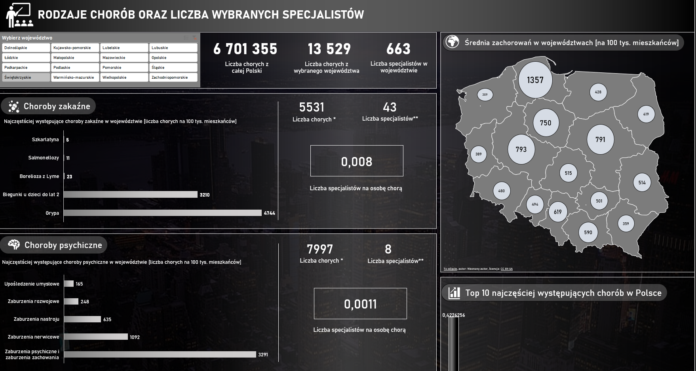
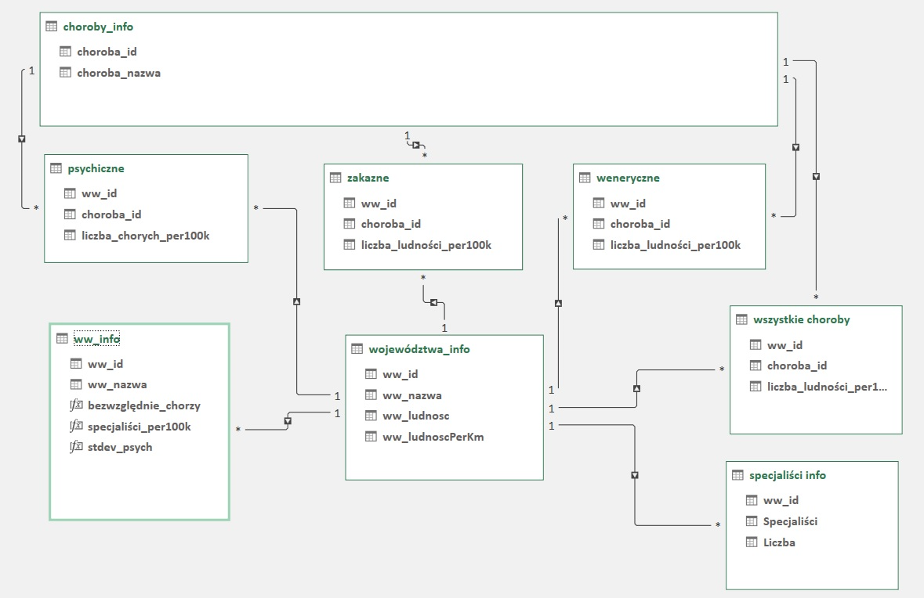

Part of VBA Userform program

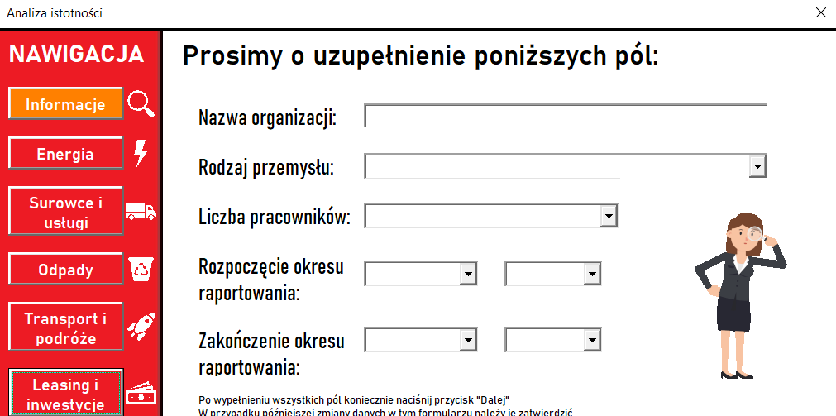
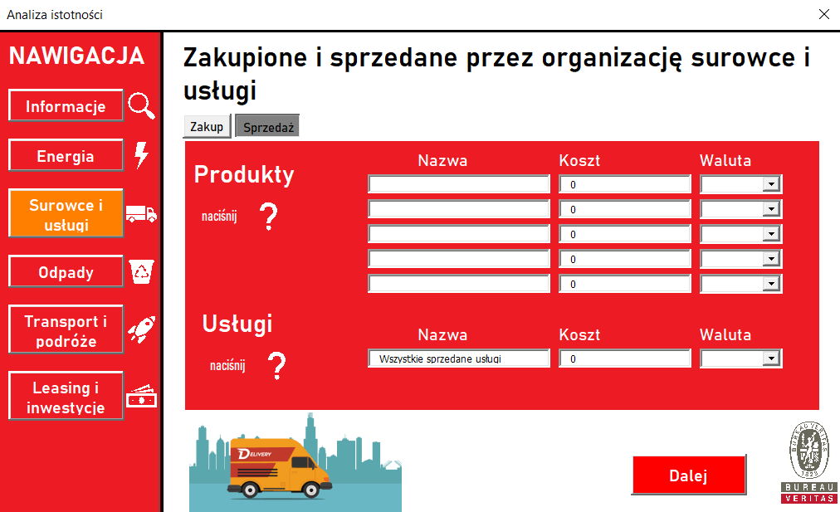

Automated NASA Report

