LaunchIHV
S.No. | Actions | Object | Images | InputEnglish | InputGerman | ImagePathEnglish | ImagePathGerman
1 | find | StartIcon
2 | click | StartIcon
3 | find | Search Input box Icon
4 | click | Search Input box Icon
5 | type | Search Input box |  | HiVision
6 | find | Launch IHV option
7 | click | Launch IHV option
8 | waitVanish | Connection window
 | wait | UserName Password window | 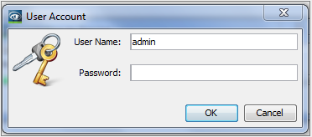
 | find | UserName field
 | type | UserName field |  | admin
 | find | Password field
 | type | Password field |  | admin123
 | find | Ok button
 | click | Ok button
 | waitVanish | Connection window
 | wait | Wizard | 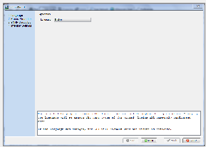
 | find | Cancel button
 | click | Cancel button
 | find | minimized options
 | exists | minimized options
 | hover | minimized
 | click | minimized

