Sheet
Stats: (average data of everyone in the game, in relation to you) | 0 {1: 1133.0, 2: 1336.0, 3: 488.0, 4: 1254.0, 5: 456.0, 6: 26.0, 7: 1336.0, 8: 1595.0, 9: 1223.0, 10: 487.0} | 0 {1: 56.0, 2: 62.0, 3: 76.0, 4: 9.0, 5: 10.0, 6: 45.0, 7: 61.0, 8: 47.0, 9: 6.0, 10: 6.0} | 0 {1: 5.0, 2: 9.0, 3: 13.0, 4: 3.0, 5: 1.0, 6: 3.0, 7: 7.0, 8: 3.0, 9: 2.0, 10: 1.0} | 0 {1: 6.0, 2: 9.0, 3: 7.0, 4: 6.0, 5: 6.0, 6: 6.0, 7: 8.0, 8: 7.0, 9: 5.0, 10: 4.0} | 0 {1: '2.0/1.0', 2: '3.0/0.0', 3: '1.0/0.0', 4: '2.0/0.0', 5: '1.0/2.0', 6: '0.0/0.0', 7: '0.0/3.0', 8: '3.0/2.0', 9: '0.0/4.0', 10: '0.0/3.0'}
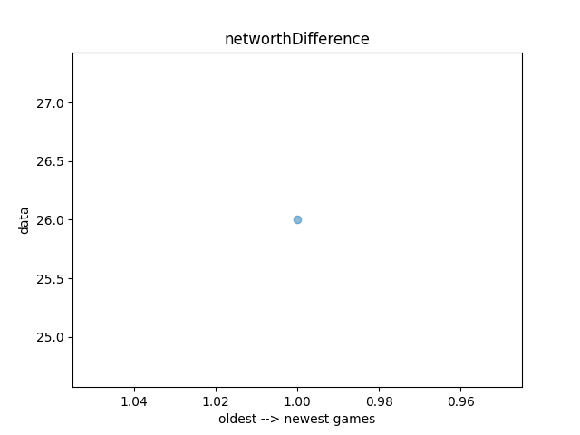
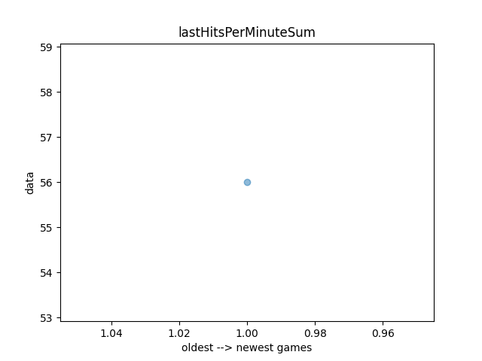
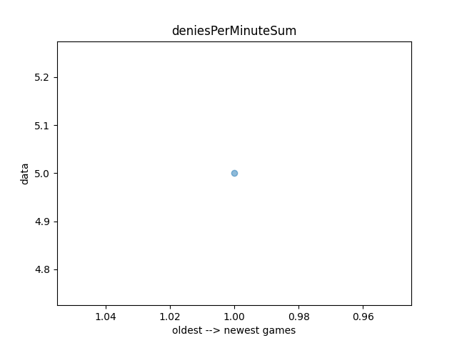
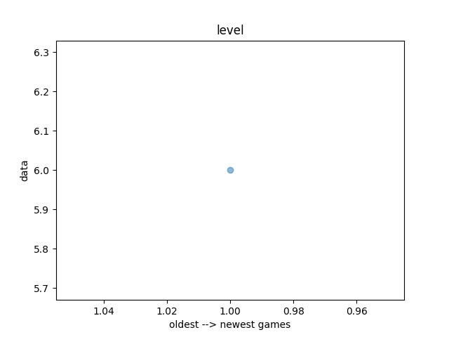
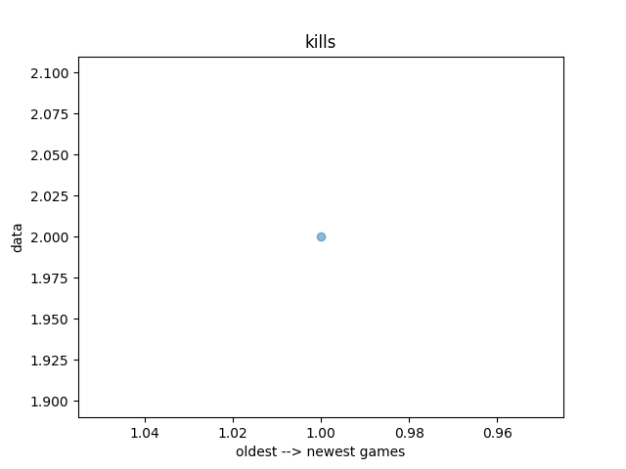
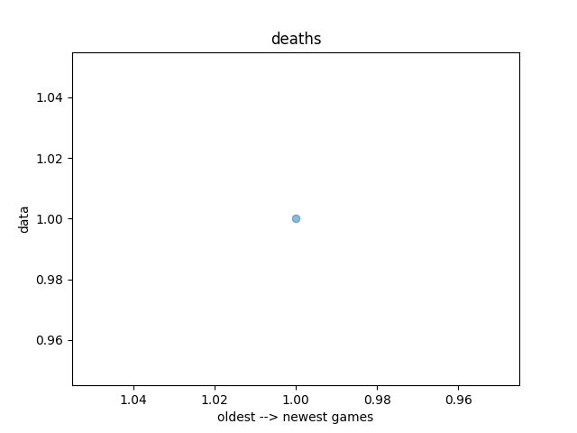
Graphs: (plotted data of only you)

Parsing last 10 matches of 405788540. PARAMETERS: position=POSITION_1, ally=True, taking stats at minute 10.
The networthDifference stats are ordered by comparing the respective positions to themselves for indices 1-5 (so index 3 is YourPos3-TheirPos3). Indices 6-10 are comparing positions to their lane opposition (index 8 is YourPos3-TheirPos1). The graph compares you agaisnt your lane opponent
The stats above kills/deaths are the kda ratio
If levels/kda is empty/lacking data that means stratz api returned no playbackData. Try parsing your latest match on stratz (idk if this will work)

