About
Notes on this data set:
This data set provides inputs for a unit commitment and/or economic dispatch study considering the existing generation in the Western Interconnection (Western Electricity Coordinating Council or WECC) circa 2020
Existing geneators are clustered at varying levels of resolution (in the Large, Medium, and Small versions) based on heat rate and fixed O&M cost.
There are 12 regions (see zonal ID list and map in the [Input_descrptions_WECC_UC.xlsx](Input_descrptions_WECC_UC.xlsx) file) and time series data provided for an entire year.
Demand profiles are based on 2012 weather year and are increased to 2020 values based on EIA Annual Energy Outlook data.
Renewables data profiles are from Vibrant Clean Energy, 13-km continental United States data set and are for weather year 2012
Technology costs are from NREL Annual Technology Baseline 2019 edition.
Transmission transfer limits from EPA IPM model.
All inputs generated by PowerGenome data platform, see https://github.com/gschivley/PowerGenome

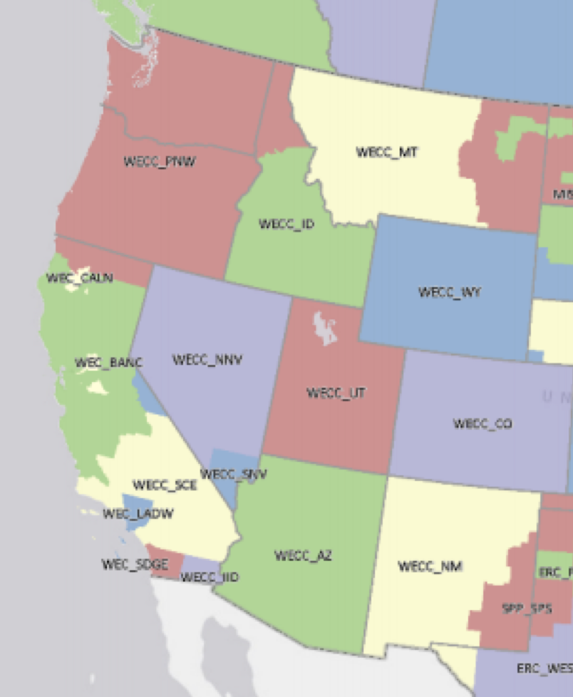
Zones:
1. NorCal = WEC_CALN and WEC_BANC (PG&E and Balancing Area of Northern California)
2. SoCal = WECC_SCE and WEC_LADW (Southern California Edison and LA Dept of Water & Power)
3. SD_IID = WECC_SDGE and WECC_IID (San Diego Gas and Electric and Imperial Irrigation District)
4. PNW = WECC_PNW (Oregon and Washington)
5. ID = WECC_ID (Idaho)
6. MT = WECC_MT (Montana)
7. NV = WECC_NNV and WECC_SNV (Nevada)
8. AZ = WECC_AZ (Arizona)
9. NM = WECC_NM (New Mexico)
10. WY = WECC_WY (Wyoming)
11. UT = WECC_UT (Utah)
12. CO = WECC_CO (Colorado)

