Functional Model
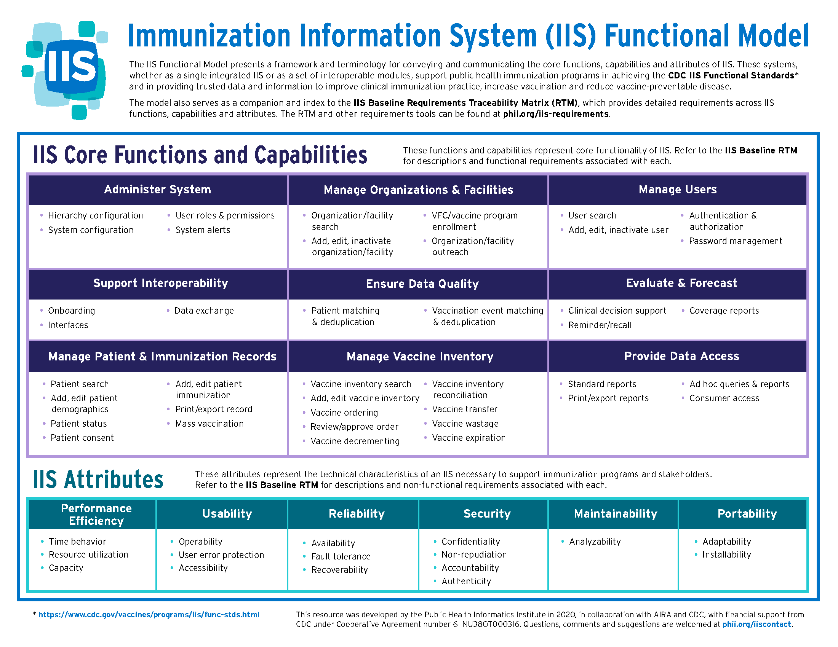
Return to Cover Page

