Functional Model
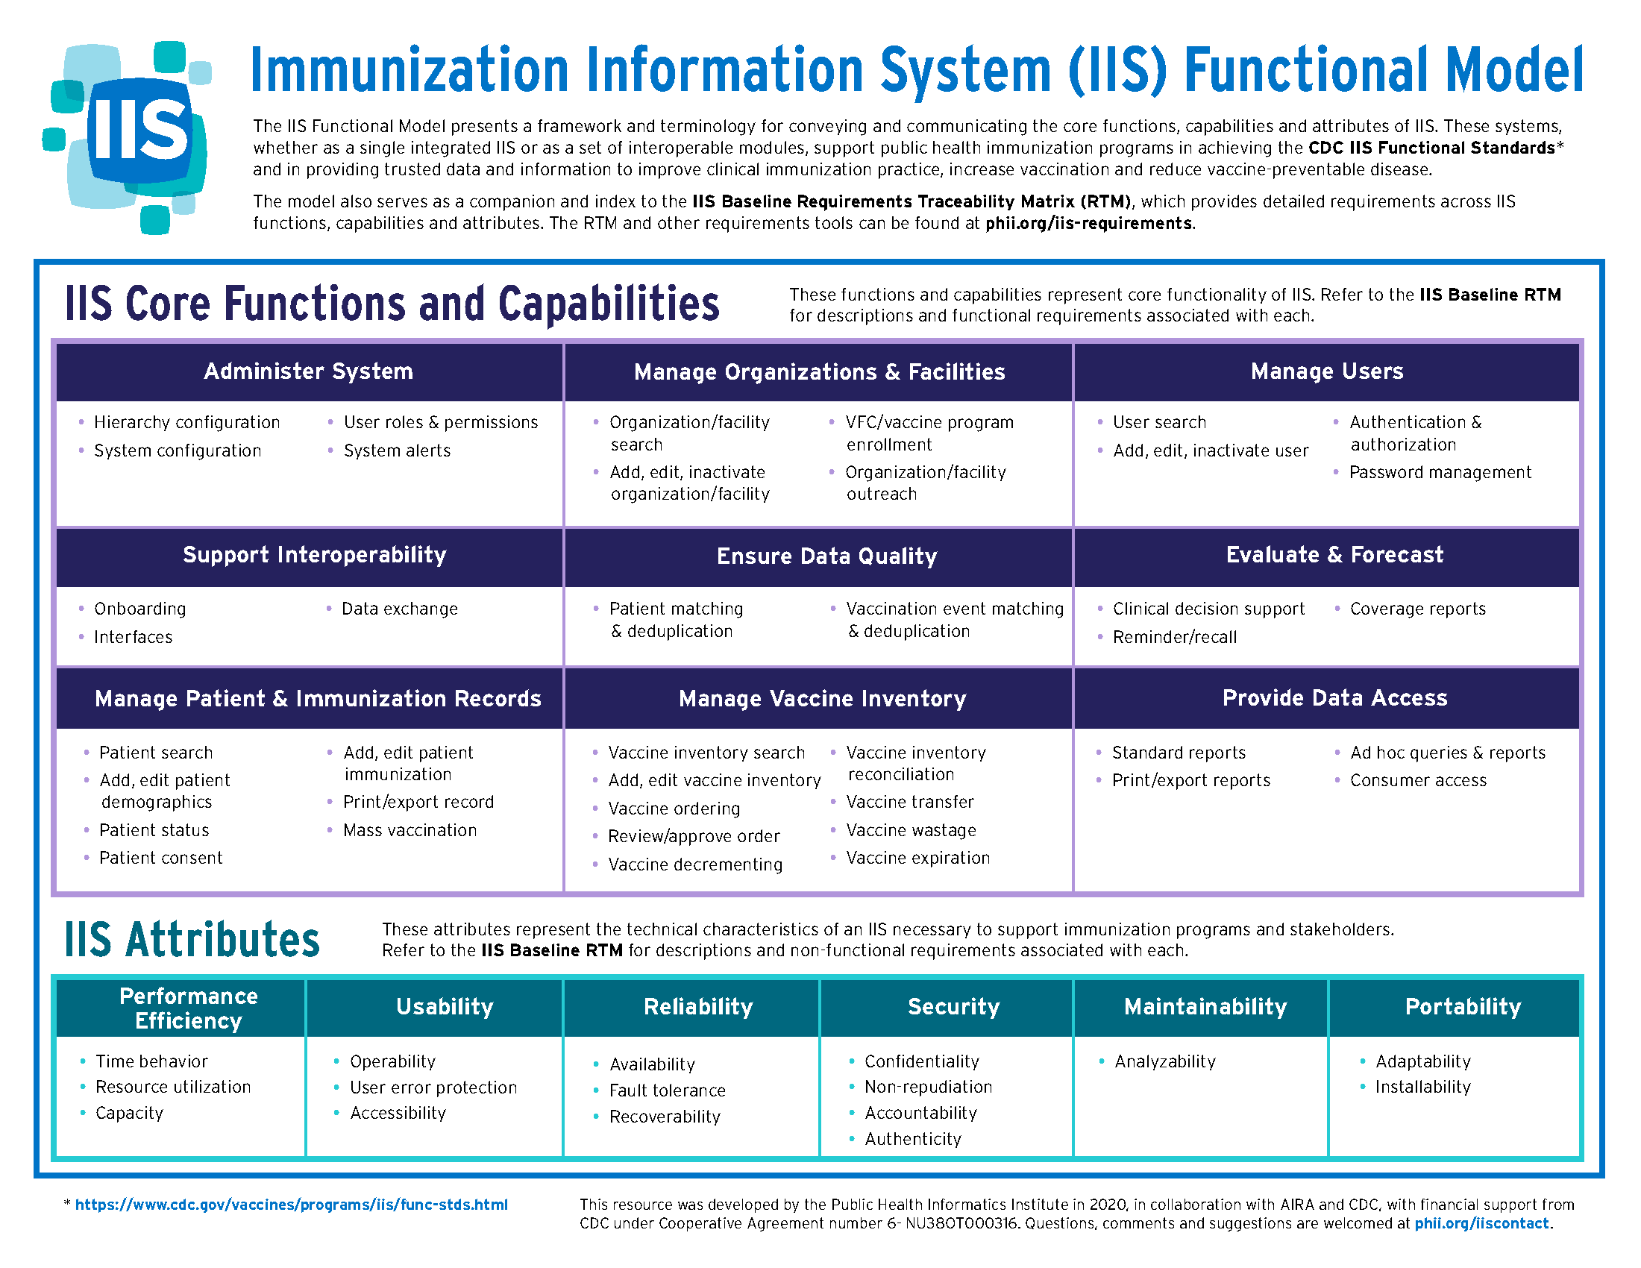
Return to Contents tab

