Pivot Table 1
COUNT of buyer_id vs. organization

dashboard
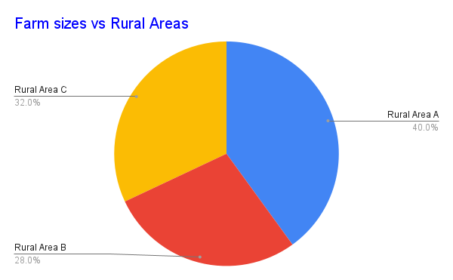
AGRIBUSINESS DASHBOARD

COUNT of buyer_id vs. organization

