Dashboard
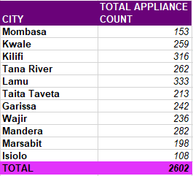
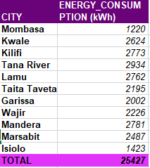
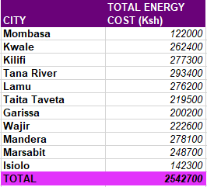
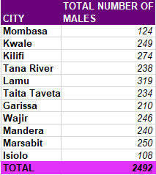
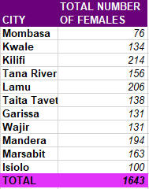
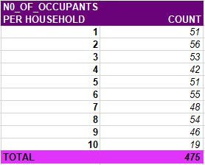
ENERGY CONSUMPTION

POPULATION PER CITY
 | POPULATION
Mombasa | 148
Kwale | 229
Kilifi | 284
Tana River | 242
Lamu | 223
Taita Taveta | 174
Garissa | 201
Wajir | 261
Mandera | 296
Marsabit | 263
Isiolo | 126
TOTAL ENERGY CONSUMPTION PER CITY
 | ENERGY_CONSUMPTION (kWh)
Mombasa | 1220
Kwale | 2624
Kilifi | 2773
Tana River | 2934
Lamu | 2762
Taita Taveta | 2195
Garissa | 2002
Wajir | 2226
Mandera | 2781
Marsabit | 2487
Isiolo | 1423
TOTAL APPLIANCE COUNT PER CITY
 | TOTAL APPLIANCE COUNT
Mombasa | 153
Kwale | 259
Kilifi | 316
Tana River | 262
Lamu | 333
Taita Taveta | 213
Garissa | 242
Wajir | 236
Mandera | 282
Marsabit | 198
Isiolo | 108

MONTHLY INCOME VS AMOUNT SPENT ON ENERGY
 | INCOME_LEVEL | COST
 | 61282 | 9700
 | 3928 | 3700
 | 94545 | 6700
 | 8893 | 5200
 | 73484 | 2900
 | 61762 | 1200
 | 85650 | 8000
 | 40293 | 700
 | 26927 | 3200
 | 72029 | 7100
 | 28517 | 6400
 | 84607 | 2700
 | 29071 | 5500
 | 31681 | 7300
 | 10178 | 9300
 | 44622 | 900
 | 36731 | 2100
 | 32702 | 4000
 | 56726 | 5200
 | 64334 | 3100
 | 41280 | 1100
 | 17888 | 900
 | 14777 | 7200
 | 65289 | 9200
 | 8114 | 3200
 | 34212 | 8700
 | 29067 | 9300
 | 30525 | 3500
 | 66316 | 8200
 | 36730 | 2700
 | 19091 | 200
 | 76237 | 700
 | 25574 | 7200
 | 47381 | 10000
 | 13835 | 8200
 | 86296 | 9200
 | 11648 | 1300
 | 90178 | 2800
 | 63041 | 3500
 | 59446 | 2700
 | 12398 | 9400
 | 75234 | 4000
 | 95564 | 6000
 | 75424 | 9700
 | 89178 | 9800
 | 73011 | 500
 | 75747 | 800
 | 23948 | 6500
 | 50745 | 4000
HOUSEHOLDS COUNT PER NUMBER OF OCCUPANTS
 | COUNT
1 | 51
2 | 56
3 | 53
4 | 42
5 | 51
6 | 55
7 | 48
8 | 54
9 | 46
10 | 19
ENERGY CONSUMED VS NUMBER OF OCCUPANTS
 | NO_OF_OCCUPANTS | ENERGY_CONSUMED_KWH
 | 5 | 97
 | 3 | 37
 | 9 | 67
 | 0 | 52
 | 8 | 29
 | 0 | 12
 | 6 | 80
 | 5 | 7
 | 8 | 32
 | 4 | 71
 | 3 | 64
 | 5 | 27
 | 9 | 55
 | 1 | 73
 | 9 | 93
 | 6 | 9
 | 9 | 21
 | 5 | 40
 | 6 | 52
 | 3 | 31
 | 6 | 11
 | 7 | 9
 | 10 | 72
 | 8 | 92
 | 3 | 32
 | 2 | 87
 | 4 | 93
 | 0 | 35
 | 3 | 82
 | 5 | 27
 | 1 | 2
 | 0 | 7
 | 5 | 72
 | 3 | 100
 | 2 | 82
 | 3 | 92
 | 5 | 13
 | 0 | 28
 | 6 | 35
 | 5 | 27
 | 2 | 94
 | 1 | 40
 | 2 | 60
 | 8 | 97
 | 5 | 98
 | 1 | 5
 | 9 | 8
 | 1 | 65
 | 2 | 40

TOTAL NUMBER OF MALES PER CITY
 | TOTAL NUMBER OF MALES
Mombasa | 124
Kwale | 249
Kilifi | 274
Tana River | 238
Lamu | 319
Taita Taveta | 234
Garissa | 210
Wajir | 246
Mandera | 240
Marsabit | 250
Isiolo | 108
TOTAL ENERGY COST PER CITY
 | TOTAL ENERGY COST (Ksh)
Mombasa | 122000
Kwale | 262400
Kilifi | 277300
Tana River | 293400
Lamu | 276200
Taita Taveta | 219500
Garissa | 200200
Wajir | 222600
Mandera | 278100
Marsabit | 248700
Isiolo | 142300
TOTAL NUMBER OF FEMALES PER CITY
 | TOTAL NUMBER OF FEMALES
Mombasa | 76
Kwale | 134
Kilifi | 214
Tana River | 156
Lamu | 206
Taita Taveta | 138
Garissa | 131
Wajir | 131
Mandera | 194
Marsabit | 163
Isiolo | 100

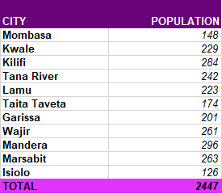
 | DATA SUMMARY

