Analysis
Gender Distribution
Insurance Provider
Gender | Frequency
Male | 8
Female | 5
Other | 5

Insurance | Frequency
Jubilee | 3
Britam | 3
CIC | 5
AAR | 2
Madison | 3
APA | 2

Average Age | 38

Dashboard
HEALTH CARE DASHBOARD

Number of Patients 18 |  |  |  |  | Average Age 38 |  |  |  |  | Number of Insurance Providers 6 |  |  |  |  | Latest Insurance Expiration Date 20-07-2024

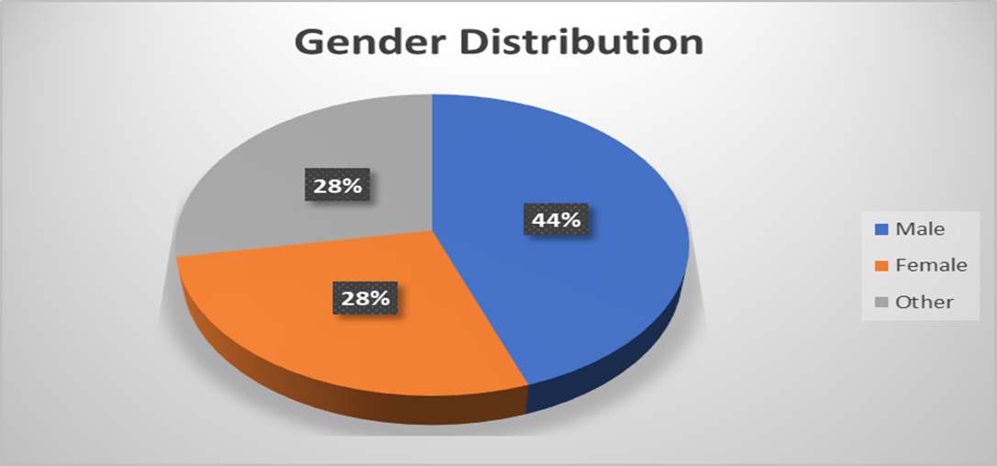
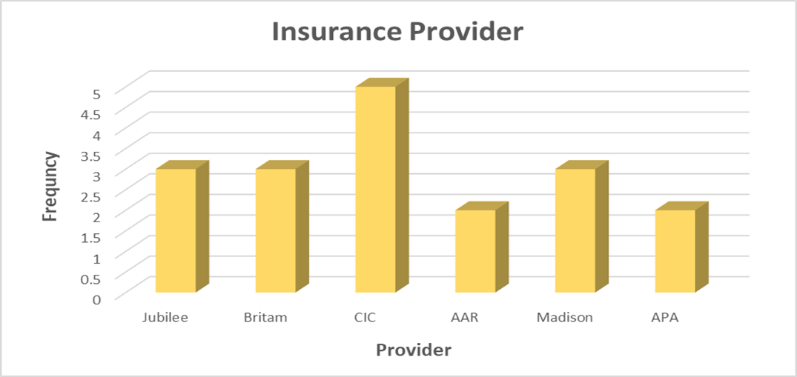

Count of Gender | Column Labels
Row Labels | 14 | 17 | 19 | 20 | 22 | 24 | 26 | 30 | 33 | 35 | 40 | 50 | 56 | 58 | 60 | 66 | 86 | Grand Total
Female |  |  | 1 |  |  |  | 1 |  |  |  | 1 |  |  | 1 |  |  | 1 | 5
Male |  |  |  | 1 | 1 | 1 |  | 1 | 1 | 1 |  |  | 1 |  |  | 1 |  | 8
Other | 1 | 1 |  | 1 |  |  |  |  |  |  |  | 1 |  |  | 1 |  |  | 5
Grand Total | 1 | 1 | 1 | 2 | 1 | 1 | 1 | 1 | 1 | 1 | 1 | 1 | 1 | 1 | 1 | 1 | 1 | 18

