DASHBOARD
WATER SANITATION ANALYSIS
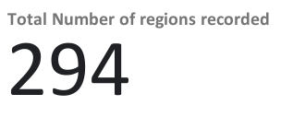
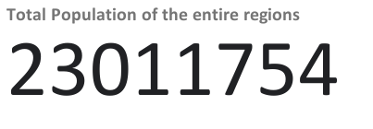

Total Population Distribution in Failed Regions
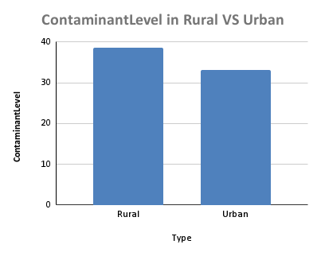
Percentage Acess rate of Source

Pivot Table 2
AccessPercentage vs. SourceType

