Hypothesis_IIT_learning_summary
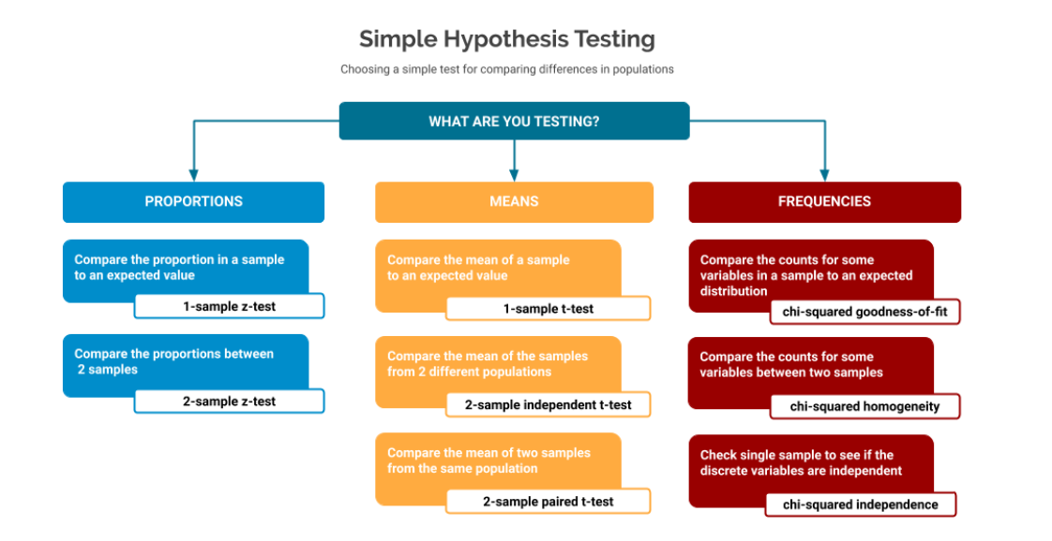
Which test to be used

Test name | One sample | two sample | SAMPLING DISTRIBUTION OF SAMPLE VARIANCE FOLLOWS CHI SQUARE DISTRIBUTION
Z -test | n>30 and sigma given | can be done
T -test | n<30 and sample stdev is known | can be done
ANOVA | to compare two or more population at a time | can be done | SAMPLING DISTRIBUTION OF SAMPLE MEAN/SAMPLE PROPORTION FOLLOWS NORMAL DISTRIBUTION
F- test

