02-09-2023
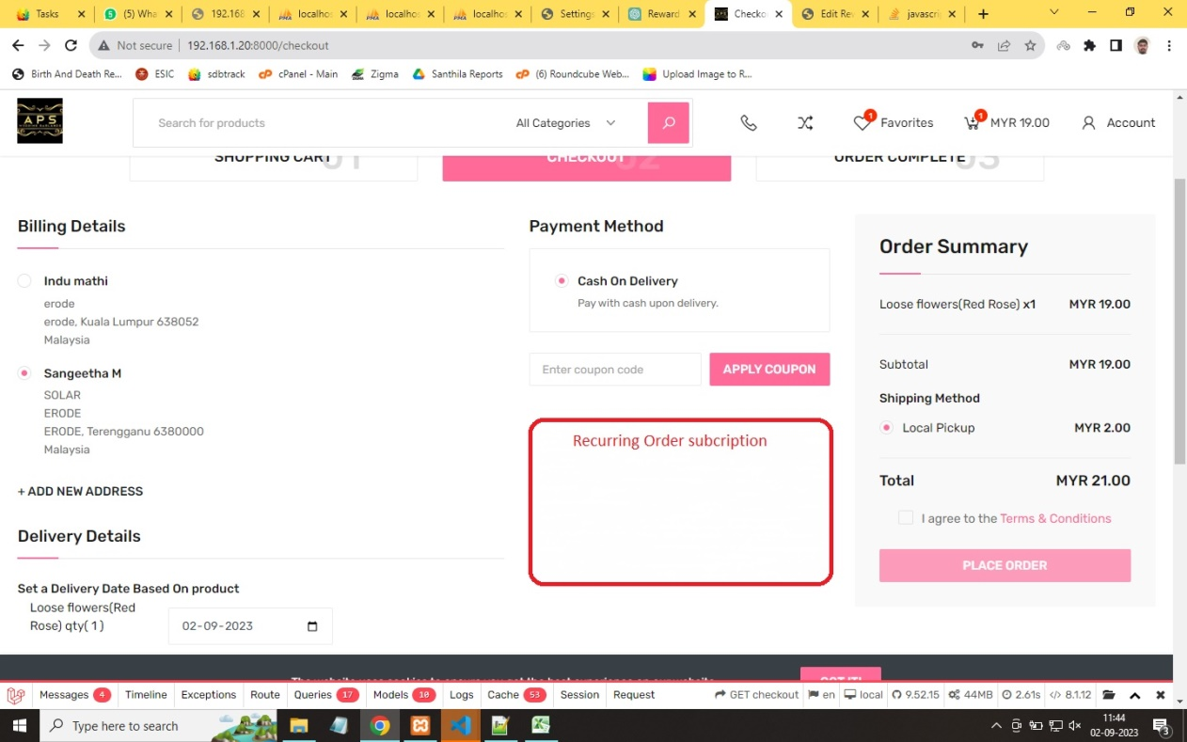
Date : 02/09/2023
Sno | Query | Response
 | Order Subscription Option (Recurring Order Process]
1 | Deos allow both Customers and Admin modify the Product list for the subscribered recurring order
2 | Deos this option is placed as in the image
3 | Is there any timespan for generating orders before subscribed date.
 | Ex: if a customer subscribed an order which has two products. It the subscribed delivery date be 19.09.2023, then When we will have to generate an order automatically
4 | Deos Client can also expect the expected delivery time for recurring orders. Ie., Which time customer want the order in mentioned time span
5 | What should I do if the placed order using rewardpoints is cancelled or cancelled & refunded ? (Allow to reuse reward points or not??)
6 | When granting First Order Reward points to a customer, should canceled orders be considered or excluded?
7

