Sheet1
Find out the first 7 pixels of the |  |  |  |  |  | x | y
line segment starting from (0, 2) to |  |  |  |  | start | -158 | 91
(70, 52) using midpoint line |  |  |  |  | end | 91 | 328
algorithm
 |  |  |  |  |  |  |  | dx= | 249
 |  |  |  |  |  |  |  | dy= | 237
 |  |  |  |  |  |  |  | d_init= | 225
x | y | d | NE(+1,+1) Or E(+1,0) | d update | pixel_x | pixel_y |  |  |  | m= | 0.95180722892
-158 | 91 | 225 | NE | 201 | -158 | 91 |  |  |  |  | mid point algo is enough
-157 | 92 | 201 | NE | 177 | -157 | 92
-156 | 93 | 177 | NE | 153 | -156 | 93
-155 | 94 | 153 | NE | 129 | -155 | 94
-154 | 95 | 129 | NE | 105 | -154 | 95
-153 | 96 | 105 | NE | 81 | -153 | 96
-152 | 97 | 81 | NE | 57 | -152 | 97
-151 | 98 | 57 | NE | 33 | -151 | 98
-150 | 99 | 33 | NE | 9 | -150 | 99
-149 | 100 | 9 | NE | -15 | -149 | 100

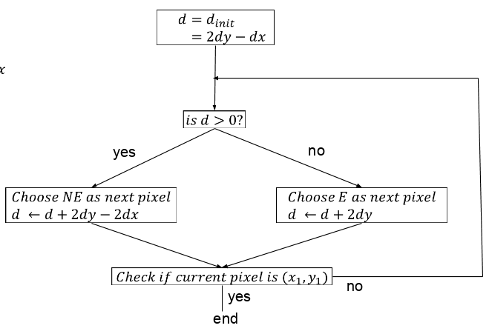

 |  |  | NE means upper pixel
 |  |  | E means lower pixel
 |  |  | d=2dy-dx
 |  |  | NE=> d=d+2dy-2dx
 |  |  | E=> d=d+2dy

