Sheet1
BUG REPORT TEMPLATE
PROJECT NAME | ICICI NETBANKING
FEATURE NAME | Login Page
BUILD NUMBER | Build-01
SEVERITY | Low
PRIORITY | Low
REPRODUCABILITY | Always
PLATFORM | OS: Windows 10
 | Browser: Chrome
BUG ID | 1
BUG STATUS | Open
BUG DESCRIPTION | In login page, Important Notices are there in that in second point it has introduced CAPTCHA. | For login to the internet banking we have to enter CAPTCHA but in login page CAPTCHA is not there.
STEPS TO REPRODUCE | 1. Click on www.icici.bank.com
 | 2. Click on Login.
 | 3. Enter UserId
 | 4. Enter Password
EXPECTED RESULT | Without entering CAPTCHA should not login to the internet banking.
ACTUAL RESULT | We can login without CAPTCHA.
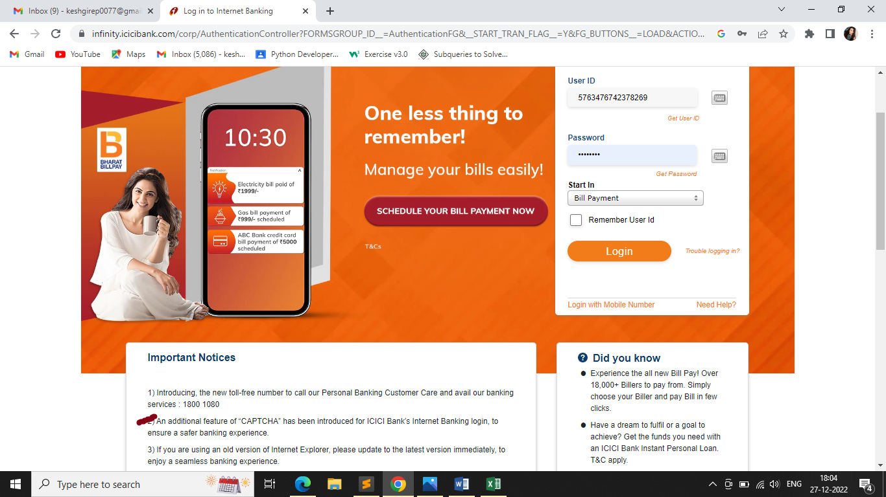
ATTACHMENT

