Sheet1
BUG REPORT TEMPLATE
PROJECT NAME | ICICI NETBANKING
FEATURE NAME | After login to internet banking.
BUILD NUMBER | Build-03
SEVERITY | Critical
PRIORITY | High
REPRODUCABILITY | Always
PLATFORM | OS: Windows 10
 | Browser: Chrome
BUG ID | 3
BUG STATUS | Open
BUG DESCRIPTION | When we click on back button then Your Session Has Expired! This massage showing.
STEPS TO REPRODUCE | 1. Click on www.icici.bank.com
 | 2. Click on Login.
 | 3. Enter UserId and Password.
 | 4. Click on login.
 | 5. Click on Payment & Transfer.
 | 6. Click on back button.
EXPECTED RESULT | Home page should be display.
ACTUAL RESULT | Your Session Has Expired.
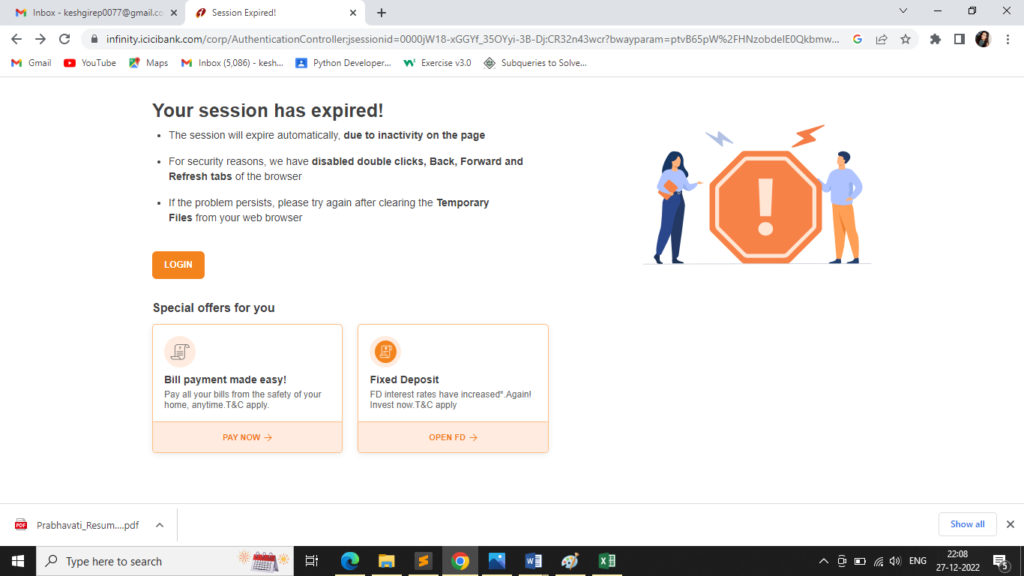
ATTACHMENT

