Sheet1
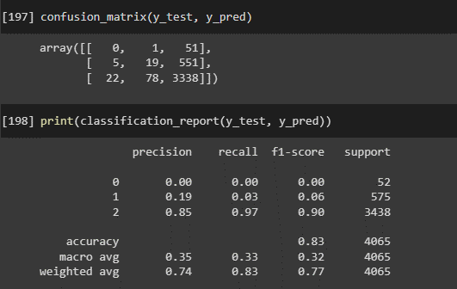
Model : Mode Imputation + Label Encoding

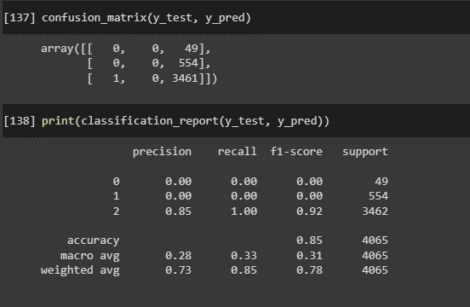

Model = Mode Imputation + OneHot Encoding

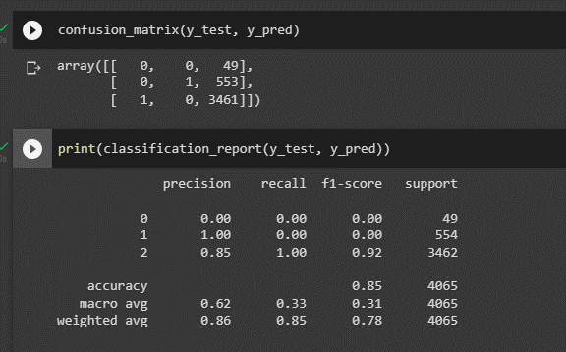

Model : Unknown Imputation + OHE

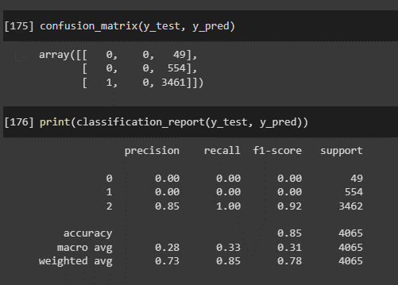

Model : Unknown Imputation + LE

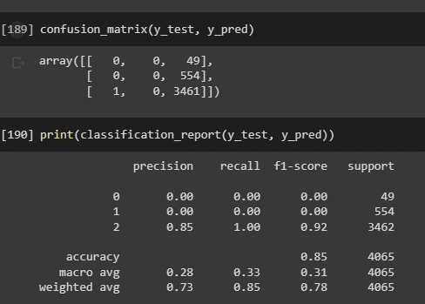

Model : Mode Imputation + OHE + OverSampler

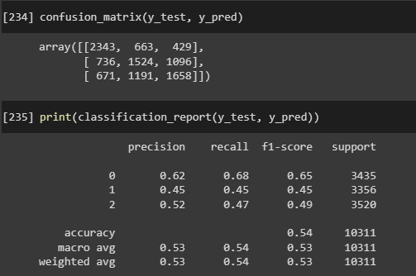

Model : Mode Imputation + OHE + SMOTE

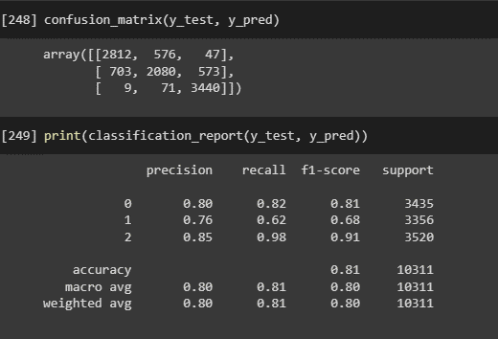

Model : Mode Imputation + OHE + Split + SMOTE



Model : Mode Imputation + OHE + StratifySplit + SMOTE

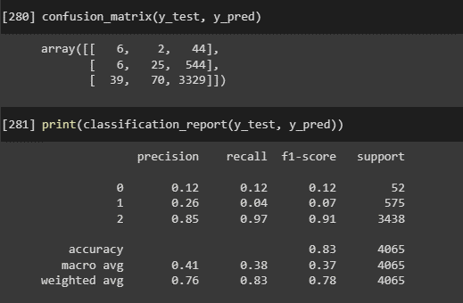

Model : Replace Unknown + Mode Imputation + OHE + StratifySplit + SMOTE

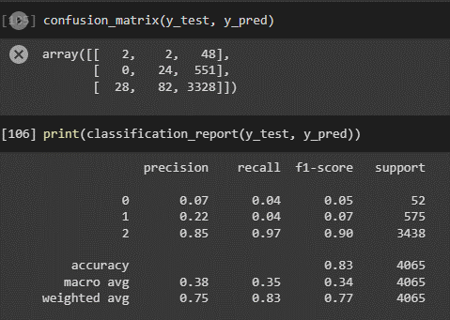

Model : Replace "na" + Replace "Unknown" + Mode Imputation + OHE + StratifySplit + SMOTE

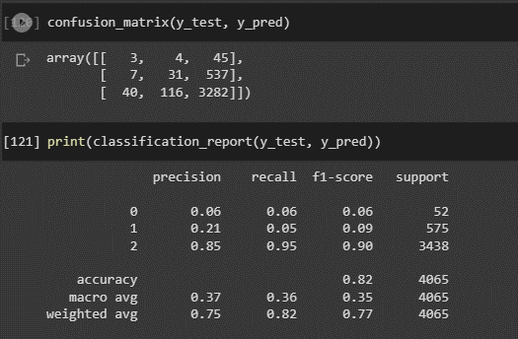

Model : Replace "na" + Mode Imputation + OHE + StratifySplit + SMOTE

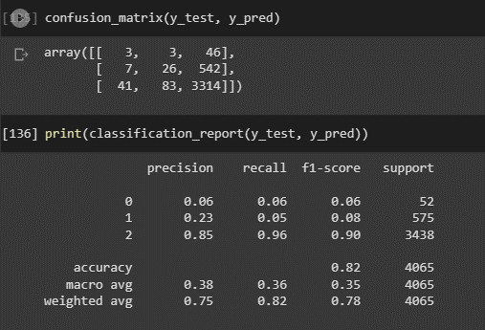

Model : Replace "na" + Replace "Unknown" + Unknown Imputation + OHE + StratifySplit + SMOTE

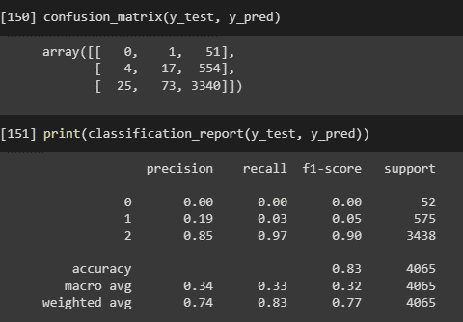

Model : Replace "Unknown" + Unknown Imputation + OHE + StratifySplit + SMOTE

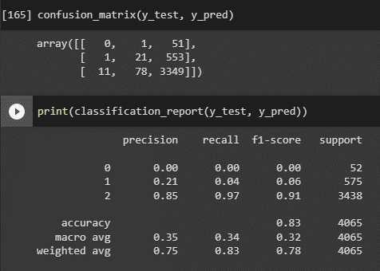

Model : Meta Engineering

