Sheet1
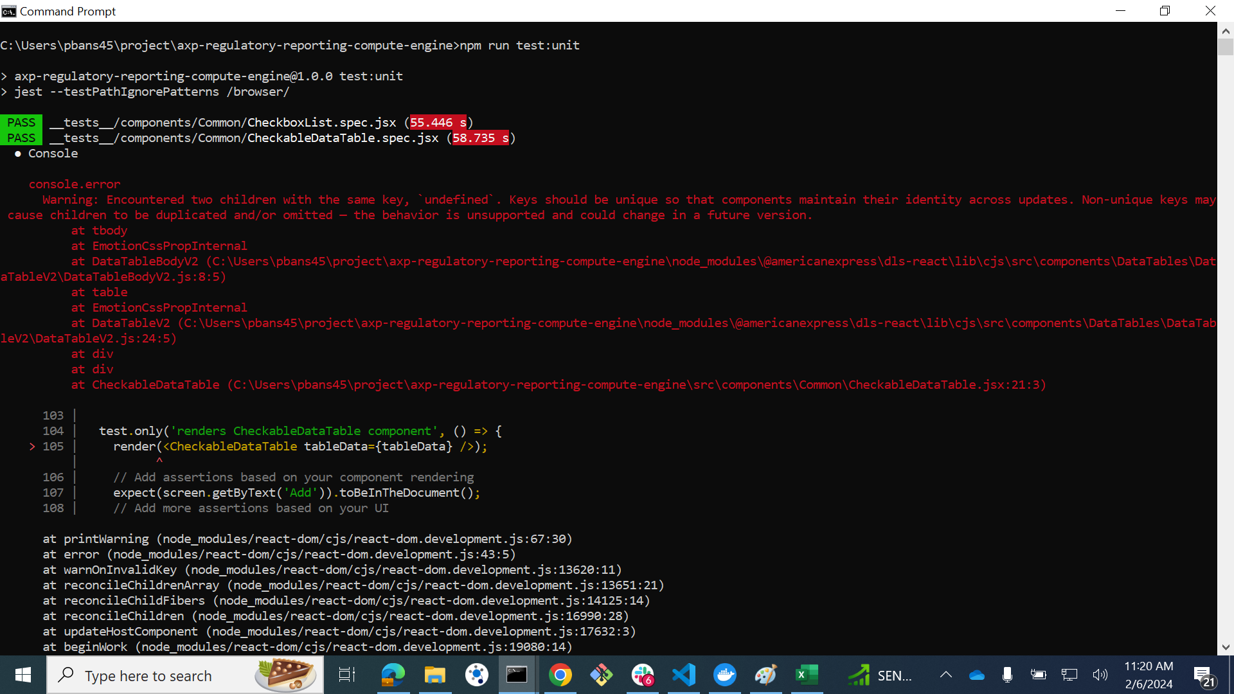
1 | test('handles page change', () => {
 | render(<CheckableDataTable tableData={tableData} />);
 | // Trigger a page change
 | fireEvent.click(screen.getByText('2')); // Example: assuming there is a pagination with '2' as the second page
 | // Add assertions based on the expected behavior after the page change
 | expect(screen.getByText('2')).toHaveClass('selected'); // Assuming there is a visual indication for the selected page
 | // Add more assertions based on your UI
 | });

2 |  | test.only('handles row check change', () => {
 |  | render(<CheckableDataTable tableData={tableData} />);
 |  | // Trigger a row check change
 |  | fireEvent.click(screen.getByLabelText('Select all'));
 |  | // Add assertions based on the expected behavior after the row check change
 |  | expect(screen.getByLabelText('Select all')).toBeChecked();
 |  | // Add more assertions based on your UI
 |  | });

3 |  | test.only('renders CheckableDataTable component', () => {
 |  | render(<CheckableDataTable tableData={tableData} />);
 |  | // Add assertions based on your component rendering
 |  | expect(screen.getByText('Add')).toBeInTheDocument();
 |  | // Add more assertions based on your UI
 |  | });

