ModelPerformance
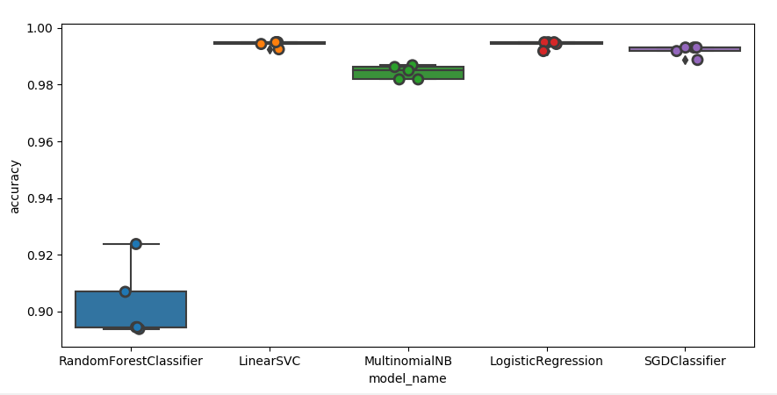
 | model_name fold_idx accuracy
 | 0 RandomForestClassifier 0 0.923750
 | 1 RandomForestClassifier 1 0.893750
 | 2 RandomForestClassifier 2 0.894375
 | 3 RandomForestClassifier 3 0.906875
 | 4 RandomForestClassifier 4 0.894375
 | 5 LinearSVC 0 0.995000
 | 6 LinearSVC 1 0.995000
 | 7 LinearSVC 2 0.992500
 | 8 LinearSVC 3 0.994375
 | 9 LinearSVC 4 0.995000
 | 10 MultinomialNB 0 0.986875
 | 11 MultinomialNB 1 0.981875
 | 12 MultinomialNB 2 0.986250
 | 13 MultinomialNB 3 0.981875
 | 14 MultinomialNB 4 0.985000
 | 15 LogisticRegression 0 0.995000
 | 16 LogisticRegression 1 0.995000
 | 17 LogisticRegression 2 0.991875
 | 18 LogisticRegression 3 0.994375
 | 19 LogisticRegression 4 0.995000
 | 20 SGDClassifier 0 0.993125
 | 21 SGDClassifier 1 0.991875
model_name | 22 SGDClassifier 2 0.988750
LinearSVC 0.994375 | 23 SGDClassifier 3 0.993125
LogisticRegression 0.994250 | 24 SGDClassifier 4 0.993125
MultinomialNB 0.984375
RandomForestClassifier 0.902625
SGDClassifier 0.992000

LINEAR SVC

Name: accuracy, dtype: float64
accuracy 0.9925
precision recall f1-score support

BICYCLES 1.00 0.99 1.00 389
CONTACT LENSES 1.00 0.99 0.99 419
USB MEMORY 1.00 0.99 1.00 393
WASHINGMACHINES 0.97 1.00 0.99 399

micro avg 0.99 0.99 0.99 1600
macro avg 0.99 0.99 0.99 1600
weighted avg 0.99 0.99 0.99 1600

