LinearRegression
SqFeet | Price
1400 | 245
1600 | 312
1700 | 279
1875 | 308
1100 | 199
1550 | 219
2350 | 405
2450 | 324
1425 | 319
1700 | 255

ModelPerformance
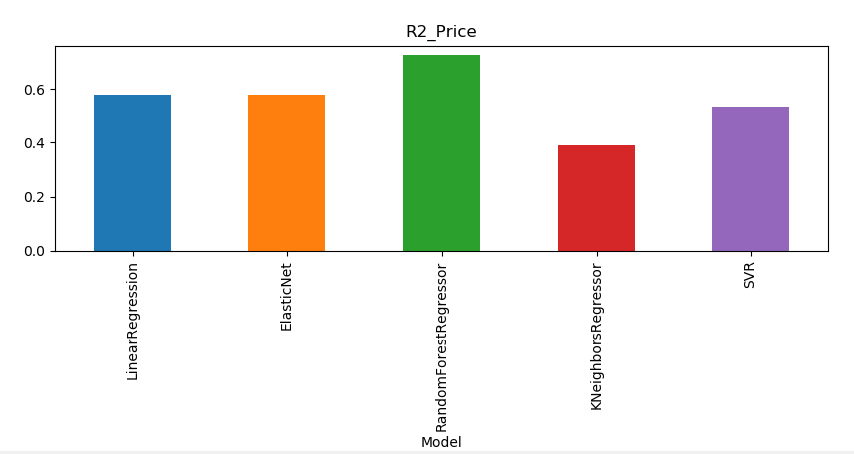

Model | R2_Price
LinearRegression | 0.580817
ElasticNet | 0.580817
RandomForestRegressor | 0.726009
KNeighborsRegressor | 0.390584
SVR | 0.53455

