Sheet1
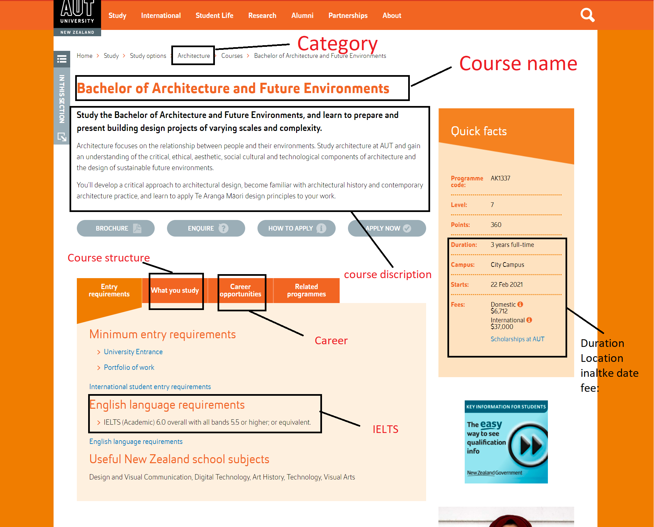
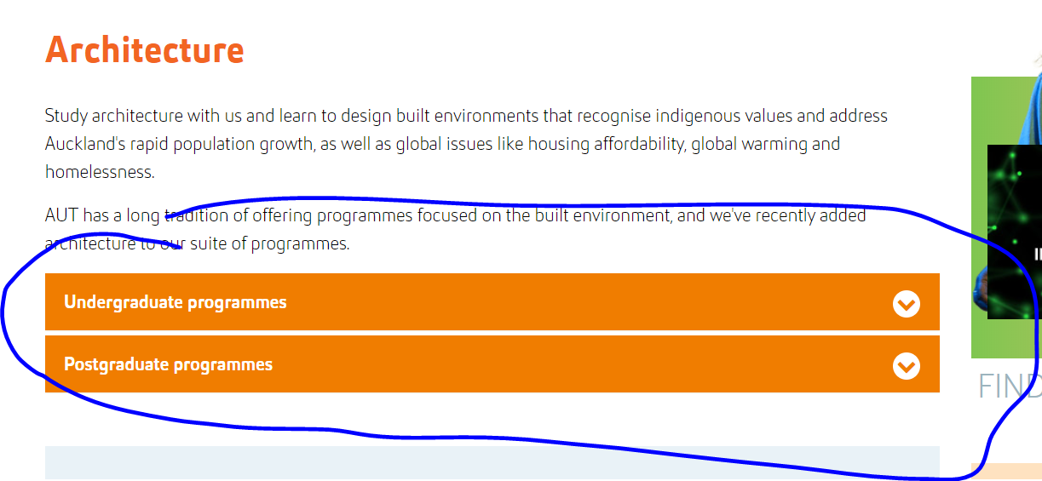
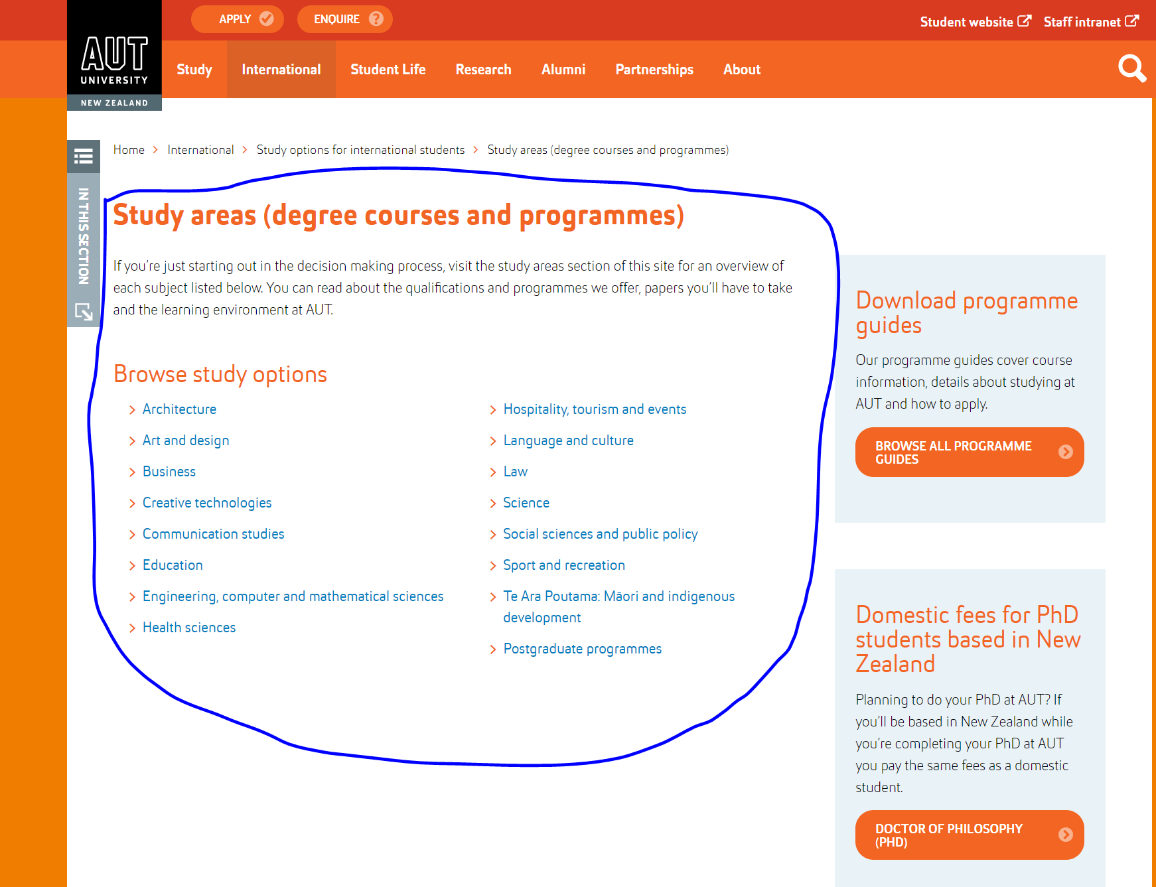
 |  | University Analysis

 |  | University name: Auckland University of Technology
 |  | Website link: https://www.aut.ac.nz/

 |  | Course link: https://www.aut.ac.nz/international/study-options-for-international-students/study-areas-degree-courses-and-programmes

 | Note: search did not work here, need to collecet data from course catgery. IELTS Overall with not less band is provied in sentence need to put condidtion (eg; overall 6 not less then 5.5, here IELTS overall will be 6 and other all IELTS band will be 5.5)

Undergraduate |  |  |  | Post Graduate
S.No | Field Name | Link | Remarks | S.No | Field Name | Remarks
1 | Course Name | easy |  | 1 | Course Name
2 | Category | https://www.aut.ac.nz/international/study-options-for-international-students/study-areas-degree-courses-and-programmes | all the list are catageory | 2 | Category
3 | Sub Category | we will do it |  | 3 | Sub Category
4 | Course Website | can get from category |  | 4 | Course Website
5 | Duration |  |  | 5 | Duration
6 | Duration Term | can find easily in left side of course page |  | 6 | Duration Term
7 | Study Mode | can find easily in left side of course page |  | 7 | Study Mode
8 | Degree Level | can find easily in left side of course page |  | 8 | Degree Level
9 | Monthly Intake | (Only if intake date is every day) |  | 9 | Monthly Intake
10 | Intake Day | can find easily in left side of course page |  | 10 | Intake Day
11 | Intake Month | can find easily in left side of course page |  | 11 | Intake Month
12 | Apply Day | can find easily in left side of course page |  | 12 | Apply Day
13 | Apply Month | can find easily in left side of course page |  | 13 | Apply Month
14 | City | can find easily in left side of course page |  | 14 | City
15 | Domestic Only | can find easily in left side of course page |  | 15 | Domestic Only
16 | International Fee | can find easily in left side of course page |  | 16 | International Fee
17 | Domestic Fee | can find easily in left side of course page |  | 17 | Domestic Fee
18 | Fee Term | can find easily in left side of course page |  | 18 | Fee Term
19 | Fee Year | can find easily in left side of course page |  | 19 | Fee Year
20 | Currency | Newzeland currency |  | 20 | Currency
21 | Study Load | This is study full time or part time available course |  | 21 | Study Load
22 | IELTS Listening |  |  | 22 | IELTS Listening
23 | IELTS Speaking |  |  | 23 | IELTS Speaking
24 | IELTS Writing |  |  | 24 | IELTS Writing
25 | IELTS Reading |  |  | 25 | IELTS Reading
26 | IELTS Overall | available in entry requirements course page | Overall with not less band is provied in sentence need to put condidtion (eg; overall 6 not less then 5.5, here IELTS overall will be 6 and other all IELTS band will be 5.5) | 26 | IELTS Overall
27 | PTE Listening | n/a |  | 27 | PTE Listening
28 | PTE Speaking | n/a |  | 28 | PTE Speaking
29 | PTE Writing | n/a |  | 29 | PTE Writing
30 | PTE Reading | n/a |  | 30 | PTE Reading
31 | PTE Overall | n/a |  | 31 | PTE Overall
32 | TOFEL Listening | n/a |  | 32 | TOFEL Listening
33 | TOFEL Speaking | n/a |  | 33 | TOFEL Speaking
34 | TOFEL Writing | n/a |  | 34 | TOFEL Writing
35 | TOFEL Reading | n/a |  | 35 | TOFEL Reading
36 | TOFEL Overall | n/a |  | 36 | TOFEL Overall
37 | English Test | n/a |  | 37 | English Test
38 | Reading | n/a |  | 38 | Reading
39 | Listening | n/a |  | 39 | Listening
40 | Speaking | n/a |  | 40 | Speaking
41 | Writing | n/a |  | 41 | Writing
42 | Overall | n/a |  | 42 | Overall
43 | Academic Level | n/a |  | 43 | Academic Level
44 | Academic Score | n/a |  | 44 | Academic Score
45 | Score Type | n/a |  | 45 | Score Type
46 | Academic Country | n/a |  | 46 | Academic Country
47 | Other Test | n/a |  | 47 | Other Test
48 | Score | n/a |  | 48 | Score
49 | Other Requirements | n/a |  | 49 | Other Requirements
50 | Course Description | Can find after the course name at course name |  | 50 | Course Description
51 | Course Structure | can find in what will you study |  | 51 | Course Structure
52 | Career | can easy get from course tab |  | 52 | Career
53 | Scholarship | no need |  | 53 | Scholarship

