Sheet1
Algorithm Name | Architecture diagram | Paper reference | explanation | Pros | cons | Accuracy
LINEAR REGRESSION | Historical Stock Data (Open, Close, Volume, etc.) ↓ Data Preprocessing (Cleaning & Scaling) ↓ Feature Selection ↓ Linear Regression Model (y = b0 + b1x1 + b2x2 ...) ↓ Predicted Stock Price | https://ieeexplore.ieee.org/document/11265263 https://ieeexplore.ieee.org/document/10220627 | Select features such as date, closing price, volume Preprocess the dataset and handle missing values Train the Linear Regression model using historical data Fit a best-fit line to represent the relationship between variables Use the model to predict future stock prices | Pros Simple and easy to implement. Provides clear relationship between variables. Fast training and low computational cost. Useful as a baseline model in many stock prediction studies. | Cons Assumes a linear relationship, which is often unrealistic for stock markets. Sensitive to outliers in financial data. Cannot model complex market behavior or nonlinear trends. Accuracy is usually lower than advanced ML model | Linear Regression ~55–65% Linear Regression + Random Forest / SVM ~70–80%
LOGISTIC REGRESSION | Stock Market Dataset (Indicators + Features) ↓ Data Preprocessing ↓ Logistic Function (Sigmoid Function) ↓ Probability Output (0 – 1) ↓ Classification Result UP Trend / DOWN Trend | https://ieeexplore.ieee.org/document/5260596 https://ieeexplore.ieee.org/document/11341399 | Select features such as closing price and trading indicators Convert the output into binary classes (UP or DOWN) Preprocess and normalize the data Apply the sigmoid function to calculate probability Predict whether the stock price will increase or decrease | Suitable for classification tasks like predicting market direction (UP/DOWN). Provides probability-based predictions. Easy to interpret and implement. Works well with smaller datasets. | Cannot capture complex nonlinear relationships in stock data. Accuracy may decrease with highly volatile markets. Requires careful feature selection. Not suitable for predicting exact stock prices, only categories. | Logistic Regression ~60–70% Logistic Regression + Gradient Boosting / XGBoost ~75–85%
LSTM | 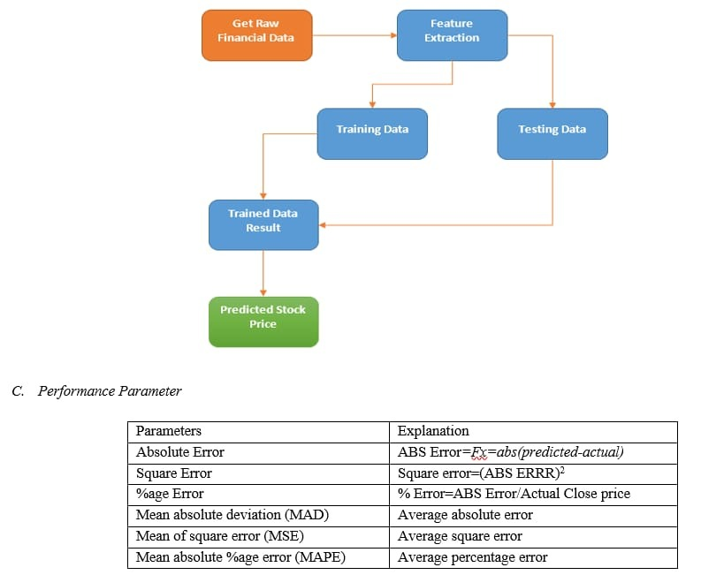 | https://ieeexplore.ieee.org/document/5260596 https://ieeexplore.ieee.org/document/10613029 | Select historical stock data (date and closing price) Normalize the dataset for better training Convert data into time-sequence format Train the LSTM model to learn long-term dependencies Use the trained model to predict future stock prices | Excellent for time-series forecasting and sequential data. Captures long-term dependencies in stock price patterns. Handles complex nonlinear relationships effectively. Often provides higher prediction accuracy in stock prediction research. | Requires large datasets for training. Computationally expensive and long training time. Harder to interpret compared to statistical models. Risk of overfitting if not properly tuned | ~70–90% LSTM + CNN ~88–95% LSTM + GRU ~85–93% LSTM + Sentiment Analysis (News/Twitter) ~90–98%
ARIMA | 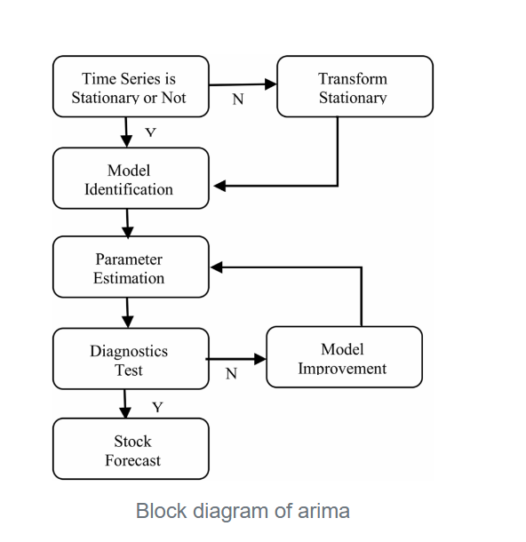 | https://doi.org/10.1109/AIKIIE60097.2023.10390131 | ARIMA is an effective model for stock market prediction because it analyzes historical time-series data and captures trends and volatility in stock prices. By converting non-stationary data into stationary form, it identifies patterns in past market movements. It providesreliable short-term forecasts and has a strong statistical foundation with simple and interpretable parameters, making it suitable for financial time-series analysis | Good for time-series data and captures historical trends and patterns. Works well for short-term forecasting. Has a strong statistical foundation and is widely used in finance research. Interpretable parameters (AR, I, MA components). Lower computational cost compared to complex ML models. | Assumes linear relationships, so it may miss complex nonlinear market behavior. Requires stationary data, so preprocessing (differencing) is needed. Not very effective for long-term predictions. Cannot easily incorporate external factors like news or macroeconomic events | .Research by Prashant Pilla and Raji Mekonen in the paper ‘Forecasting S&P 500 Using LSTM Models’ (2025) reported that the ARIMA model achieved about 89.8% prediction accuracy for short-term stock market forecasting.
GARCH | 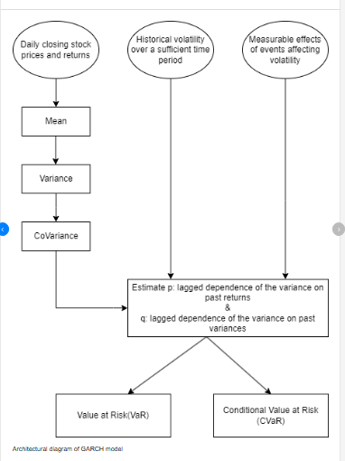 | https://doi.org/10.54254/2754-1169/81/20241530 https://doi.org/10.22610/jebs.v8i6(J).1497 https://www.researchgate.net/figure/Architectural-diagram-of-GARCH-model_fig4_380650211 | The GARCH model is used to analyze and predict volatility in stock market returns. It assumes that current market volatility depends on past volatility and previous shocks in stock prices. Stock markets often show volatility clustering, where periods of high fluctuations are followed by similar periods of instability. By capturing this pattern, the GARCH model helps researchers understand how risk changes over time. Studies on markets like the Johannesburg and Shanghai Stock Exchanges show that stock return volatility is high and persistent. Therefore, the GARCH model is useful for measuring market risk and studying stock price behavior. | Captures volatility clustering in stock returns Models time-varying market risk Useful for volatility forecasting Helps in risk management and financial analysis Widely used and accepted in financial research | Predicts volatility only, not exact stock prices. Cannot capture complex nonlinear patterns well. Sensitive to parameter selection. Does not easily include external factors like news or sentiment. | Research studies show that GARCH models achieve directional prediction accuracy of around 60–65% and MAPE values between 1–5%, indicating reliable performance in forecasting stock market volatility (“Modelling and Forecasting Stock Market Volatility Using GARCH Models”)
RANDOM FOREST | Historical Stock Market Data │ ▼ Data Preprocessing (Cleaning, Handling Missing Values, Normalization) │ ▼ Feature Selection (Open Price, Close Price, High, Low, Volume, Indicators) │ ▼ Bootstrap Sampling (Random subsets of training data) │ ▼ Multiple Decision Trees (Tree 1, Tree 2, Tree 3 ... Tree N) │ ▼ Voting / Averaging (Classification → Majority Vote Regression → Average Prediction) │ ▼ Final Prediction (Stock Price or Market Direction) | https://doi.org/10.48550/arXiv.2410.07143 https://doi.org/10.48550/arXiv.1605.00003 https://doi.org/10.54254/2755-2721/96/20241333 https://doi.org/10.48550/arXiv.1605.00003 | Stock market prediction is difficult because markets are highly volatile and influenced by many factors. Traditional forecasting methods alone are often not sufficient to accurately predict stock price movements. Machine learning techniques, especially the Random Forest algorithm, are used to improve prediction accuracy by treating the problem as a classification task. The model uses technical indicators such as Relative Strength Index (RSI) and Stochastic Oscillator as input features. Some studies also combine sentiment analysis from financial news using models like FinGPT to further enhance predictions. The Sentiment-Augment Random Forest (SARF) model integrates sentiment data with Random Forest to improve forecasting performance. Experimental results show that these models achieve lower prediction errors and higher accuracy compared to traditional models like linear regression or LSTM. Overall, Random Forest-based approaches can help investors better understand stock trends and make more informed investment decisions. | Handles large datasets and many input features effectively. Captures non-linear relationships in stock price movements. Reduces overfitting by using multiple decision trees. Provides high prediction accuracy compared to many traditional models. | Results are hard to interpret compared to simple models. Requires large computational resources for training. May overfit if parameters are not tuned properly. Does not naturally capture time-series dependencies like ARIMA or GARCH models | Research shows that the Random Forest typically achieves 60%–80% accuracy in stock market trend prediction depending on the dataset and indicators used. In some studies using technical indicators such as RSI and moving averages, the model achieved around 80–81% prediction accuracy. Other experiments on specific stocks like Apple reported about 61% accuracy, still outperforming simpler models like linear regression. Studies that incorporate additional features such as sentiment analysis reported accuracy improvements of around 9% compared to traditional models.
XGBOOST | Stock Market Data (Yahoo Finance) │ ▼ Data Preprocessing (Cleaning, formatting, splitting) │ ▼ Feature Engineering (SMA, EMA, RSI, MACD indicators) │ ▼ XGBoost Model (Ensemble of Decision Trees) │ ▼ Model Training (Gradient Boosting + Hyperparameter tuning) │ ▼ Model Evaluation (MSE, prediction graphs) │ ▼ Stock Price Prediction | https://www.ijraset.com/best-journal/prediction-of-stock-price-using-xg-boost-a-machine-learning-technique https://doi.org/10.54691/bcpbm.v44i.4850 | The XGBoost architecture for stock market prediction consists of data collection, preprocessing, feature engineering, model training, and evaluation. Historical stock data is collected from sources such as Yahoo Finance and processed to remove noise and missing values. Technical indicators like SMA, EMA, RSI, and MACD are generated to enhance feature representation. These features are used to train the XGBoost regressor, which is an ensemble machine learning algorithm based on gradient boosting decision trees. The model iteratively builds trees to minimize prediction errors and improve accuracy. Hyperparameter tuning is performed using grid search and randomized search techniques. The model is evaluated using learning algorithm based on gradient boosting decision trees. The model iteratively builds trees to minimize prediction errors and improve accuracy. Hyperparameter tuning is performed using grid search and randomized search techniques. The model is evaluated using | Handles Non-Linear Data Stock markets contain complex nonlinear patterns which XGBoost can capture effectively. High Prediction Accuracy Ensemble learning improves model performance compared to single models. Regularization Feature Prevents overfitting during training. Fast Computation Supports parallel processing, making it efficient for large financial datasets. Feature Importance Analysis Helps identify which indicators influence stock prices. | Requires Feature Engineering Raw time-series data must be converted into technical indicators. Hyperparameter Tuning Needed Model performance depends heavily on parameter tuning. Complex to Interpret Ensemble tree models are harder to interpret than simple regression models. Computational Cost Large datasets with many trees require high processing power. | XGBoost alone: ~70% – 85% prediction accuracy Hybrid models: ~85% – 95%
ADABOOST | 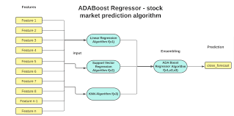 | https://doi.org/10.31449/inf.v44i4.3159 | The proposed architecture for stock market prediction using AdaBoost begins with collecting historical stock data such as Open, High, Low, Close, and Volume (OHLCV) from financial sources. The raw data is then cleaned and preprocessed to remove missing values and normalize feature scales. Next, technical indicators (e.g., moving averages, momentum, and volume indicators) are generated to improve feature representation. The dataset is then split into training and testing sets (commonly 70%–30%). During the training phase, the AdaBoost algorithm sequentially trains multiple weak learners, usually deision trees (decision stumps) can produce strong results when boosted. Less Parameter Tuning – Compared to many ML models, AdaBoost has relatively fewer parameters to adjust. Good for Classification Problems – Performs very well for binary classification tasks. | High Accuracy – AdaBoost improves prediction accuracy by combining multiple weak learners into a strong model. Reduces Bias – Sequential learning helps reduce bias and improves model performance. Focuses on Hard Samples – Misclassified samples receive higher weights, so the model learns difficult patterns better. Works Well with Weak Learners – Even | Sensitive to Noise – Outliers or noisy data can reduce performance because AdaBoost gives more weight to misclassified points. Risk of Overfitting – Too many boosting iterations may cause the model to overfit the training data. Sequential Training – Models are trained one after another, which can increase training time. Weak with Very Complex Data – Sometimes struggles with extremely complex patterns compared to deep learning models. Performance Depends on Base Learner – If the weak learner is too poor, overall performance may decrease. Not Naturally Designed for Time-Series Data – AdaBoost does not directly model temporal dependencies like LSTM or RNN. | AdaBoost alone 65% – 80% Hybrid AdaBoost models 80% – 92%
GRU | Start │ ▼ Stock Data (Open, High, Low, Close, Volume) │ ▼ Data Preprocessing (Cleaning & Normalization) │ ▼ Sequence Creation (Time windows of past prices) │ ▼ GRU Model (GRU + Dropout + Dense) │ ▼ Output (Predicted Stock Price/Trend) │ ▼ End | https://www.jsr.org/hs/index.php/path/article/view/5888/2687 https://www.researchgate.net/publication/372801071_Research_on_Improved_GRU-Based_Stock_Price_Prediction_Method | Explanation of GRU Architecture GRU (Gated Recurrent Unit) is a type of Recurrent Neural Network (RNN) designed to process sequential or time-series data such as stock prices. It improves traditional RNNs by solving the vanishing gradient problem, allowing the model to learn long-term dependencies in stock market trends. A GRU cell mainly contains two gates: Update Gate (zₜ) Decides how much past information should be carried forward. Helps retain long-term trends in stock prices. Reset Gate (rₜ) Determines how much past information should be forgotten. seful when the model needs to ignore irrelevant historical data. Candidate Hidden State (h̃ₜ) Creates new memory from the current input and filtered past information. Hidden State (hₜ) Final output of the GRU cell that is passed to the next time step. | 1. Faster Training GRU has fewer gates than LSTM, so it trains faster. 2. Captures Long-Term Dependencies Stock markets depend on historical patterns, which GRU can remember. 3. Handles Time-Series Data Well GRU is specifically designed for sequential data like stock prices. 4. Lower Computational Cost Uses fewer parameters than LSTM, making it efficient. 5. Good Performance on Volatile Data Studiesshow GRU performs well on highly fluctuating stocks. | 1. Cannot Capture External Market Factors GRU mainly learns historical price patterns, but stock prices depend on: News 2. Overfitting Risk If trained only on price data, GRU may memorize patterns instead of generalizing. 3. Limited Feature Representation It cannot automatically extract spatial features or complex relationships from data. 4. Performance Drops in Highly Noisy Markets Stock markets are non-linear and unpredictable, which single models struggle with. | GRU-based model: ~74–78% prediction accuracy
CNN | Start │ ▼ Input Stock Data (Open, High, Low, Close, Volume) │ ▼ Data Preprocessing (Normalization & Time Window Creation) │ ▼ Convolution Layer (Conv1D) (Extracts important price patterns) │ ▼ ReLU Activation Function (Introduces non-linearity) │ ▼ Max Pooling Layer (Reduces feature size & keeps important features) │ ▼ Flatten Layer (Converts feature maps to 1D vector) │ ▼ Dense (Fully Connected) Layer (Learns relationship between patterns) │ ▼ Output Layer (Predicted Stock Price / Trend) │ ▼ End | https://www.geeksforgeeks.org/deep-learning/stock-price-prediction-using-cnn/ | A Convolutional Neural Network (CNN) architecture for stock market prediction is designed to analyze historical financial data and automatically extract important patterns that influence future stock prices. The process begins with the input layer, which receives time-series stock data such as open, high, low, close prices, and trading volume over a specific time window (for example, the last 30 days). This data is then passed to the convolution layer (Conv1D) where filters scan the input sequence to detect local trends, fluctuations, and hidden patterns in stock movements. After convolution, an activation function such as ReLU is applied to introduce non-linearity and allow the network to learn complex market behaviors. The output is then processed by a pooling layer (Max Pooling) which reduces the size of the feature maps while retaining the most important information, helping to reduce computation and prevent overfitting. Next, the extracted feature maps are converted into a one-dimensional vector using a flatten layer so they can be processed by fully connected layers. The dense (fully connected) layers learn relationships between extracted features and stock price changes, enabling the model to make accurate predictions. Sometimes a dropout layer is included to randomly deactivate neurons during training, improving generalization and reducing overfitting. Finally, the output layer produces the predicted stock price or the market trend (increase or decrease). CNN models are effective in identifying short-term patterns and correlations in financial data, making them useful for stock prediction tasks. However, since CNN mainly captures spatial patterns rather than long-term temporal dependencies, it is often combined with models like LSTM or GRU for improved performance | Learns local trends and short-term patterns automatically from raw or preprocessed data. Efficiently captures local trends in time-series data. Automatically extracts relevant features from raw data. Robust to minor noise and fluctuations in financial data. Faster and Requires fewer parameters | Struggles with long-term dependencies. Performance is sensitive to hyperparameter tuning. Limited interpretability. May overfit if trained on small or non-representative datasets. | CNN alone gives roughly 75–85% accuracy for stock prediction, but hybrid models like CNN-LSTM can reach around 85–90% or higher.

