Sheet1
Sl. No | Name of molecule | Molecule Id | SMILES format | Molecualr weight | LogP | H bond accpetor | H bond donor | ROS Violation | Image | Deviation from Lipink's rule | Pharmacokinetics | Drug Likeness (evaluated using SCFBio tool) | Functional groups (evaluated using Python) | Solubility (results from ADMETLab 3.0) | Lipophilicity (results from ADMETLab 3.0 | IC50 (experimental) | Synthesis Protocol
1 | Adaprolol | CHEMBL435170 | CC(C)NCC(O)COc1ccc(CC(=O)OCCC23CC4CC(CC(C4)C2)C3)cc1 | 429.6 | 4.12 | 5 | 2 | 0 | 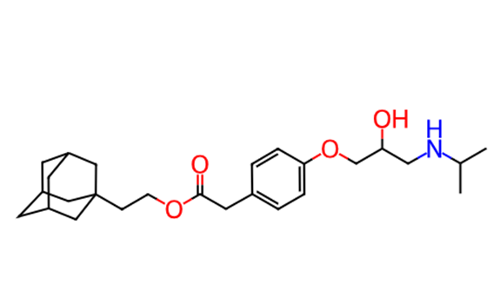 | NIL | GI absorption High BBB permeant Yes P-gp substrate No CYP1A2 inhibitor No CYP2C19 inhibitor No CYP2C9 inhibitor No CYP2D6 inhibitor Yes CYP3A4 inhibitor Yes Log Kp (skin permeation) -5.41 cm/s | Lipinski Yes; 0 violation Ghose Yes Veber No; 1 violation: Rotors>10 Egan Yes Muegge Yes Bioavailability Score 0.55 | Alcohol: 1 Secondary Amine: 1 Ester: 1 Ketone: 1 Ether: 2 Benzene: 1 | Log S (ESOL) -4.97 Solubility 4.57e-03 mg/ml ; 1.06e-05 mol/l Class Moderately soluble Log S (Ali) -6.11 Solubility 3.32e-04 mg/ml ; 7.74e-07 mol/l Class Poorly soluble Log S (SILICOS-IT) -6.16 Solubility 2.97e-04 mg/ml ; 6.92e-07 mol/l Class Poorly soluble | Log Po/w (iLOGP) 4.73 Log Po/w (XLOGP3) 4.95 Log Po/w (WLOGP) 4.12 Log Po/w (MLOGP) 3.43 Log Po/w (SILICOS-IT) 5.04 Consensus Log Po/w 4.45 | NA | NA
2 | Metipranolol | CHEMBL1291 | CC(=O)Oc1c(C)cc(OCC(O)CNC(C)C)c(C)c1C | 309.41 | 3 | 5 | 2 | 0 | 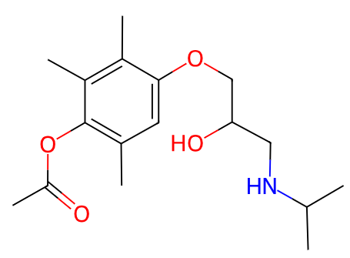 | NIL | GI absorption High BBB permeant Yes P-gp substrate Yes CYP1A2 inhibitor No CYP2C19 inhibitor No CYP2C9 inhibitor No CYP2D6 inhibitor Yes CYP3A4 inhibitor No Log Kp (skin permeation) -6.30 cm/s | Lipinski Yes; 0 violation Ghose Yes Veber Yes Egan Yes Muegge Yes Bioavailability Score 0.55 | Alcohol: 1 Secondary Amine: 1 Ester: 1 Ketone: 1 Ether: 2 Benzene: 1 | Log S (ESOL) -3.11 Solubility 2.41e-01 mg/ml ; 7.80e-04 mol/l Class Soluble Log S (Ali) -3.74 Solubility 5.69e-02 mg/ml ; 1.84e-04 mol/l Class Soluble Log S (SILICOS-IT) -4.52 Solubility 9.37e-03 mg/ml ; 3.03e-05 mol/l Class Moderately soluble | Log Po/w (iLOGP) 3.62 Log Po/w (XLOGP3) 2.66 Log Po/w (WLOGP) 2.27 Log Po/w (MLOGP) 2.12 Log Po/w (SILICOS-IT) 3.52 Consensus Log Po/w 2.84 | NA | NA
3 | Tertatolol | CHEMBL434200 | CC(C)(C)NCC(O)COc1cccc2c1SCCC2 | 295.45 | 2.85 | 3 | 2 | 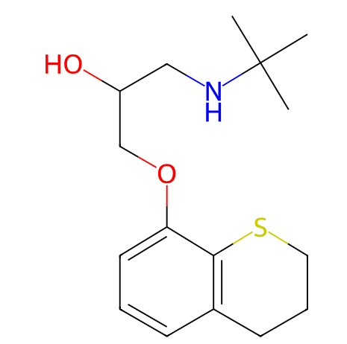 0 |  | NIL | GI absorption High BBB permeant Yes P-gp substrate No CYP1A2 inhibitor No CYP2C19 inhibitor No CYP2C9 inhibitor No CYP2D6 inhibitor Yes CYP3A4 inhibitor No Log Kp (skin permeation) -6.16 cm/s | Lipinski Yes; 0 violation Ghose Yes Veber Yes Egan Yes Muegge Yes Bioavailability Score 0.55 | Alcohol: 1 Secondary Amine: 1 Ether: 1 Benzene: 1 | Log S (ESOL) -3.22 Solubility 1.79e-01 mg/ml ; 6.06e-04 mol/l Class Soluble Log S (Ali) -3.79 Solubility 4.83e-02 mg/ml ; 1.63e-04 mol/l Class Soluble Log S (SILICOS-IT) -4.62 Solubility 7.17e-03 mg/ml ; 2.43e-05 mol/l Class Moderately soluble | Log Po/w (iLOGP) 3.33 Log Po/w (XLOGP3) 2.73 Log Po/w (WLOGP) 2.85 Log Po/w (MLOGP) 2.44 Log Po/w (SILICOS-IT) 3.55 Consensus Log Po/w 2.98 | NA | NA
4 | Penbutolol | CHEMBL1290 | CC(C)(C)NC[C@H](O)COc1ccccc1C1CCCC1 | 291.44 | 3.47 | 3 | 2 | 0 | 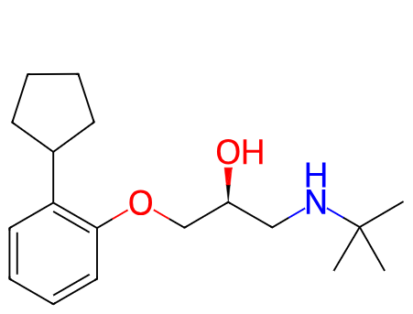 | NIL | GI absorption High BBB permeant Yes P-gp substrate No CYP1A2 inhibitor No CYP2C19 inhibitor No CYP2C9 inhibitor No CYP2D6 inhibitor Yes CYP3A4 inhibitor No Log Kp (skin permeation) -5.13 cm/s | Lipinski Yes; 0 violation Ghose Yes Veber Yes Egan Yes Muegge Yes Bioavailability Score 0.55 | Alcohol: 1 Secondary Amine: 1 Ether: 1 Benzene: 1 | Log S (ESOL) -4.01 Solubility 2.84e-02 mg/ml ; 9.75e-05 mol/l Class Moderately soluble Log S (Ali) -4.73 Solubility 5.44e-03 mg/ml ; 1.87e-05 mol/l Class Moderately soluble Log S (SILICOS-IT) -4.83 Solubility 4.28e-03 mg/ml ; 1.47e-05 mol/l Class Moderately soluble | Log Po/w (iLOGP) 3.60 Log Po/w (XLOGP3) 4.15 Log Po/w (WLOGP) 3.47 Log Po/w (MLOGP) 2.65 Log Po/w (SILICOS-IT) 3.72 Consensus Log Po/w 3.52 | NA | NA
5 | Mepindolol | CHEMBL65717 | Cc1cc2c(OCC(O)CNC(C)C)cccc2[nH]1 | 262.35 | 2.21 | 4 | 3 | 0 | 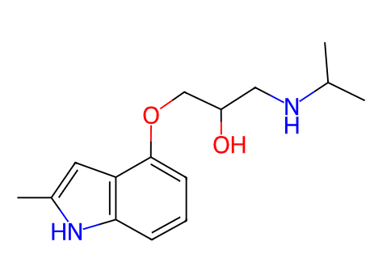 | NIL | GI absorption High BBB permeant Yes P-gp substrate Yes CYP1A2 inhibitor No CYP2C19 inhibitor No CYP2C9 inhibitor No CYP2D6 inhibitor Yes CYP3A4 inhibitor No Log Kp (skin permeation) -6.27 cm/s | Lipinski Yes; 0 violation Ghose Yes Veber Yes Egan Yes Muegge Yes Bioavailability Score 0.55 | Alcohol: 1 Secondary Amine: 1 Ether: 1 Benzene: 1 | Log S (ESOL) -2.87 Solubility 3.54e-01 mg/ml ; 1.35e-03 mol/l Class Soluble Log S (Ali) -3.14 Solubility 1.90e-01 mg/ml ; 7.23e-04 mol/l Class Soluble Log S (SILICOS-IT) -4.57 Solubility 7.03e-03 mg/ml ; 2.68e-05 mol/l Class Moderately soluble | Log Po/w (iLOGP) 2.54 Log Po/w (XLOGP3) 2.30 Log Po/w (WLOGP) 2.21 Log Po/w (MLOGP) 1.16 Log Po/w (SILICOS-IT) 3.05 Consensus Log Po/w 2.25 | NA | NA
6 | Clevudine | CHEMBL458875 | Cc1cn([C@H]2O[C@@H](CO)[C@H](O)[C@H]2F)c(=O)[nH]c1=O | 260.22 | -1.57 | 6 | 3 | 0 | 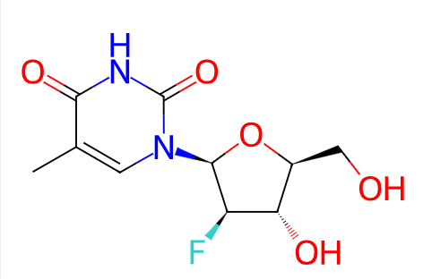 | NIL | GI absorption High BBB permeant No P-gp substrate No CYP1A2 inhibitor No CYP2C19 inhibitor No CYP2C9 inhibitor No CYP2D6 inhibitor No CYP3A4 inhibitor No Log Kp (skin permeation) -8.50 cm/s | Lipinski Yes; 0 violation Ghose No; 1 violation: WLOGP<-0.4 Veber Yes Egan Yes Muegge Yes Bioavailability Score 0.55 | Alcohol: 2 Ether: 1 Halide: 1 | Log S (ESOL) -1.03 Solubility 2.45e+01 mg/ml ; 9.41e-02 mol/l Class Very soluble Log S (Ali) -0.85 Solubility 3.64e+01 mg/ml ; 1.40e-01 mol/l Class Very soluble Log S (SILICOS-IT) -0.49 Solubility 8.34e+01 mg/ml ; 3.21e-01 mol/l Class Soluble | Log Po/w (iLOGP) 1.29 Log Po/w (XLOGP3) -0.86 Log Po/w (WLOGP) -1.47 Log Po/w (MLOGP) -1.00 Log Po/w (SILICOS-IT) -0.03 Consensus Log Po/w -0.41 | ~12 nM for HBV DNA polymerase | NA
7 | Landiolol | CHEMBL1742466 | CC1(C)OC[C@@H](COC(=O)CCc2ccc(OC[C@@H](O)CNCCNC(=O)N3CCOCC3)cc2)O1 | 509.6 | 0.69 | 9 | 3 | 1 | 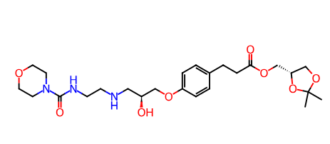 | Molecular weight >500 | GI absorption High BBB permeant No P-gp substrate Yes CYP1A2 inhibitor No CYP2C19 inhibitor No CYP2C9 inhibitor No CYP2D6 inhibitor No CYP3A4 inhibitor Yes Log Kp (skin permeation) -9.31 cm/s | Lipinski No; 2 violations: MW>500, NorO>10 Ghose No; 3 violations: MW>480, MR>130, #atoms>70 Veber No; 1 violation: Rotors>10 Egan Yes Muegge No; 1 violation: Rotors>15 Bioavailability Score 0.17 | Alcohol: 1 Secondary Amine: 2 Tertiary Amine: 1 Ester: 1 Ketone: 1 Ether: 5 Amide: 3 Benzene: 1 Urea: 1 | Log S (ESOL) -2.16 Solubility 3.57e+00 mg/ml ; 7.00e-03 mol/l Class Soluble Log S (Ali) -2.38 Solubility 2.12e+00 mg/ml ; 4.16e-03 mol/l Class Soluble Log S (SILICOS-IT) -5.03 Solubility 4.79e-03 mg/ml ; 9.40e-06 mol/l Class Moderately soluble | Log Po/w (iLOGP) 4.50 Log Po/w (XLOGP3) 0.14 Log Po/w (WLOGP) 0.30 Log Po/w (MLOGP) 0.06 Log Po/w (SILICOS-IT) 2.39 Consensus Log Po/w 1.48 | ~23 nM | NA
8 | Acadesine | CHEMBL1551724 | NC(=O)c1ncn([C@@H]2O[C@H](CO)[C@@H](O)[C@H]2O)c1N | 258.23 | -2.82 | 8 | 5 | 0 | 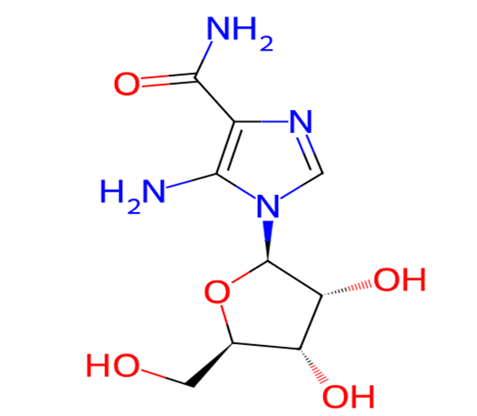 | NIL | GI absorption Low BBB permeant No P-gp substrate No CYP1A2 inhibitor No CYP2C19 inhibitor No CYP2C9 inhibitor No CYP2D6 inhibitor No CYP3A4 inhibitor No Log Kp (skin permeation) -9.42 cm/s | Lipinski Yes; 0 violation Ghose No; 1 violation: WLOGP<-0.4 Veber No; 1 violation: TPSA>140 Egan No; 1 violation: TPSA>131.6 Muegge No; 2 violations: XLOGP3<-2, TPSA>150 Bioavailability Score 0.55 | Alcohol: 3 Primary Amine: 2 Ketone: 1 Ether: 1 | Log S (ESOL) -0.08 Solubility 2.17e+02 mg/ml ; 8.41e-01 mol/l Class Very soluble Log S (Ali) -0.58 Solubility 6.75e+01 mg/ml ; 2.61e-01 mol/l Class Very soluble Log S (SILICOS-IT) 1.75 Solubility 1.44e+04 mg/ml ; 5.58e+01 mol/l Class Soluble | Log Po/w (iLOGP) -0.80 Log Po/w (XLOGP3) -2.18 Log Po/w (WLOGP) -3.14 Log Po/w (MLOGP) -3.16 Log Po/w (SILICOS-IT) -3.12 Consensus Log Po/w -2.48 | NA | NA
9 | Arotinolol | CHEMBL93298 | CC(C)(C)NCC(O)CSc1nc(-c2ccc(C(N)=O)s2)cs1 | 371.55 | 2.81 | 7 | 3 | 0 | 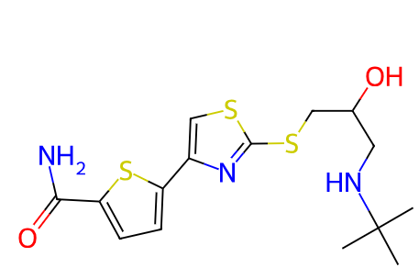 | NIL | GI absorption Low BBB permeant No P-gp substrate Yes CYP1A2 inhibitor No CYP2C19 inhibitor Yes CYP2C9 inhibitor Yes CYP2D6 inhibitor No CYP3A4 inhibitor No Log Kp (skin permeation) -6.92 cm/s | Lipinski Yes; 0 violation Ghose Yes Veber No; 1 violation: TPSA>140 Egan No; 1 violation: TPSA>131.6 Muegge No; 1 violation: TPSA>150 Bioavailability Score 0.55 | Alcohol: 1 Primary Amine: 1 Secondary Amine: 1 Ketone: 1 | Log S (ESOL) -3.40 Solubility 1.48e-01 mg/ml ; 3.99e-04 mol/l Class Soluble Log S (Ali) -5.53 Solubility 1.10e-03 mg/ml ; 2.96e-06 mol/l Class Moderately soluble Log S (SILICOS-IT) -4.27 Solubility 1.99e-02 mg/ml ; 5.36e-05 mol/l Class Moderately soluble | Log Po/w (iLOGP) 2.95 Log Po/w (XLOGP3) 2.32 Log Po/w (WLOGP) 2.81 Log Po/w (MLOGP) 0.66 Log Po/w (SILICOS-IT) 4.36 Consensus Log Po/w 2.62 | NA | NA
10 | Lanabecestat | CHEMBL3989948 | CC#Cc1cncc(-c2ccc3c(c2)[C@@]2(N=C(C)C(N)=N2)[C@]2(CC[C@H](OC)CC2)C3)c1 | 412.54 | 4.24 | 5 | 1 | 0 | 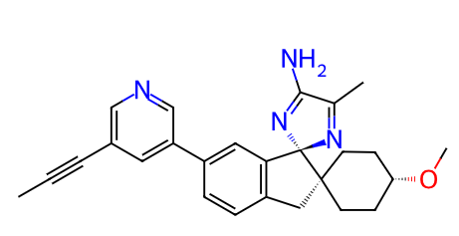 | NIL | GI absorption High BBB permeant Yes P-gp substrate Yes CYP1A2 inhibitor No CYP2C19 inhibitor No CYP2C9 inhibitor No CYP2D6 inhibitor Yes CYP3A4 inhibitor Yes Log Kp (skin permeation) -6.70 cm/s | Lipinski Yes; 0 violation Ghose No; 1 violation: MR>130 Veber Yes Egan Yes Muegge Yes Bioavailability Score 0.55 | Primary Amine: 1 Ether: 1 Benzene: 1 Alkyne: 1 Pyridine: 1 | Log S (ESOL) -4.43 Solubility 1.53e-02 mg/ml ; 3.72e-05 mol/l Class Moderately soluble Log S (Ali) -4.17 Solubility 2.77e-02 mg/ml ; 6.70e-05 mol/l Class Moderately soluble Log S (SILICOS-IT) -7.66 Solubility 9.00e-06 mg/ml ; 2.18e-08 mol/l Class Poorly soluble | Log Po/w (iLOGP) 3.62 Log Po/w (XLOGP3) 2.98 Log Po/w (WLOGP) 3.45 Log Po/w (MLOGP) 3.85 Log Po/w (SILICOS-IT) 5.94 Consensus Log Po/w 3.97 | ~0.2 nM | NA

