Dashboard
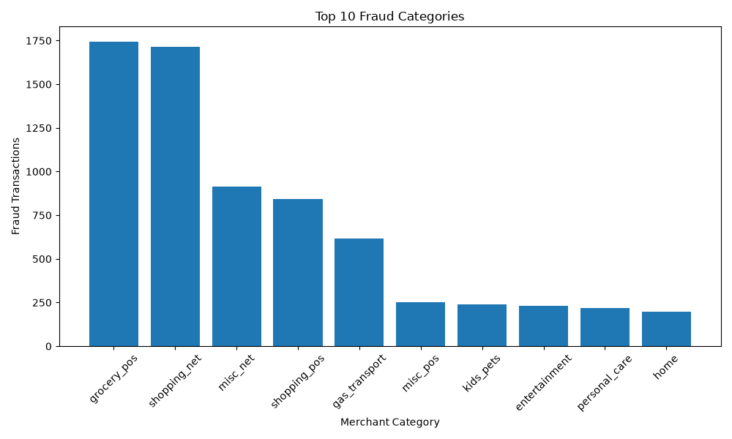
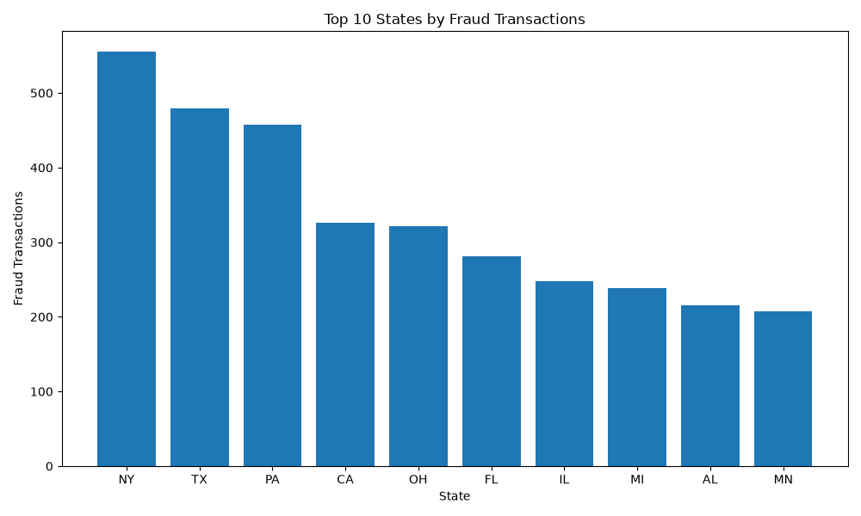
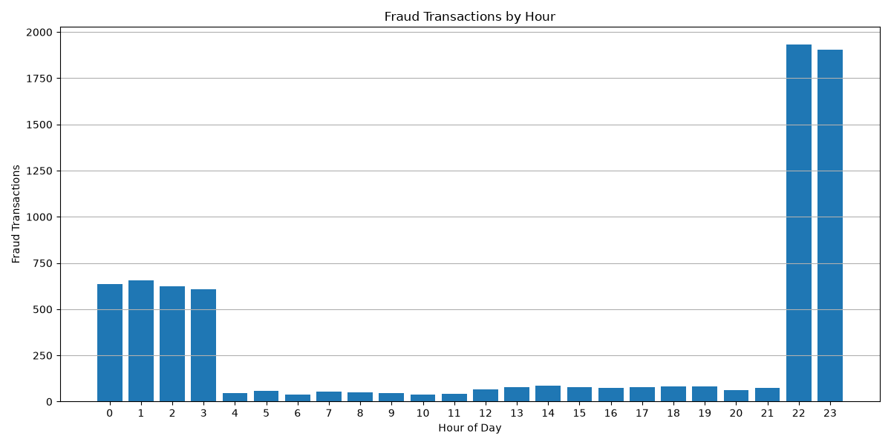
ENTERPRISE BANKING FRAUD ANALYTICS

EXECUTIVE KPIs

Total Transactions | 1,296,675 | Fraud Transactions | 7,506 | Fraud Rate | 0.58% | Total Fraud Amount | $3,988,088.61

Additional Risk Indicators

Genuine Transactions | 1,289,169 | Average Amount | $70.35 | Maximum Amount | $28,948.90

FRAUD ANALYSIS

