Sheet1
BUG ID | BUG DESCRIPTION | STEPS TO REPRODUCE | EXPECTED RESULT | ACTUAL RESULT | SEVERITY | SCREEN SHORT
BUG_ID_001 | Verify the visibility toggle button in password button | 1. Go to the Url -:https://www.casioindiashop.com/ 2. Click on the login button | Visibility toggle button should be shown in password feild | Visibility toggle button is not showing | Medium | 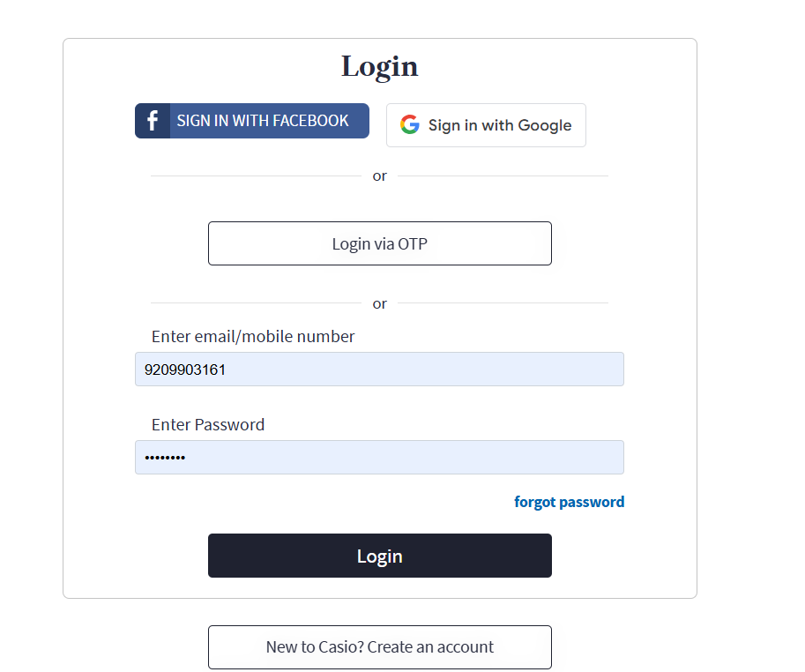
BUG_ID_002 | Verify the capta visible for security Reason | 1. Go to the Url -:https://www.casioindiashop.com/ 2. Click on the login button | Capta should be visible for security reason | Capta is not visible for security reason | Medium
BUG_ID_003 | Verify that response time to load for Search Product | 1. Go to the Url -:https://www.casioindiashop.com/ 2. Search product | Search result should displayed less than 0.3 sec | Search result is displayed morethan 0.3 sec | Medium | 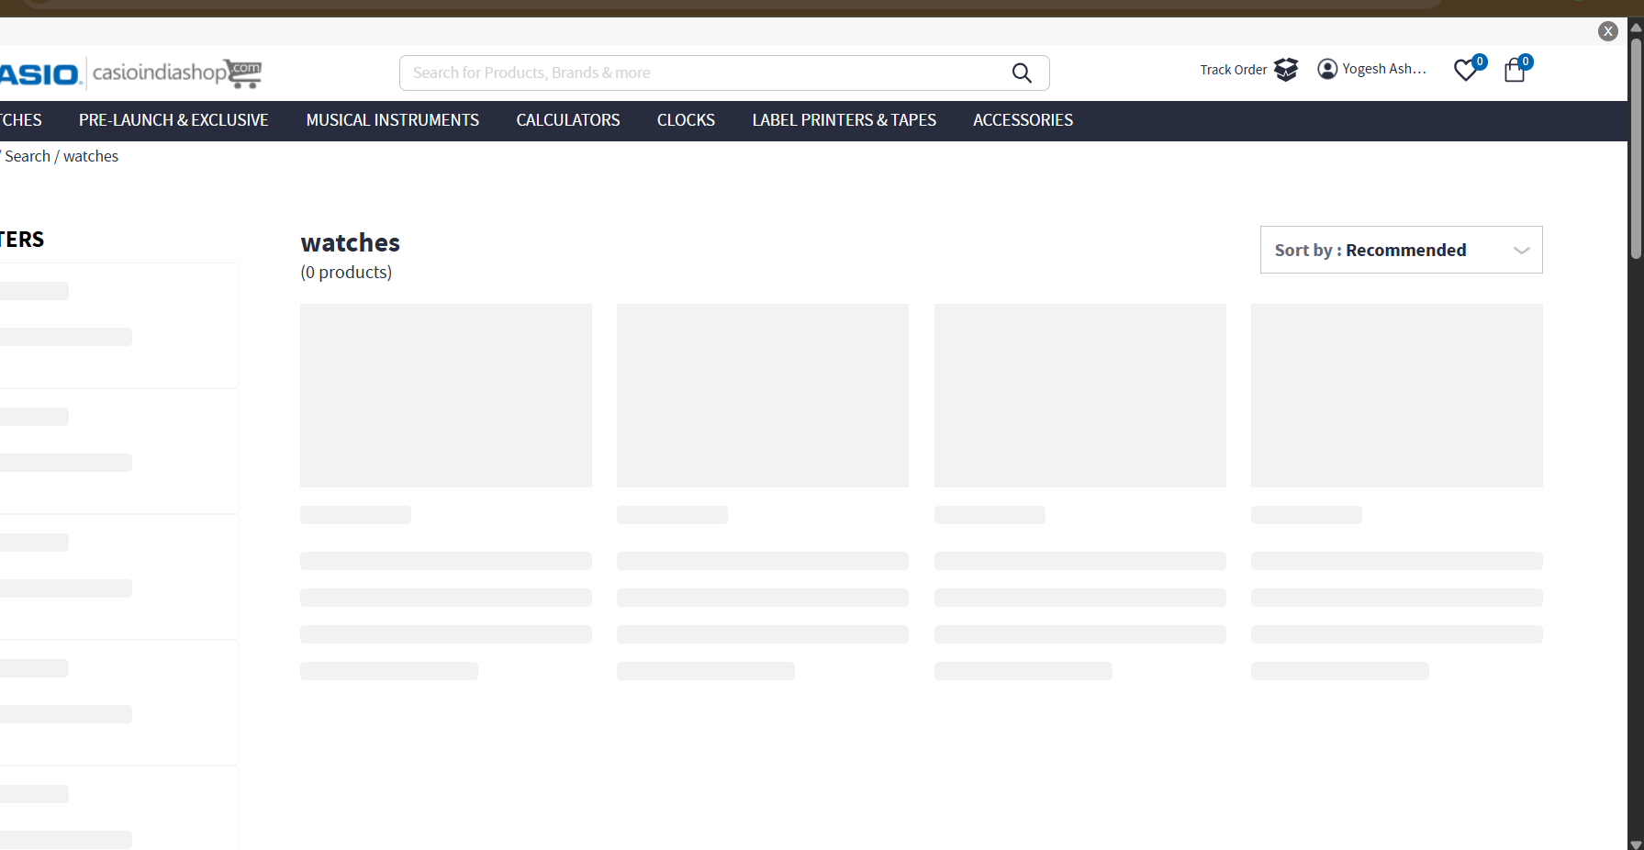
BUG_ID_004 | Verify whether user able to see wishlist product number on wishlist icon on home page. | 1.Open the Browser and enter the url: https://www.casioindiashop.com 2.User logged in | User should be able to See product number on wishlist icon. | User not able to See product number on wishlist icon. | Medium | 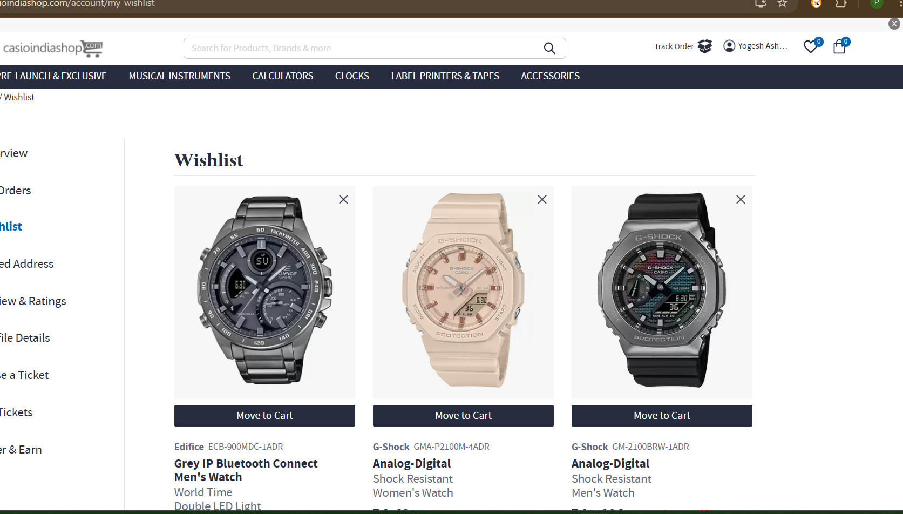
BUG_ID_005 | Verify whether user able to see access "Download App" field | Open the Browser and enter the url: https://www.casioindiashop.com User logged in | User should be able to access | User couldn't able to access | Medium | 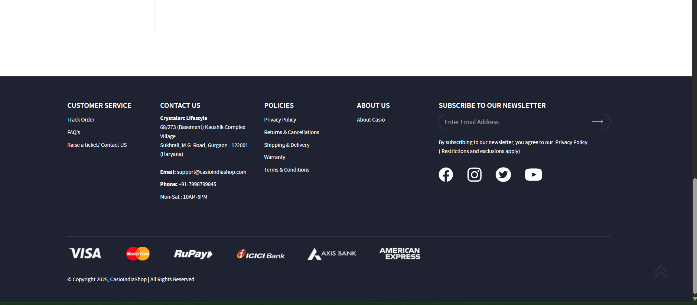
BUG_ID_006 | Verify whether user able to see product rating on product page | Open the Browser and enter the url:https://www.casioindiashop.com/ User logged in | Product rating should be displayed | Product rating is niot displayed | Low | 