SYMBOL-USE
S.NO | SYMBOLS | EQUIPMENT DESCRIPTION
1 |  | CORROSION COUPON
2 |  | CORROSION PROBE
3 |  | ANALYZER ELEMENT
4 |  | FLOW ELEMENT
5 |  | LEVEL ELEMENT
6 |  | TEMPERATURE ELEMENT
7 |  | DIFFERENTIAL PRESSURE GAUGE
8 |  | FLOW GAUGE
9 | 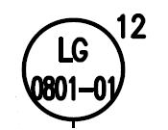 | LEVEL GAUGE
10 |  | PRESSURE GAUGE
11 | 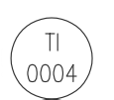 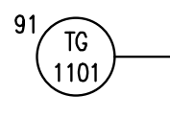 | TEMPERATURE GAUGE
12 |  | INJECTION QUILL
13 |  | LEVEL SWITCH
14 |  | LIMIT SWITCH
15 |  | LIMIT SWITCH CLOSE
16 |  | LIMIT SWITCH OPEN
17 |  | PRESSURE SWITCH
18 |  | SELECTOR SWITCH
19 |  | HAND SWITCH OPEN
20 |  | HAND SWITCH CLOSE
21 | 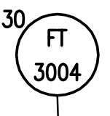 | FLOW TRANSMITTER
22 |  | LEVEL TRANSMITTER
23 |  | PRESSURE TRANSMITTER
24 |  | TEMPERATURE TRANSMITTER
25 | 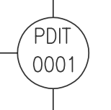 | DIFFERENTIAL PRESSURE INDICATING TRANSMITTER
26 |  | FLOW INDICATING TRANSMITTER
27 |  | LEVEL INDICATING TRANSMITTER
28 |  | PRESSURE INDICATING TRANSMITTER
29 |  | TEMPERATURE INDICATING TRANSMITTER
30 |  | LEVEL INDICATOR
31 |  | PRESSURE INDICATOR
32 |  | TEMPERATURE INDICATOR
33 | 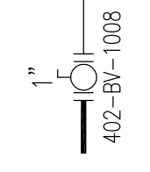 | BALL VALVE
34 |  | 3-WAY SOLENOID VALVE
35 |  | BUTTERFLY VALVE
36 |  | DOUBLE BLOCK AND BLEED VALVE
37 | 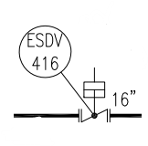 | EMERGENCY SHUTDOWN VALVE
38 | 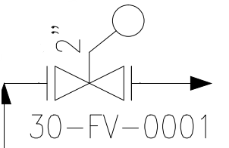 | FLOAT VALVE
39 |  | GATE VALVE
40 |  | GLOBE VALVE
41 |  | WING VALVE
42 |  | MOTOR OPERATED VALVE
43 |  | NEEDLE VALVE
44 |  | NON RETURN VALVE
45 |  | PLUG VALVE
46 | 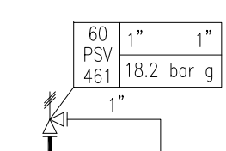 | PRESSURE SAFETY VALVE
47 |  | SAFETY RELIEF VALVE
48 |  | QUICK EXHAUST VALVE
49 |  | SHUTDOWN VALVE
50 |  | SOLENOID VALVE
51 |  | CHOKE VALVE
52 |  | ON OFF VALVE
53 |  | PRESSURE CONTROL VALVE
54 | 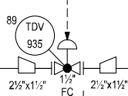 | TEMPERATURE CONTROL VALVE
55 |  | FLOW CONTROL VALVE
56 |  | AIR COMPRESSOR
57 | 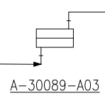 | AIR COOLER
58 | 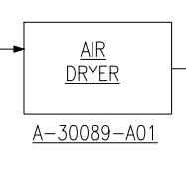 | AIR DRYER
59 | 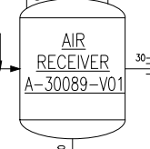 | AIR RECEIVER
60 |  | ANALYZER
61 |  | BI-DIRECTIONAL POSITION INDICATOR
62 | 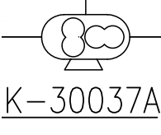 | BLOWER
63 | 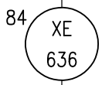 | CORROSION ELEMENT
64 |  | CORROSION TRANSMITTER
65 |  | ELECTRO-PNEUMATIC CONVERTER
66 |  | EXHAUST SILENCER
67 |  | FILTER STRAINER
68 | 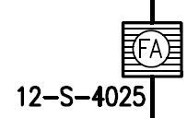 | FLAME ARRESTER
69 |  | HEAT EXCHANGER ONE PASS TUBE
70 |  | HEAT EXCHANGER TWO PASS TUBE
71 | 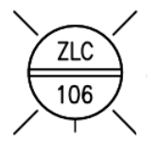 | INDICATION LAMP CLOSE
72 | 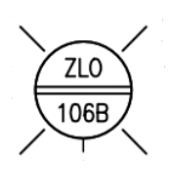 | INDICATION LAMP OPEN
73 |  | I/P CONVERTER
74 |  | LIGHT ALARM
75 |  | MOTOR
76 |  | PIG LAUNCHER
77 |  | PIG RECEIVER
78 |  | PIG SIGNALER
79 | 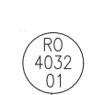 | RESTRICTION ORIFICE
80 |  | SIGHT GLASS
81 | 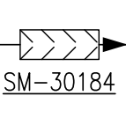 | STATIC MIXER
82 |  | TANK
83 |  | THERMOWELL
84 |  | VESSEL
85 |  | Y-TYPE FILTER STRAINER
86 |  | CENTRIFUGAL PUMP
87 |  | RECIPROCATING PUMP
88 |  | ROTOR PUMP
89 |  | VERTICAL PUMP
90 | 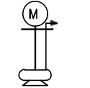 | VERTICAL SUMP PUMP
91 | 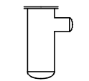 | COALESCER
92 | 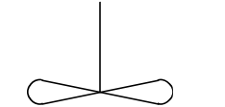 | COOLING FAN OR MIXER
93 |  | FLOATING ROOF TANK
94 | 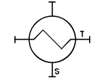 | HEAT EXCHANGER
95 | 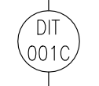 | DENSITY INDICATING TRANSMITTER
96 |  | PIPELINE TAG
97 |  | INDUCTOR/EJECTOR
98 |  | FIRED HEATER
99 |  | FLOW TOTALISER
100 | 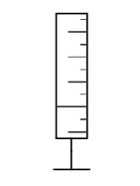 | CALIBRATION POT

SYMBOL DONT USE
S.NO | SYMBOLS - NOT CONSIDERED | DESCRIPTION
1 |  | COMPUTER FUNCTION,SIGNAL TAG
2 |  | DCS,SIGNAL TAG
3 |  | PLC,SIGNAL TAG
4 |  | NON MAINTAINABLE TAGS
5 |  | DESTINATION ARROW OFF
6 |  | INSULATING COUPLING
7 |  | FLANGE
8 |  | TUNDISH
9 |  | REDUCER
10 |  | CAUSE AND EFFECTS SYSTEM NUMBER
11 |  | SOFT TAG
12 |  | SOFT TAG
13 | 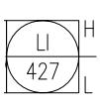 | SOFT TAG
14 |  | SOFT TAG
15 |  | INSULATION
16 | 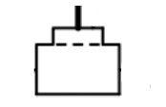 | BARRED TEE
17 | 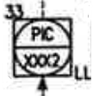 | SOFT TAG
18 |  | SOFT TAG
19 | 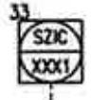 | SOFT TAG
20 |  | SOFT TAG
21 |  | SOFT TAG
22 |  | SOFT TAG
23 |  | SOFT TAG
24 |  | SOFT TAG
25 |  | SOFT TAG
26 |  | SOFT TAG
27 |  | SOFT TAG
28 | 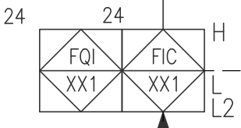 | SOFT TAG
29 |  | MANWAY
30 |  | TIE-IN
31 |  | DIAPHRAGM SEAL
32 |  | REVISION TRIANGLE

