1. Inventory Forecast
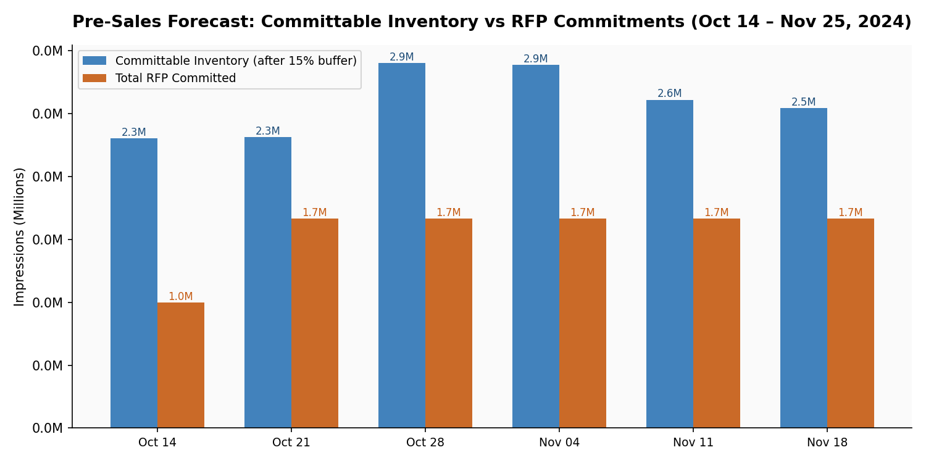
PulseIndia Digital — Pre-Sales Inventory Forecast | Campaign Window: Oct 14 – Nov 25, 2024
Holt-Winters Exponential Smoothing | Diwali Multiplier Applied (+22%) | 15% Conservative Buffer

Total Committable |  | Total RFP Committed |  | Net Buffer |  | Overbooking Weeks
15,560,975 impr |  | 9,333,333 impr |  | 6,227,642 impr |  | 0 ✓ SAFE

Week Start | Raw Forecast | Diwali-Adjusted | Committable (−15% Buffer) | RFP-001 (Weekly) | RFP-002 (Weekly) | Total Committed | Net Available | Status
2024-10-14 | 2,711,388 | 2,711,388 | 2,304,680 | 1,000,000 | 0 | 1,000,000 | 1,304,680 | SAFE ✓
2024-10-21 | 2,719,184 | 2,719,184 | 2,311,307 | 1,000,000 | 666,666 | 1,666,666 | 644,640 | SAFE ✓
2024-10-28 | 2,797,843 | 3,413,368 | 2,901,363 | 1,000,000 | 666,666 | 1,666,666 | 1,234,696 | SAFE ✓
2024-11-04 | 2,785,620 | 3,398,456 | 2,888,688 | 1,000,000 | 666,666 | 1,666,666 | 1,222,021 | SAFE ✓
2024-11-11 | 2,843,401 | 3,070,873 | 2,610,242 | 1,000,000 | 666,666 | 1,666,666 | 943,575 | SAFE ✓
2024-11-18 | 2,851,197 | 2,993,757 | 2,544,693 | 1,000,000 | 666,666 | 1,666,666 | 878,027 | SAFE ✓

2. Sell-Through Analysis
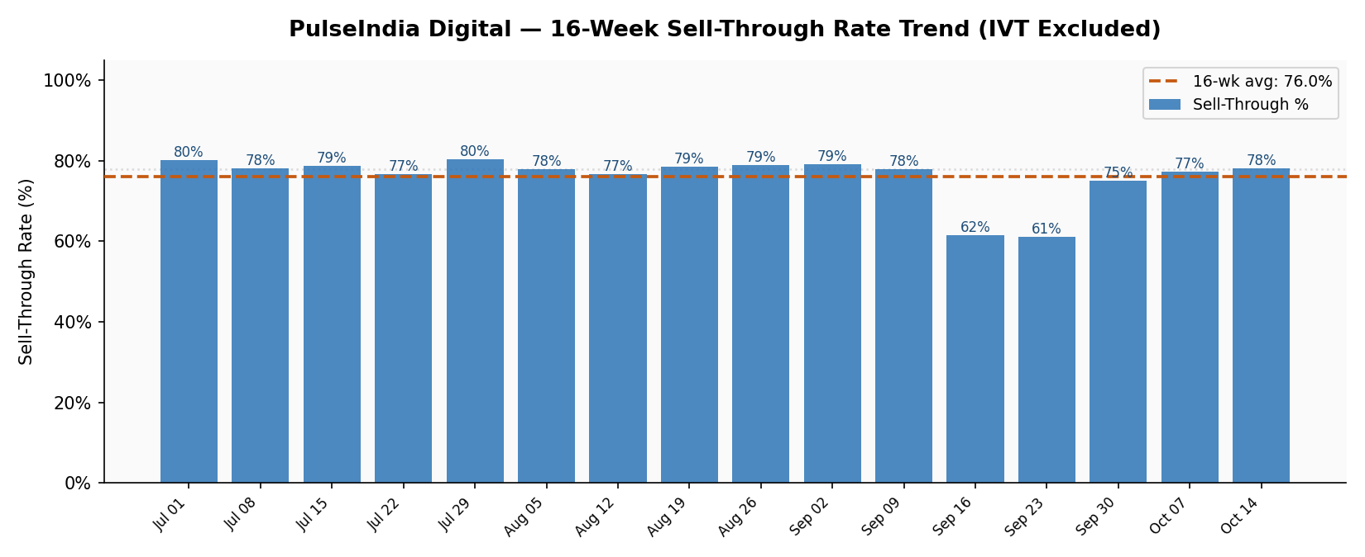
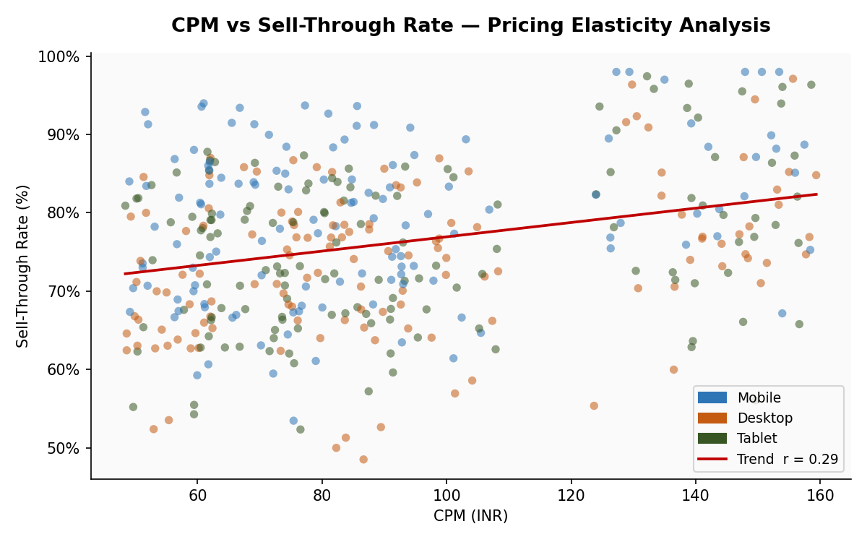
PulseIndia Digital — 16-Week Sell-Through Rate & CPM Analysis

Avg Sell-Through |  | Peak Week |  | Lowest Week
76.0% |  | 80.4% |  | 61.2%

Week Start | Total Available | Total Served | Sell-Through % | Avg CPM (₹) | Revenue (₹)
2024-07-01 | 2,103,924 | 1,687,180 | 80.2% | ₹90.68 | ₹140,557
2024-07-08 | 2,027,262 | 1,583,211 | 78.1% | ₹88.24 | ₹131,008
2024-07-15 | 2,026,624 | 1,594,719 | 78.7% | ₹89.26 | ₹132,272
2024-07-22 | 2,482,380 | 1,904,994 | 76.7% | ₹88.48 | ₹155,586
2024-07-29 | 2,413,130 | 1,940,367 | 80.4% | ₹89.17 | ₹156,260
2024-08-05 | 1,967,336 | 1,533,406 | 77.9% | ₹90.17 | ₹127,491
2024-08-12 | 2,126,433 | 1,630,052 | 76.7% | ₹88.81 | ₹136,065
2024-08-19 | 2,098,565 | 1,647,456 | 78.5% | ₹88.35 | ₹134,504
2024-08-26 | 2,395,119 | 1,890,488 | 78.9% | ₹89.30 | ₹154,426
2024-09-02 | 2,421,972 | 1,918,306 | 79.2% | ₹87.27 | ₹156,304
2024-09-09 | 2,162,659 | 1,683,775 | 77.9% | ₹88.21 | ₹139,006
2024-09-16 | 1,683,420 | 1,035,485 | 61.5% | ₹88.83 | ₹85,297
2024-09-23 | 1,626,540 | 994,704 | 61.2% | ₹89.57 | ₹82,305
2024-09-30 | 2,154,905 | 1,616,201 | 75.0% | ₹90.38 | ₹134,760
2024-10-07 | 2,623,167 | 2,029,774 | 77.4% | ₹87.54 | ₹164,071
2024-10-14 | 2,653,608 | 2,072,176 | 78.1% | ₹87.32 | ₹167,955

3. Audience Segments
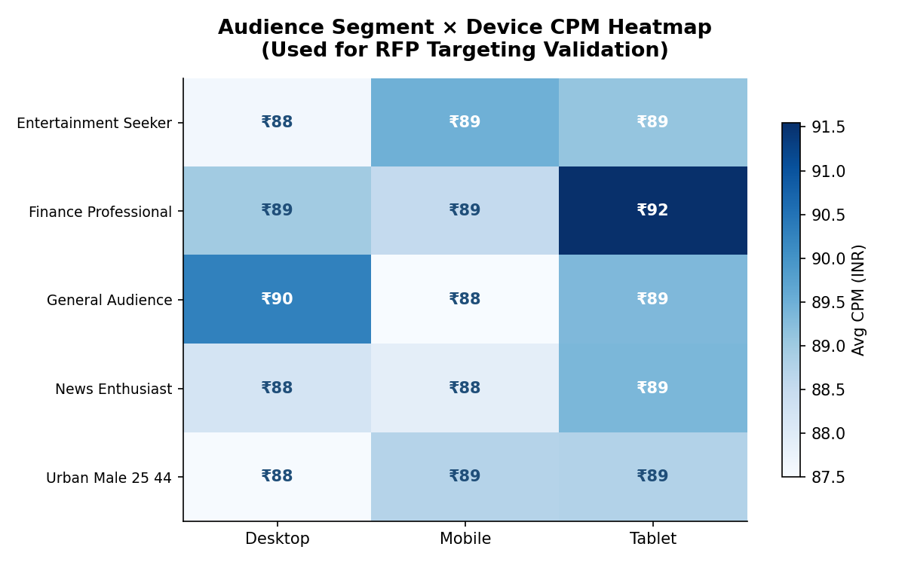
PulseIndia Digital — Audience Segment Performance & RFP Targeting Validation
RFP-001 targets: Urban Male 25–44 | Mobile • RFP-002 targets: News Enthusiast | Desktop

User Segment | Device Type | Total Available | Avg Sell-Through % | Avg CPM (₹) | Total Revenue (₹) | RFP Match
Finance Professional | Tablet | 694,800 | 75.2% | ₹91.55 | ₹47,859 | —
General Audience | Desktop | 1,707,640 | 75.0% | ₹90.27 | ₹115,565 | —
Entertainment Seeker | Mobile | 3,527,313 | 79.5% | ₹89.48 | ₹250,826 | —
News Enthusiast | Tablet | 1,248,743 | 74.6% | ₹89.36 | ₹83,277 | —
General Audience | Tablet | 824,720 | 74.9% | ₹89.33 | ₹55,165 | —
Entertainment Seeker | Tablet | 948,318 | 75.4% | ₹89.10 | ₹63,700 | —
Finance Professional | Desktop | 1,423,157 | 73.9% | ₹88.97 | ₹93,608 | —
Urban Male 25 44 | Tablet | 1,457,063 | 74.8% | ₹88.76 | ₹96,763 | —
Urban Male 25 44 | Mobile | 5,218,026 | 79.4% | ₹88.72 | ₹367,623 | ✓ RFP-001
Finance Professional | Mobile | 2,747,211 | 80.5% | ₹88.53 | ₹195,760 | —
News Enthusiast | Desktop | 2,557,775 | 73.0% | ₹88.22 | ₹164,744 | ✓ RFP-002
News Enthusiast | Mobile | 4,694,182 | 79.9% | ₹87.88 | ₹329,442 | —
Entertainment Seeker | Desktop | 1,878,152 | 73.5% | ₹87.61 | ₹120,956 | —
Urban Male 25 44 | Desktop | 2,957,047 | 72.7% | ₹87.52 | ₹188,096 | —
General Audience | Mobile | 3,082,897 | 78.5% | ₹87.50 | ₹211,756 | —

4. PMP Revenue Model
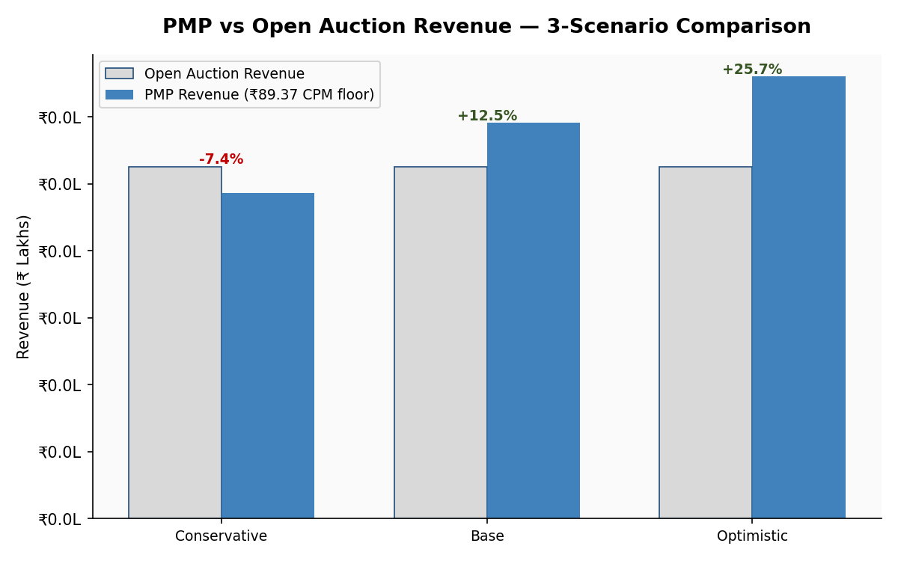
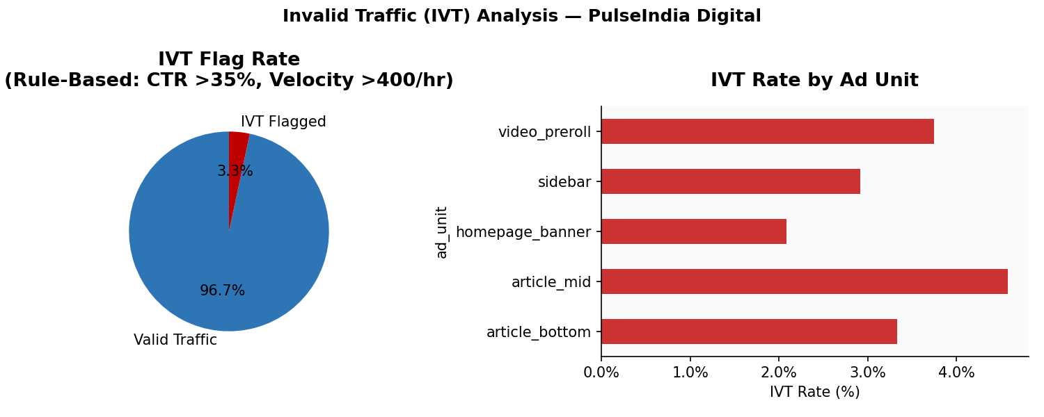
PulseIndia Digital — PMP vs Open Auction Revenue Scenario Model

MODEL ASSUMPTIONS
Historical Avg CPM (INR) | ₹88.85
Historical Avg Sell-Through | 76.0%
P75 CPM — PMP Floor (INR) | ₹89.37
Total Committable Impressions | 15,560,975
Pricing Basis | P75 CPM — advertisers pay premium for guarantee
Source | 16-week historical ad server log (IVT-excluded)

Scenario | Fill Rate | PMP CPM Floor (₹) | Open Auction Rev (₹) | PMP Revenue (₹) | Uplift (₹) | Uplift (%)
Conservative (70% fill) | 70% | ₹89.37 | ₹1,051,070 | ₹973,456 | -₹77,614 | -7.4%
Base (85% fill) | 85% | ₹89.37 | ₹1,051,070 | ₹1,182,054 | ₹130,984 | +12.5%
Optimistic (95% fill) | 95% | ₹89.37 | ₹1,051,070 | ₹1,321,119 | ₹270,049 | +25.7%

★ RECOMMENDATION: PMP deal at ₹89.37 CPM floor (Base scenario, 85% fill) projects ₹1,18,205 revenue vs ₹1,05,107 open auction — a 12.5% uplift. Recommend PMP for both RFPs.

