Client wizard
Company Name |  |  |  | Task description & Appointment
Company Reg No
Status |  |  |  | Schedul appointment
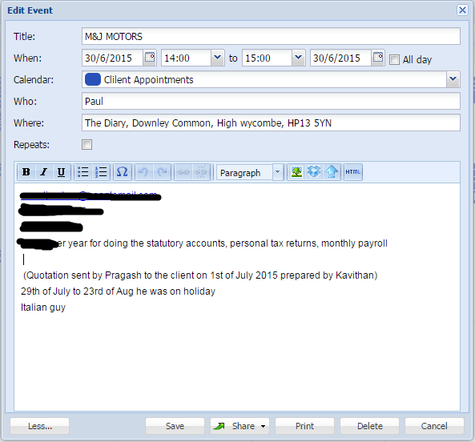
Date of Incorporation | Next Accounts Due: | Next Return Due: |  |  | Able to schedul & reshdule the appiontment with client, each sheduling history should be in history, easy view.

Contact address | Register office address | Business address
Correspondent | Correspondent | Correspondent |  |  | Should be able to added notes with heading
Address line 1 | Address line 1 | Address line 1 | Reg office address, Status, Company name, Company no, and the dates should be come from CH
Address line 2 | Address line 2 | Address line 2
Address line 3 | Address line 3 | Address line 3 |  |  | Able to see summery of appointments, it's should be like calander scheduler
Address line 4 | Address line 4 | Address line 4
Post Town | Post Town | Post Town
Country /Region | Country /Region | Country /Region | Contact address, Contact person and TP detail should be able to upload from excel (CSV) whle it's also editable by manually if necessary
Postal code | Postal code | Postal code |  |  | Reminder for making call for client

Contact Person |  | Telephone no
Title
Initial |  |  | Business address also should be mannual
Forename
Surname

Job function
Job title

Calander Scheduler
