What-If-Analysis
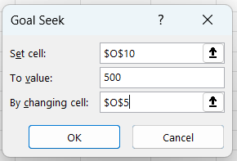
 |  |  |  |  |  | Goal Seek in What-if-Analysis
 |  |  | Scenario Manager in What-if-Analysis
GIVEN |  |  | What-if-Analysis |  |  | What-if-Analysis
 |  |  | Price | 100 |  | Price | 100
Customer Name | Product | Price | Quantity | 2 |  | Quantity | 7
Claire Gute | Bookcases | 100 | Total Revenue | 200 | price * quantity | Total Revenue | 714
Darrin Van Huff | Labels | 20 | Transport Cost | 20 | 10% of Total Revenue | Transport Cost | 71
Sean O'Donnell | Tables | 1500 | Item Cost | 40 | 20rs per unit | Item Cost | 143
Brosina Hoffman | Furnishings | 49 | Total Cost | 60 | Transport + Item cost | Total Cost | 214
Andrew Allen | Paper | 30 | Profit | 140 | Total Revenue - Total Cost | Profit | 500
Irene Maddox | Binders | 400
Harold Pawlan | Appliances | 69 |  |  |  | In this, we have given our target Profit value as 500 and we want to gain 500 as profit than how many quantity must be sell.
Pete Kriz | Storage | 200
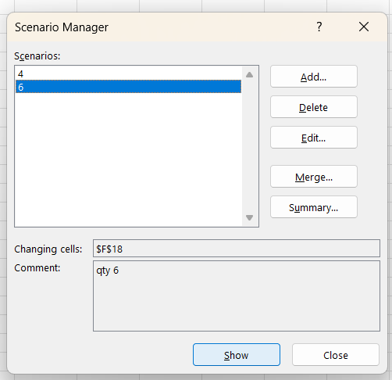
Alejandro Grove | Storage | 200
Zuschuss Donatelli | Art | 10
Ken Black | Art | 10 | What-if-Analysis
Sandra Flanagan | Chairs | 71 | Price | 100
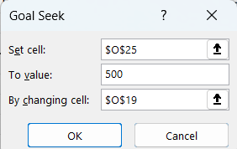
Emily Burns | Tables | 1500 | Quantity | 2 |  | What-if-Analysis
Eric Hoffmann | Binders | 400 | Total Revenue | 200 |  | Price | 300
Tracy Blumstein | Bookcases | 100 | Transport Cost | 20 |  | Quantity | 2
Matt Abelman | Paper | 30 | Item Cost | 40 |  | Total Revenue | 600
Gene Hale | Phones | 1000 | Total Cost | 60 |  | Transport Cost | 60
Steve Nguyen | Envelopes | 120 | Profit | 140 |  | Item Cost | 40
Linda Cazamias | Phones | 1000 |  |  |  | Total Cost | 100
Ruben Ausman | Storage | 200 |  |  |  | Profit | 500
Erin Smith | Storage | 200
Odella Nelson | Accessories | 45 |  |  |  | In this, we have given our target Profit value as 500 and we want to gain 500 as profit than what must be the price if the quantity remain same.
Patrick O'Donnell | Storage | 200
Lena Hernandez | Accessories | 45

Pivot
Product Name | (All)

Sum of Sales | Column Labels
Row Labels | Furniture | Office Supplies | Technology | Grand Total
Central | 160317.4622 | 163590.243 | 168739.208 | 492646.9132
East | 206461.388 | 199940.811 | 263116.527 | 669518.726
South | 116531.48 | 124424.771 | 148195.208 | 389151.459
West | 245348.2455 | 217466.509 | 247404.93 | 710219.6845
Grand Total | 728658.5757 | 705422.334 | 827455.873 | 2261536.7827

Here, we can observed that how much is the sales based on Region wise and which Product Category at the top we have added a filter on Product Name so that if needed we can select the product and get the outcome.

Sum of Sales | Column Labels
Row Labels | Consumer | Corporate | Home Office | Grand Total
Furniture | 387696.258 | 220321.7018 | 120640.6159 | 728658.5757
Office Supplies | 359352.608 | 224130.536 | 121939.19 | 705422.334
Technology | 401011.665 | 244041.837 | 182402.371 | 827455.873
Grand Total | 1148060.531 | 688494.0748 | 424982.1769 | 2261536.7827

