Pivot Table
1) Income Sources

 |  | Percentage
 | 1 | 86%
 | 1 | 14%
 | 1
 | 1
 | 1
 | 1
 | 1
 | 1
 | 1
 | 1
 | 1
 | 1
 | 1
 | 1
 | 1
 | 1
 | 1
 | 1
 | 1
 | 1
 | 1
 | 1
 | 1
 | 1
 | 1
 | 1
 | 1
 | 1
 | 1
 | 1
 | 1
 | 1
 | 1
 | 1
 | 1
 | 1
 | 1
 | 1
 | 1
 | 1
 | 1
 | 1
 | 1
 | 1
 | 1
 | 1
 | 1
 | 1
 | 1
 | 1
...
 |  | Row Labels | Sum of Income | Sum of Counts | Sum of Counts2 |  |  | X | Y | Amount | Max | Without Max | Count | Count % |  | Sum of Income | Sum of Target Income |  | Income | Target
 |  | Usage fees | 177,100 | 11,856 | 10.12% |  | Usage fees | 1 | 3 | 177,100 |  | 177,100 | 11,856 | 10% |  | ₹ 773,252 | ₹ 898,932 |  | 86% | 14%
 |  | Subscription | 182,598 | 13,188 | 11.26% |  | Subscription | 7 | 2 | 182,598 | 182,598 |  | 13,188 | 11%
 |  | Renting | 61,204 | 16,488 | 14.07% |  | Renting | 4 | 1 | 61,204 |  | 61,204 | 16,488 | 14%
 |  | Licensing | 157,387 | 72,768 | 62.10% |  | Licensing | 2 | 8 | 157,387 |  | 157,387 | 72,768 | 62%
 |  | Asset sale | 77,422 | 26 | 0.02% |  | Asset sale | 5 | 9 | 77,422 |  | 77,422 | 26 | 0%
 |  | Advertising | 117,541 | 2,844 | 2.43% |  | Advertising | 6 | 6 | 117,541 |  | 117,541 | 2,844 | 2%
 |  | Grand Total | 773,252 | 117,170 | 100.00%

 |  |  |  |  |  |  |  |  |  |  |  |  |  |  |  |  |  |  |  |  |  |  | Row Labels | Sum of Income | Sum of Income2
 |  | Row Labels | Sum of Income | Sum of Income2 |  |  | Avg. Income by Month |  |  | Row Labels | Sum of operating profit |  |  | Operating Profits |  | Row Labels | Sum of Income | Sum of Income2 |  |  |  |  | Usage fees | 177,100 | 22.90% | Usage fees | 177,100 | 23%
 |  | Jan | 64,935 | 64,935 |  |  | 64,438 |  |  | Jan | 12,987 |  |  | 154,650 |  | B2B | 261,479 | 33.82% |  | B2B | 261,479 | 34% | New | 88,900 | 11.50% | New | 88,900 | 11%
 |  | Feb | 58,642 | 58,642 |  |  |  |  |  | Feb | 11,728 |  |  |  |  | B2C | 511,773 | 66.18% |  | B2C | 511,773 | 66% | Renewal | 88,200 | 11.41% | Renewal | 88,200 | 11%
 |  | Mar | 61,887 | 61,887 |  |  |  |  |  | Mar | 12,377 |  |  |  |  | Grand Total | 773,252 | 100.00% |  |  |  |  | Subscription | 182,598 | 23.61% | Subscription | 182,598 | 24%
 |  | Apr | 77,629 | 77,629 |  |  |  |  |  | Apr | 15,526 |  |  |  |  |  |  |  |  |  |  |  | Premium | 77,066 | 9.97% | Premium | 77,066 | 10%
 |  | May | 60,548 | 60,548 |  |  |  |  |  | May | 12,110 |  |  |  |  |  |  |  |  |  |  |  | Prime | 105,533 | 13.65% | Prime | 105,533 | 14%
 |  | Jun | 63,286 | 63,286 |  |  |  |  |  | Jun | 12,657 |  |  |  |  |  |  |  |  |  |  |  | Renting | 61,204 | 7.92% | Renting | 61,204 | 8%
 |  | Jul | 57,631 | 57,631 |  |  |  |  |  | Jul | 11,526 |  |  |  |  |  |  |  |  |  |  |  | Equipments | 57,444 | 7.43% | Equipments | 57,444 | 7%
 |  | Aug | 60,978 | 60,978 |  |  |  |  |  | Aug | 12,196 |  |  |  |  |  |  |  |  |  |  |  | Lands | 2,490 | 0.32% | Lands | 2,490 | 0%
 |  | Sep | 59,906 | 59,906 |  |  |  |  |  | Sep | 11,981 |  |  |  |  |  |  |  |  |  |  |  | Offices | 1,270 | 0.16% | Offices | 1,270 | 0%
 |  | Oct | 66,178 | 66,178 |  |  |  |  |  | Oct | 13,236 |  |  |  |  |  |  |  |  |  |  |  | Licensing | 157,387 | 20.35% | Licensing | 157,387 | 20%
 |  | Nov | 84,003 | 84,003 |  |  |  |  |  | Nov | 16,801 |  |  |  |  |  |  |  |  |  |  |  | Floating License | 100,400 | 12.98% | Floating License | 100,400 | 13%
 |  | Dec | 57,631 | 57,631 |  |  |  |  |  | Dec | 11,526 |  |  |  |  |  |  |  |  |  |  |  | Software Metered License | 56,987 | 7.37% | Software Metered License | 56,987 | 7%
 |  | Grand Total | 773,252 | 773,252 |  |  |  |  |  | Grand Total | 154,650 |  |  |  |  |  |  |  |  |  |  |  | Asset sale | 77,422 | 10.01% | Asset sale | 77,422 | 10%
 |  |  |  |  |  |  |  |  |  |  |  |  |  |  |  |  |  |  |  |  |  |  | Asset sale | 77,422 | 10.01% | Asset sale | 77,422 | 10%
 |  |  |  |  |  |  |  |  |  |  |  |  |  |  |  |  |  |  |  |  |  |  | Advertising | 117,541 | 15.20% | Advertising | 117,541 | 15%
 |  |  |  |  |  |  |  |  |  |  |  |  |  |  |  |  |  |  |  |  |  |  | Company Website | 1,225 | 0.16% | Company Website | 1,225 | 0%
 |  |  |  |  |  |  |  |  |  |  |  |  |  |  |  |  |  |  |  |  |  |  | Facebook Page | 28,379 | 3.67% | Facebook Page | 28,379 | 4%
 |  |  |  |  |  |  |  |  |  |  |  |  |  |  |  |  |  |  |  |  |  |  | Google Ad | 27,919 | 3.61% | Google Ad | 27,919 | 4%
 |  |  |  |  |  |  |  |  |  |  |  |  |  |  |  |  |  |  |  |  |  |  | Television Ad | 31,528 | 4.08% | Television Ad | 31,528 | 4%
 |  |  |  |  |  |  |  |  |  |  |  |  |  |  |  |  |  |  |  |  |  |  | Youtube Channel | 28,491 | 3.68% | Youtube Channel | 28,491 | 4%
 |  |  |  |  |  |  |  |  |  |  |  |  |  |  |  |  |  |  |  |  |  |  | Grand Total | 773,252 | 100.00%

2) Geographically

 | Row Labels | Sum of Amount | Sum of Amount2 |  | Total Sales |  |  |  |  |  |  | Highest_Country |  | Non_Highest
 | Egypt | 190,380 | 29.54% |  | ₹ 644,384 |  | USA | 17% | ₹ 109,940 |  | Russia |  |  | ● | ●
 | Russia | 112,620 | 17.48% |  |  |  | Egypt | 30% | ₹ 190,380 |  | Egypt | ● | ●
 | USA | 109,940 | 17.06% |  |  |  | Russia | 17% | ₹ 112,620 |  | United Kingdom |  |  | ● | ●
 | United Kingdom | 106,948 | 16.60% |  |  |  | United Kingdom | 17% | ₹ 106,948 |  | USA |  |  | ● | ●
 | Canada | 62,256 | 9.66% |  |  |  | Brazil | 10% | ₹ 62,240 |  | Canada |  |  | ● | ●
 | Brazil | 62,240 | 9.66% |  |  |  | Canada | 10% | ₹ 62,256 |  | Brazil |  |  | ● | ●
 | Grand Total | 644384 | 100.00%

 | Sum of Amount | Sum of Target |  | Remaining Percentage | Actual |  | X | Y |  | Payroll Taxes | Property Taxes | Excise Taxes | Total Taxes | 100%
 | 644384 | 880249.08 |  | 27% | 73% |  | 0 | 1 |  | 9.2% | 7.4% | 6.2% | 22.8% | 77.2% |  | 22.8% | 77.2%
 |  |  |  |  |  |  | 0.99364483721 | -0.11256081682 |  | ₹ 59,283 | ₹ 47,684 | ₹ 39,952 | ₹ 146,920

3) Sales Process

 | Sum of Target | Sum of Amount |  | Actual | Target |  | Labels
 | 880,249 | 644,384 |  | 73% | 27% |  | 27%
 |  |  |  |  |  |  | 73%

 |  |  |  | X | Y
 |  |  |  | 0 | 1
 |  |  |  | -0.99364483721 | -0.11256081682

 | Row Labels | Count of POS |  |  | Line | Empy Circle | Circule | Count
 | Branches | 512 |  | Branches | │ | ○ |  | 512
 | Website | 257 |  | Website |  |  | ● | 257
 | Grand Total | 769

 | Row Labels | Count of Payment Method |  |  | Line | Empy Circle | Circule | Count |  | Line | Empy Circle | Circule | Count
 | Cash on Delivery | 398 |  | Cash on Delivery | │ | ○ |  | 398 |  |  | ○ |  | 398
 | Credit Card | 371 |  | Credit Card |  |  | ● | 371 |  | │ |  | ● | 371
 | Grand Total | 769

 |  |  |  |  |  |  |  |  |  | │ | ○ | ●

 | Row Labels | Count of Registration Status |  |  | Line | Empy Circle | Circule | Count
 | Register Customer info | 417 |  | Non-Registered Customer info |  |  | ● | 352
 | Non-Registered Customer info | 352 |  | Register Customer info | │ | ○ |  | 417
 | Grand Total | 769

 | Row Labels | Sum of Amount
 | Branch | 130083 |  | Branch | 130,083
 | Download | 78205 |  | Download | 78,205
 | Shipment | 85251 |  | Shipment | 85,251
 | Grand Total | 293539 |  |  | 293,539

 | Row Labels | Count of Delivery Type
 | Branch | 255
 | Download | 254
 | Shipment | 260
 | Grand Total | 769

 | Row Labels | Count of Sale Status
 | Paid | 83% |  | Refunded
 | Refunded | 17% |  | 17%
 | Grand Total | 100.00%

 |  |  | 4

 |  |  | 5

 |  |  | 6

Income Source
Sales Data Analysis
Income Source
Geographically
Sales Process
Project Status
4

Income Sources
Software Metered License
56,987
7%
 | Sum of Income | Sum of Income2
B2B | 261,479 | 33.82%
B2C | 511,773 | 66.18%
 | Total
Jan | 12,987
Feb | 11,728
Mar | 12,377
Apr | 15,526
May | 12,110
Jun | 12,657
Jul | 11,526
Aug | 12,196
Sep | 11,981
Oct | 13,236
Nov | 16,801
Dec | 11,526
Average
Monthly Income
64,438
x̄
2,61,479
34%
B2B
B2C
5,11,773
66%
1,54,650
Operating
Profits

Company Website
1,225
0%
Grand Total of their Income and their breakdowns showing the achievements percentage and highlight for most valuable source, marketing strategies and operating profit.
10%
Youtube Channel
28,491
4%
 |  | Percentage
 | 1 | 86%
 | 1 | 14%
 | 1
 | 1
 | 1
 | 1
 | 1
 | 1
 | 1
 | 1
 | 1
 | 1
 | 1
 | 1
 | 1
 | 1
 | 1
 | 1
 | 1
 | 1
 | 1
 | 1
 | 1
 | 1
 | 1
 | 1
 | 1
 | 1
 | 1
 | 1
 | 1
 | 1
 | 1
 | 1
 | 1
 | 1
 | 1
 | 1
 | 1
 | 1
 | 1
 | 1
 | 1
 | 1
 | 1
 | 1
 | 1
 | 1
 | 1
 | 1
...
 | Income Sources | Max
1 | 3 | 3
7 | 2 | 2
4 | 1 | 1
2 | 8 | 8
5 | 9 | 9
6 | 6 | 6

Floating License
1,00,400
13%
20%
Facebook Page
28,379
4%
Financial Statistics
₹ 8,98,932
₹ 7,73,252
Income Target
 |  | 7785

 | ẊẋẌ
15%

 | Sum of Income2 | Sum of Income
Jan | 64,935 | 64,935
Feb | 58,642 | 58,642
Mar | 61,887 | 61,887
Apr | 77,629 | 77,629
May | 60,548 | 60,548
Jun | 63,286 | 63,286
Jul | 57,631 | 57,631
Aug | 60,978 | 60,978
Sep | 59,906 | 59,906
Oct | 66,178 | 66,178
Nov | 84,003 | 84,003
Dec | 57,631 | 57,631

Google Ad
27,919
4%

Television Ad
31,528
4%
Quantity of Item's

Usage fees
Subscription
Renting
Licensing
Asset sale
Advertising
10%
11%
14%
62%
0%
2%
11,856
13,188
16,488
72,768
26
2,844
.
.
.
.
.
.

 |  | Percentage
 | 1 | 86%
 | 1 | 14%
 | 1
 | 1
 | 1
 | 1
 | 1
 | 1
 | 1
 | 1
 | 1
 | 1
 | 1
 | 1
 | 1
 | 1
 | 1
 | 1
 | 1
 | 1
 | 1
 | 1
 | 1
 | 1
 | 1
 | 1
 | 1
 | 1
 | 1
 | 1
 | 1
 | 1
 | 1
 | 1
 | 1
 | 1
 | 1
 | 1
 | 1
 | 1
 | 1
 | 1
 | 1
 | 1
 | 1
 | 1
 | 1
 | 1
 | 1
 | 1
...

23%

24%
Premium
77,066
10%

8%

Prime
1,05,533
14%

Offices
1,270
0%
Equipments
57,444
7%

Lands
2,490
0%

Geographically
Sales Data Analysis
Income Source
Geographically
Sales Process
Project Status

 | 22.8% | 77.2%
Payroll Taxes
₹ 59,283
9.2%
Property Taxes
₹ 47,684
7.4%
Excise Taxes
₹ 39,952
6.2%
Total Taxes
₹ 1,46,920
22.8%
 | USA | Egypt | Russia | United Kingdom | Brazil | Canada
 | 17% | 30% | 17% | 17% | 10% | 10%
₹ 6,44,384
Egypt
1,90,380
29.54%
Russia
1,12,620
17.48%
USA
1,09,940
17.06%
United Kingdom
1,06,948
16.60%
Canada
62,256
9.66%
Brazil
62,240
9.66%
.
.
.
.
.
.
Financial Statistics


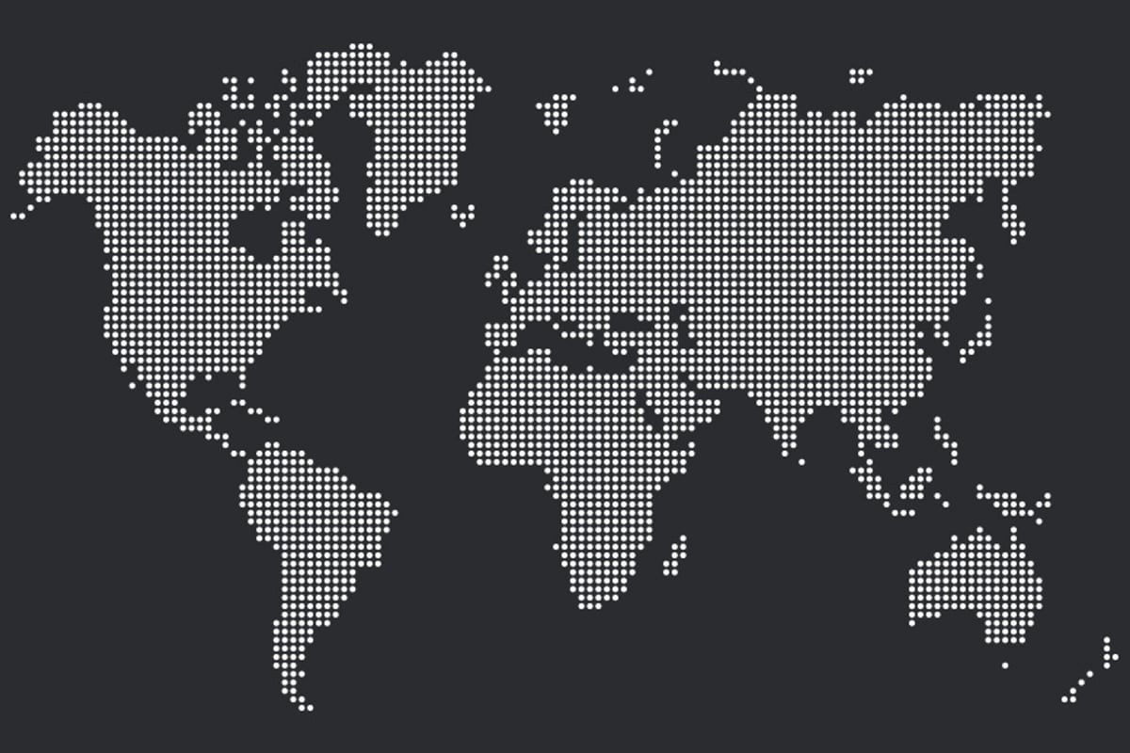
Russia
₹ 1,12,620
United Kingdom
₹ 1,06,948
Egypt
₹ 1,90,380
Brazil
₹ 62,240
USA
₹ 1,09,940
Canada
₹ 62,256
●
●
●
●
●
●
●
●
●
●
●
●
●
●
●
●
●
●
●
●
●
●
●
●
●
●
●
●
●
●
●
●
●
●
●
●
●
●
●
●
●
●
●
●
●
●
●
●
●
●
●
●
●
●
●
●
●
●
●
●
●
●
●
●
●
●
●
●
●
●
●
●
●
●
●
●
●
●
●
●
●
●
●
●
●
●
●
●
●
●
●
●
●
●
●
●
●
●
●
●
●
●
●
●
●
●
●
●
●
●
●
●
●
●
●
●
●
●
●
●
●
●
●
●
●
●
●
●
●
●
●
●
●
●
●
●
●
●
●
●
●
●
●

#NAME?

 | 0

 |  |  | Y&X
Remaining Percentage | 27% | 0 | 1
Actual | 73% | 0.99364483721 | -0.11256081682
73%
Sales Percentage Achieved

Sales Process
Sales Data Analysis
Income Source
Geographically
Sales Process
Project Status

 | Total
Branch | 255
Download | 254
Shipment | 260
 | Total
Paid | 83%
Refunded | 17%
Redunded
17%
 | 1st | 2nd | 3rd
 | 1 | 73% | 1
 | 1 | 27% | -0.11256081682
 | 1
 | 1
 | 1
 | 1
 | 1
 | 1
 | 1
 | 1
 | 1
 | 1
 | 1
 | 1
 | 1
 | 1
 | 1
 | 1
 | 1
 | 1
 | 1
 | 1
 | 1
 | 1
 | 1
 | 1
 | 1
 | 1
 | 1
 | 1
 | 1
 | 1
 | 1
 | 1
 | 1
 | 1
 | 1
 | 1
 | 1
 | 1
 | 1
 | 1
 | 1
 | 1
 | 1
 | 1
 | 1
 | 1
 | 1
 | 1
...
Downloads
78,205
Shipment
85,251
Branch
1,30,083
2,93,539
Financial Statistics
Sales Process
set of repetable steps trhat a sales take to take a prospective buyer from the early stage of awareness to a closed safe

CRM
Speed Score

Paid Orders
○
Customers
│
│
○
●
Branches
512
│
│
○
│
●
○
Credit Card
398
Website
257
Cash
398
Non - Registered Customer Info.
352
Register Customer Info.
417
│
○
●
○
○

Project Status
Sales Data Analysis
Income Source
Geographically
Sales Process
Project Status

Projects Status Reporting
Annually Financial Statistics

Investments
Projects
Sales
Department
Technical
Sales
125,937
20% monthly increased
523,137
834,268
383,130
153,937
723,839
37% Quarterly Increased
38% Yearly Increased
24% Monthly Increased
40% Yearly Increased
20% Monthly Increased
Finance
Increased by 120%
Current Status
Total Projects
Savings
158,432,231
753,430
32%

Project Process

