piovet
Row Labels | Sum of INR
Allowance | 14000
Apparel | -3388
Beauty | -196
Education | -1400
Food | -24444.48
Gift | -115
Household | -11885
Other | 27634
Petty cash | 3
Salary | 8000
Self-development | -400
Social Life | -813.72
Transportation | -9203.8
Grand Total | -2209

Total
Grand Total | -2209
expence | -51846
income | 49637

2026-03-24

theme
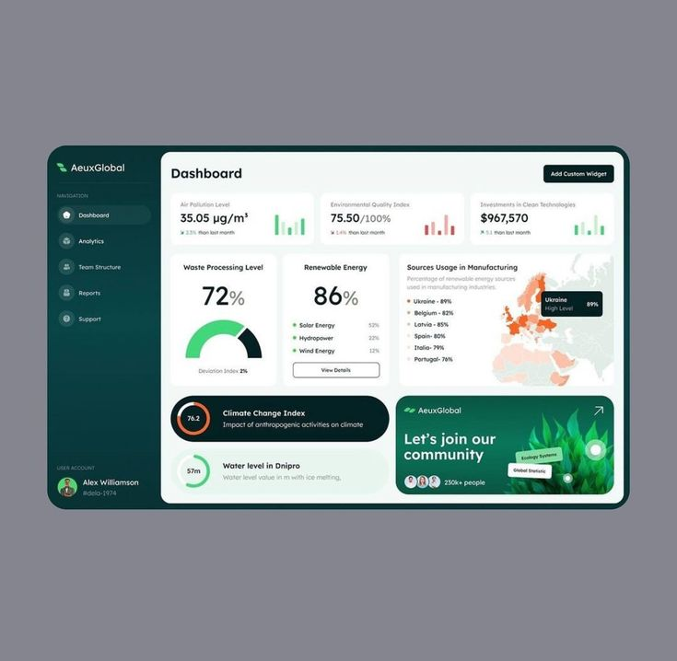
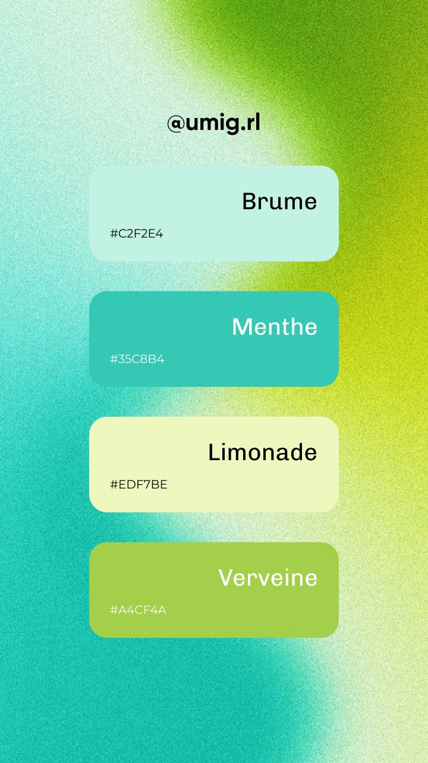
🎨 Main Color Palette (with Names)

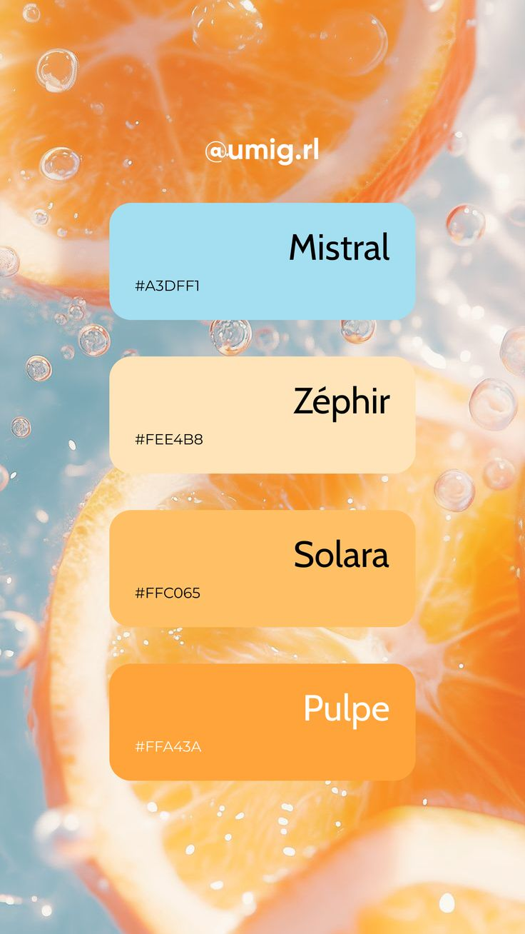
🟩 Dark Teal / Primary UI

#08383C — Dark Teal
#0A3D40 — Deep Teal | #C2F2E4
#042224 — Very Dark Teal
#093A3E — Muted Teal
#E8F5EE — Rich Teal
#093234 — Teal Black | #35c8b4

⚪ Light Background / Whites | #EDF7BE | #FFC065

#FFFFFF — Pure White
#F3F7F6 — Soft Mint White
#F4F8F7 — Light Mint Grey
#F5F7F6 — Cool White
#F3F9F7 — Pale Mint
#F2F8F6 — Very Light Mint
#E8F5EE — Mint Cream
🩶 Neutral / Background

#85858F — Cool Grey

🌿 Accent Greens (UI Highlights)

#2ECC71 — Emerald Green
#27AE60 — Forest Green

data
 | Total
Allowance | 14000
Apparel | -3388
Beauty | -196
Education | -1400
Food | -24444.48
Gift | -115
Household | -11885
Other | 27634
Petty cash | 3
Salary | 8000
Self-development | -400
Social Life | -813.72
Transportation | -9203.8
 | Total
Allowance | 14000
Apparel | -3388
Beauty | -196
Education | -1400
Food | -24444.48
Gift | -115
Household | -11885
Other | 27634
Petty cash | 3
Salary | 8000
Self-development | -400
Social Life | -813.72
Transportation | -9203.8
expence | -51846
income | 49637
 | INR
Brownie | -50
To lended people | -300
Dinner | -78
Metro | -30
Snacks | -67
From vicky | 100
From dad | 500
Pizza | -339.15
From kumara | 200
Lunch | -243
From dad | 1500
To karthi | -100
Snacks | -40
Tea lights | -84
Creamstone | -289
Tamen | -324.7
Hoodie for gobi | -399
Eggs | -83
Earphone | -399
Auto to laxmi mills | -120
It better be worth it | -1300
Travel to koyambedu | -138
Stuffs | -336
Train cbe to chn | -201.8
Lunch | -200
Random stuff for drinks | -111
Snacks | -250
Bus ticket | -1575
Took from sbi | -200
Ramen with gobi | -380
Metro | -60
To auto anna | -50
To egmore | -270
Kfc dinner | -348
Lunch | -80
Side dishes | -165
Kfc | -475
Games | -100
Dinner with aravind and buddies | -491
Mirror | -70
Lunch | -80
From dad | 10000
Dinner with aravind | -373
Kfc dinner | -641
From dad | 1000
Bean bag | -2099
Auto to Gobi's place | -214
Cakepark | -125
To kumara | -150
To chennai | -1000
...
Dashboard
Personal Expence
Expence Distributions of different categories
Grand Total :
-2209
Expence and Income ratio from the Grand total
₹
24 March 2026
Today :
Random Person
#do3729a9
This project was made to helped in understanding how Data can be visualized effectively using dashboards
Pranam Chand
Data Science student
Aspiring Data analyst

