Sheet1
ACK IDS
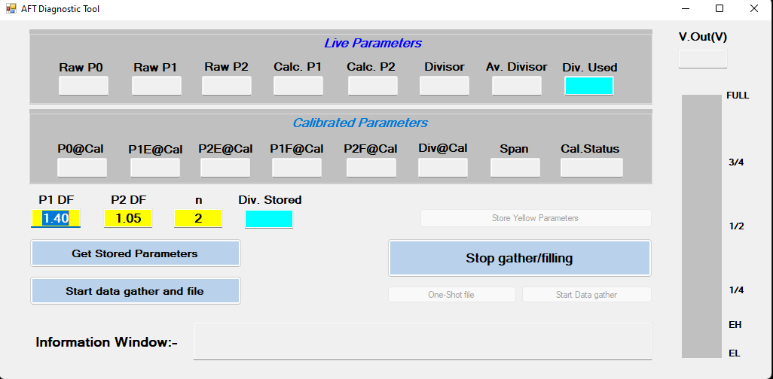
Commands to fetch live data

Start Live Data

ID | D1 | D2 | D3 | D4 | D5 | D6 | D7 | D8
18FF6125 (send by GUI) | xx | xx | xx | xx | xx | xx | xx | xx | xx = Don’t care

Live data sending
 | RAW P0 |  | RAW P1 |  | RAW P2 |  | Calc. P1
ID | D1 | D2 | D3 | D4 | D5 | D6 | D7 | D8
18FF5125 (send by sensor) | FF | FF | FF | FF | FF | FF | FF | FF
 | Upper Byte | Lower Byte | Upper Byte | Lower Byte | Upper Byte | Lower Byte | Upper Byte | Lower Byte
Display format | decimal |  | decimal |  | decimal |  | decimal

 | Calc. P2 |  | Divisor |  | Av. Divisor |  | V.Out (V)
ID | D1 | D2 | D3 | D4 | D5 | D6 | D7 | D8
18FF5225 (send by sensor) | FF | FF | FF | FF | FF | FF | FF | FF
 | Upper Byte | Lower Byte | Upper Byte | Lower Byte | Upper Byte | Lower Byte | Upper Byte | Lower Byte
Display format | decimal |  | Float |  | Float |  | Float |  |  | To get the float value first convert 2 byte hex number into decimal then divide by 1000, for V.Out divide by 100

 | Div.Used |  | Div Stored |  | NIL |  | NIL
ID | D1 | D2 | D3 | D4 | D5 | D6 | D7 | D8
18FF5525 (send by sensor) | FF | FF | FF | FF | FF | FF | FF | FF
 | Upper Byte | Lower Byte | Upper Byte | Lower Byte | Upper Byte | Lower Byte | Upper Byte | Lower Byte
Display format | float |  | float

Stop Gather |  |  |  |  |  |  |  |  |  | If D7,D8 Bytes of ID 18ff5425 is 0x00 and 0x01 respectively, Then display ‘Complete’ in Cal.Status box

ID | D1 | D2 | D3 | D4 | D5 | D6 | D7 | D8
18FF6225 (send by GUI) | xx | xx | xx | xx | xx | xx | xx | xx | xx = Don’t care

Commands to get Stored data

Get Store parameter

ID | D1 | D2 | D3 | D4 | D5 | D6 | D7 | D8
18FF6325 (send by GUI) | xx | xx | xx | xx | xx | xx | xx | xx | xx = Don’t care

 | P0@Cal |  | P1E@Cal |  | P2E@Cal |  | P1F@Cal
ID | D1 | D2 | D3 | D4 | D5 | D6 | D7 | D8
18FF5325 (send by sensor) | FF | FF | FF | FF | FF | FF | FF | FF
 | Upper Byte | Lower Byte | Upper Byte | Lower Byte | Upper Byte | Lower Byte | Upper Byte | Lower Byte
Display format | decimal |  | decimal |  | decimal |  | decimal

 | P2F@Cal |  | Div@Cal |  | Span |  | Cal.Status
ID | D1 | D2 | D3 | D4 | D5 | D6 | D7 | D8
18FF5425 (send by sensor) | FF | FF | FF | FF | FF | FF | FF | FF
 | Upper Byte | Lower Byte | Upper Byte | Lower Byte | Upper Byte | Lower Byte | Upper Byte | Lower Byte
Display format | decimal |  | Float |  | decimal |  | string

Command to Disable One time calibration

Request
ID | D1 | D2 | D3 | D4 | D5 | D6 | D7 | D8
18FF6925 (send by GUI) | AA | xx | xx | xx | xx | xx | xx | xx | xx = Don’t care

Response
ID | D1 | D2 | D3 | D4 | D5 | D6 | D7 | D8
18FF6925 (send by sensor) | 55 | xx | xx | xx | xx | xx | xx | xx | xx = Don’t care

Command to fetch diagnostic data

Request
ID | D1 | D2 | D3 | D4 | D5 | D6 | D7 | D8
18FF7125 (send by GUI) | AA | xx | xx | xx | xx | xx | xx | xx | xx = Don’t care

Response
ID | D1 | D2 | D3 | D4 | D5 | D6 | D7 | D8
18FF7025 (send by sensor) | xx | FF | FF | FF | FF | FF | FF | FF | xx = Don’t care
 | xx | Hours | Minutes | Seconds | AM =1 PM =2 | Day | Months | Year

Response
ID | D1 | D2 | D3 | D4 | D5 | D6 | D7 | D8
18FF7225 (send by sensor) | FF | FF | FF | xx | FF | FF | FF | FF | xx = Don’t care
 | major | minor | patch |  | MSB |  |  | LSB
 | Software Version |  |  |  | No. of time calibration attempt by pin (u32)

Response
ID | D1 | D2 | D3 | D4 | D5 | D6 | D7 | D8
18FF7325 (send by sensor) | FF | FF | xx | xx | xx | xx | xx | xx | xx = Don’t care
 | Calibration method | calibration last state

 |  |  |  |  |  | 0

Command to send calibration time stamp to sensor

Request
ID | D1 | D2 | D3 | D4 | D5 | D6 | D7 | D8
18FF7025 (send by GUI) | AA | FF | FF | FF | FF | FF | FF | FF | xx = Don’t care
 | AA | Hours | Minutes | Seconds | AM =1 PM =2 | Day | Months | Year

Response
ID | D1 | D2 | D3 | D4 | D5 | D6 | D7 | D8
18FF7025 (send by sensor) | 55 | FF | FF | FF | FF | FF | FF | FF | xx = Don’t care
 | 55 | Hours | Minutes | Seconds | AM =1 PM =2 | Day | Months | Year

