Sheet1
1
2 | Sales average per Customer ID = AVERAGEX( KEEPFILTERS(VALUES('stores_sales_forecasting'[Customer ID])), CALCULATE(SUM('stores_sales_forecasting'[Sales])) )
3 | products = SUMMARIZECOLUMNS(stores_sales_forecasting[Sub-Category],"Sum of sales",sum(stores_sales_forecasting[Sales]))
 | rank = rankx(products,products[Sum of sales])
4 | products = SUMMARIZECOLUMNS(stores_sales_forecasting[Sub-Category],"Sum of sales",sum(stores_sales_forecasting[Sales]),"yoy%", IF( ISFILTERED('stores_sales_forecasting'[Order Date]), ERROR("Time intelligence quick measures can only be grouped or filtered by the Power BI-provided date hierarchy or primary date column."), VAR __PREV_YEAR = CALCULATE( SUM('stores_sales_forecasting'[Sales]), DATEADD('stores_sales_forecasting'[Order Date].[Date], -1, YEAR) ) RETURN DIVIDE( SUM('stores_sales_forecasting'[Sales]) - __PREV_YEAR, __PREV_YEAR ) )) | 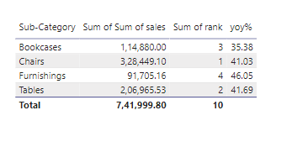
5 | products = SUMMARIZECOLUMNS(stores_sales_forecasting[Sub-Category],"Sum of sales",sum(stores_sales_forecasting[Sales]),"Profit",sum(stores_sales_forecasting[Profit]),"yoy%", IF( ISFILTERED('stores_sales_forecasting'[Order Date]), ERROR("Time intelligence quick measures can only be grouped or filtered by the Power BI-provided date hierarchy or primary date column."), VAR __PREV_YEAR = CALCULATE( SUM('stores_sales_forecasting'[Sales]), DATEADD('stores_sales_forecasting'[Order Date].[Date], -1, YEAR) ) RETURN DIVIDE( SUM('stores_sales_forecasting'[Sales]) - __PREV_YEAR, __PREV_YEAR )*100 )) | 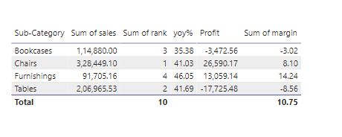
5 | margin = products[Profit] * 100 / products[Sum of sales]

