Introduction
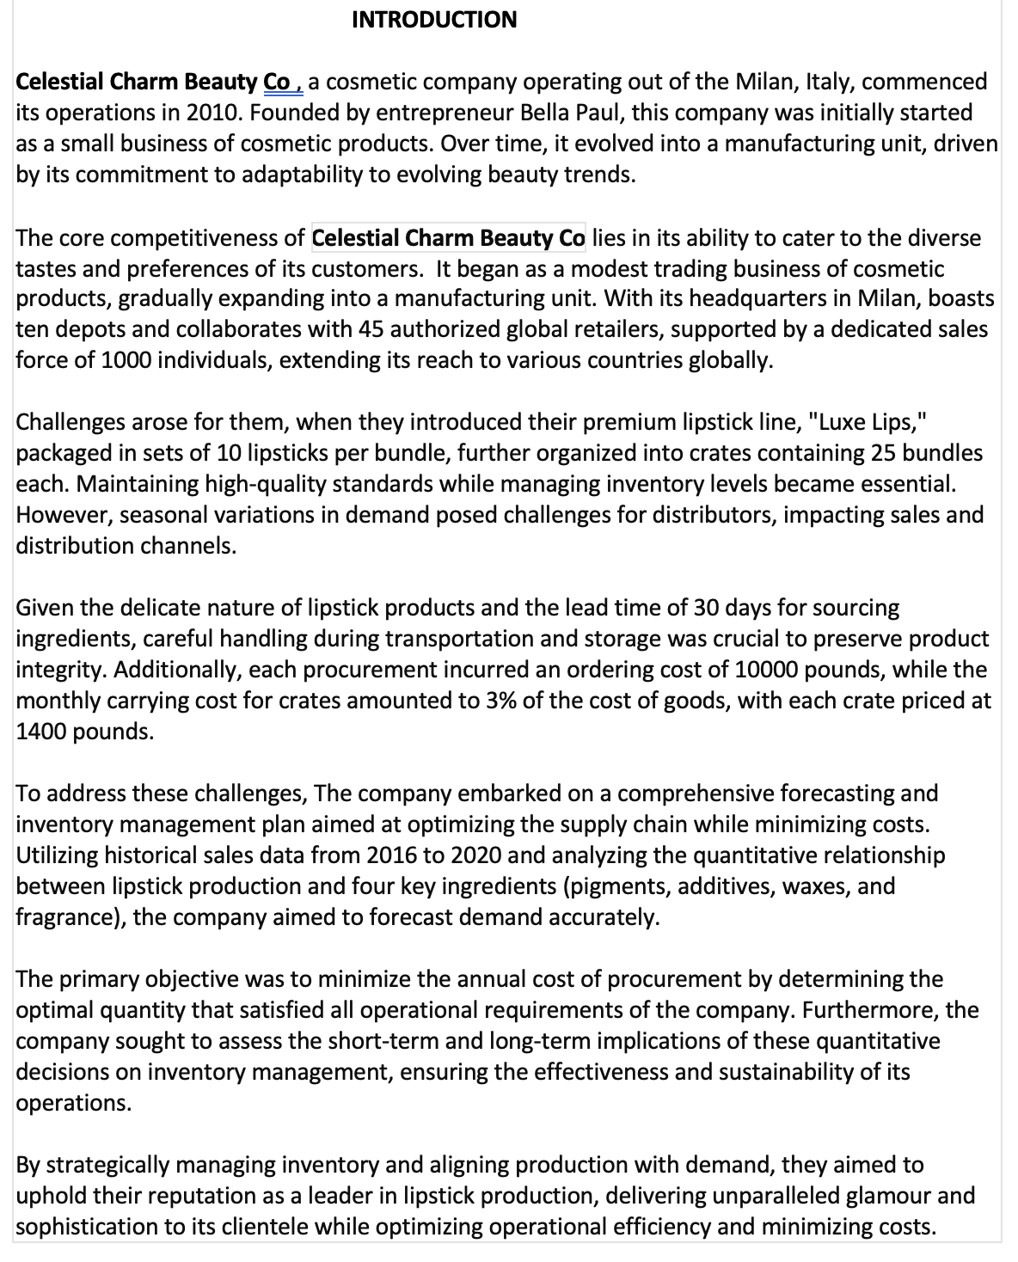

Seasonality Index
Serial | Demand | Seasonality Index
1 | 453 | 0.77515823457
2 | 388 | 0.77074041035 | Explanation: |  | Year | Demand | Explanation:
3 | 467 | 0.75170978293 | Here, Seasonality Index has been calculated |  | 2016 | 9302 | Based on the given demands monthly,
4 | 509 | 0.8655537148 | for the respective months of each year. We |  | 2017 | 12834 | for five years, Annual demand of each
5 | 721 | 0.94779321184 | got 12 indexes for 12 months in the given |  | 2018 | 14788 | year was calculated. Sum of 12 months
6 | 856 | 1.0475340895 | five years |  | 2019 | 16270 | in a year, gives the annual demand.
7 | 898 | 1.118729026 |  |  | 2020 | 17429
8 | 1007 | 1.1481245487
9 | 1100 | 1.1917930419
10 | 1151 | 1.1904337114
11 | 1165 | 1.1758209082
12 | 587 | 1.0166093199
Scatter Plot
13 | 639
14 | 721
15 | 773
16 | 920
17 | 1050
18 | 1134
19 | 1236
20 | 1250
21 | 1295 | Explanation:
22 | 1298 | To the left, All the given demands have been
23 | 1323 | maintained for 12 months of five years,
24 | 1195 | which gives 60 data points. A scatter plot
25 | 1069 | has been plotted based on the given
26 | 996 | demands
27 | 907
28 | 1049
29 | 1106
30 | 1256
31 | 1301 |  |  | Explanation:
32 | 1398 |  |  | Scatter Plot has been plotted to observe the trend
33 | 1460 |  |  | in all the months for the five years and linear regression line
34 | 1471 |  |  | is drawn with equation y=15.04x+718.34
35 | 1395
36 | 1380
37 | 1143
38 | 1200
39 | 1021
40 | 1231
41 | 1245
42 | 1321
43 | 1439
44 | 1503
45 | 1621
46 | 1588
47 | 1537
48 | 1421
49 | 1258
50 | 1231
51 | 1256
52 | 1385
53 | 1456
54 | 1598
55 | 1710
56 | 1599
57 | 1538
58 | 1498
59 | 1500
60 | 1400
61
62
63
64
65
66
67
68
69
70
71
72
73
74
75
76
77
78
79
80
81
82
83
84

Forcast x SI
Forcast with seasonality Vs Forcast without Seasonality
Timeline | Values | SI | Forecasting | Error | MAPE
1 | 453 | 0.775158235 | 351.14668046 | 101.85331954 | 22.4841765
2 | 388 | 0.77074041 | 299.04727908 | 88.95272092 | 22.925959 | MSE | RMSE
3 | 467 | 0.751709783 | 351.04846866 | 115.95153134 | 24.8290217 | 37324.666135 | 193.19592681
4 | 509 | 0.865553715 | 440.56684094 | 68.433159065 | 13.4446285
5 | 721 | 0.947793212 | 683.35890585 | 37.641094148 | 5.2206788
6 | 856 | 1.047534089 | 896.68918018 | 40.689180184 | 4.7534089
7 | 898 | 1.118729026 | 1004.6186653 | 106.61866535 | 11.8729026 | Explanation:
8 | 1007 | 1.148124549 | 1156.1614208 | 149.16142084 | 14.8124549 | Seasonal Index calculated previously, is used to forecast
9 | 1100 | 1.191793042 | 1310.9723462 | 210.9723462 | 19.1793042 | demand by combining it with moving averages
10 | 1151 | 1.190433711 | 1370.1892014 | 219.18920136 | 19.0433711 | So the demand forecast could be done, for the next
11 | 1165 | 1.175820908 | 1369.8313578 | 204.83135782 | 17.5820908 | 24 months, which is 2 years from D62 TO D85 cells
12 | 587 | 1.01660932 | 596.74967084 | 9.74967084 | 1.660932
13 | 639 | 0.775158235 | 495.32611217 | 143.67388783 | 22.4841765
14 | 721 | 0.77074041 | 555.70383561 | 165.29616439 | 22.925959
15 | 773 | 0.751709783 | 581.07166226 | 191.92833774 | 24.8290217
16 | 920 | 0.865553715 | 796.3094178 | 123.6905822 | 13.4446285
17 | 1050 | 0.947793212 | 995.1828726 | 54.8171274 | 5.2206788
18 | 1134 | 1.047534089 | 1187.9036569 | 53.903656926 | 4.7534089
19 | 1236 | 1.118729026 | 1382.7490761 | 146.74907614 | 11.8729026
20 | 1250 | 1.148124549 | 1435.1556863 | 185.15568625 | 14.8124549
21 | 1295 | 1.191793042 | 1543.3719894 | 248.37198939 | 19.1793042
22 | 1298 | 1.190433711 | 1545.1829569 | 247.18295688 | 19.0433711 |  |  | Explanation:
23 | 1323 | 1.175820908 | 1555.6110613 | 232.61106128 | 17.5820908 |  |  | In the above graphs, two plots could be seen, which is
24 | 1195 | 1.01660932 | 1214.8481374 | 19.8481374 | 1.660932 |  |  | forecast with seasonality and forecast without seasonality.
25 | 1069 | 0.775158235 | 828.64415322 | 240.35584678 | 22.4841765 |  |  | We could see that the trend is similar for both and a straight
26 | 996 | 0.77074041 | 767.65744836 | 228.34255164 | 22.925959 |  |  | line could be seen for future periods which are to be
27 | 907 | 0.751709783 | 681.80077318 | 225.19922682 | 24.8290217 |  |  | predicted.
28 | 1049 | 0.865553715 | 907.96584704 | 141.03415296 | 13.4446285
29 | 1106 | 0.947793212 | 1048.2592925 | 57.740707528 | 5.2206788
30 | 1256 | 1.047534089 | 1315.7028158 | 59.702815784 | 4.7534089
31 | 1301 | 1.118729026 | 1455.4664628 | 154.46646283 | 11.8729026
32 | 1398 | 1.148124549 | 1605.0781195 | 207.0781195 | 14.8124549
33 | 1460 | 1.191793042 | 1740.0178413 | 280.01784132 | 19.1793042
34 | 1471 | 1.190433711 | 1751.1279889 | 280.12798888 | 19.0433711
35 | 1395 | 1.175820908 | 1640.2701667 | 245.27016666 | 17.5820908
36 | 1380 | 1.01660932 | 1402.9208616 | 22.9208616 | 1.660932
37 | 1143 | 0.775158235 | 886.00586261 | 256.99413739 | 22.4841765
38 | 1200 | 0.77074041 | 924.888492 | 275.111508 | 22.925959
39 | 1021 | 0.751709783 | 767.49568844 | 253.50431156 | 24.8290217
40 | 1231 | 0.865553715 | 1065.4966232 | 165.50337683 | 13.4446285
41 | 1245 | 0.947793212 | 1180.0025489 | 64.99745106 | 5.2206788
42 | 1321 | 1.047534089 | 1383.7925316 | 62.792531569 | 4.7534089
43 | 1439 | 1.118729026 | 1609.8510684 | 170.85106841 | 11.8729026
44 | 1503 | 1.148124549 | 1725.6311971 | 222.63119715 | 14.8124549
45 | 1621 | 1.191793042 | 1931.8965211 | 310.89652108 | 19.1793042
46 | 1588 | 1.190433711 | 1890.4087331 | 302.40873307 | 19.0433711
47 | 1537 | 1.175820908 | 1807.2367356 | 270.2367356 | 17.5820908
48 | 1421 | 1.01660932 | 1444.6018437 | 23.60184372 | 1.660932
49 | 1258 | 0.775158235 | 975.14905963 | 282.85094037 | 22.4841765
50 | 1231 | 0.77074041 | 948.78144471 | 282.21855529 | 22.925959
51 | 1256 | 0.751709783 | 944.14748745 | 311.85251255 | 24.8290217
52 | 1385 | 0.865553715 | 1198.7918953 | 186.20810472 | 13.4446285
53 | 1456 | 0.947793212 | 1379.9869167 | 76.013083328 | 5.2206788
54 | 1598 | 1.047534089 | 1673.9594742 | 75.959474222 | 4.7534089
55 | 1710 | 1.118729026 | 1913.0266345 | 203.02663446 | 11.8729026
56 | 1599 | 1.148124549 | 1835.8511539 | 236.85115385 | 14.8124549
57 | 1538 | 1.191793042 | 1832.9776986 | 294.9776986 | 19.1793042
58 | 1498 | 1.190433711 | 1783.2696991 | 285.26969908 | 19.0433711
59 | 1500 | 1.175820908 | 1763.731362 | 263.731362 | 17.5820908
60 | 1400 | 1.01660932 | 1423.253048 | 23.253048 | 1.660932
61 | 1635.759322 | 0.775158235 | 1267.972309 | 367.78701308 | 22.4841765
62 | 1650.7989719 | 0.77074041 | 1272.3374765 | 378.46149548 | 22.925959
63 | 1665.8386218 | 0.751709783 | 1252.2271889 | 413.6114329 | 24.8290217
64 | 1680.8782717 | 0.865553715 | 1454.8904326 | 225.98783917 | 13.4446285
65 | 1695.9179216 | 0.947793212 | 1607.3794942 | 88.538427401 | 5.2206788
66 | 1710.9575715 | 1.047534089 | 1792.286381 | 81.328809481 | 4.7534089
67 | 1725.9972215 | 1.118729026 | 1930.9231904 | 204.92596898 | 11.8729026
68 | 1741.0368714 | 1.148124549 | 1998.9271727 | 257.89030136 | 14.8124549
69 | 1756.0765213 | 1.191793042 | 2092.8797793 | 336.803258 | 19.1793042
70 | 1771.1161712 | 1.190433711 | 2108.3963962 | 337.28022509 | 19.0433711
71 | 1786.1558211 | 1.175820908 | 2100.1993593 | 314.04353829 | 17.5820908
72 | 1801.195471 | 1.01660932 | 1831.1121029 | 29.91663196 | 1.660932
73 | 1816.2351209 | 0.775158235 | 1407.8696106 | 408.36551023 | 22.4841765
74 | 1831.2747708 | 0.77074041 | 1411.4374676 | 419.83730312 | 22.925959
75 | 1846.3144207 | 0.751709783 | 1387.8926125 | 458.42180816 | 24.8290217
76 | 1861.3540706 | 0.865553715 | 1611.1019307 | 250.25213986 | 13.4446285
77 | 1876.3937205 | 0.947793212 | 1778.4332313 | 97.96048917 | 5.2206788
78 | 1891.4333704 | 1.047534089 | 1981.3409325 | 89.907562165 | 4.7534089
79 | 1906.4730203 | 1.118729026 | 2132.8267051 | 226.35368479 | 11.8729026
80 | 1921.5126702 | 1.148124549 | 2206.1358679 | 284.62319767 | 14.8124549
81 | 1936.5523201 | 1.191793042 | 2307.9695806 | 371.41726046 | 19.1793042
82 | 1951.59197 | 1.190433711 | 2323.2408712 | 371.6489012 | 19.0433711
83 | 1966.6316199 | 1.175820908 | 2312.406577 | 345.77495711 | 17.5820908
84 | 1981.6712698 | 1.01660932 | 2014.5854821 | 32.914212255 | 1.660932

Forecasting (using regression)
Forecasting annual demand for Lipsticks using Regression
Sr. no | Year | Demand | x2 | xy |  |  |  |  |  |  |  |  | Sr.No | Demand
1 | 2016 | 9302 | 1 | 9302 |  | x' | 3.0 |  |  |  |  |  | 1 | 9302
2 | 2017 | 12834 | 4 | 25668 |  | y' | 14124.6 |  |  |  | Explanation: |  | 2 | 12834
3 | 2018 | 14788 | 9 | 44364 |  | b | 1969 |  |  |  | Here, We could see that Forecasting for the lipsticks was done |  | 3 | 14788
4 | 2019 | 16270 | 16 | 65080 |  | a | 8217.6 |  |  |  | based on the annual demand calculated in the first, without |  | 4 | 16270
5 | 2020 | 17429 | 25 | 87145 |  |  |  |  |  |  | the seasonality index and the linear regression plot. |  | 5 | 17429
15 |  | 70623 | 55 | 231559 |  | Regression equation : Y' = a + bx'
6th year | 2021 | 20032

Inputs from exhibit
Ingredient | Pigments |  | Additives |  | Waxes |  | Fragrance
Holding cost | 0.4 |  | 0.3 |  | 0.35 |  | 0.3
ordering cost | 1250 |  | 1500 |  | 2500 |  | 1200 |  | Weight of a lipstick | 30 grams |  | Explanation:
 |  |  |  |  |  |  |  |  | Annual Crate Demand | 20032 |  | Here, the total demand for 2021 year has been forecasted
 | Quantity | Price | Quantity | Price | Quantity | Price | Quantity | Price | Total Demand (in kg) | 1201920 |  | by using the regression method. Based on that demand
 | 1 to 2000 | 78.3 | 1 to 1000 | 55.4 | 1 to 1250 | 21.7 | 1 to 2500 | 145.08 |  |  |  | and given raw material data(inputs) from the problem
 | 2001 to 4000 | 78.2 | 1001 to 2000 | 55.3 | 1251 to 2500 | 21.6 | 2501 to 5000 | 145 |  |  |  | required amount of raw materials(all in kg) to
 | 4001 to 6000 | 78 | 2001 to 3000 | 55.2 | 2501 to 3750 | 21.5 | 5001 to 7500 | 144.9 |  |  |  | meet the demand of final product(lipsticks)
 | >6000 | 77.8 | >3000 | 55 | >3750 | 21.3 | >7500 | 144.8 |  |  |  | has been calculated.
Wt per crate | 9 |  | 12 |  | 30 |  | 3 |  |  |  |  |  |  |  | Explanation:
2011 Demand | 180288 |  | 240384 |  | 600960 |  | 60096 |  |  |  |  |  |  |  | Based on the annual demand which was calculated from
1 Crate = 2000 lipsticks |  |  |  |  |  |  |  |  |  |  |  |  |  |  | the given monthly demand, Demand graph has been plotted.
 |  |  |  |  |  |  |  |  |  |  |  |  |  |  | It is a linear regression model from which the equation
 |  |  |  |  |  |  |  |  |  |  |  |  |  |  | y=1969x+8217.6 gives the a and b values as 8217.6 and
 | EOQ & Qty Discount Model |  |  |  |  |  |  |  |  |  |  |  |  |  | 1969 respectively. Table with demand on the left is used to calculate
 | Ingredient | Qty(Q) | Price(P) | Ordering cost(S) | Holding cost(H) | D | Q* | TC | Explanation:
 | Pigments | 1 to 2000 | 78.3 | 1250 | 31.32 | 180288 | 3793.52 | 118813.09 | Here, for all the raw materials, based on the given input data
 | Pigments | 2001 to 4000 | 78.2 | 1250 | 31.28 | 180288 | 3795.95 | 118737.20 | Demand, Economic Order Quantity(Q*), Total Costs(TC), has
 | Pigments | 4001 to 6000 | 78 | 1250 | 31.2 | 180288 | 3800.81 | 118585.26 | been calculated. And the figures highlighted in green for EOQ(Q*)
 | Pigments | >6000 | 77.8 | 1250 | 31.12 | 180288 | 3805.69 | 118433.13 | for each raw material are the ones which are in the range
 |  |  |  |  |  |  |  |  | as per the quantity-price data. Hence all respective Total costs for
 | Additives | 1 to 1000 | 55.4 | 1500 | 16.62 | 240384 | 6587.16 | 109478.52 | the EOQ have also been highlighted for the raw materials, pigments
 | Additives | 1001 to 2000 | 55.4 | 1500 | 16.62 | 240384 | 6587.16 | 109478.52 | additives, waxes, fragrances
 | Additives | 2001 to 3000 | 55.2 | 1500 | 16.56 | 240384 | 6599.08 | 109280.73
 | Additives | >3000 | 55 | 1500 | 16.5 | 240384 | 6611.07 | 109082.57423

 | Waxes | 1 to 1250 | 21.7 | 2500 | 7.595 | 600960 | 19890.42 | 151067.72
 | Waxes | 1251 to 2500 | 21.6 | 2500 | 7.56 | 600960 | 19936.41 | 150719.24
 | Waxes | 2501 to 3750 | 21.5 | 2500 | 7.525 | 600960 | 19982.72 | 150369.94
 | Waxes | >3750 | 21.3 | 2500 | 7.455 | 600960 | 20076.31 | 149668.91461

 | Fragrance | 1 to 2500 | 145.08 | 1200 | 36.27 | 60096 | 1994.14 | 72327.29
 | Fragrance | 2501 to 5000 | 145 | 1200 | 36.25 | 60096 | 1994.69 | 72307.34
 | Fragrance | 5001 to 7500 | 144.9 | 1200 | 36.225 | 60096 | 1995.37 | 72282.41
 | Fragrance | >7500 | 144.8 | 1200 | 36.2 | 60096 | 1996.06 | 72257.459684

