Bug Report of dmoney
Project Name |  | Dmoney | Environment | Microsoft edge
Tester's Name |  | Prantika Biswas Sneha | Reviewed By
Date Tested |  | 21/11/2024 | Version

Issue Id | Module | Issue Title | Description | Steps to Reproduce | Issue Type | Priority | Severity | Actual Result | Expected Result | Attachment
1 | Create User | Phone field accepts non-numeric values during user creation | In the user creation form for the admin panel, the phone field allows the input of all data types instead of restricting input to numeric values only. | 1. Log in as an admin 2. Navigate to the user creation form. 3. In the Phone field, input any non-numeric value. 4. Attempt to save the user information. | Bug | Medium | Medium | The Phone field accepts all data types of input, without any validation error. | The Phone field should validate and restrict input to numeric values only. Any non-numeric input should prompt an error message or be disallowed. | 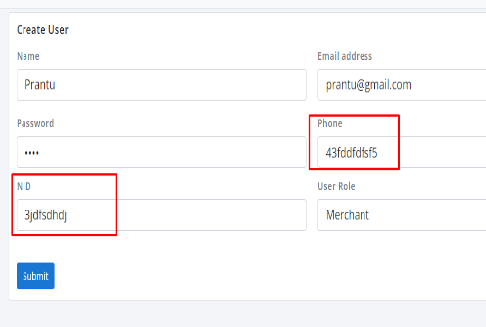
2 |  | NID field accepts non-numeric values during user creation | In the user creation form for the admin panel, the NID field allows the input of all data types instead of restricting input to numeric values only. | 1. Log in as an admin 2. Navigate to the user creation form. 3. In the NID field, input any non-numeric value. 4. Attempt to save the user information. | Bug | Medium | Medium | The NID field accepts all data types of input, without any validation error. | The NID field should validate and restrict input to numeric values only. Any non-numeric input should prompt an error message or be disallowed.
3 | Deposit (System to Agent) (Agent to Merchant) | Deposit button becomes unresponsive after a successful transaction due to retained input data | When a system user deposits an amount to an agent's account, the transaction is successfully completed. However, after the transaction, the account number and deposit amount fields retain the previous input. If the user clicks the Deposit button again without manually clearing or changing the input fields, the button becomes unresponsive. | 1. log in as a system user 2. Go to Deposit module 3. Fill the Customer A/C and amount field 4. Click on Deposit button | Improvement | Medium | Medium | 1. The input fields retain the previous data after a successful transaction. 2. The Deposit button becomes unresponsive when clicked again with the retained data. | 1. After a successful transaction, the Account Number and Deposit Amount fields should automatically reset to empty. 2. The Deposit button should remain functional for new transactions. | 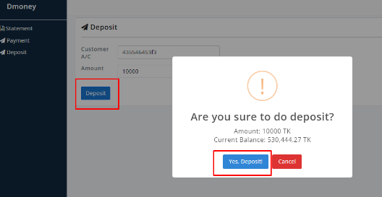
4 | Edit | Duplicate phone number validation fails during user editing | The system prevents the admin from creating a new user with a phone number that is already in use. However, during the editing process, the same phone number can be used multiple times for different users, bypassing the unique phone number constraint. | 1. Log in as an admin 2. Search user by any field 3. Click on Edit button 4. Fill the phone Field with an existed number 5. Click on "Update" button | Bug | Low | Medium | The system allows the admin to edit and save the user profile with a phone number that is already in use by another user, violating the unique phone number constraint. | The system should validate and prevent the admin from saving changes if the phone number is already assigned to another user. A clear error message should be displayed indicating that the phone number must be unique.
5 |  | Duplicate NID validation fails during user editing | The system prevents the admin from creating a new user with a NID that is already in use. However, during the editing process, the same NID can be used multiple times for different users, bypassing the unique NID constraint. | 1. Log in as an admin 2. Search user by any field 3. Click on Edit button 4. Fill the NID field with an existed NID 5. Click on "Update" button | Bug | Low | Medium | The system allows the admin to edit and save the user profile with a NID that is already in use by another user, violating the unique NID constraint. | The system should validate and prevent the admin from saving changes if the NID is already assigned to another user. A clear error message should be displayed indicating that the NID must be unique.
6 | Payment (System To Merchant) (Agent to Merchant) | Merchant account number and amount fields not cleared after payment confirmation | After clicking the "OK" button, the merchant account number and amount fields should be cleared to prevent retention of previous data. Ensure that these fields do not display outdated information after the confirmation pop-up is dismissed. | 1. Log in as a system 2. Go to Payment module 3. Fill the "To Merchant" and "Amount" field 4. Click on "Payment" button | Improvement | Medium | Medium | Upon clicking the "OK" button on the confirmation pop-up and the merchant account number and the amount field still display the previous data. | Upon clicking the "OK" button on the confirmation pop-up and then the merchant account number and the amount field are cleared (empty). | 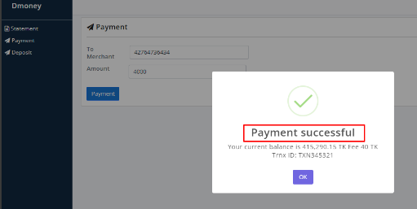
7 | Login | Login by Phone Number Fails for User | Verify that users can log in using both their registered email address and phone number as stated in the system requirements. Ensure that login functionality works correctly for phone numbers, allowing users with valid credentials to access their accounts. | 1. Visit the link "https://master.d1zgfbpp372908.amplifyapp.com/login" 3. Fill the "Email" and "Pass" field 4. Click on "Login" button | Bug | High | High | Users can't login by their phone number | Users can login by their email and phone number both. | 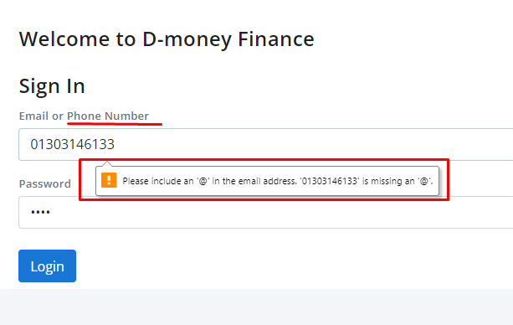
8 | Withdraw (Merchant To Agent) | Showing wrong warning message | Ensure that the actual reason for unable to withdraw money is displayed | 1. Log in as Merchant 2. Go to Withdraw module 3. Fill the "To Agent" and "Amount" field 4. Click on "Withdraw" button | Improvement | Low | Medium | User got confused by showing warning message which is not actual reason | User identify his/her mistake by showing warning message.
9 | Statement (Merchant) | Export button isn't working | Ensure that export button is working so that user can save data for offline or other purpose. | 1. Log in as Merchant 2. Go to Statement module 3. Click on "Export" button | Bug | Medium | Medium | User can't export the data | User can export the history of transaction successfully
10 | Send Money, Withdraw, Deposit, Payment | No Restriction on Decimal Places in Amount Field | Verify that the amount field restricts the number of digits after the decimal point to a maximum of three. Ensure that users cannot input or save fractional values with more than three decimal places to maintain data accuracy and formatting standards. | 1. Log in as Customer 2. Go to "Send money"module 3. Fill the A/C no and Amount field. 4. Click on "Send" button | Improvement | Low | Medium | The amount field allows users to input unlimited digits after the decimal point | The amount field allows input of decimal values but restricts fractional values to a maximum of three digits after the decimal point

