DT
 |  |  |  |  |  | which one among the one will we will pick as best or as root node ?
Data Set |  |  |  |  |  | Ans : determine the attribute which best classifies the training data
Day | Outlook | temp | humidity | windy | play | Gini index : measure of impurity in CART algo
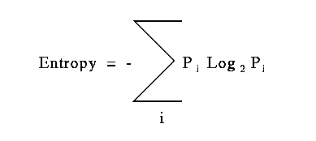
D1 | sunny | hot | high | FALSE | no | Information gain : decreases the entrophy after the data split on basis of attribut DT is all about finind the attributes that returns the highest information gain
D2 | sunny | hot | high | TRUE | no | Reduction in variance : continous variance, variance - hw much data is variance. If the data is pure variance will be less . Lower variance is preffered
D3 | overcast | hot | high | FALSE | yes | Chi square : algo to find out statistical significance between difference between subnodes and parent nodes
D4 | rainy | mild | high | FALSE | yes
D5 | rainy | cool | normal | FALSE | yes
D6 | rainy | cool | normal | TRUE | no | Step : 1 calculate the entropy for total sample
D7 | overcast | cool | normal | TRUE | yes | E(S) = - P(YES) * LOG2(YES) - P(NO) * LOG2(NO) | S - sample size, E(S) - entropy of the entire sample
D8 | sunny | mild | high | FALSE | no
D9 | sunny | cool | normal | FALSE | yes | P(yes) ; count of play is yes 9/14 total count : 14
D10 | rainy | mild | normal | FALSE | yes | P(no) ; count of play is no 5/14 total count : 14
D11 | sunny | mild | normal | TRUE | yes
D12 | overcast | mild | high | TRUE | yes | 1. Calculate entropy for total sample
D13 | overcast | hot | normal | FALSE | yes | E(S) = - 9/14 * LOG2(9/14) - 5/14 * LOG2(5/14)
D14 | rainy | mild | high | TRUE | no
 |  |  |  |  |  | E(S) : | 0.94028595867

