Workings
read tutorial
watch tutorial
Python in Excel
 | Python Libraries | Python Libraries: Loaded Successfully!
 | Data
 |  |  | 0
 | Seaborn Histogram |  | 0
 |  |  | 0
 | Seaborn Hexbin JointPlot |  | 0
 |  |  | 0
 | Seaborn Ridge Plot |  | 0
 |  |  | 0
 | Seaborn Annotated Heatmap |  | 0
 |  |  | 0
 |  |  | 0
 |  |  | 0
 |  |  | 0
 |  |  | 0
 |  |  | 0
 |  |  | 0
 |  |  | 0
 |  |  | 0
 |  |  | 0
 |  |  | 0
 |  |  | 0
 |  |  | 0
 |  |  | 0
 |  |  | 0
 |  |  | 0
 |  |  | 0
 |  |  | 0

Chart Images
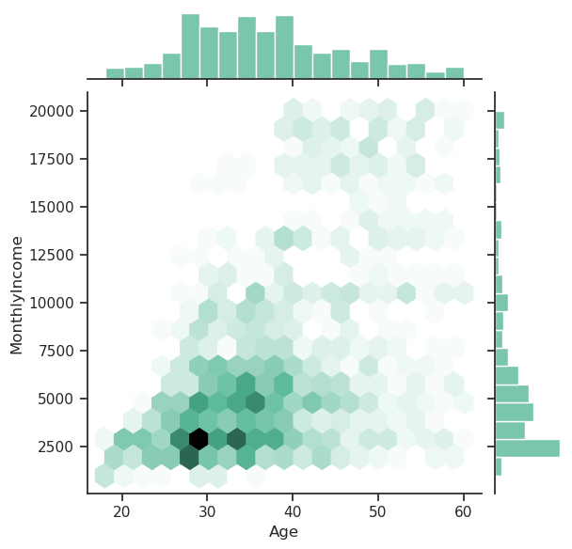
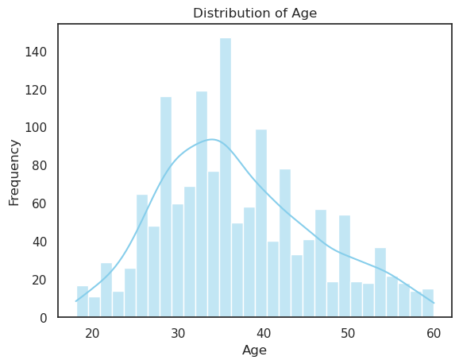
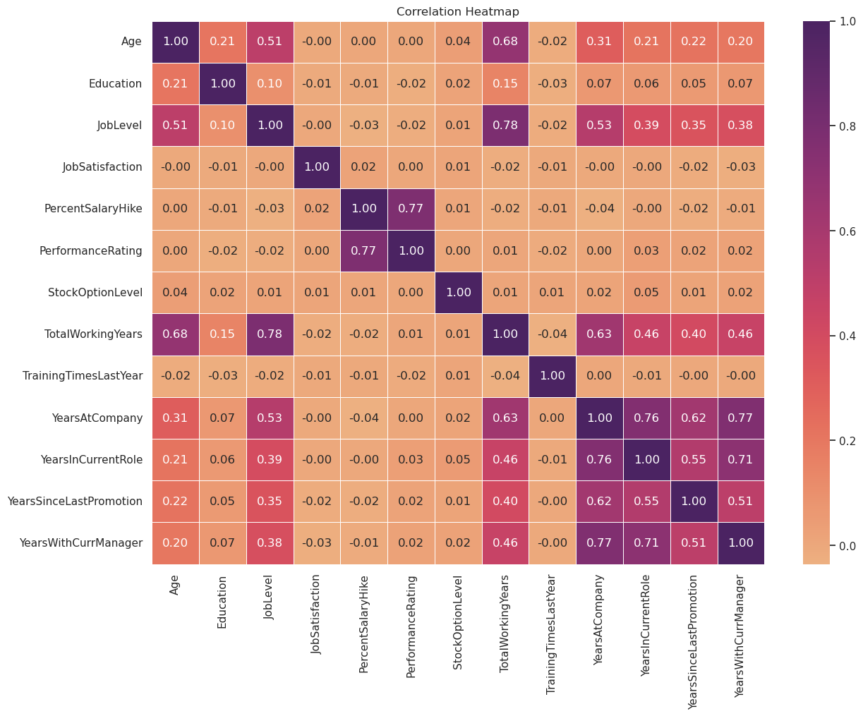
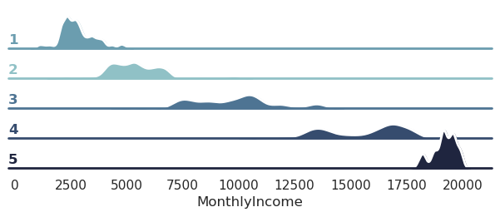
read tutorial
watch tutorial
Python in Excel

Stats
read tutorial
watch tutorial
Python in Excel

 | Pandas Descriptive Statistics - All Numeric Columns
 |  | Age | DailyRate | DistanceFromHome | Education | EmployeeCount | EmployeeNumber | EnvironmentSatisfaction | HourlyRate | JobInvolvement | JobLevel | JobSatisfaction | MonthlyIncome | MonthlyRate | NumCompaniesWorked | PercentSalaryHike | PerformanceRating | RelationshipSatisfaction | StandardHours | StockOptionLevel | TotalWorkingYears | TrainingTimesLastYear | WorkLifeBalance | YearsAtCompany | YearsInCurrentRole | YearsSinceLastPromotion | YearsWithCurrManager
 | count | 1470 | 1470 | 1470 | 1470 | 1470 | 1470 | 1470 | 1470 | 1470 | 1470 | 1470 | 1470 | 1470 | 1470 | 1470 | 1470 | 1470 | 1470 | 1470 | 1470 | 1470 | 1470 | 1470 | 1470 | 1470 | 1470
 | mean | 36.923809524 | 802.48571429 | 9.1925170068 | 2.9129251701 | 1 | 1024.8653061 | 2.7217687075 | 65.891156463 | 2.7299319728 | 2.0639455782 | 2.7285714286 | 6502.9312925 | 14313.103401 | 2.6931972789 | 15.20952381 | 3.1537414966 | 2.712244898 | 80 | 0.79387755102 | 11.279591837 | 2.7993197279 | 2.7612244898 | 7.0081632653 | 4.2292517007 | 2.187755102 | 4.1231292517
 | std | 9.1353734891 | 403.50909994 | 8.1068644357 | 1.0241649446 | 0 | 602.02433485 | 1.0930822146 | 20.329427594 | 0.71156114296 | 1.1069398989 | 1.1028461231 | 4707.9567831 | 7117.7860441 | 2.4980090061 | 3.6599377165 | 0.3608235246 | 1.0812088864 | 0 | 0.85207666793 | 7.7807816755 | 1.2892706208 | 0.70647582971 | 6.1265251524 | 3.6231370347 | 3.2224302791 | 3.5681361205
 | min | 18 | 102 | 1 | 1 | 1 | 1 | 1 | 30 | 1 | 1 | 1 | 1009 | 2094 | 0 | 11 | 3 | 1 | 80 | 0 | 0 | 0 | 1 | 0 | 0 | 0 | 0
 | 25% | 30 | 465 | 2 | 2 | 1 | 491.25 | 2 | 48 | 2 | 1 | 2 | 2911 | 8047 | 1 | 12 | 3 | 2 | 80 | 0 | 6 | 2 | 2 | 3 | 2 | 0 | 2
 | 50% | 36 | 802 | 7 | 3 | 1 | 1020.5 | 3 | 66 | 3 | 2 | 3 | 4919 | 14235.5 | 2 | 14 | 3 | 3 | 80 | 1 | 10 | 3 | 3 | 5 | 3 | 1 | 3
 | 75% | 43 | 1157 | 14 | 4 | 1 | 1555.75 | 4 | 83.75 | 3 | 3 | 4 | 8379 | 20461.5 | 4 | 18 | 3 | 4 | 80 | 1 | 15 | 3 | 3 | 9 | 7 | 3 | 7
 | max | 60 | 1499 | 29 | 5 | 1 | 2068 | 4 | 100 | 4 | 5 | 4 | 19999 | 26999 | 9 | 25 | 4 | 4 | 80 | 3 | 40 | 6 | 4 | 40 | 18 | 15 | 17

 | Pandas Descriptive Statistics - Specific Columns
 |  | Age | Education | EnvironmentSatisfaction | JobInvolvement | PerformanceRating | MonthlyIncome
 | count | 1470 | 1470 | 1470 | 1470 | 1470 | 1470
 | mean | 36.923809524 | 2.9129251701 | 2.7217687075 | 2.7299319728 | 3.1537414966 | 6502.9312925
 | std | 9.1353734891 | 1.0241649446 | 1.0930822146 | 0.71156114296 | 0.3608235246 | 4707.9567831
 | min | 18 | 1 | 1 | 1 | 3 | 1009
 | 25% | 30 | 2 | 2 | 2 | 3 | 2911
 | 50% | 36 | 3 | 3 | 3 | 3 | 4919
 | 75% | 43 | 4 | 4 | 3 | 3 | 8379
 | max | 60 | 5 | 4 | 4 | 4 | 19999

