Sample Composition
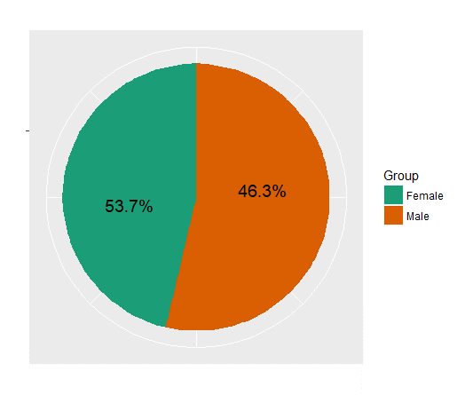
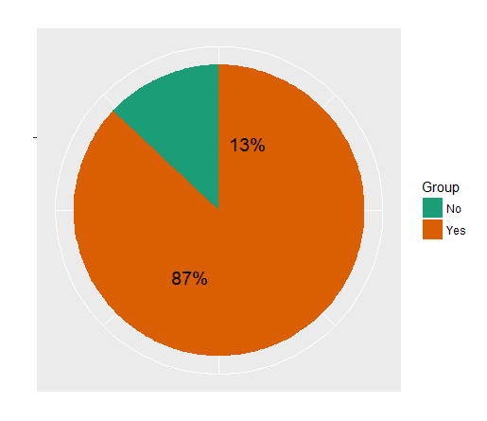
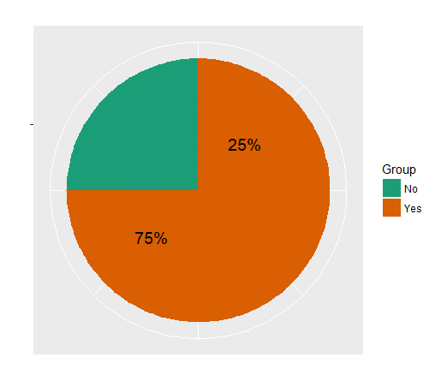
Gender wise Split
Have you ever done an online purchase?
Have you done an online purchase within last 6 months?

GenderWisePurchasingProportions
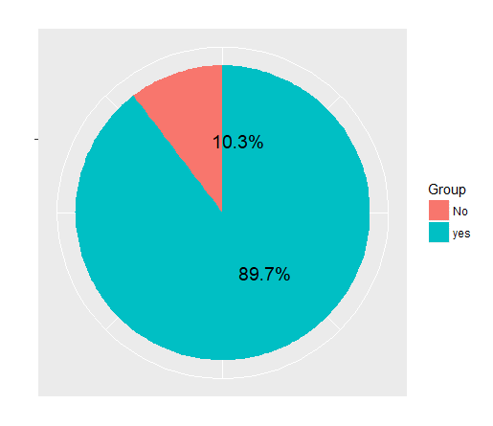
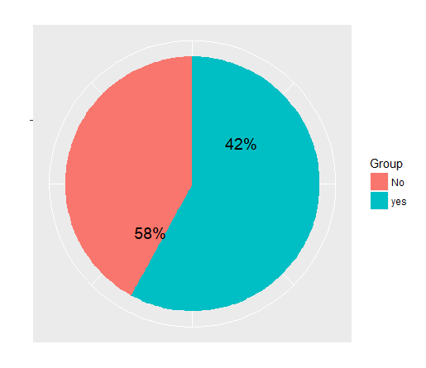
Have you ever done an online purchase?
(Male)
Have you ever done an online purchase?
(Female)
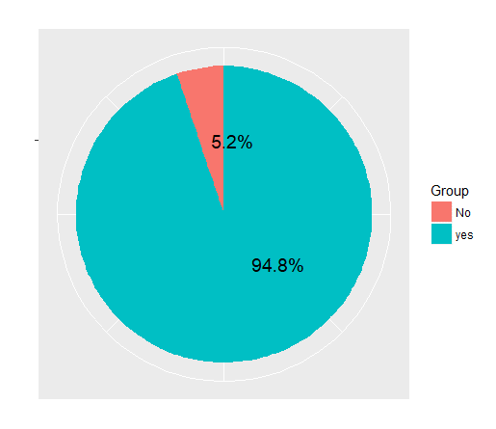
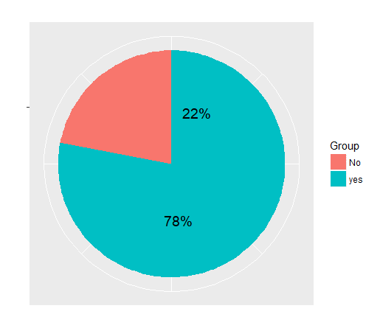

Have you done an online purchase within last 6 months? (Male)
Have you done an online purchase within last 6 months? (Female)

No of Purchases
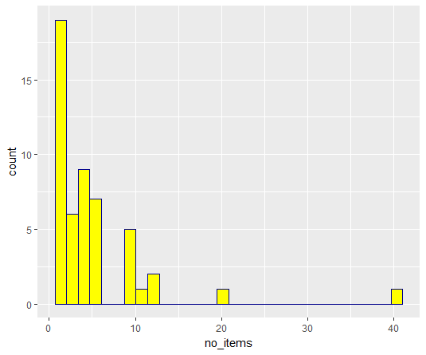
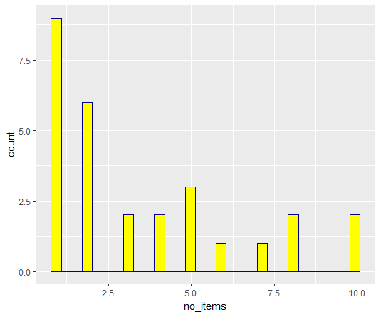
No. of Items Purchased (Both Male and Female)
No. of Items Purchased (Male Vs Female)

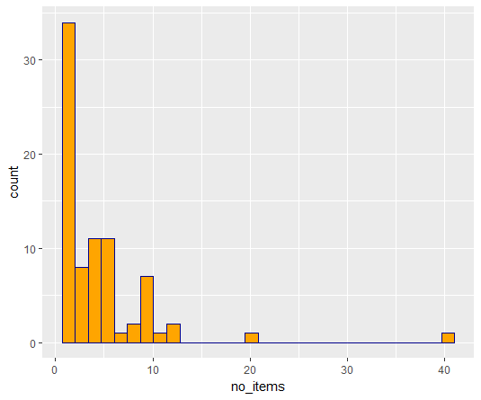
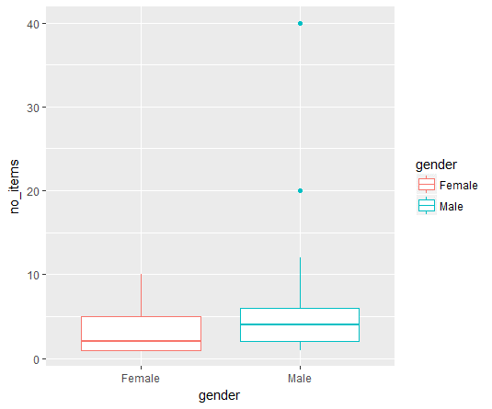

No. of Items Purchased (Male)
No. of Items Purchased (Female)

Vendor Types
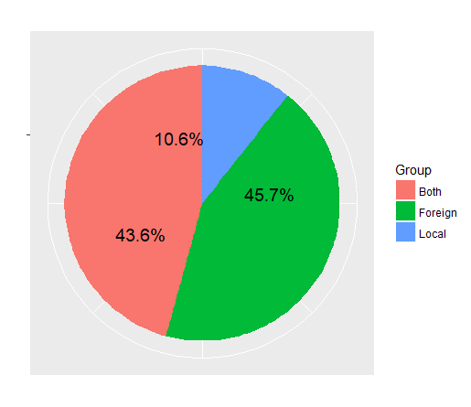
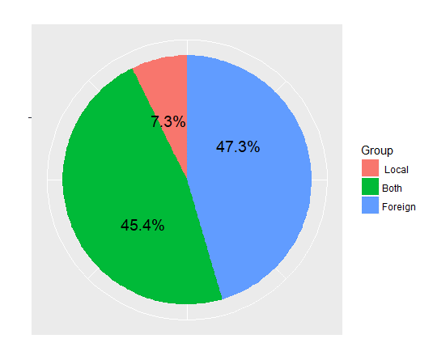
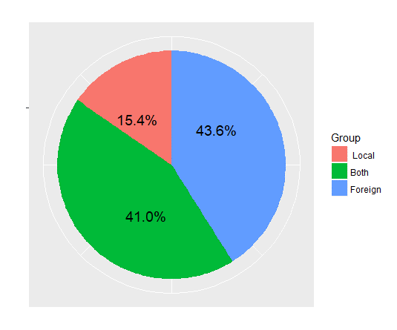
Vendor Types - Male
Vendor Types
Vendor Types - Female

Direct Purchasing from Vendor
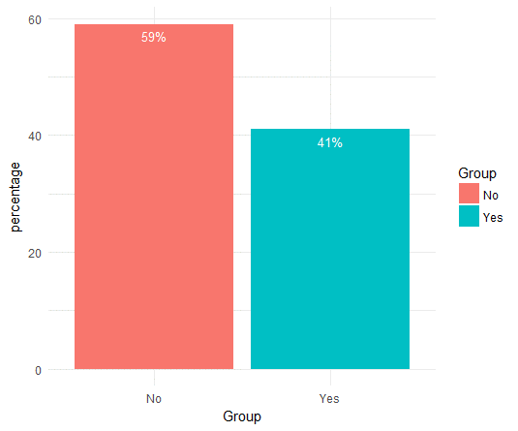
Have you directly purchased from vendor's site?

Internationale-commerceplatform
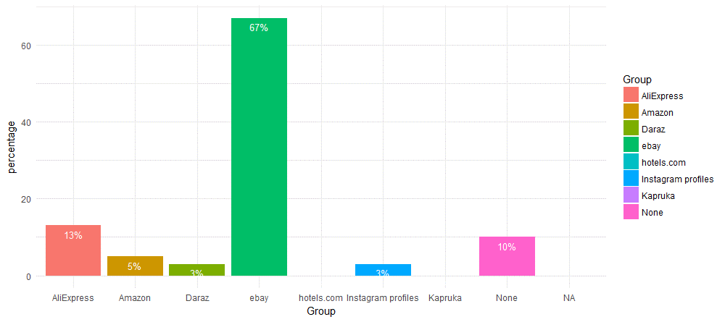
International E -commerce Platform

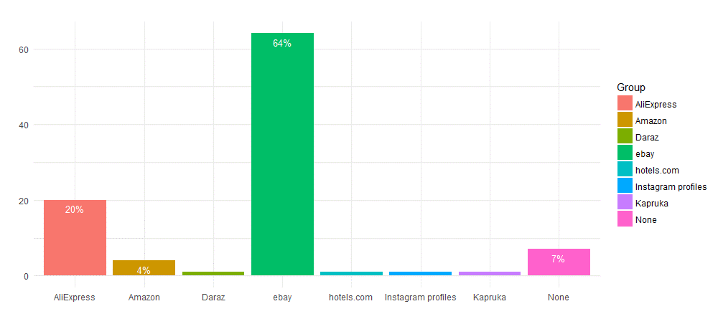

International E -commerce Platform - Male

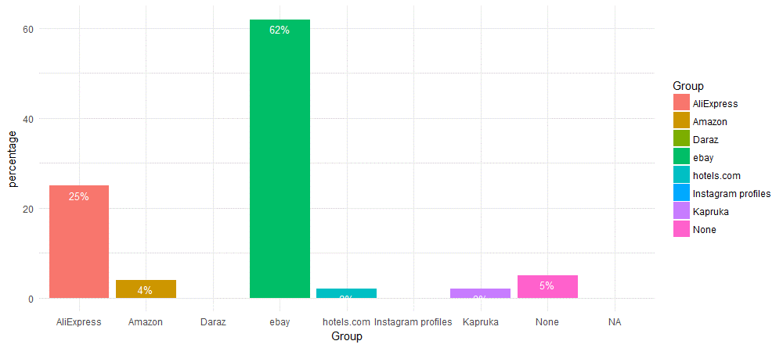

International E -commerce Platform - Female

local e-commerce platform
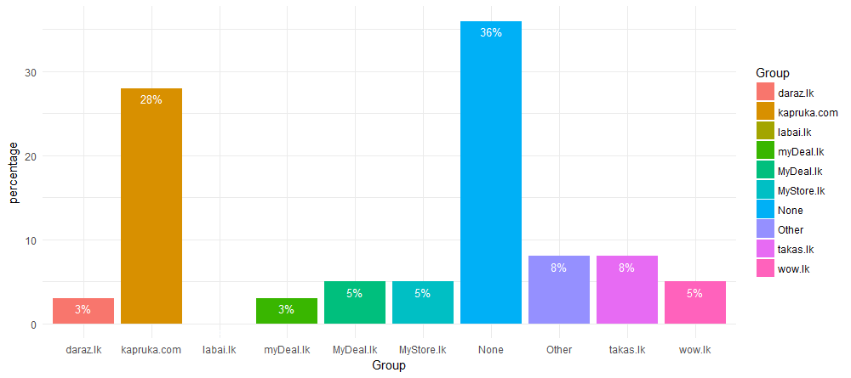
Local E -commerce Platform

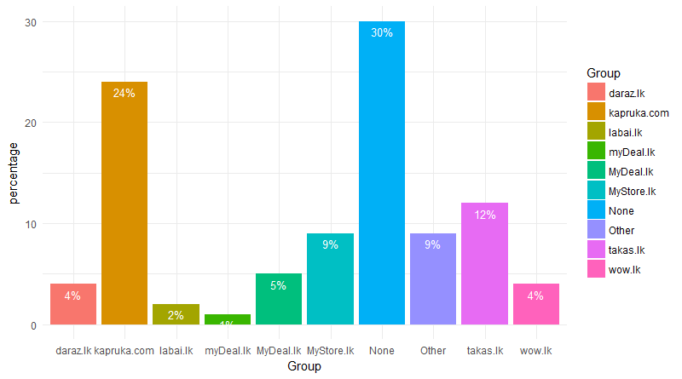

Local E -commerce Platform - Male

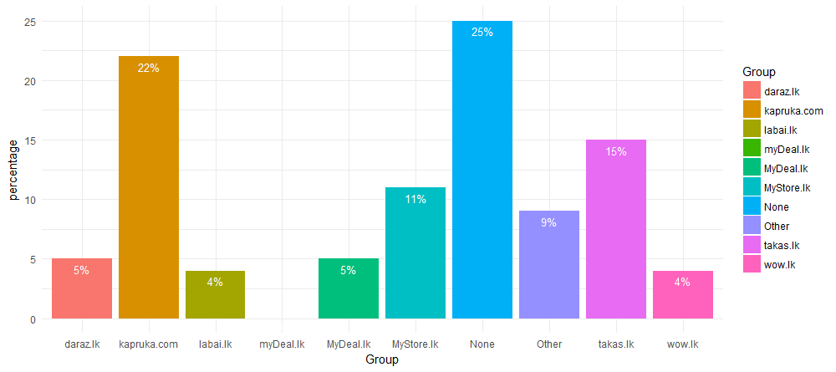

Local E -commerce Platform - Female

Devices
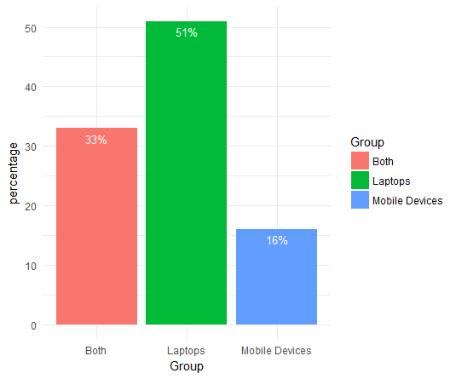
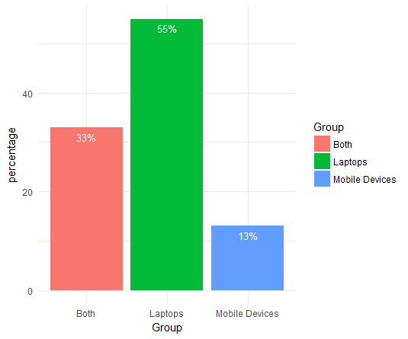
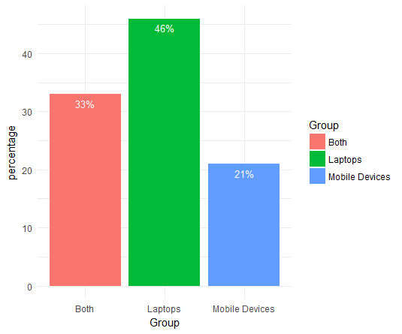
Devices used for purchasing
Devices used for purchasing - Male
Devices used for purchasing - Female

Source of Marketing
How do you get to know about the vendors/products?

How do you get to know about the vendors/products? - Male

How do you get to know about the vendors/products? - Female

Satisfaction
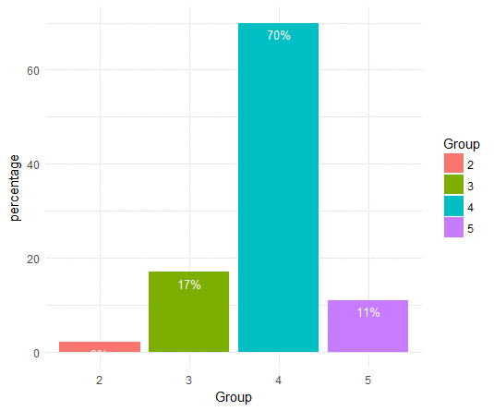
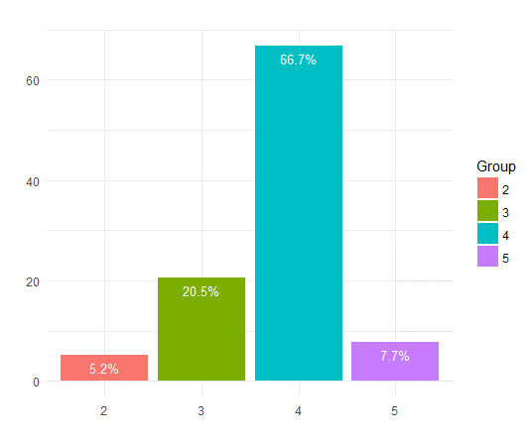
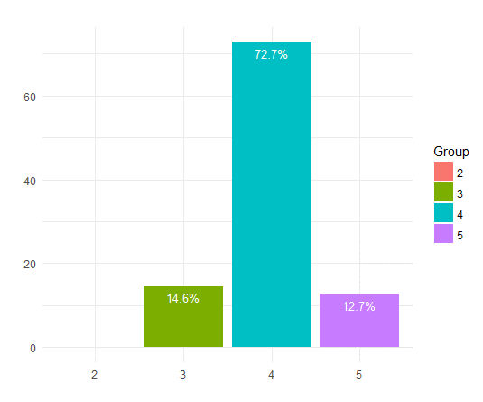
Level of Satisfaction
Level of Satisfaction - Male
Level of Satisfaction - Female

Maximum Amount
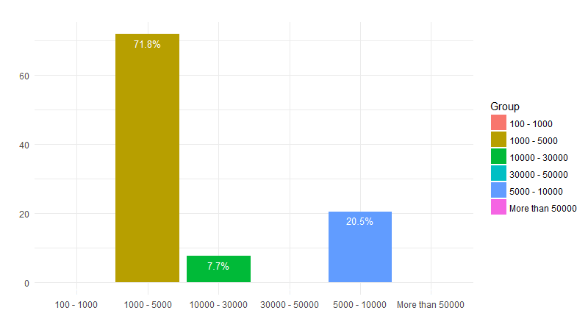
Maximum Amount Willing to Pay

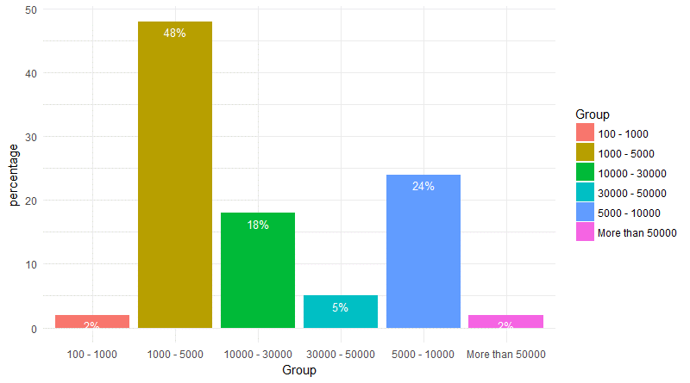

Maximum Amount Willing to Pay - Male

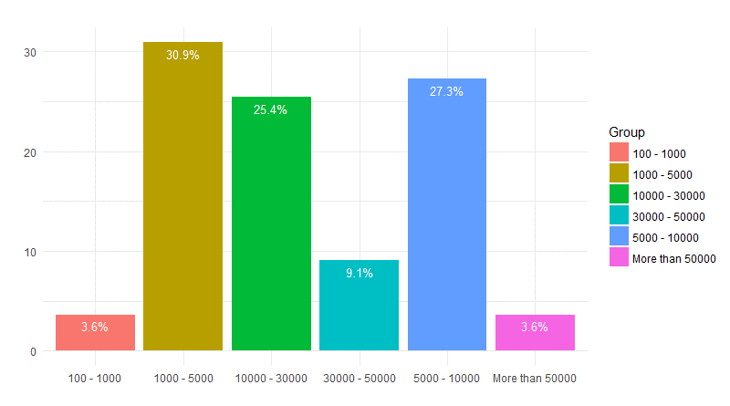

Maximum Amount Willing to Pay - Female

