Sample Composition
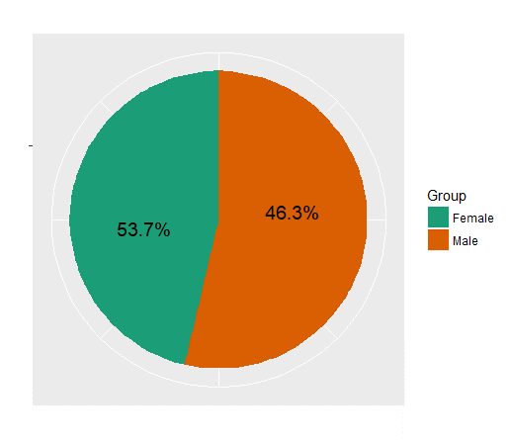
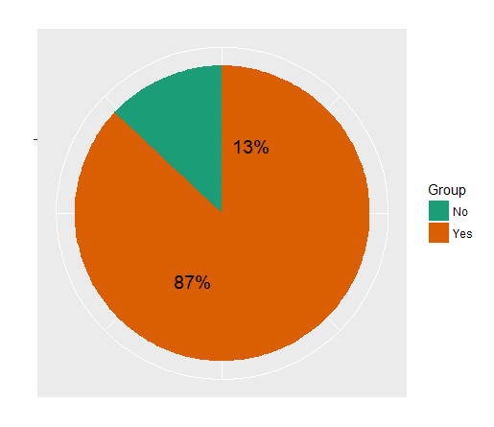
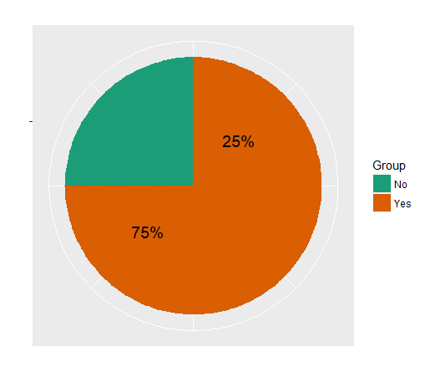
Gender wise Split
Have you ever done an online purchase?
Have you done an online purchase within last 6 months?

GenderWisePurchasingProportions
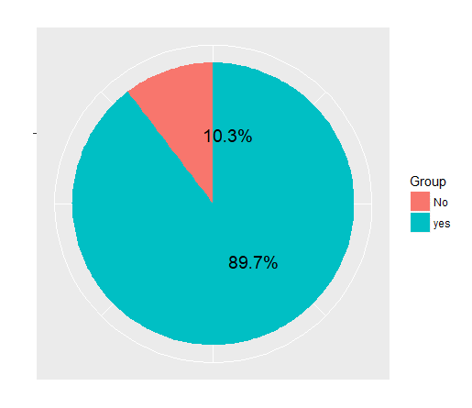
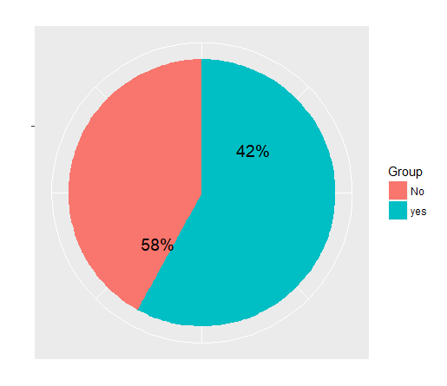
Have you ever done an online purchase?
(Male)
Have you ever done an online purchase?
(Female)
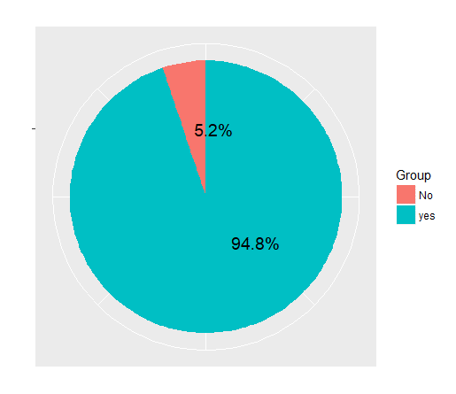
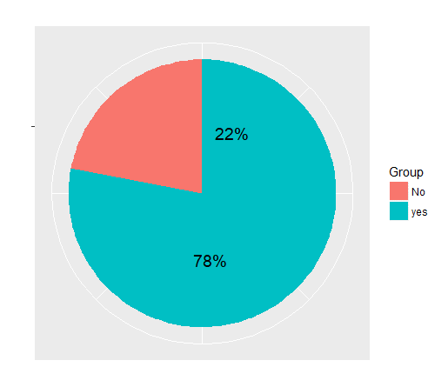

Have you done an online purchase within last 6 months? (Male)
Have you done an online purchase within last 6 months? (Female)

No of Purchases
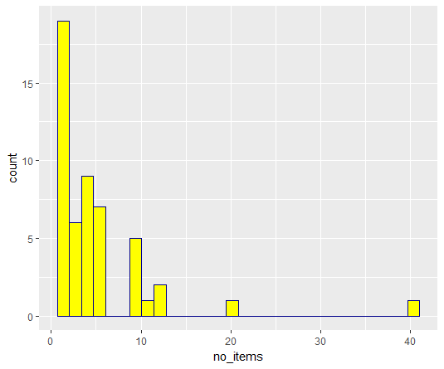
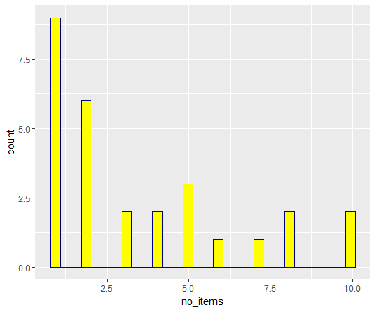
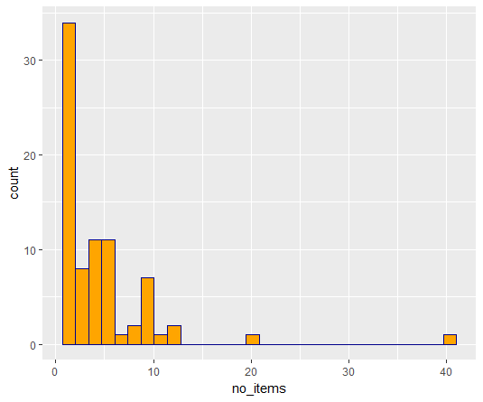
No. of Items Purchased (Both Male and Female)
No. of Items Purchased (Male Vs Female)
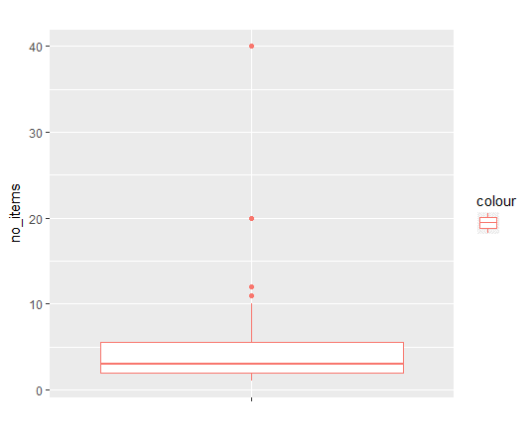

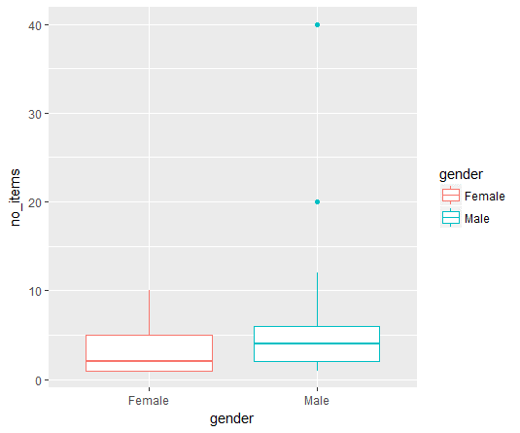

No. of Items Purchased (Male)
No. of Items Purchased (Female)
No. of Items Purchased (Both Male and Female)

Vendor Types
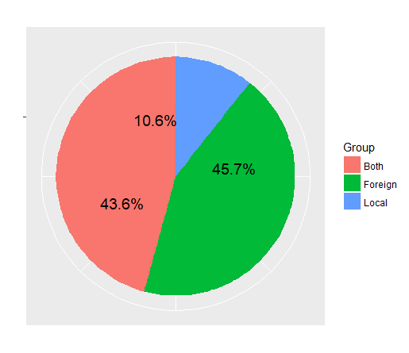
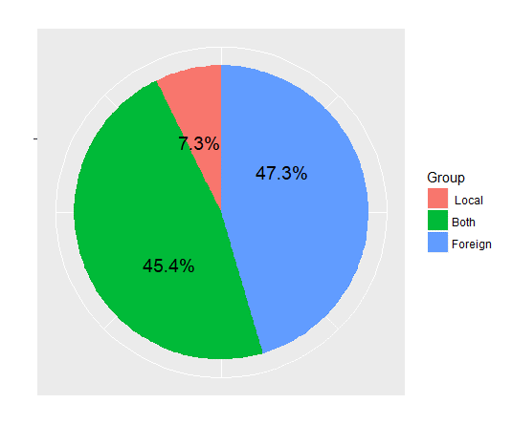
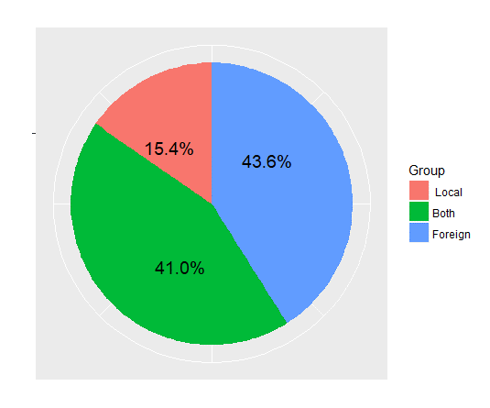
Vendor Types - Male
Vendor Types
Vendor Types - Female

Direct Purchasing from Vendor
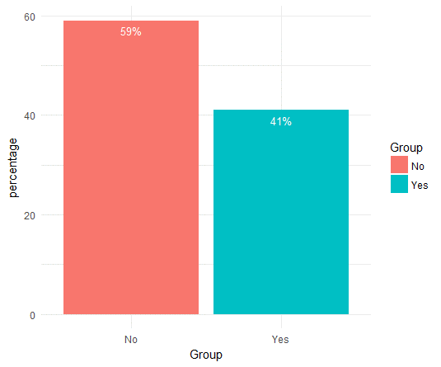
Have you directly purchased from vendor's site?

Internationale-commerceplatform
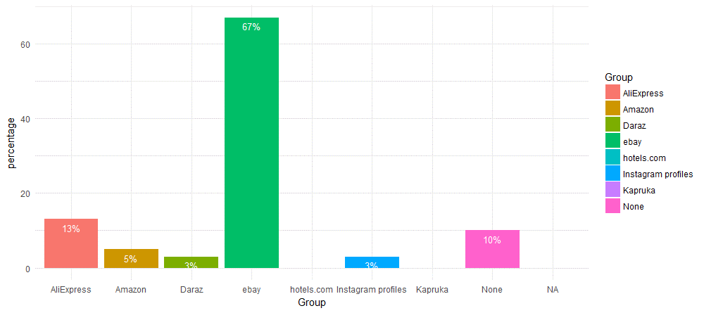
International E -commerce Platform

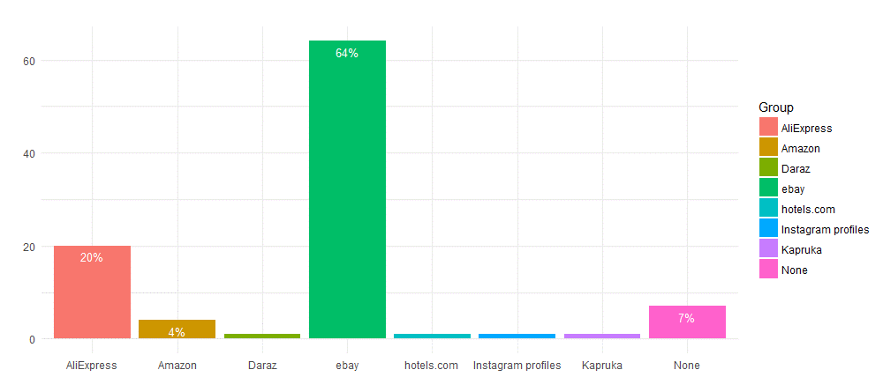

International E -commerce Platform - Male

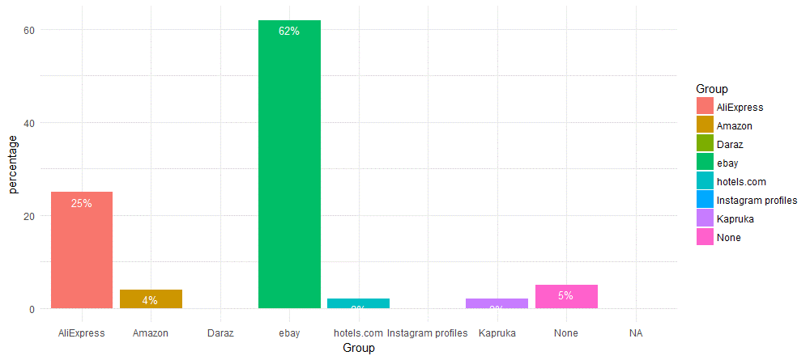

International E -commerce Platform - Female

local e-commerce platform
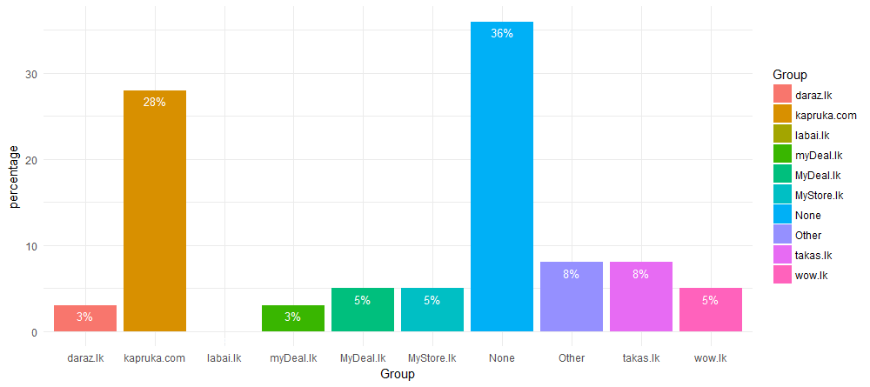
Local E -commerce Platform

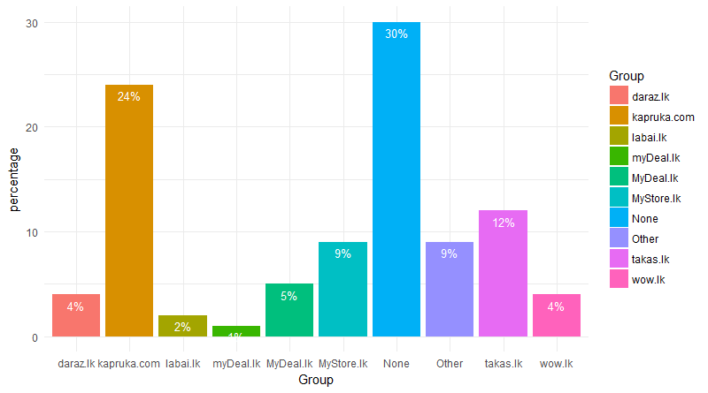

Local E -commerce Platform - Male

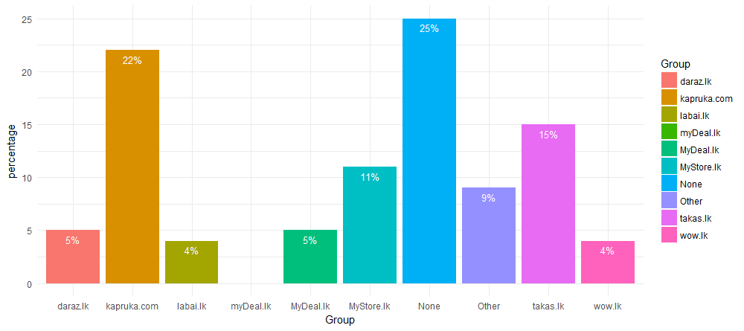

Local E -commerce Platform - Female

Devices
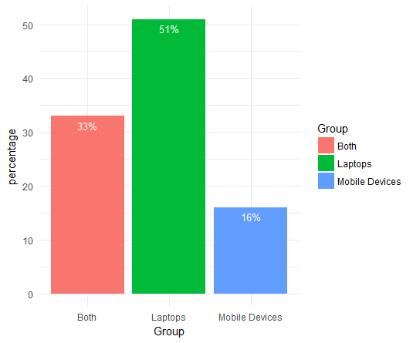
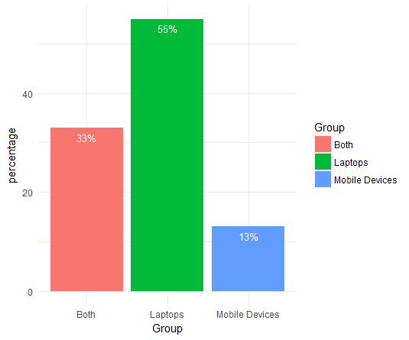
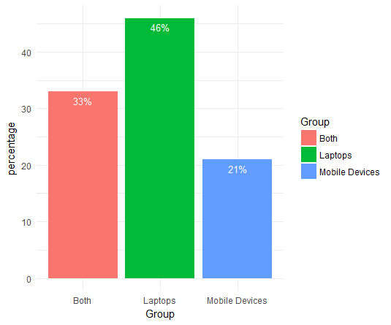
Devices used for purchasing
Devices used for purchasing - Male
Devices used for purchasing - Female

Source of Marketing
How do you get to know about the vendors/products?

How do you get to know about the vendors/products? - Male

How do you get to know about the vendors/products? - Female

Satisfaction
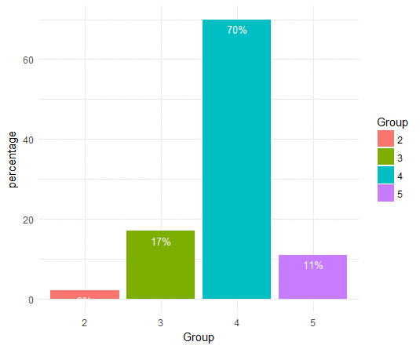
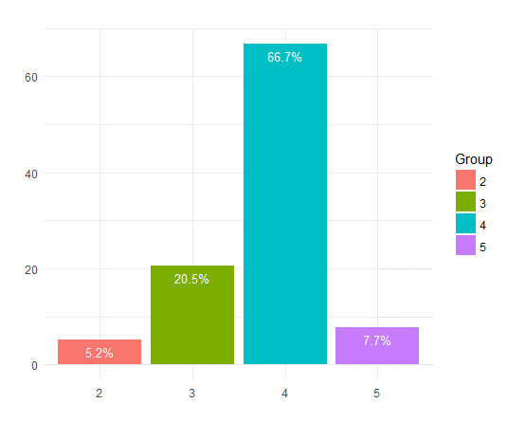
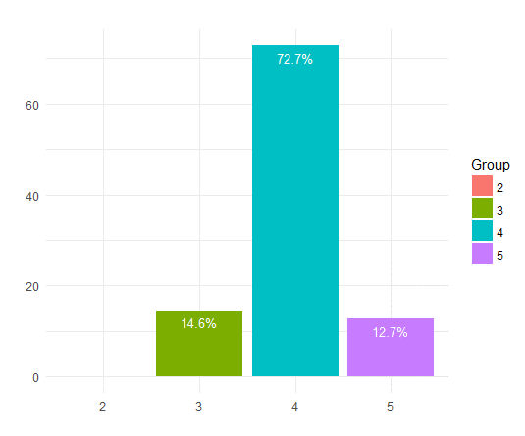
Level of Satisfaction
Level of Satisfaction - Male
Level of Satisfaction - Female

Maximum Amount
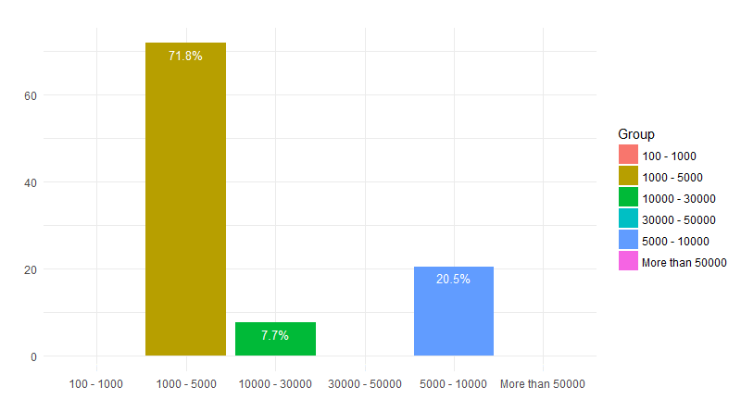
Maximum Amount Willing to Pay

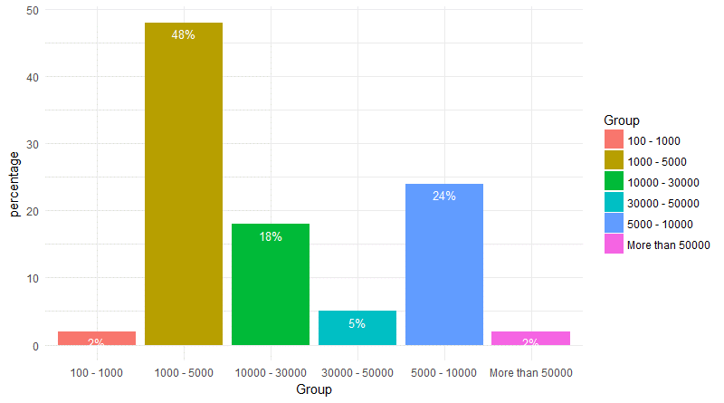

Maximum Amount Willing to Pay - Male

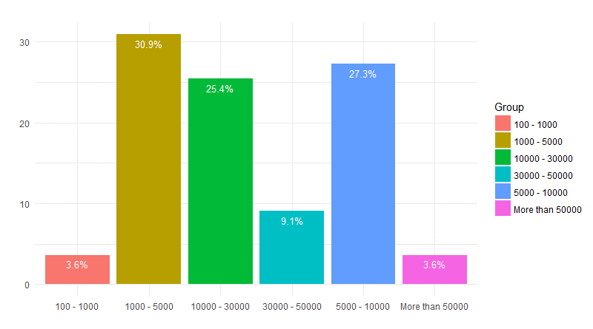

Maximum Amount Willing to Pay - Female

