Boot-init and systemd
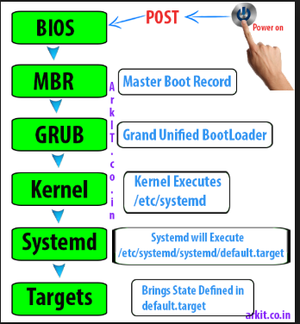
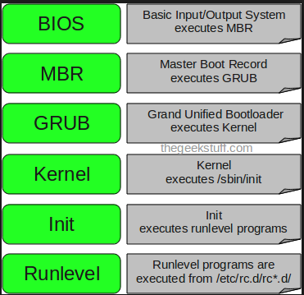

 | pstree -laAp

init is a abbreviation for Initialization
The init is a daemon process which starts as soon as the computer starts and continue running till, it is shutdown.
If somehow init daemon could not start, no process will be started and the system will reach a stage called “Kernel Panic“. init is most commonly referred to as System V init. System V is the first commercial UNIX Operating System designed and usages of init on most of the Linux Distribution of today is identical with System V OS with a few exception like Slackware using BSD-style and Gentoo using custom init.

Run Levels and services
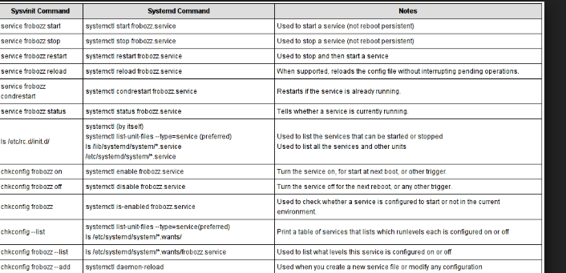
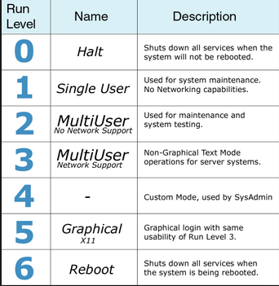
 |  | RHEL6
 |  |  |  | RHEL 7

 |  |  | init 0
 |  |  | systemctl isolate multi-user.target+D40

RHEL 6 |  | /etc/inittab
 |  | runlevel
 |  | who -r

RHEL 7
 | Current Run Level |  | sudo systemctl get-default
 | Change Run Level |  | sudo systemctl set-default runlevel3.target

 |  |  |  |  | chkconfig --list
 |  |  |  |  | cd /etc/init.d | all
 |  |  |  |  | cd /etc/rcX.d

 |  |  |  |  | systemctl list-unit-files --type=service
 |  |  |  |  | /usr/lib/systemd/system/ | all
 |  |  |  |  | /etc/systemd/system | run level specific

