grep sudo chown chmod
 | For next Lab (LAB 4) -> Add new disk in vLAB machine.

 | grep command

 | su

 | sudo
 |  | /etc/sudoers
 |  | /etc/sudoers.d/
 | sudo su - username

 | chown:
 | chown user filename
 | chown -R user directoryname
 | chown user:group filename
 | chown -R user:group directoryname
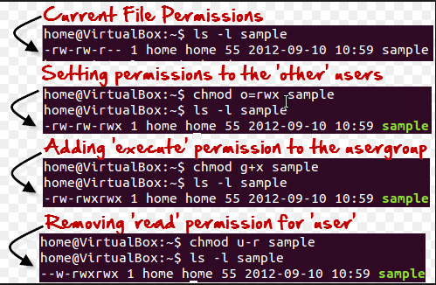
 | chmod:

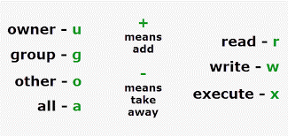
method -1

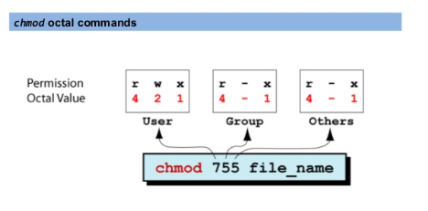

method-2
 |  | 4 | r
 |  | 2 | w
 |  | 1 | x

 |  | What is 777 ? Why not to use ?

 |  | setuid, setgis, stricky bit
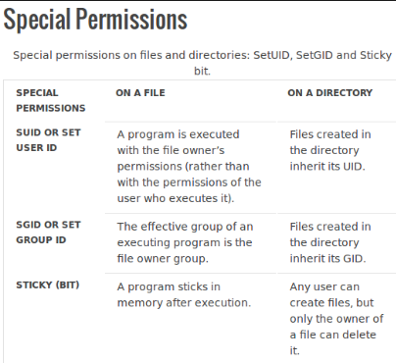
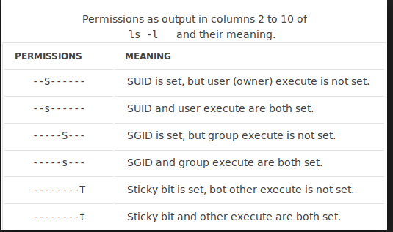

 |  | 4 | SetUD | 4755
 |  | 2 | SetGID | 2755
 |  | 1 | Stricky Bit | 1755

User Creating in Linux
 | command : |  |  | id | groups

 | /etc/passwd

 | /etc/shadow

 | /etc/group
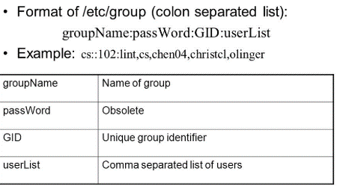

 | /etc/passwd |  | /etc/shadow |  | /etc/group | /etc/skel | /etc/profile | /etc/profile.d/

 | groupadd <groupname>
 | groupadd <gid > <groupname>
 | groupdel <groupname>

`

 | useradd <username>

 | [root@tecmint ~]# useradd -m -d /var/www/avishek -s /usr/sbin/nologin -c "TecMint Sr. Technical Writer" -u 1019 avishek

 | Change Primary Group :
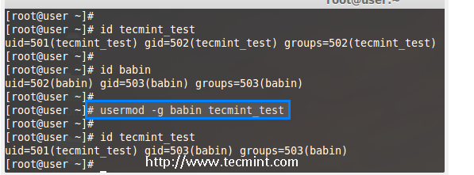

 | Change Secondary Group :

 | Lock User account :

 | Change Sehll

 | Delete User
 |  | userdel <username>
 |  | userdel -r <username>

 | For passwoed change
 |  | passwd
 |  | passwd <username>

 | Login method in General Mills…..

