cron at
CRON
 | sudo service crond statu



 | For Edit Crontab |  | crontab -e
 | For list crontab |  | crontab -l
 | Schedule a cron to execute at 2am daily |  | 0 2 * * * /bin/sh backup.sh
 | Schedule a cron to execute on every minutes. |  | * * * * * /scripts/script.sh
 | Schedule a cron to execute on every 10 minutes. |  | */10 * * * * /scripts/monitor.sh
 | Schedule a cron to execute on every four hours. |  | 0 */4 * * * /scripts/script.sh
 | Schedule a cron to execute twice on every Sunday and Tuesday. |  | 0 4,17 * * sun,Tue /scripts/script.sh | or | 0 4,17 * * 0,2 /scripts/script.sh

 | /etc/cron.allow | cron.allow exists, only the users who are listed in this file can create, edit, display, or remove crontab files.
 | /etc/cron.deny | If cron.allow does not exist, all users can submit crontab files, except for users who are listed in cron.deny.
 | If neither cron.allow nor cron.deny exists, superuser privileges are required to run the crontab command

AT

 | Specify Time in at: | https://www.computerhope.com/unix/uat.htm

examples | echo "hello" > /tmp/hello.txt | at 11:46
 | echo "script" | at now
 | at 01:35 < my-at-jobs.txt |  | Run the commands listed in the 'my-at-jobs.txt' file at 1:35 AM.
 | at -f shell_script now + 1 hour

 | For Remove job.

 | /etc/at.allow
 | /etc/at.deny

LVM - Mount - Swap
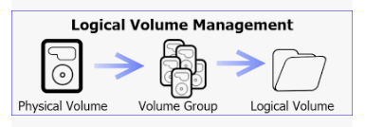

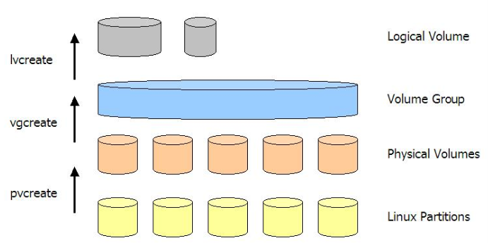

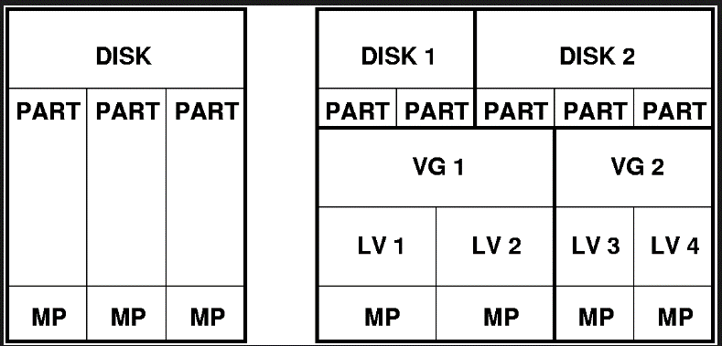

Commands

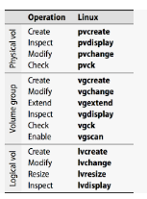

Process :

# pvcreate /dev/sdb /dev/sdc /dev/sdd
# pvs
# pvdisplay
# pvdisplay /dev/sdX

# vgcreate vg00 /dev/sdb /dev/sdc
# vgdisplay
# vgdisplay vg00
# vgs
# vgesnted vgextend vg1 /dev/sdc

# lvcreate -n vol_projects -L 10G vg00
# lvcreate -n vol_backups -l 100%FREE vg00
# lvs
# lvdisplay

# mkfs.xfs /dev/vg00/vol_projects
add entry in /etc/fstab
mount <source > <destination>
mount /dev/vg00/vol_projects /mnt/disk1

NFS Share
NFS Server
vi /etc/exports
/nfsshare 192.168.0.101(rw)

go to second server.
showmount -e <first_server_name>
mount -t nfs 192.168.0.100:/nfsshare /mnt/nfsshare
You can add entry in /etc/fstab as well

Swap
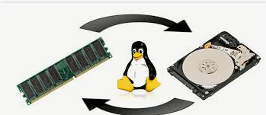

swapon --show
free <k|m|h>
swapoff -v <device file>
remove from fstab
mkswap <device_file>

sudo dd if=/dev/zero of=/swapfile bs=1024 count=1048576
sudo chmod 600 /swapfile
sudo mkswap /swapfile
sudo swapon /swapfile

