Architecture
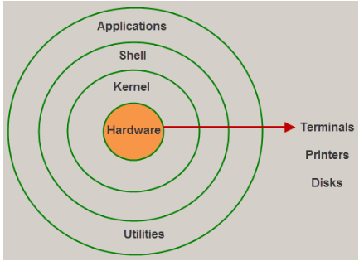
Linux History : https://www.slideshare.net/DamianGordon1/a-history-of-linux

GNU is a recursive acronym for "GNU's Not Unix!", chosen because GNU's design is Unix-like, but differs from Unix by being free software and containing no Unix code. The GNU project includes an operating system kernel, GNU HURD, which was the original focus of the Free Software Foundation (FSF).

Directory Structure
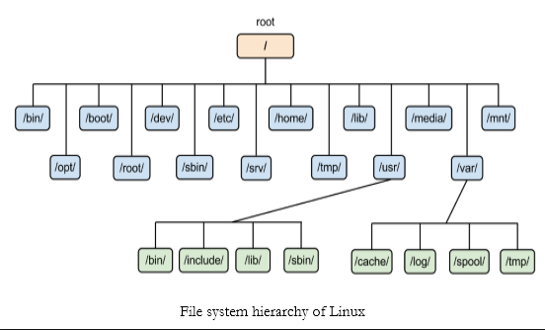

inode
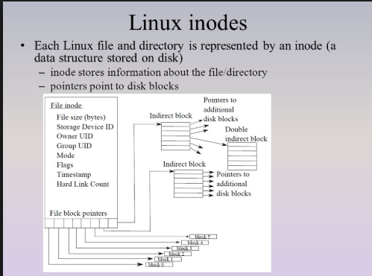
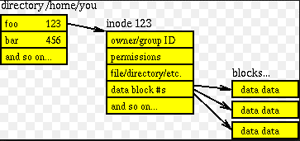
What is inode number in Linux
Inode number also called index number, it consists following attributes.
File types ( executable, block special etc )
Permissions ( read, write etc )
UID ( Owner )
GID ( Group )
FileSize
Time stamps including last access, last modification and last inode number change.
File deletion time
Number of links ( soft/hard )
Location of ile on harddisk.
Some other metadata about file.

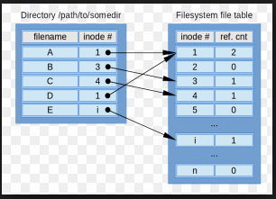

To check inode number of file use following command. The first field in output is an inode number of the file.
ls -il myfile.txt

1150561 -rw-r--r-- 1 root root 0 Mar 10 01:06 myfile.txt

Delete a file: Deleting a file in Linux decrements the link count and freeing the inode number to be reused.

Hardlink and SoftLink


