DASHBOARD
❤️HEART DISEASE ANALYSIS DASHABOARD❤️

👥 TOTAL PATIENTS
1027
❤️ HEART
DISEASE CASES
526
📊DISEASE
RATE
51.2%
💚Healthy
PATIENTS
501
📈Average
AGE
54.4

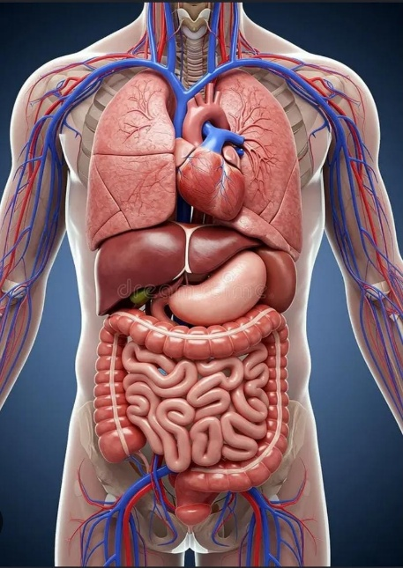
❤️Heart Disease
 | Heart Disease | No Disease
Elevated | 128 | 128
High (Stage 1) | 144 | 100
High (Stage 2) | 137 | 187
Normal | 117 | 86
👤Age Group Distribution
 | Total
18-29 | 5
30-39 | 53
40-49 | 237
50-59 | 423
60+ | 309

🚻Gender Distribution
 | Total
Female | 314
Male | 713

🏃Exercise Angina
 | Total
No | 682
Yes | 345

🫁Chest Pain Type
 | Total
Asymptomatic | 77
Atypical Angina | 167
Non-Anginal Pain | 284
Typical Angina | 499
🫀Heart Disease by Gender
 | Heart Disease | No Disease
Female | 226 | 88
Male | 300 | 413
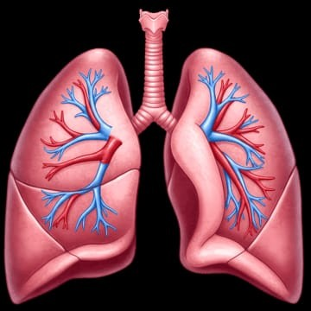


📈Heart Disease by Age Group
 | Total
18-29 | 5
30-39 | 53
40-49 | 237
50-59 | 423
60+ | 309
🩸Blood Pressure Category
 | Total
Elevated | 256
High (Stage 1) | 244
High (Stage 2) | 324
Normal | 203

