class list
Names | Test1 | Test2 | Test3 | Average | Rounded Average | Honors
Allen | 89 | 78 | 89 | 85.333333333 | 85 | NO
Borlin | 67 | 56 | 66 | 63 | 63 | NO
Catlin | 78 | 76 | 76 | 76.666666667 | 77 | NO
Dorsey | 56 | 34 | 45 | 45 | 45 | NO
Eugene | 26 | 100 | 99 | 75 | 75 | NO
Finerran | 99 | 98 | 97 | 98 | 98 | YES
Greco | 78 | 87 | 88 | 84.333333333 | 84 | NO

Eugene drean
 |  | GOAL SEEK
 |  |  |  | click Data->What-if Analysis->Goal Seek
Names | Test1 | Test2 | Test3
Allen | 89 | 78 | 89
Borlin | 67 | 56 | 66
Catlin | 78 | 76 | 76
Dorsey | 56 | 34 | 45
Eugene | 26 | 100 | 99
Finerran | 99 | 98 | 97
Greco | 78 | 87 | 88

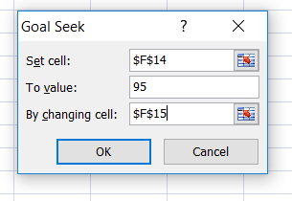
Eugene Test1 Mark |  |  |  | 26
Eugene needed Mark in Test1 in order to earn honors |  |  |  | 69
Mark needed in Test1 in order to earn honors |  |  |  | 95

 |  |  |  |  | click ok

